CropReview
filename | status | crop_x1 | crop_y1 | crop_x2 | crop_y2 | orig_w | orig_h | notes | image | Instructions
PREP_Footbag World Vol. 10 No. 1.png | review |  |  |  |  | 1920 | 1440 |  | 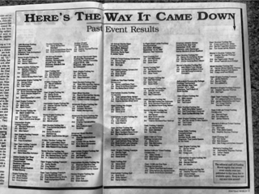 | Enter crop_x1, crop_y1, crop_x2, crop_y2 in original-image pixels. Leave blank to skip. Status can be crop / skip / review.
PREP_Footbag World Vol. 10 No. 2 page 1.png | review |  |  |  |  | 1440 | 1920 |  | 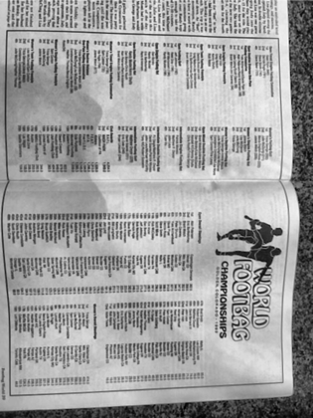
PREP_Footbag World Vol. 10 No. 2 page 2.png | review |  |  |  |  | 871 | 848 |  | 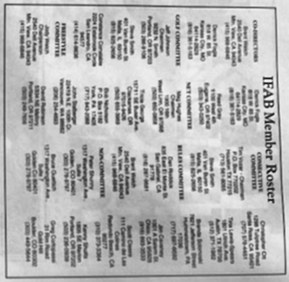
PREP_Footbag World Vol. 10 No. 2 page 3.png | review |  |  |  |  | 1387 | 1884 |  | 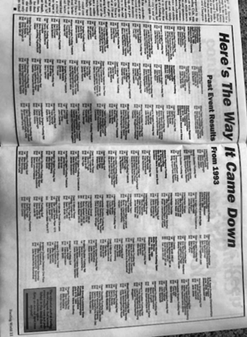
PREP_Footbag World Vol. 11 No. 1.png | review |  |  |  |  | 1440 | 1920 |  | 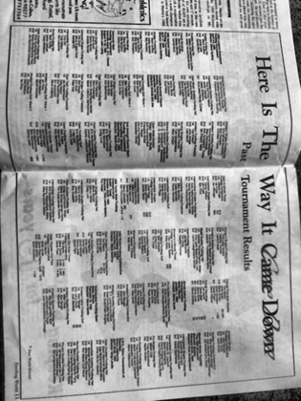
PREP_Footbag World Vol. 11 No. 2 page 1.png | review |  |  |  |  | 654 | 1920 |  | 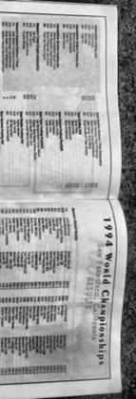
PREP_Footbag World Vol. 11 No. 2 page 2.png | review |  |  |  |  | 1440 | 1860 |  | 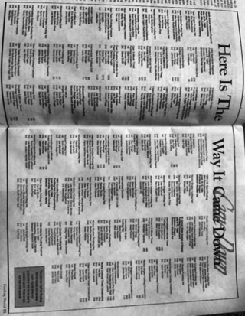
PREP_Footbag World Vol. 12 No. 2 page 1.png | review |  |  |  |  | 1129 | 1920 |  | 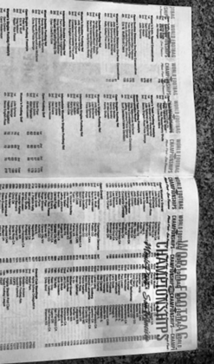
PREP_Footbag World Vol. 12 No. 2 page 2.png | review |  |  |  |  | 836 | 1920 |  | 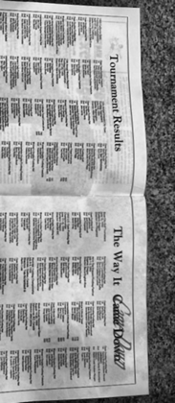
PREP_Footbag World Vol. 13 No. 1.png | review |  |  |  |  | 1440 | 1920 |  | 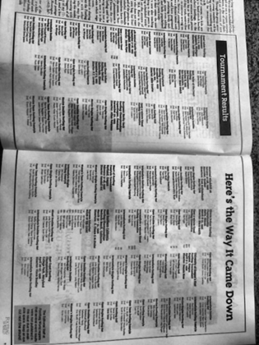
PREP_Footbag World Vol. 13 No. 2 page 1.png | review |  |  |  |  | 1832 | 1440 |  | 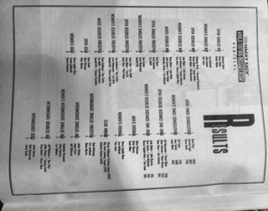
PREP_Footbag World Vol. 13 No. 2 page 2.png | review |  |  |  |  | 1440 | 1920 |  | 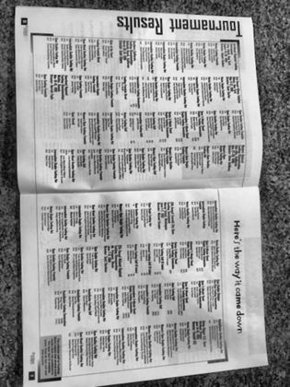
PREP_Footbag World Vol. 14 No. 1.png | review |  |  |  |  | 1309 | 1920 |  | 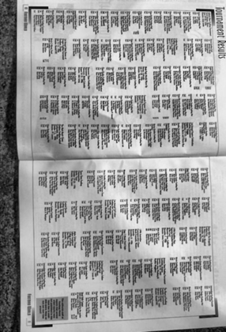
PREP_Footbag World Vol. 14 No. 2 page 1.png | review |  |  |  |  | 1920 | 1440 |  | 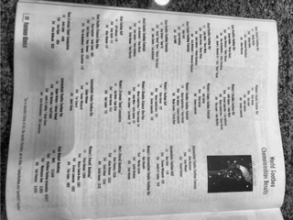
PREP_Footbag World Vol. 14 No. 2 page 2.png | review |  |  |  |  | 1440 | 1920 |  | 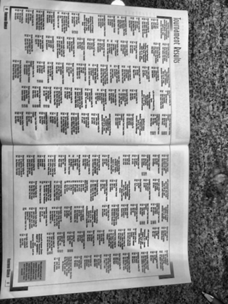
PREP_Footbag World Vol. 2 No. 1.png | review |  |  |  |  | 1642 | 422
PREP_Footbag World Vol. 2 No. 3.png | review |  |  |  |  | 1440 | 188
PREP_Footbag World Vol. 3 No. 1 - Copy.png | review |  |  |  |  | 851 | 845 |  | 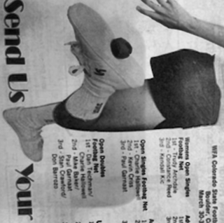
PREP_Footbag World Vol. 3 No. 1.png | review |  |  |  |  | 851 | 845
PREP_Footbag World Vol. 3 No. 3.png | review |  |  |  |  | 1920 | 1440 |  | 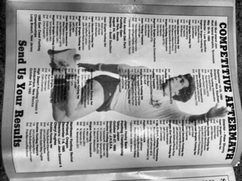
PREP_Footbag World Vol. 4 No. 1.png | review |  |  |  |  | 1828 | 1390 |  | 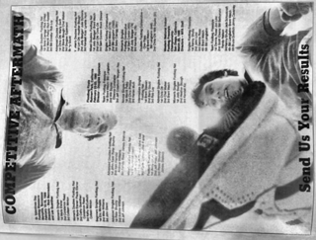
PREP_Footbag World Vol. 4 No. 2 page 1.png | review |  |  |  |  | 1920 | 1440 |  | 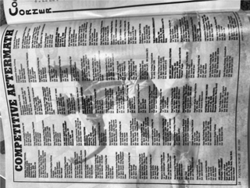
PREP_Footbag World Vol. 4 No. 2 page 2.png | review |  |  |  |  | 1920 | 394
PREP_Footbag World Vol. 4 No. 3.png | review |  |  |  |  | 1440 | 1737 |  | 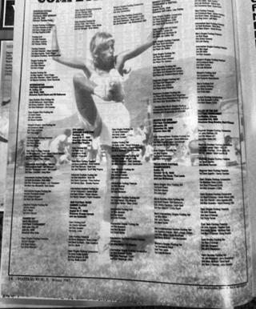
PREP_Footbag World Vol. 5 No. 1.png | review |  |  |  |  | 1920 | 1440 |  | 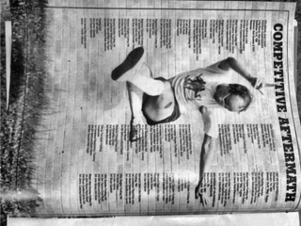
PREP_Footbag World Vol. 5 No. 2 page 1.png | review |  |  |  |  | 1176 | 587 |  | 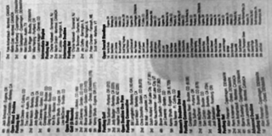
PREP_Footbag World Vol. 5 No. 2 page 2.png | review |  |  |  |  | 1920 | 1440 |  | 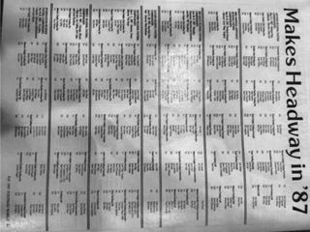
PREP_Footbag World Vol. 5 No. 2 page 3.png | review |  |  |  |  | 1920 | 1440 |  | 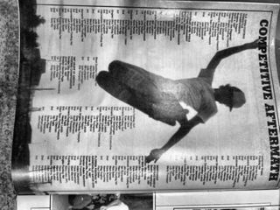
PREP_Footbag World Vol. 6 No. 1 page 1.png | review |  |  |  |  | 820 | 1428 |  | 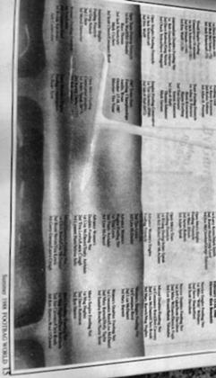
PREP_Footbag World Vol. 6 No. 1 page 2.png | review |  |  |  |  | 1846 | 1440 |  | 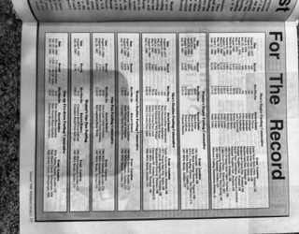
PREP_Footbag World Vol. 6 No. 2 page 1.png | review |  |  |  |  | 1740 | 1440 |  | 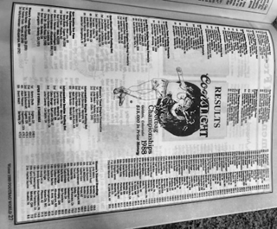
PREP_Footbag World Vol. 6 No. 2 page 2.png | review |  |  |  |  | 1358 | 1920 |  | 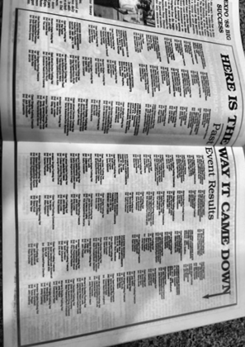
PREP_Footbag World Vol. 6 No. 3.png | review |  |  |  |  | 1920 | 1440 |  | 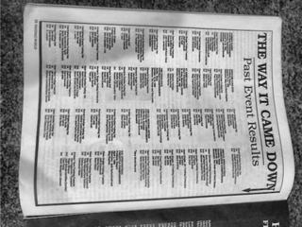
PREP_Footbag World Vol. 7 No. 1 Page 1.png | review |  |  |  |  | 1869 | 1440 |  | 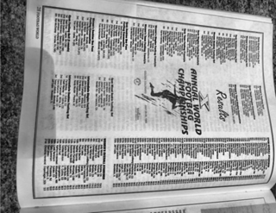
PREP_Footbag World Vol. 7 No. 1 Page 2.png | review |  |  |  |  | 1369 | 1920 |  | 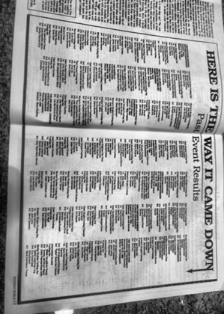
PREP_Footbag World Vol. 7 No. 2.png | review |  |  |  |  | 1348 | 1920 |  | 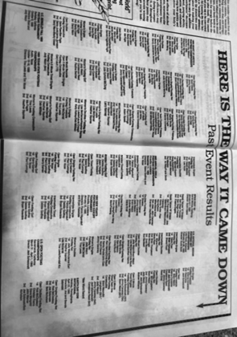
PREP_Footbag World Vol. 7 No. 3 Page 1.png | review |  |  |  |  | 1822 | 1440 |  | 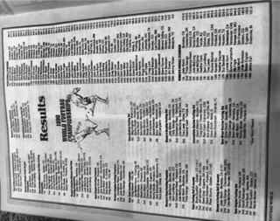
PREP_Footbag World Vol. 7 No. 3 Page 2.png | review |  |  |  |  | 1614 | 1196 |  | 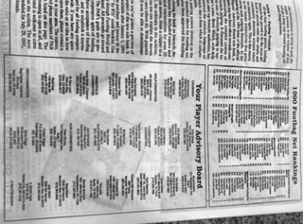
PREP_Footbag World Vol. 7 No. 3 Page 3.png | review |  |  |  |  | 1418 | 1920 |  | 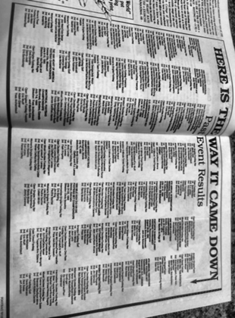
PREP_Footbag World Vol. 8 No. 1.png | review |  |  |  |  | 1440 | 1920 |  | 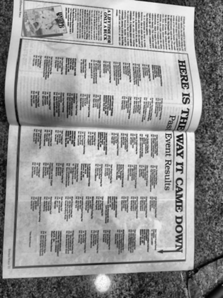
PREP_Footbag World Vol. 8 No. 2 page 1.png | review |  |  |  |  | 1745 | 1356 |  | 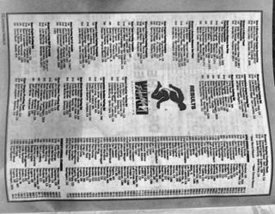
PREP_Footbag World Vol. 8 No. 2 page 2.png | review |  |  |  |  | 1347 | 1771 |  | 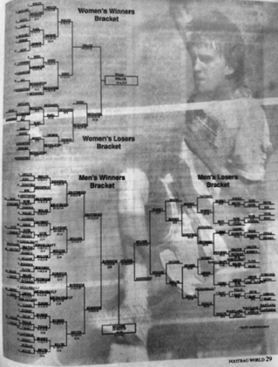
PREP_Footbag World Vol. 8 No. 2 page 3.png | review |  |  |  |  | 1440 | 1920 |  | 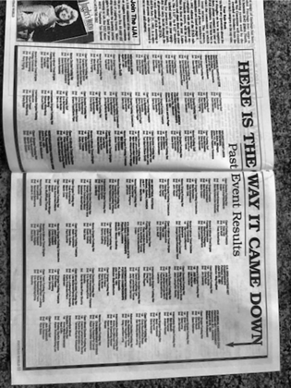
PREP_Footbag World Vol. 8 No. 2 page 4.png | review |  |  |  |  | 1867 | 1173 |  | 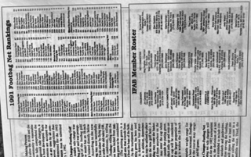
PREP_Footbag World Vol. 9 No. 1.png | review |  |  |  |  | 1715 | 1440 |  | 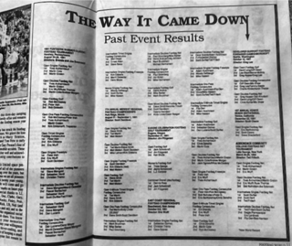
PREP_Footbag World Vol. 9 No. 2 page 1.png | review |  |  |  |  | 1440 | 1920 |  | 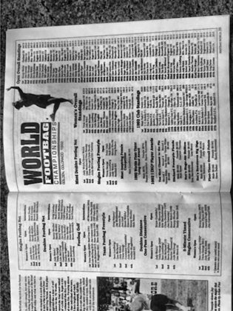
PREP_Footbag World Vol. 9 No. 2 page 2.png | review |  |  |  |  | 1920 | 1154 |  | 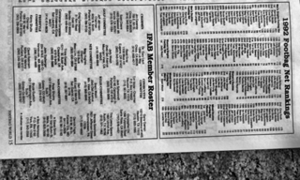
PREP_Footbag World Vol. 9 No. 2 page 3.png | review |  |  |  |  | 1440 | 1920 |  | 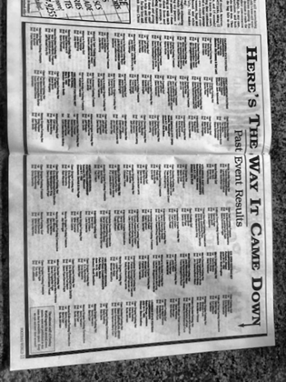
PREP_IFAB Rulebook Worlds History Page 1.png | review |  |  |  |  | 1920 | 1440 |  | 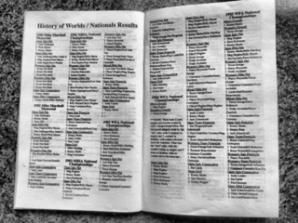
PREP_IFAB Rulebook Worlds History Page 2.png | review |  |  |  |  | 1920 | 1440 |  | 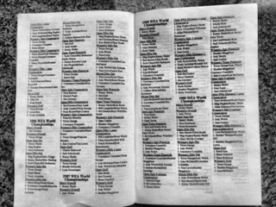
PREP_IFAB Rulebook Worlds History Page 3.png | review |  |  |  |  | 1270 | 1425 |  | 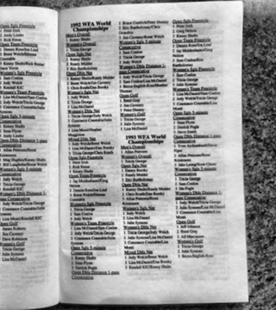
PREP_IFAB Rulebook Worlds History Page 4.png | review |  |  |  |  | 1920 | 1440 |  | 