Sheet1
 | Eth: 3.3 | 3.3V | VBUS | SPI: 5V |  |  |  | PF2 | GND | GND
GPIO_B5 | Eth: RST# | PB5 | GND |  |  | M1PWM7 | SPI: BLED | PF3 | PB2
 |  | PB0 | PD0 |  |  |  |  | PB3 | PE0
 |  | PB1 | PD1 |  |  | M0PWM6 | RGB: R | PC4 | PF0 | RGB: G | M1PWM4
M0PWM4 | RGB: B | PE4 | PD2 |  |  | GPIO_C5 | SPI: CS# | PC5 | RST
 |  | PE5 | PD3 |  |  | GPIO_C6 | But: Left | PC6 | PB7 | Eth: SI | SSI2Tx
SSI2Clk | Eth: SCK | PB4 | PE1 |  |  | GPIO_C7 | But: Up | PC7 | PB6 | Eth: SO | SSI2Rx
SSI0Tx | SPI: SI | PA5 | PE2 | Eth: INT | GPIO_E2 | GPIO_D6 | But: Down | PD6 | PA4 | SPI: SO | SSI0Rx
GPIO_A6 | Fan: TACH | PA6 | PE3 |  |  | GPIO_D7 | But: Right | PD7 | PA3 | SPI: RST# | GPIO_A3
M1PWM3 | Fan: PWM | PA7 | PF1 | Eth: CS# | GPIO_F1 | GPIO_F4 | But: Select | PF4 | PA2 | SPI: SCK | SSI0Clk
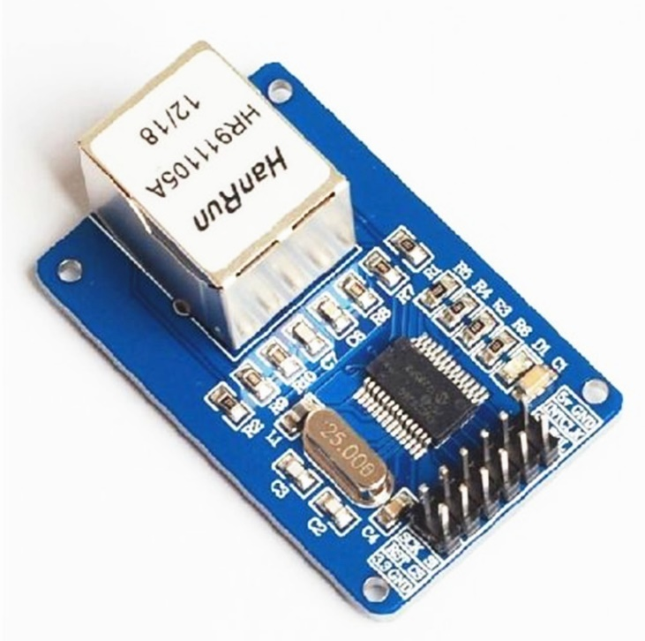
 |  |  |  |  |  |  | 5V | GND | GND
 |  |  |  |  |  | PE2 | INT | CLK
 |  |  |  |  |  | PB6 | SO | WOL
 |  |  |  |  |  | PB4 | SCK | SI | PB7
 |  |  |  |  |  | PB5 | RST# | CS# | PF1
 |  |  |  |  |  | 3.3V | 3.3 | GND | GND

 |  |  |  |  |  | ENC28J60

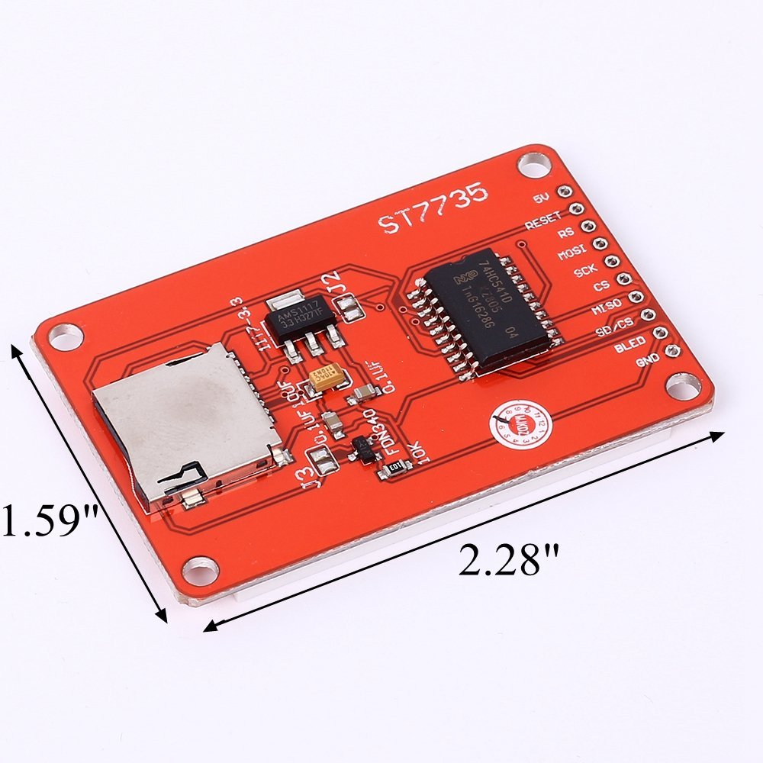
 |  |  |  |  |  |  | 5V | VBUS
 |  |  |  |  |  |  | RST# | PA3
 |  |  |  |  |  |  | RS
 |  |  |  |  |  |  | SI | PA5
 |  |  |  |  |  |  | SCK | PA2
 |  |  |  |  |  |  | CS# | PC5
 |  |  |  |  |  |  | SO | PA4
 |  |  |  |  |  |  | SD/CS#
 |  |  |  |  |  |  | BLED | PE5
 |  |  |  |  |  |  | GND | GND

 |  |  |  |  |  |  | ST7735

 |  |  |  |  | Base Resistance
 |  |  |  |  | 2N3906 | 33k (Red)
 |  |  |  |  | Base R | 54k (G&B)
 |  |  |  |  | 2N3904 | 41k

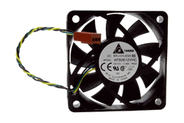
 |  |  |  |  |  |  | GND | GND
 |  |  |  |  |  |  | 12V | 12V
 |  |  |  |  |  |  | TACH | PA6
 |  |  |  |  |  |  | PWM | PA7

 |  |  |  |  |  |  | AFB0612VHC

