LOGIN
 |  | Standard | Silver | Gold | Platinum | Free
Avatar Sheba Adhiambo(Code) | Package cost | 4,500 | 10,500 | 20,500 | 50,000 | -
 | Earning per Game | 30 | 30 | 30 | 30 | 30
Dashboard | No of Games | 4 | 9 | 18 | 45 | 2
Upgrade | Daily Return | 120 | 270 | 540 | 1,350 | 60
 | Monthly Return | 3,600 | 8,100 | 16,200 | 40,500 | -
Profile Manager >Personal info >Bitcoin details | Earning from referral | 10 per game | 10 per game | 10 per game | 10 per game | 0 per game

Earn > Games |  | UPGRADE | UPGRADE | UPGRADE | UPGRADE | ACCESS TRIAL

Referrals >My referrals

DASHBOARD
Withdrawals >Withdraw Balance >Withdrawal history
BTC QR CODE
BTC QR CODE
BTC QR CODE
BTC QR CODE
Support >Create ticket >Support response
Logout

 | When the trial period expires and somebody logs in to their dashboard, bring a pop-up message saying "TRIAL EXPIRED" and show the "UPGRADE NOW" button that leads to the 4 options above

 | For a registered member, allow for upgrade to the next higher package by them paying the difference

 | Provide for a pop-up window during login that admin uses to communicate with the members

ACCOUNT
Avatar Sheba Adhiambo(Code)

Dashboard | Total Earnings $200 |  | Referal Earnings $30
Upgrade

Profile Manager >Personal info >Bitcoin details | Bonus Points 2340 |  | Account Level Standard
Earn(4) > Games(4)
 | Your referral link
Referrals >My referrals | https://walletquad.com/VP123 |  |  | Copy

Withdrawals >Withdraw Balance >Withdrawal history | Warning! Your account will expire in 7 day(s) on 27/10/2019. Upgrade your membership to keep your account active

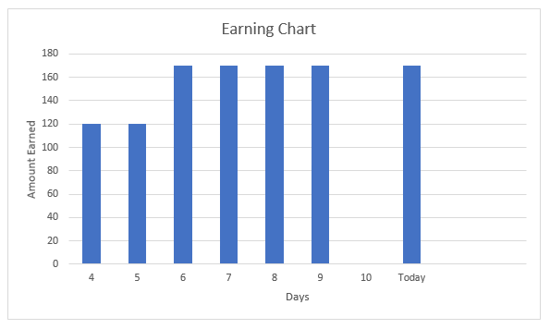
Support (1) >Create ticket >Support response (1) |  | UPGRADE NOW
Logout

 | Reminder! Your account is due for renewal on 30/12/2018. Re-activate your account on/before this day to continue earning

