Sheet1
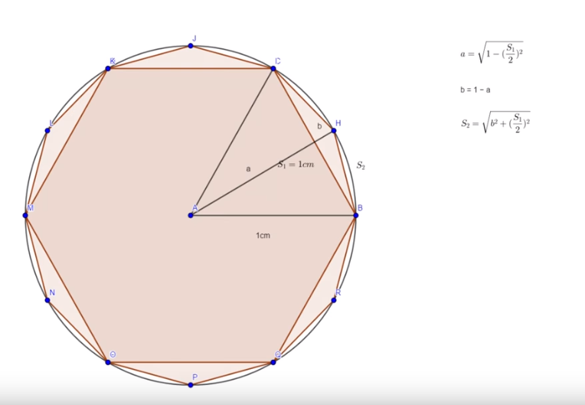
n | S | S/2 | a | b | nS | o | o/d
6 | 1 | 0.5 | 0.86602540378 | 0.13397459622 | 0.51763809021 | 6 | 3
12 | 0.51763809021 | 0.2588190451 | 0.96592582629 | 0.034074173711 | 0.26105238444 | 6.2116570825 | 3.1058285412
24 | 0.26105238444 | 0.13052619222 | 0.99144486137 | 0.0085551386262 | 0.13080625846 | 6.2652572266 | 3.1326286133
48 | 0.13080625846 | 0.06540312923 | 0.99785892324 | 0.0021410767614 | 0.065438165644 | 6.2787004061 | 3.139350203
96 | 0.065438165644 | 0.032719082822 | 0.99946458748 | 0.00053541252363 | 0.032723463253 | 6.2820639018 | 3.1410319509
192 | 0.032723463253 | 0.016361731626 | 0.99986613791 | 0.00013386209044 | 0.016362279208 | 6.2829049446 | 3.1414524723
384 | 0.016362279208 | 0.0081811396039 | 0.99996653392 | 3.3466082599E-05 | 0.0081812080525 | 6.2831152158 | 3.1415576079
768 | 0.0081812080525 | 0.0040906040262 | 0.99999163344 | 8.3665556494E-06 | 0.0040906125823 | 6.2831677843 | 3.1415838921

