Zadanie_1
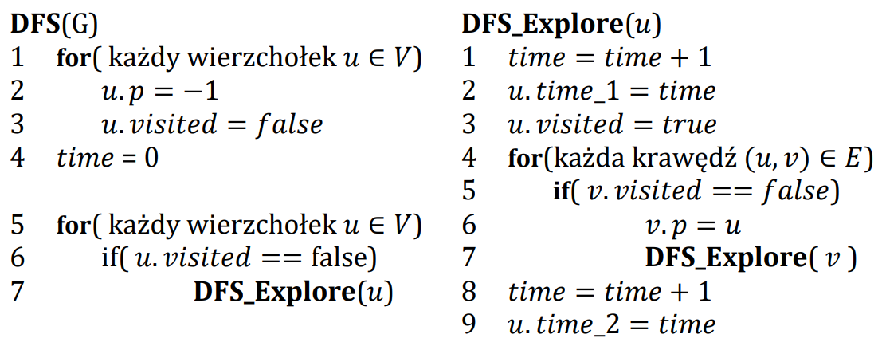
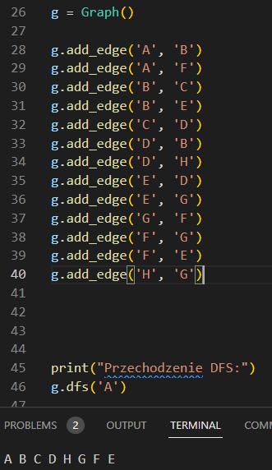
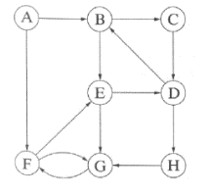

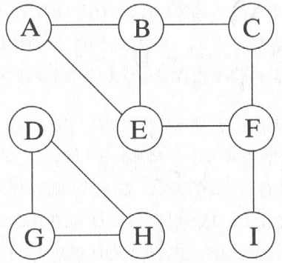
 |  |  |  |  | A | B | C | D | E | F | G | H | I
 |  |  |  | visited | true | true | true | true | true | true | true | true | true
 |  |  |  | p | -1 | A | B | -1 | F | C | D | G | F
 |  |  |  | time_1 | 1 | 2 | 3 | 13 | 5 | 4 | 14 | 15 | 8 |  | A | B | C | D | E | F | G | H | I
 |  |  |  | time_2 | 12 | 11 | 10 | 18 | 6 | 7 | 17 | 16 | 9 | visited | True | true | True | True | True | True | True | True
 |  |  |  |  |  |  |  |  |  |  |  |  |  | p | -1 | A | B | C | F | G | H | D
 |  |  |  |  |  |  |  |  |  |  |  |  |  | time_1 | 1 | 2 | 3 | 4 | 8 | 7 | 6 | 5
 |  |  |  |  |  |  |  |  |  |  |  |  |  | time_2 |  |  |  |  | 9
 | Ścieżki
A |  |  |  |  |  |  |  |  |  |  |  |  |  | Albo
B | A
C | B | A |  |  |  |  |  |  |  |  |  |  |  |  | A | B | C | D | E | F | G | H | I
D |  |  |  |  |  |  |  |  |  |  |  |  |  | visited | True | True | True | True | True | True | True | True
E | F | C | B | A |  |  |  |  |  |  |  |  |  | p | -1 | A | B | C | B | G | E | D
F | C | B | A |  |  |  |  |  |  |  |  |  |  | time_1 | 1 | 2 | 3 | 4 | 8 | 10 | 9 | 15
G | D |  |  |  |  |  |  |  |  |  |  |  |  | time_2 |  | 7 | 6 | 5, 14 | 13 | 11 | 12
H | G | D
I | F | C | B | A

