Default
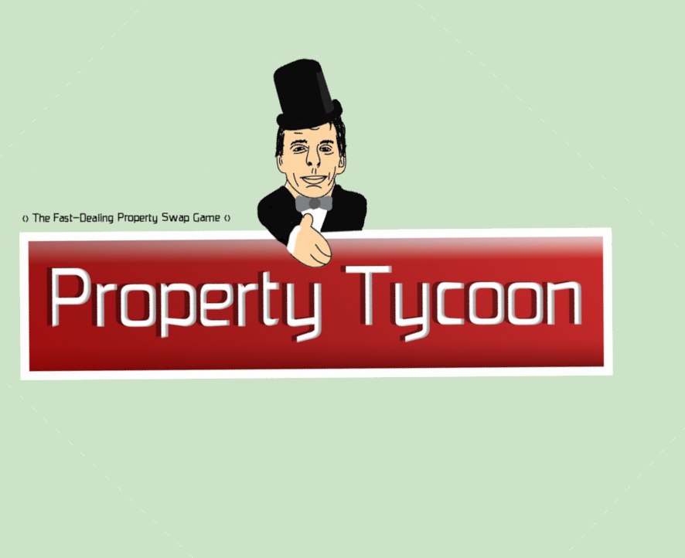
Property Tycoon board data

Pot luck card data
Description | Action
"You inherit £200" | Bank pays player £200
"You have won 2nd prize in a beauty contest, collect £50" | Bank pays player £50
"You are up the creek with no paddle - go back to the Old Creek" | Player token moves backwards to the Old Creek
"Student loan refund. Collect £20" | Bank pays player £20
"Bank error in your favour. Collect £200" | Bank pays player £200
"Pay bill for text books of £100" | Player pays £100 to the bank
"Mega late night taxi bill pay £50" | Player pays £50 to the bank
"Advance to go" | Player moves forwards to GO
"From sale of Bitcoin you get £50" | Bank pays player £50
"Bitcoin assets fall - pay off Bitcoin short fall" | Player pays £50 to the bank

"Pay a £10 fine or take opportunity knocks" | If fine paid, player puts £10 on free parking
"Pay insurance fee of £50" | Player puts £50 on free parking
"Savings bond matures, collect £100 | Bank pays £100 to the player
"Go to jail. Do not pass GO, do not collect £200" | As the card says
"Received interest on shares of £25" | Bank pays player £25
"It's your birthday. Collect £10 from each player" | Player receives £10 from each player
"Get out of jail free" | Retained by the player until needed. No resale or trade value

Opportunity knocks card data
Description | Action
"Bank pays you dividend of £50" | Bank pays player £50
"You have won a lip sync battle. Collect £100" | Bank pays player £100
"Advance to Turing Heights" | Player token moves forwards to Turing Heights
"Advance to Han Xin Gardens. If you pass GO, collect £200" | Player moves token
"Fined £15 for speeding" | Player puts £15 on free parking
"Pay university fees of £150" | Player pays £150 to the bank
"Take a trip to Hove station. If you pass GO collect £200" | Player moves token
"Loan matures, collect £150" | Bank pays £150 to the player
"You are assessed for repairs, £40/house, £115/hotel" | Player pays money to the bank
"Advance to GO" | Player moves token
"You are assessed for repairs, £25/house, £100/hotel" | Player pays money to the bank
"Go back 3 spaces" | Player moves token
"Advance to Skywalker Drive. If you pass GO collect £200" | Player moves token
"Go to jail. Do not pass GO, do not collect £200" | As the card says
"Drunk in charge of a hoverboard. Fine £30" | Player puts £20 on free parking
"Get out of jail free" | Retained by the player until needed. No resale or trade value

Custom
Property Tycoon board data

Pot luck card data
Description | Action

Opportunity knocks card data
Description | Action

Customise your own!

