Rotating-Drive
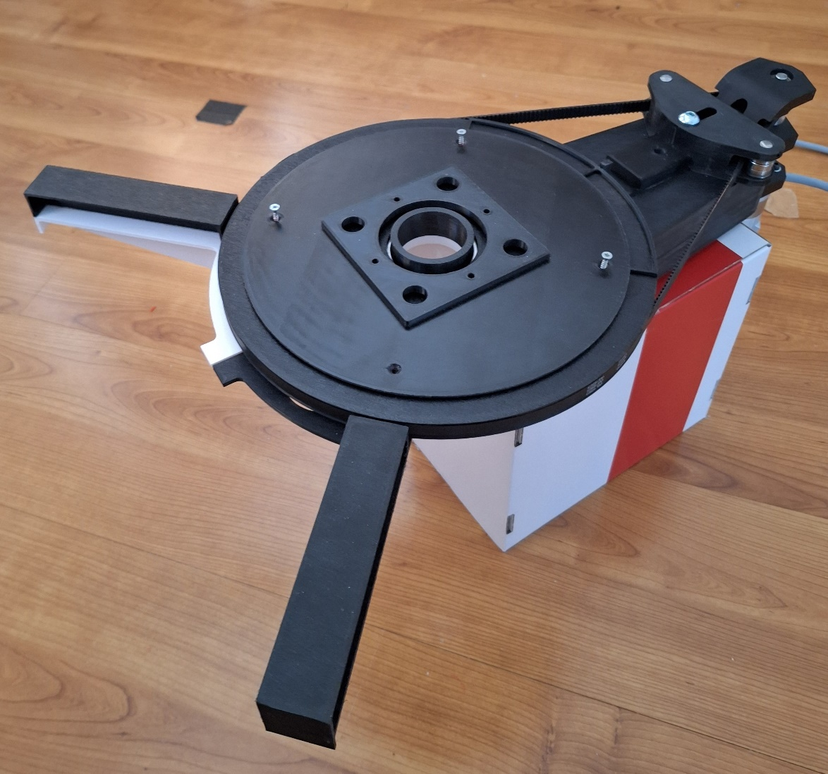
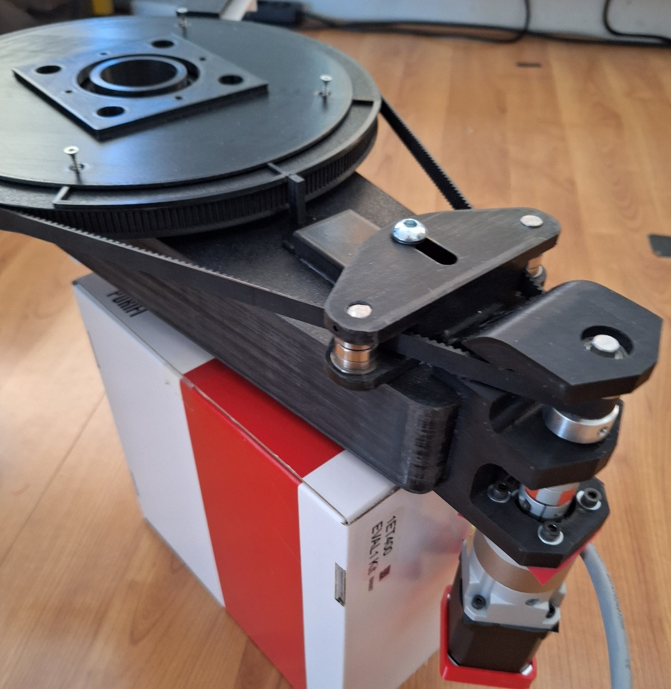
# | Decisions
RD001 | The rotating drive is the most difficult for me to determine the right motor reduction and sizing of belt etc on beforehand. Basically because i have little understanding of the stepper motor behaviour.
RD002 | So i made a proto and found that probable the reduction was not great enough for the motor used.
RD003 | So a second proto made and this one did rotate the test arm in a controllable way up to ~1 degree steps. Use of a reduction gearing of 10:1 plus HTD3M toothed belt and a 270:20 pulley ratio. Thus 135:1. With appropriate GRBL settings for acceleration and speed a 1 degree step is possible and a 180 degree sweep in ~ 9 seconds. Checklist C002, Done.
RD004 | Yet the proto also showed the need to control the belt tension as a rocking motion at start en stop of a step is direct result of not tight belt tensioning. So checklist C003. Done.
RD005 | Another issue is that all the belt lenth calculators i could access on the internet gave wrong results, very curious. But it means i have to device a calculator in Fusion 360 to satisfy the need. Checklist C004. Stopped, the https://www.dold-mechatronik.de/Zahnriemen provides a close enough ressult.
RD006 | The connection of the PHI-rotator on the tripod enhanced to be rocksolid stiff connected to tripod, including leaving room for fastening knob of tripod. Checklist C003, Done.
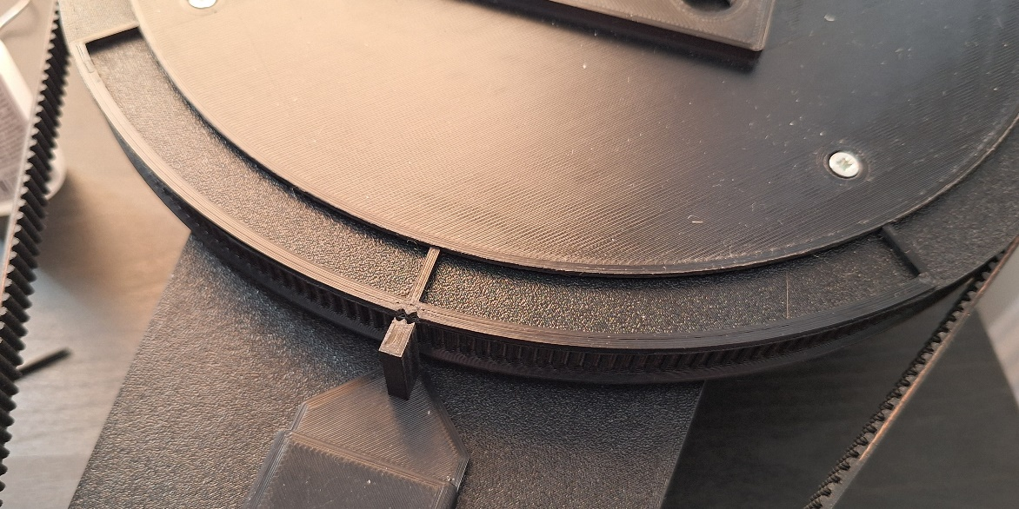
RD007 | For the drive to calculate the needed torque and speed/accel the formulation to be adapted. I have no feeling yet with the steppermotor behaviour incombination with GRBL settings. Checklist C007 For now i just use one of the strongest Nema17 size motor and a 10:1 reduction gear. It works very well!!
RD008 | The casing of the drive is also needed for supporting the cable spiral coming from the arm -assy and going into the foot. Checklist C013 I added 2 supports angled 45 degrees from central axis and on one support an endplate to block the cable-chain from moving too much. So far this works fine.
RD009 | The chassis as it is now suffices for the first working version of NFSROBOT. But will be replaced with a better dimensioning of belt-length > distance between centerlines and belt tensioners > Checklist C014
RD010 | Also a platform or rig is needed to guide the cable-chain spiral. For now 2 rigs are used.
RD011 | Belt length now is 1068 teeth (HTD3M) , The drive pully is now on separate axle(8mm) and motor connected via backlash free flex coupling. Therefore higher pretensioning is possible without overloading the reduction gear axle.The whole drive assy is adjustable and replacable if needed. The tensioning is by means of a sliding bracket as used on first chassis. Simply works very fine. For calibration purposes a small frame is added to the main pully , 1, 45, 90 degreemarks, and a Noniusscale is added to see the tolerance (theoretically 0.1 degree) | 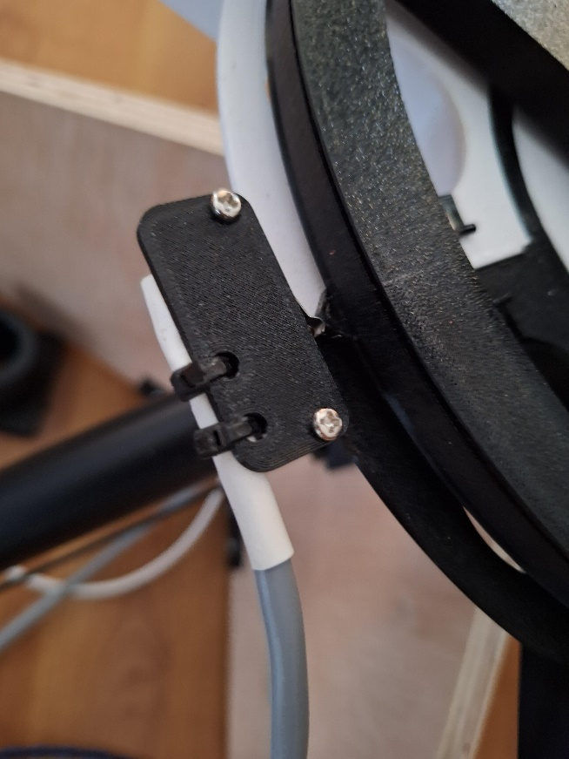
RD012 | When installed on NFSROBOT, need to calibrate and test > C024
RD013 | As motor the first choice is the 17HE24-2104S because of its initial high torque. But this also means that fast movement/rotation (Max Feedrate) is more limited than the 17HS24-2104S. See also tab Motors
RD014 | The PHI axis endstop (microswitch) mount is now made of a bracket with enough adjustment room to precisely place the "click".
RD015
RD016
RD017
RD018
RD019
RD020

