BASE; Foot & main axle
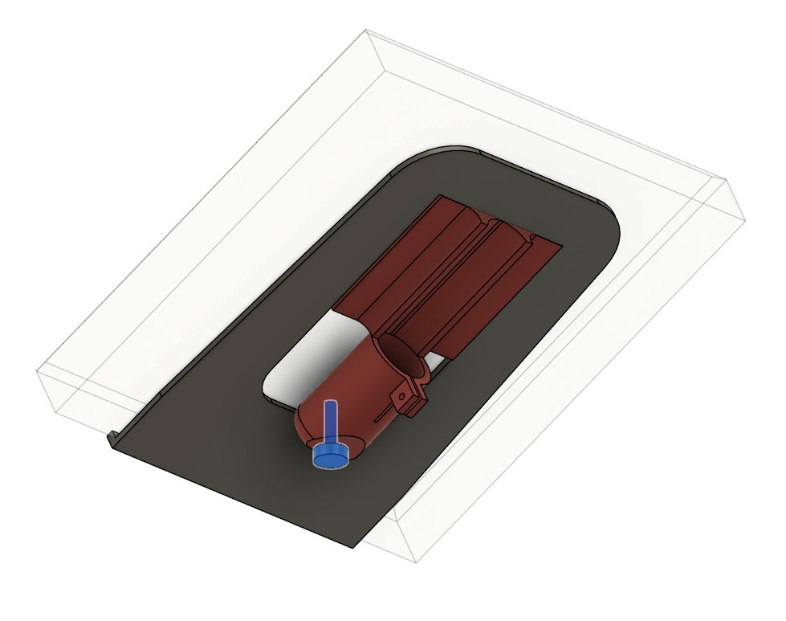
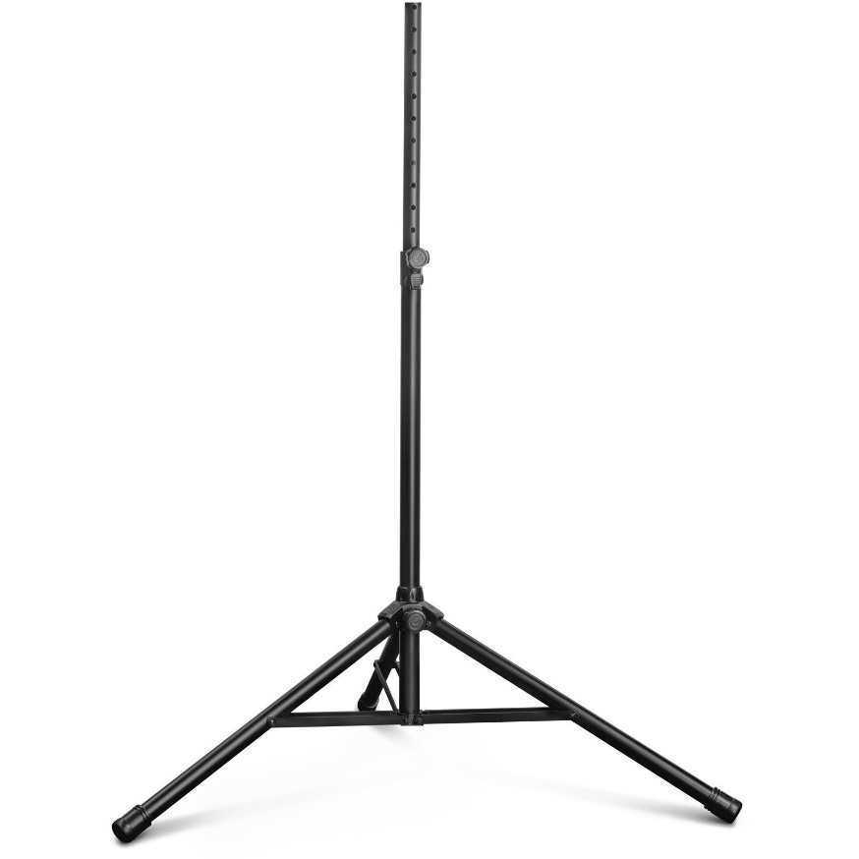
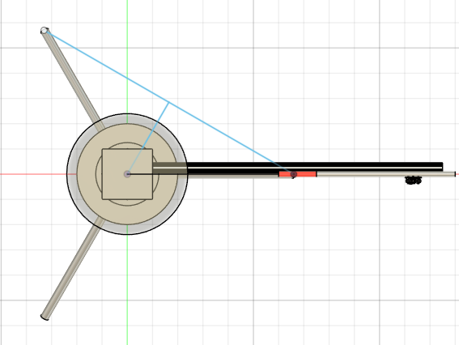
# | Decisions regarding the BASE of the HALS Mechatronics
Base001 | I choose the Gravity TSP 2512B, simply because of its robustness, large foot area, all components of metal and tubing of steel
Base002 | For the moment I only use the base tube of the central axis, its diameter is ~41.5mm . The extenstion tube is not used, it is also not very straight.
Base003 | Initial stability tests with proto show that over short axis tipping will happen. (330 vs 660mm). A wooden construction added to the design, Checklist C001. Done, I made a mountable construction of 3 plywood legs with 3D printed brackets to mount these to the low end of the pillar, and on the bottom end of the legs to join them. These legs will also be used to mount the power supply and the driver electronics. Basically is it now a HexaPod. Superseded, see Base011 and checklist C028
Base004 | The metal base connecting the 3 legs is also the part that holds securely the rotating device. It has a sort of collar. A digital model is made of this collar, so the central hub of the rotating drive fits over it. This model is now expanded a bit to provide more stiffness.
Base005 | The central pillar is hollow, and has a 15mm hole close to the top, in order to pass the loudspeaker cable through the hollow pillar near the bottom a hole is needed. ~15mm. Revised, the loudspeaker cable goes via the Stool into the central pillar, still need a hole in the bottom of the pillar.
Base006 | A loudspeakercable to add, type cordial CLS425 , a 4 core 2.5mm2 cable so 2 connections can be made. For me the connectors will be Neutrik Speakon. > Checklist C006 Addendum: For first working proto a 5m cable with bananaplugs is used.
Base007 | Stool for DUT A stool is designed and printed to put a DUT on, it is a 200x200mm square top. Upon request for somehow fix the DUT i included a fastening belt to secure DUT on stool. Checklist C008, done.
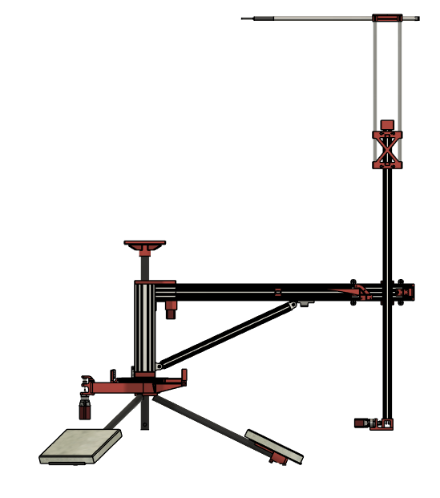
Base008 | The tripod legs at the end have a rubber cap, these are replaced by 3D printed caps holding a M8 leveling foot. For the M8 leveling screw, the M8 thread is cut in the 3D printed caps. To clamp the endcap a M4 bolt/nut is used
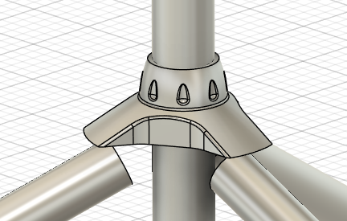
Base009 | The procedure for leveling needs to be written. > Checklist C031
Base010 | Rubber feet to raise the NFSROBOT a bit for Tom and to prevent sliding when touching > Checklist C019 Addendum: feet are too soft so dismissed. Need hard blocks , wood or similar if some raising is needed.
Base011 | Decided to add mass to the end of the tripod legs, as the wooden add-on legs after several assembly round showed too much play. And especially with the mic assy at end of arm it is clear that some mass is needed. The mass I decided for is ~6- 7 kg. Purchased tiles of 30x30x4cm = ~7kg > Checklist C028
Base012

