CSC; Cabling-Sizing-Config.
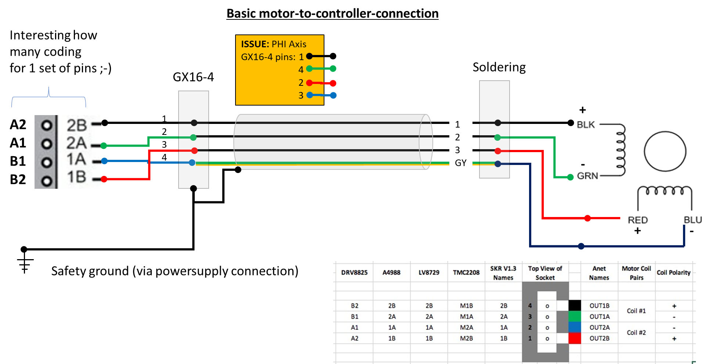
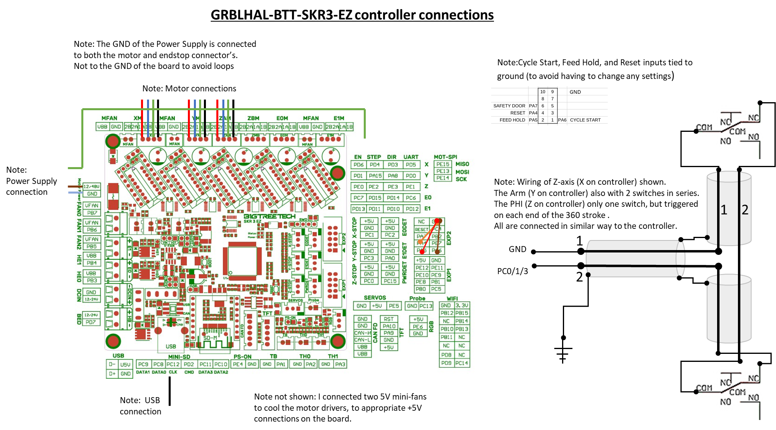
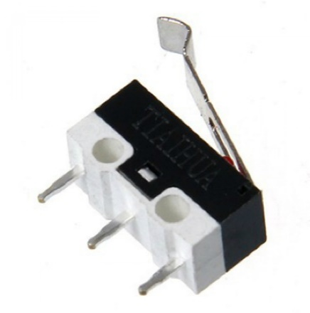
# | Decisions
CSC001 | Time to consider the sizing and configuration of cabling. Starting point: 1/ the BTT SKR3EZ with grblHAL firmware, so one central "box" 2/ Two endstops for Z and R connected in series, in NC (Normally Closed) configuration. One endstop for PHI also in NC configuration. 3/ Cabling for motors and endstops shielded to minimize interference with Mic cabling etc. The shields connected to safety ground (Dutch: Randaarde) 4/ Cable chain spiral on top of rotating drive to connect the cabling to foot, with rotation of at least 0 to 180 and 0 to -180 degree without issues. 5/ Loudspeaker cabling, a Cordial CLS425, part of BASE, length 7m. 6/ Mic cabling not closely together with motor/endstop cabling.
CSC002 | As the Z-axis assy as a main module is ment to be dismountable, on the gantry there is a junction with GX16-4 and GX12-2 connector (Plug and Chassis) are needed.
CSC003 | Mic cable length needed is 10m, plus tules for passing through tubing. With Neutrik XLR connectors, and the mic side slightly filed to fit through the Mic-beam interior diameter of ~ 20mm. This XLR then fixed with gaffer-tape around it to make it stick-fit.
CSC004 | For endstops cabling 2 x 0.5mm2 shielded, total of 15m, bending radius ~57 mm. See also table for length calculation. To connect the endstops with the calbe a rather long length is stripped and the wire twisted so smaller bending radii are possible. The shield is left to touch the alu profiles.
CSC005 | For the motor 4x0.75mm2 shielded , total of 11m bending radius ~75mm. To connect to motor a endcap is modelled to be 3D printed, to assure a firm mounting of calble to motor.
CSC006 | Cable chain for cabling from arm assy to foot. On top of drive casing, length ~ 1000 mm will do. I could get a 30x15mm (interior opening) cable chain. To keep the wiring sort of nica, I used foam pads to fill on the inside to keep the wires pressed againste the outside, so a more even bending occurs.
CSC007 | To bundle cabling of Z-axis along Arm, I have chosen for horizontal cablechain 20x10mm inside dimensions. It only involves the z-axis motor and endstop cabling. Note: Mic-cable not closely together with motor-endstop cabling. Checklist C010. Done I placed it on top of the cable chains mounted with velcro bands, so it can easily be dismounted, and keeps a bit of distance from the motor cabling.
CSC008 | Endcap (3D printed) for mounting the cable (4x0.75mm2 shielded) on the motors. Wires will be soldered. Done.
CSC009 | For connecting the wires to the controller (BTTSKR3EZ) the controller will be in a box, and the wires connected with GX12-2 and GX16-4 connectors. For dismounting in case of going to another location, the cables must be disconnectable from the controller.
CSC010 | The basic wiring per motor and per endstop is designed and mounted. I choose here to do a quick and not so tidy solution as getting the NFSROBOT tot work with Tom's software is priority now.
CSC011 | Design and print a 3D case for the controller and the three enstop pcb's.. To be mounted on the wooden extra-foot. Done
CSC012 | Design and print a cover for the meanwell powersupply connector end. The ps plus cover to be mounted in the wooden foot. Done
CSC013 | Design and print a cable junction box for the endstop and motor cabling of Z-Axis. Done
CSC014 | For the endstops I decided for micro-switches used in NC mode. The R (Y on controller) and Z (X on controller) have 2 endstops, the PHI(Z on controller) only 1!
CSC015 | Add and update pictures of the endstop config
CSC016 | Altered the motor connection schema to meet the specification as provided by the driver ;-)
CSC017 | Added a connection schema for power supply, motors, endstops, and additional wiring to the new controller: BTT SKR3 EZ plus TMC5160-Pro drivers with GRBLHAL firmware.
CSC018 | Mushy micro-switches, one cause is use of cyanoacrylate glue to mount these. The glue enters the body and hinders the internals. So glueing now with MS-Polymer. Checklist C027
CSC019 | As an alternative a 3D printable microswitch holder is designed. | Endstop cabling: 2x 0.25 (0.5)mm2 shielded in multiples of 1 m |  |  |  |  |  | https://www.elektramat.nl/
CSC020 | For the connectors I decided for GX16-4 for motor cabling, and GX12-2 for endstop cabling. Primarely for cost reasons, more modern alternatives are better but cost several times more. |  | Z-axis | R-axis | PHI-axis
CSC021 | Th shielding is connected to the connector (both plug and chassis) and in the controller the shielding is connected to safety ground of the 24V power supply. | Endstop to Endstop | 2.00 | 2.00 | 0.00 |  |  | Diameter = ~5,7mm
CSC022 | By accident I made an error in connecting the PHI-Axis cable to plug on controller side. In the drawing belwo this is noted as ISSUE. Do not copy ;-) | Axis to Cablechain | 2.00 | 1.00 | 0.00 |  |  | Min. toegestane buigradius flexibele toepassing/vrije beweging (mm) 57
CSC022 | As explained by the grblHAL support for the BTT SKR3 EZ , the pins for Cycle Start, Feed Hold and Reset are connected to ground. These are specific for CNC. A separate wiring scheme is shown below. | Cablechain to Controller | 2.00 | 2.00 | 2.00 |  |  | Min. toegestane buigradius stationaire toepassing/vast verlegd (mm) 29
CSC023 | A separate 3D model of the calbing harness is made to depict the cabling and cable chain assembling. Picture of the endstop connection etc will be added. | Totals | 6.00 | 5.00 | 2.00 | 13.00 | m
CS024 | The cabling of endstops fits in the slot of the V-Slot profiles, some gaffer tape or a piece of stripped outer sleeve can be used to keep it in place. |  |  | Incl. 2m extra |  | 15.00 | m | Helukabel F-CY-OZ 2x0.5mm² stuurstroomkabel afgeschermd

 |  | Motor cabling 4x0.75mm2 shielded in multiples of 1 m.
 |  |  | Z-axis | R-axis | PHI-axis
 |  | Motor to cablechain | 3.00 | 1.00 | 0.00 |  |  | Diameter = ~7,1mm
 |  | Cablechain to Controller | 2.00 | 2.00 | 0.00 |  |  | Min. toegestane buigradius flexibele toepassing/vrije beweging (mm) 71
 |  | Motor to Controller | 0.00 | 0.00 | 1.00 |  |  | Min. toegestane buigradius stationaire toepassing/vast verlegd (mm) 36
 |  | totals | 5.00 | 3.00 | 1.00 | 9.00 | m
 |  |  |  | Incl. 2m extra |  | 11.00 | m | Helukabel F-CY-JZ 4G0.75mm² stuurstroomkabel afgeschermd

