Hub-Arm-Assy
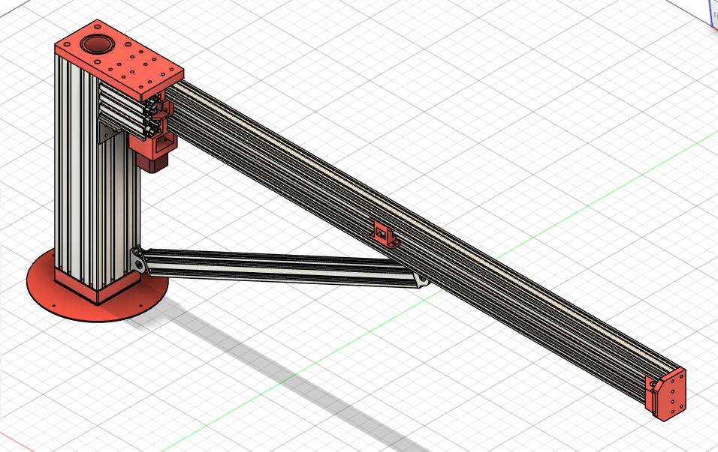
# | Decisions
AA001 | A torsional and bending stiff central hub that fits over the main pillar (41.5mm) and provides a good way to fix the bearing blocks, such that the whole is stiff. Also allows a stiff assembly of the arm to the hub. Result is a Alu profile of 100x100mm and 425mm long with slots for mounting the arm. Is indeed very stiff in bending and torsion.
AA002 | For the bearings I have chosen for deep-groove ball bearings with inner diameter of 50mm, and to 3D-print the bearing block and its hub so it fits somewhat tight over the main pillar. The lower bearing (6910 2RS - (50x72x12)) can handle a static force of over 1000kg. The upper bearing (6810 2RS - (50x65x7) can handle over 500kg static.
AA003 | The arm is a V-Slot C-beam 40x80mm, given its bending and torsional stiffness and still not too much weight (2 kg per meter). The length will be 1200mm, so 2.4kg. Simple stating bending check shows that the end moves less than 1mm under bending. See also AA013, a diagonal bracket added reducing the bending to negligable values.
AA004 | The brackets for mounting the arm stiff to the hub will be brackets as shown in the image. So physically stiff and robust. To be finalised when the linear actuator motor drive is designed. The current design is as depicted.
AA005 | The gantry for the Z-axis-assy, to position the 4 vslot wheels as wide as possible to reduce the effective forces on them as result of torsional loads. A vslot profile of 20x80 250mm long (0.2kg) plus wheels brackets bolts nuts rings, assumption total some 0.4kg. Checklist C005. Done
AA006 | The linear actuator for the arm, motor-drive, tensioning end, will be GT2 belt 9mm based. Checklist C005. Done.
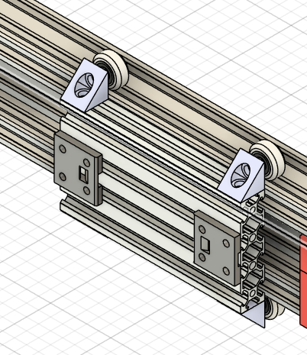
AA007 | The arm to move to top of hub. A big angular bracket at bottomside of arm. Means redesign of arm to hub connection. And also a support beam is added to further enhance the stiffness in vertical plane.
AA008 | The 3D printable parts for the R-axis linear actuator are designed. The belt is not straight anymore, but under angles to improve the tensioning. Including a belt support halfway in the arm. The adjustable belt tensioner is part of the gantry.
AA009 | For the cable management, the part where the cabling from the rotating part is passed on to the static foot, a cable chain is required that allows rotation of at least 180 degrees in both directions. This amounts to a cable chain of ~1.0m
AA010 | For the linear actuator drive I chose a 9mm GT2 belt, a 20t motor pulley, a guide pulley about 60% of the return side, and at the arm-end the tensioning. For the tensioning I use a pulley bracket that is adjustable with 2 bolts, so I can also align the pulley axis to keep the belt more or less in the middle of the pulley. The pulley bracket is made to allow a small rotation in vertical plane.
AA011 | The belt mounting bracket for mounting on the gantry is outcome of an iteration, this version is very stable and easy to mount. Also checked the internet for lessons learned, this version is in line with those lessons. Crucial is that the belt is normal to the end of the gantry, else it will give a belt mis-alignment at the motor and tensioner pulley's.
AA012 | The upper bearing is fully 3D printed, no custom aluminium plate in use. It works. In a next working version it will be slightly adjusted so it can be bolted with shoulder-screws to the Aluminium profile, should give a slightly stiffer mount. > Checklist C015
AA013 | To increase the total stiffness in vertical plane, a bracket is added (vslot20x40 profile). And an adjustment bolt also to adjust the angle of he arm relative to the hub.
AA014 | The Vslot wheels on the Gantry are mounted with a corner-bracket. Each wheel has an adjusting part to change the position of the wheel to remove play with the Arm. ALSO for vertical leveling of the Z-axis. This leveling will be an item for assembly procedures ;-) > Checklist C031
AA015 | Endstops at Arm end and at some 650mm from end to limit the gantry movement, and to allow a Homing procedure in GRBL. The inner endstop is to prevent the Z-axis motor to touch the hexapod feet.
AA016 | Cabling management for Arm and Z-Axis added for bothe motor and endstop cabling. Via a cable-chain wrapping around on top of the round plate at bottom of hub provides the Arm-Z cabling to be connected to the hexapod feet, yet provide a 0-360 rotation with 0 being on the backside of the NFSROBOT.
AA017 | The cabling for the Endstop has a GX12-2 connector , the motor cable a GX16-4 connector. The connector houses are used to connect the cable-shields ultimately to Gnd of the 24V powersupply Gnd.
AA018 | To support the cabling of motors and endstops, brackets are added. For the Z-axis a connector is added at the gantry to allow disassembly of Z-axis from Arm.
AA019 | Testing shows microphone cable does not pick-up noise from motor cabling. So mic-cable can be added to cablechain. Cablechain from gantry to hub need more support because of microphone cable being added. > Checklist C030
AA020 | Cable harnessing of Mic cable, and for power cable plus XLR cable through central axle for measuring active speakers > Cecklist C032
AA021 | Vibration tansmission from motorblock to frame can be blocked by thin (0.25mm, 0.50mm) elastic rubber sheets in joints. Done, It reduces the transmission. A gluestick to 'stick' the rubber to the motor helps in the assembly.
AA022
AA023
AA024
AA025
AA026
AA027
AA028
AA029
AA030
AA031
AA032

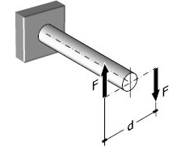

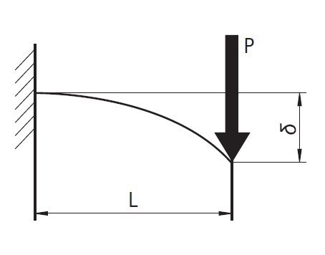
angle

