C2S (CONNECT-2-SOFTWARE)
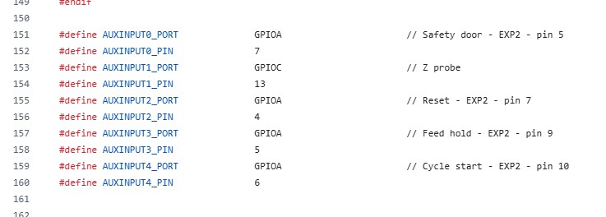
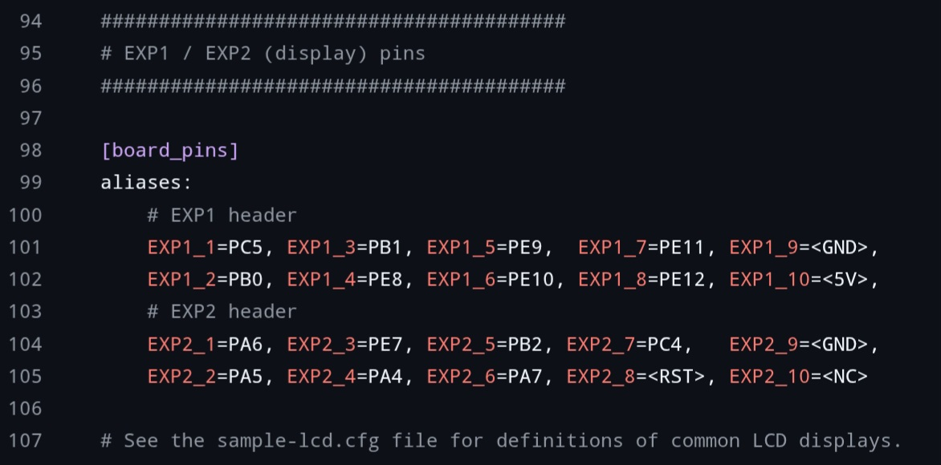
# | Decisions
C2S001 | The connecting zone between the mechatronics i am working on and the spatial measurementsoftware of Tom Kamphuys is in fact the tronic part of the mechatronics (Arduino-plus-CNCshield-plus-drivers-plus-powersupplies) and the software/firmware GRBL. This encompasses the PHI rotation, the X-Z plane (per PHI axis rotation), the limits like endstop, DUT, mechanical boundaries.
C2S002 | For me the UGS is used to test the tronics part. Requires configuration. For now i do not configure it, as it will not be part of the projected working solution.
C2S003 | Swapped Arduino platform for BTT SLR3EZ plus TMC5160Pro and with grblHAL as firmware. Functions as expected. Also required a new case to be printed.
CS004 | With BTT SKR3EZ redefine GRBL configurations like rate, etc. This is part of calibration. See also checklist C024, done
CS005 | The current "Tronics" part of the HALS Mechatronics is depicted below. Thusfar a very stable solution.
CS006 | For the GRBL settings configuration I chose IOSEnder given its grblHAL connection!!
CS007 | For the cabling, connectors etc see CSC (Cabling-Sizing-Config)
CS008 | In a dialog with Dresco https://github.com/grblHAL/core/issues/893#issuecomment-3796443140 The outcome: According to the schematic & the silk screen marker for pin#1, the numbering for the header should actually be; 10 9 GND 8 7 Safety Door PA7 6 5 RESET PA4 4 3 FEED HOLD PA5 2 1 PA6 Cycle Start Connect 1, 2, 4 to 9 (GND) I would work off the actual STM32 pins (PA4/5/6/7), and where they are shown in the user manual above. Cycle Start, Feed Hold, and Reset inputs tied to ground (to avoid having to change any settings)

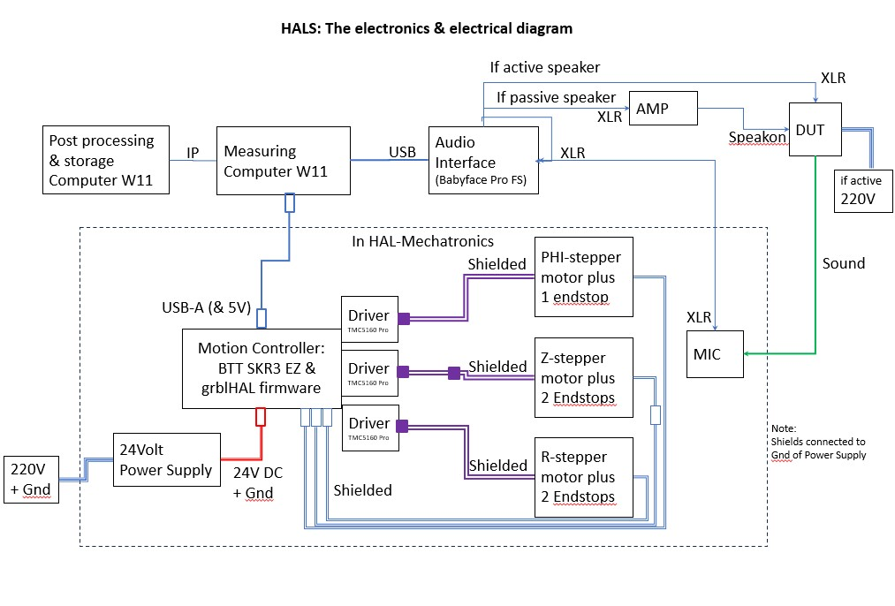

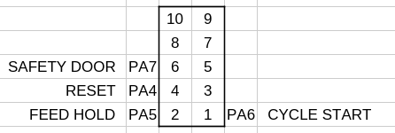
GND

