Motors
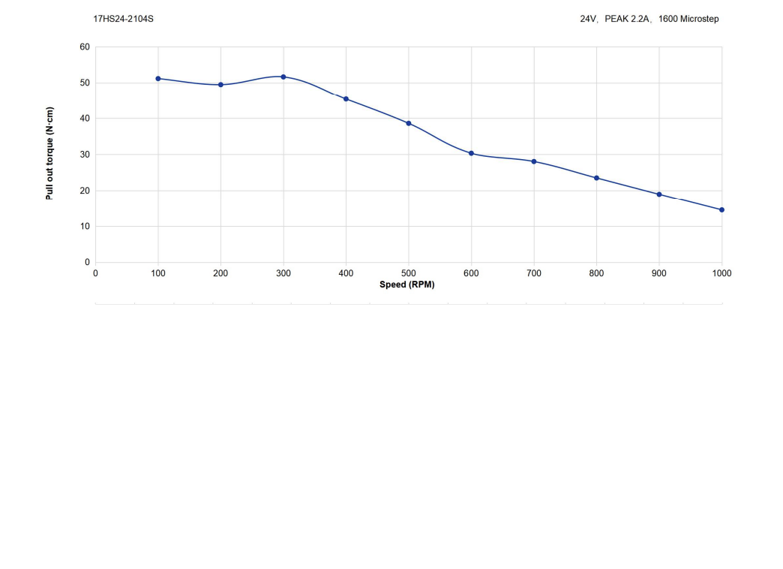
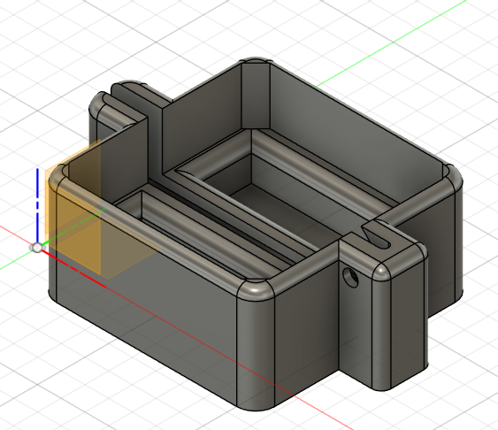
# | Decisions
Motors01 | Stick to NEMA17 size motors , be it the strongest I could find at OMC-StepperOnline.com. Note that I did not apply maximum current, but reduced to a point where the movements are still fine, yet less stand still (or Hold) generated noise/vibrations.
Motors02 | The 17HE24-2104S for the R-axis, is a direct drive via a GT2 pulley , for its higher torque at lower rpm
Motors03 | The 17HS24-2104S for the Z-axis and PHI-axis, as both use a reduction gear, thus higher rpm without much drop of torque. But for PHI the initial torque of the 17HE24-2104S is assumed the better choice given the short rotations, thus initial torque more important.
Motors04 | The endcaps for connecting shielded 4 lead cable is redesigned, the first version was too weak. > Checklist C029 Done
Motors05 | The reduction gears are: Model: EG17-G5 for Z-axis and Model: EG17-G10 for PHI rotation.
Motors06 | For Z-axis, the use of reduction gear to stop the gantry to drop when power is cut. A 5:1 reduction works fine, yet enough movement speed.
Motors07 | To reduce the transmission of motor vibrations during stand still I placed 0.25mm thin sheets of rubber between motor and its mount. To aid the assembly I used a regular glue stick to apply some sticking power to hold the thin rubber in place while mounting the motor with the bolts.

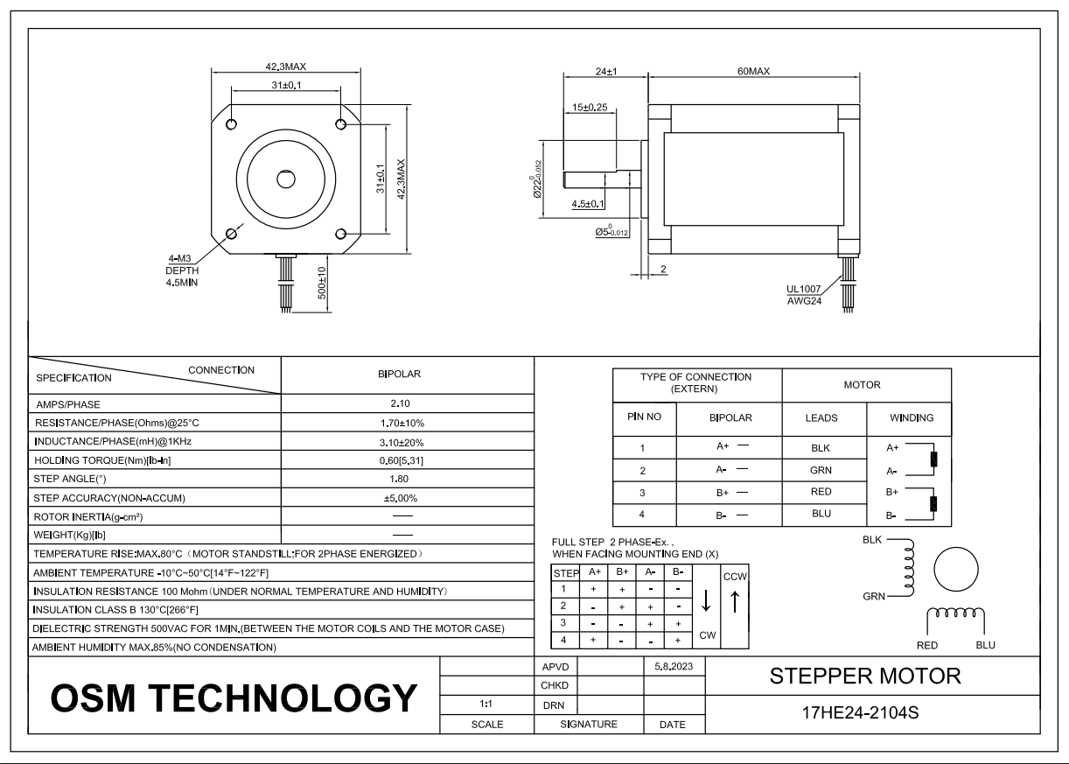

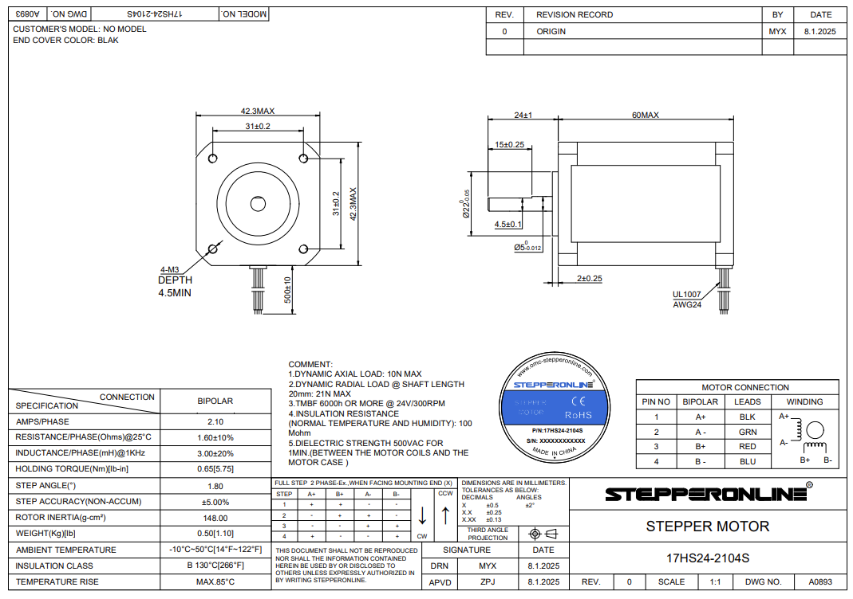

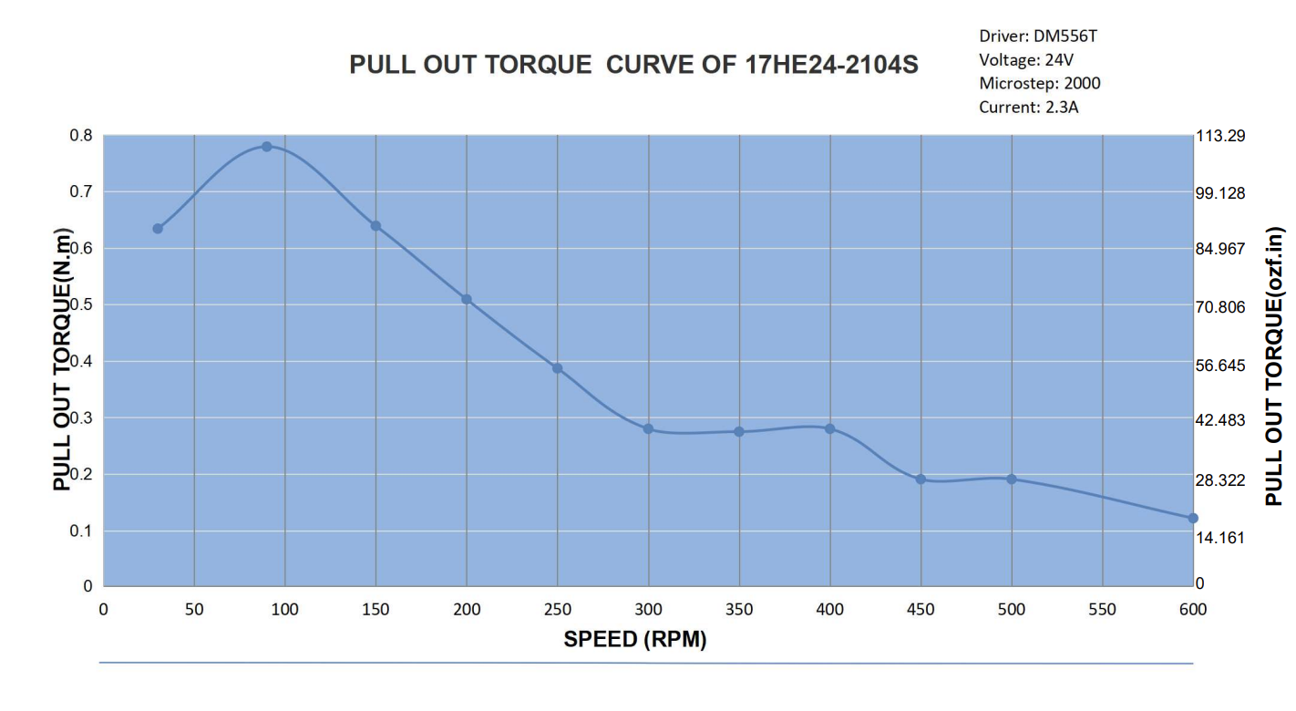
R(y)-axis
max RPM
Z(x) - AND -PHI(z)-axis
Max RPM range
17HS24-2104S Torque-curve

