CSC; Cabling-Sizing-Config.
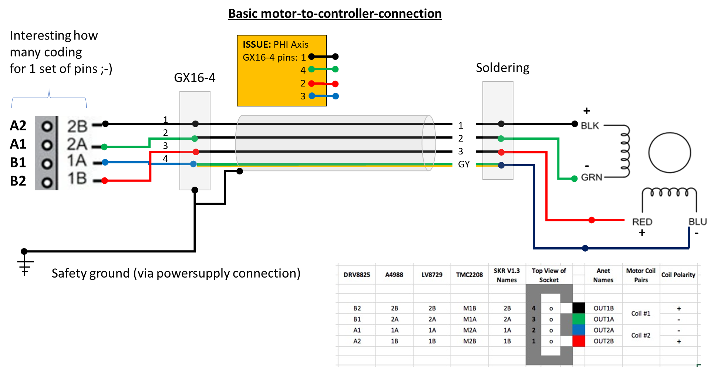
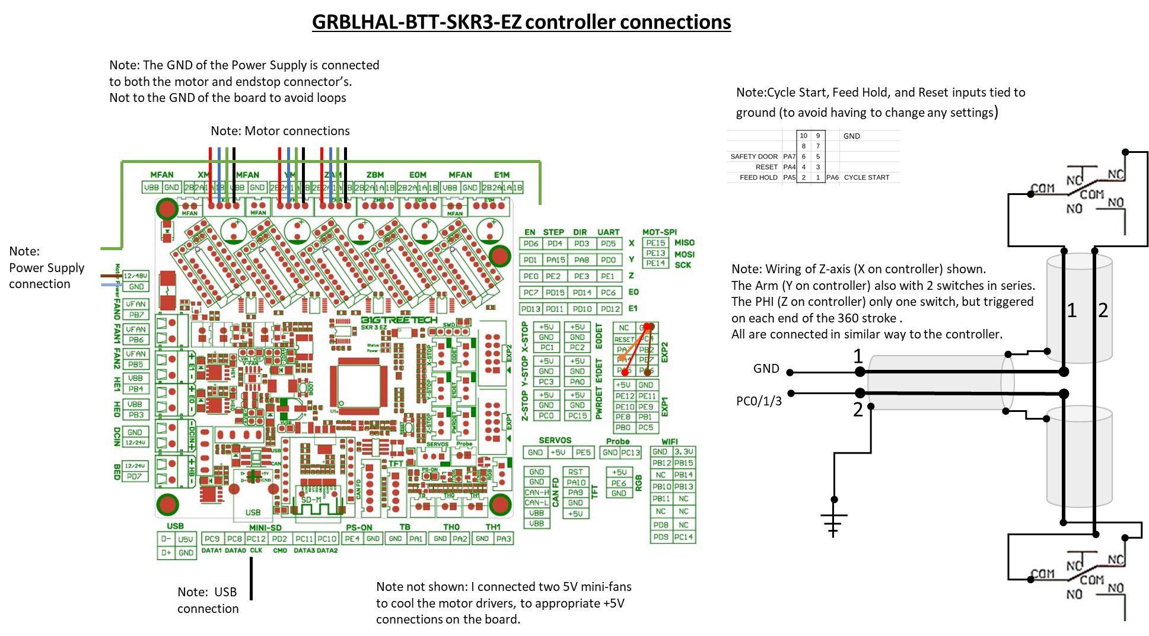
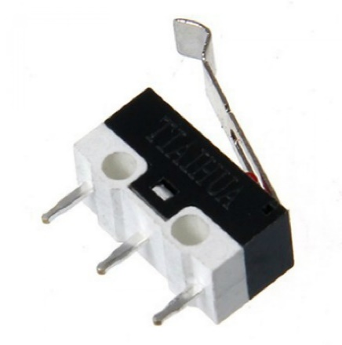
# | Decisions
CSC001 | Time to consider the sizing and configuration of cabling. Starting point: 1/ the BTT SKR3EZ with grblHAL firmware, so one central "box" 2/ Two endstops for Z and R connected in series, in NC (Normally Closed) configuration. One endstop for PHI also in NC configuration. 3/ Cabling for motors and endstops shielded to minimize interference with Mic cabling etc. The shields connected to safety ground (Dutch: Randaarde) 4/ Cable chain spiral on top of rotating drive to connect the cabling to foot, with rotation of at least 0 to 180 and 0 to -180 degree without issues. 5/ Loudspeaker cabling, a Cordial CLS425, part of BASE, length 7m. 6/ Mic cabling not closely together with motor/endstop cabling.
CSC002 | As the Z-axis assy as a main module is ment to be dismountable, on the gantry there is a junction with GX16-4 and GX12-2 connector (Plug and Chassis) are needed.
CSC003 | Mic cable length needed is 10m, plus tules for passing through tubing. With Neutrik XLR connectors, and the mic side slightly filed to fit through the Mic-beam interior diameter of ~ 20mm. This XLR then fixed with gaffer-tape around it to make it stick-fit.
CSC004 | For endstops cabling 2 x 0.5mm2 shielded, total of 15m, bending radius ~57 mm. See also table for length calculation. To connect the endstops with the calbe a rather long length is stripped and the wire twisted so smaller bending radii are possible. The shield is left to touch the alu profiles.
CSC005 | For the motor 4x0.75mm2 shielded , total of 11m bending radius ~75mm. To connect to motor a endcap is modelled to be 3D printed, to assure a firm mounting of calble to motor.
CSC006 | Cable chain for cabling from arm assy to foot. On top of drive casing, length ~ 1000 mm will do. I could get a 30x15mm (interior opening) cable chain. To keep the wiring sort of nica, I used foam pads to fill on the inside to keep the wires pressed againste the outside, so a more even bending occurs.
CSC007 | To bundle cabling of Z-axis along Arm, I have chosen for horizontal cablechain 20x10mm inside dimensions. It only involves the z-axis motor and endstop cabling. Note: Mic-cable not closely together with motor-endstop cabling. Checklist C010. Done I placed it on top of the cable chains mounted with velcro bands, so it can easily be dismounted, and keeps a bit of distance from the motor cabling.
CSC008 | Endcap (3D printed) for mounting the cable (4x0.75mm2 shielded) on the motors. Wires will be soldered. Done.
CSC009 | For connecting the wires to the controller (BTTSKR3EZ) the controller will be in a box, and the wires connected with GX12-2 and GX16-4 connectors. For dismounting in case of going to another location, the cables must be disconnectable from the controller.
CSC010 | The basic wiring per motor and per endstop is designed and mounted. I choose here to do a quick and not so tidy solution as getting the NFSROBOT tot work with Tom's software is priority now.
CSC011 | Design and print a 3D case for the controller and the three enstop pcb's.. To be mounted on the wooden extra-foot. Done
CSC012 | Design and print a cover for the meanwell powersupply connector end. The ps plus cover to be mounted in the wooden foot. Done
CSC013 | Design and print a cable junction box for the endstop and motor cabling of Z-Axis. Done
CSC014 | For the endstops I decided for micro-switches used in NC mode. The R (Y on controller) and Z (X on controller) have 2 endstops, the PHI(Z on controller) only 1!
CSC015 | Add and update pictures of the endstop config
CSC016 | Altered the motor connection schema to meet the specification as provided by the driver ;-)
CSC017 | Added a connection schema for power supply, motors, endstops, and additional wiring to the new controller: BTT SKR3 EZ plus TMC5160-Pro drivers with GRBLHAL firmware.
CSC018 | Mushy micro-switches, one cause is use of cyanoacrylate glue to mount these. The glue enters the body and hinders the internals. So glueing now with MS-Polymer. Checklist C027
CSC019 | As an alternative a 3D printable microswitch holder is designed. | Endstop cabling: 2x 0.25 (0.5)mm2 shielded in multiples of 1 m |  |  |  |  |  | https://www.elektramat.nl/
CSC020 | For the connectors I decided for GX16-4 for motor cabling, and GX12-2 for endstop cabling. Primarely for cost reasons, more modern alternatives are better but cost several times more. |  | Z-axis | R-axis | PHI-axis
CSC021 | Th shielding is connected to the connector (both plug and chassis) and in the controller the shielding is connected to safety ground of the 24V power supply. | Endstop to Endstop | 2.00 | 2.00 | 0.00 |  |  | Diameter = ~5,7mm
CSC022 | By accident I made an error in connecting the PHI-Axis cable to plug on controller side. In the drawing belwo this is noted as ISSUE. Do not copy ;-) | Axis to Cablechain | 2.00 | 1.00 | 0.00 |  |  | Min. toegestane buigradius flexibele toepassing/vrije beweging (mm) 57
CSC022 | As explained by the grblHAL support for the BTT SKR3 EZ , the pins for Cycle Start, Feed Hold and Reset are connected to ground. These are specific for CNC. A separate wiring scheme is shown below. | Cablechain to Controller | 2.00 | 2.00 | 2.00 |  |  | Min. toegestane buigradius stationaire toepassing/vast verlegd (mm) 29
CSC023 | A separate 3D model of the calbing harness is made to depict the cabling and cable chain assembling. Picture of the endstop connection etc will be added. The stripped parts of the cables is not shown in 3D. | Totals | 6.00 | 5.00 | 2.00 | 13.00 | m
CS024 | The cabling of endstops fits in the slot of the V-Slot profiles, some gaffer tape or a piece of stripped outer sleeve can be used to keep it in place. |  |  | Incl. 2m extra |  | 15.00 | m | Helukabel F-CY-OZ 2x0.5mm² stuurstroomkabel afgeschermd

 |  | Motor cabling 4x0.75mm2 shielded in multiples of 1 m.
 |  |  | Z-axis | R-axis | PHI-axis
 |  | Motor to cablechain | 3.00 | 1.00 | 0.00 |  |  | Diameter = ~7,1mm
 |  | Cablechain to Controller | 2.00 | 2.00 | 0.00 |  |  | Min. toegestane buigradius flexibele toepassing/vrije beweging (mm) 71
 |  | Motor to Controller | 0.00 | 0.00 | 1.00 |  |  | Min. toegestane buigradius stationaire toepassing/vast verlegd (mm) 36
 |  | totals | 5.00 | 3.00 | 1.00 | 9.00 | m
 |  |  |  | Incl. 2m extra |  | 11.00 | m | Helukabel F-CY-JZ 4G0.75mm² stuurstroomkabel afgeschermd

