ReportNew
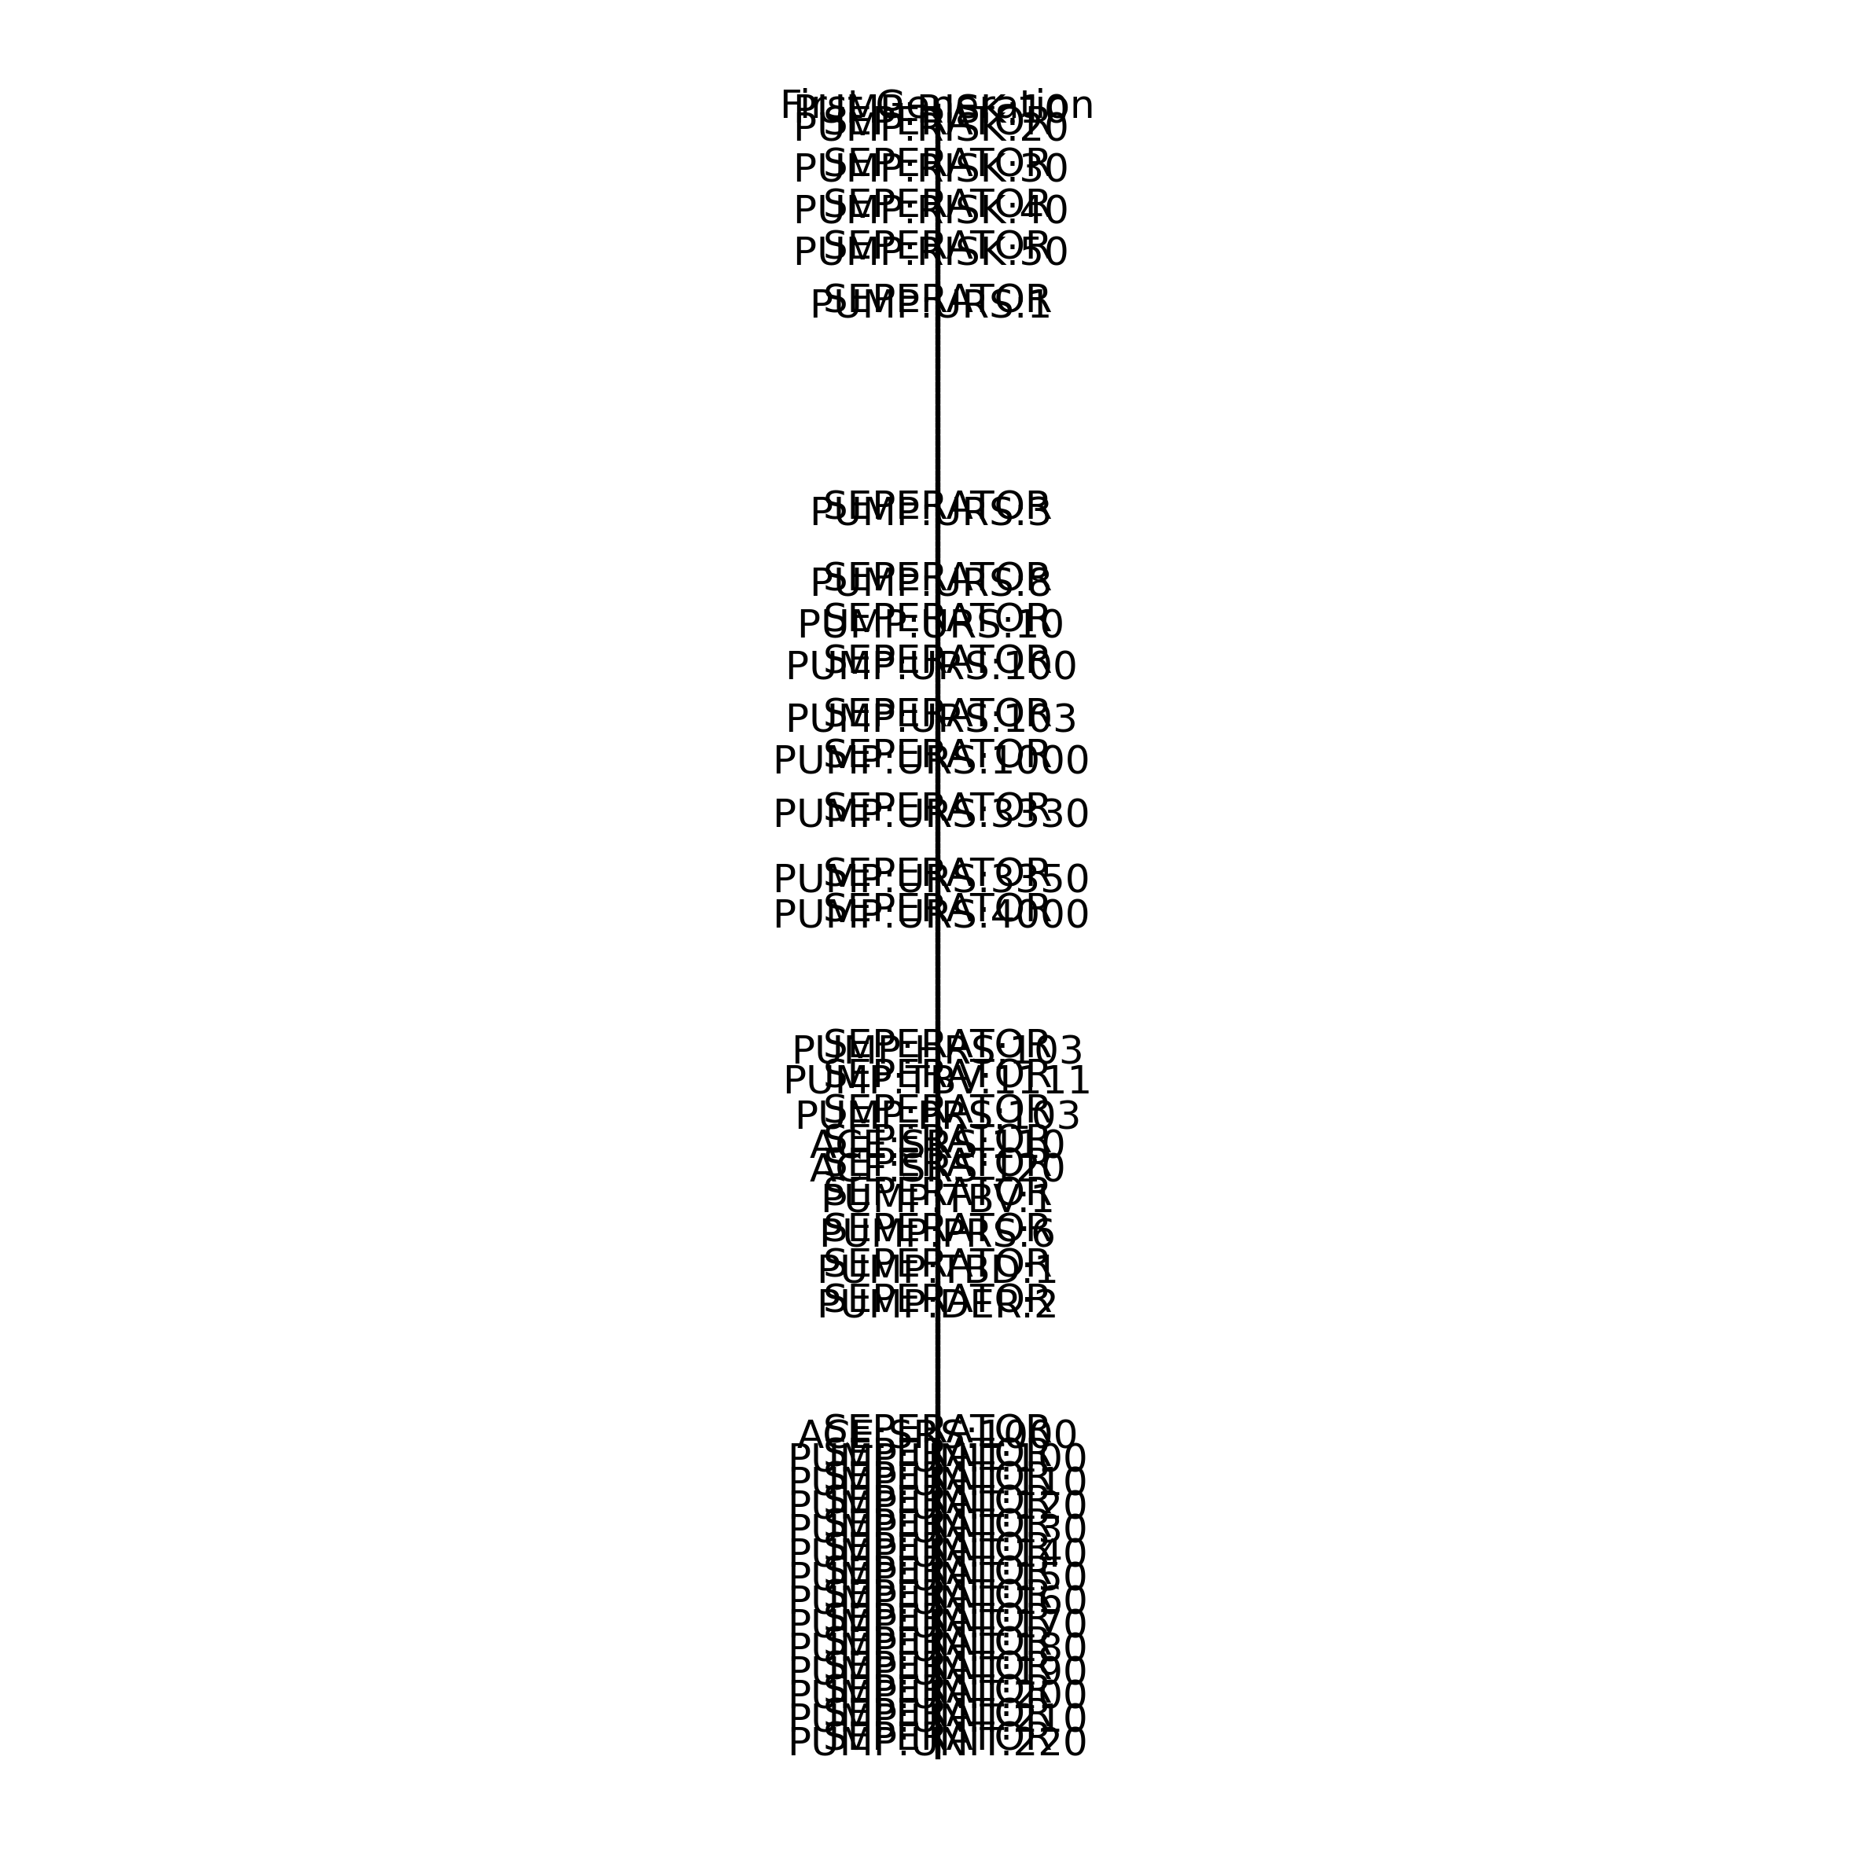
First Generation | Second Generation | Third Generation | Fourth Generation | Fifth Generation | Sixth Generation | Seventh Generation
PUMP:RISK:10
 | PUMP:PRS:2
SEPERATOR
PUMP:RISK:20
 | PUMP:PRS:3
 |  | BOLUS:SRS:6
 |  |  | PUMP:SDS:10
 |  |  | PUMP:SVAL:100
 |  |  |  | PUMP:SVATR:100
SEPERATOR
PUMP:RISK:30
 | PUMP:PRS:8
 |  | BOLUS:SRS:12
 |  |  | PUMP:SDS:10
 |  |  | PUMP:SVAL:400
 |  |  |  | PUMP:SVATR:400
SEPERATOR
PUMP:RISK:40
 | PUMP:PRS:105
 |  | ACE:SRS:100
 |  |  | PUMP:SDS:70
 |  |  | PUMP:SVAL:300
 |  |  |  | PUMP:SVATR:300
SEPERATOR
PUMP:RISK:50
 | PUMP:PRS:1000
 |  | PUMP:HRS:1000
 |  |  | PUMP:HRD:1000
 |  |  |  | PUMP:HTP:1300
 |  |  |  |  | PUMP:HTR:1300
 |  |  | PUMP:HTP:300
 |  |  |  | PUMP:HTR:300
SEPERATOR
PUMP:URS:1
 | PUMP:PRS:1
 |  | ACE:SRS:1
 |  |  | PUMP:SDS:10
 |  |  | PUMP:SVAL:100
 |  |  |  | PUMP:SVATR:100
 |  | ACE:SRS:2
 |  |  | PUMP:SDS:20
 |  |  | PUMP:SVAL:200
 |  |  |  | PUMP:SVATR:200
 |  | BOLUS:SRS:1
 |  |  | PUMP:SDS:10
 |  |  | PUMP:SVAL:100
 |  |  |  | PUMP:SVATR:100
 |  | BOLUS:SRS:2
 |  |  | PUMP:SDS:10
 |  |  | PUMP:SVAL:100
 |  |  |  | PUMP:SVATR:100
 |  | BOLUS:SRS:5
 |  |  | PUMP:SDS:10
 |  |  | PUMP:SVAL:100
 |  |  |  | PUMP:SVATR:100
 |  | BOLUS:SRS:6
 |  |  | PUMP:SDS:10
 |  |  | PUMP:SVAL:100
 |  |  |  | PUMP:SVATR:100
 |  | BOLUS:SRS:8
 |  |  | PUMP:SDS:10
 |  |  | PUMP:SVAL:100
 |  |  |  | PUMP:SVATR:100
 |  | BOLUS:SRS:12
 |  |  | PUMP:SDS:10
 |  |  | PUMP:SVAL:400
 |  |  |  | PUMP:SVATR:400
SEPERATOR
PUMP:URS:3
 | PUMP:PRS:4
 | PUMP:PRS:5
 |  | ACE:SRS:5
 |  |  | PUMP:SDS:10
 |  |  | PUMP:SVAL:100
 |  |  |  | PUMP:SVATR:100
 |  | BOLUS:SRS:5
 |  |  | PUMP:SDS:10
 |  |  | PUMP:SVAL:100
 |  |  |  | PUMP:SVATR:100
SEPERATOR
PUMP:URS:8
 | PUMP:PRS:8
 |  | BOLUS:SRS:12
 |  |  | PUMP:SDS:10
 |  |  | PUMP:SVAL:400
 |  |  |  | PUMP:SVATR:400
SEPERATOR
PUMP:URS:10
 | PUMP:PRS:10
 |  | ACE:SRS:10
 |  |  | PUMP:SDS:60
 |  |  | PUMP:SVAL:300
 |  |  |  | PUMP:SVATR:300
SEPERATOR
PUMP:URS:100
 | PUMP:PRS:100
 |  | PUMP:HRS:100
 |  |  | PUMP:HRD:100
 |  |  |  | PUMP:HTP:1100
 |  |  |  |  | PUMP:HTR:1100
 |  |  | PUMP:HTP:100
 |  |  |  | PUMP:HTR:100
SEPERATOR
PUMP:URS:103
 | PUMP:PRS:105
 |  | ACE:SRS:100
 |  |  | PUMP:SDS:70
 |  |  | PUMP:SVAL:300
 |  |  |  | PUMP:SVATR:300
SEPERATOR
PUMP:URS:1000
 | PUMP:PRS:1000
 |  | PUMP:HRS:1000
 |  |  | PUMP:HRD:1000
 |  |  |  | PUMP:HTP:1300
 |  |  |  |  | PUMP:HTR:1300
 |  |  | PUMP:HTP:300
 |  |  |  | PUMP:HTR:300
SEPERATOR
PUMP:URS:3330
 | PUMP:PRS:3330
 |  | PUMP:HRS:3330
 |  |  | PUMP:HRD:3330
 |  |  |  | PUMP:HTP:1400
 |  |  |  |  | PUMP:HTR:1400
 |  |  | PUMP:HTP:400
 |  |  |  | PUMP:HTR:400
 |  | PUMP:HRS:3340
 | PUMP:PRS:3340
SEPERATOR
PUMP:URS:3350
 | PUMP:PRS:3350
 |  | PUMP:HRS:3350
 |  |  | PUMP:HTP:500
 |  |  |  | PUMP:HTR:500
SEPERATOR
PUMP:URS:4000
 | PUMP:PRS:4000
 |  | AID:SRS:1
 |  |  | PUMP:SDS:30
 |  |  | PUMP:SVAL:500
 |  |  |  | PUMP:SVATR:500
 |  | AID:SRS:2
 |  |  | PUMP:SDS:30
 |  |  | PUMP:SVAL:500
 |  |  |  | PUMP:SVATR:500
 |  | AID:SRS:10
 |  |  | PUMP:SDS:30
 |  |  | PUMP:SVAL:500
 |  |  |  | PUMP:SVATR:500
 |  | AID:SRS:12
 |  |  | PUMP:SDS:30
 |  |  | PUMP:SVAL:500
 |  |  |  | PUMP:SVATR:500
 |  | AID:SRS:20
 |  |  | PUMP:SDS:30
 |  |  | PUMP:SVAL:500
 |  |  |  | PUMP:SVATR:500
SEPERATOR
PUMP:HRS:103
 | PUMP:HRD:105
 |  | PUMP:HTP:1200
 |  |  | PUMP:HTR:1200
SEPERATOR
PUMP:TBV:1111
 | PUMP:HRD:3350
 |  | PUMP:HTP:1500
 |  |  | PUMP:HTR:1500
 | PUMP:HRD:0000
SEPERATOR
PUMP:PRS:103
 | PUMP:HRS:105
 |  | PUMP:HTP:200
 |  |  | PUMPHTR:200
SEPERATOR
ACE:SRS:110
 | PUMP:SDS:40
 | PUMP:SDS:50
SEPERATOR
ACE:SRS:120
 | PUMP:SDS:40
 | PUMP:SVAL:300
 |  | PUMP:SVATR:300
SEPERATOR
PUMP:TBV:1
 | ACE:SRS:1
 |  | PUMP:SDS:10
 |  | PUMP:SVAL:100
 |  |  | PUMP:SVATR:100
SEPERATOR
PUMP:PRS:6
 | ACE:SRS:6
 |  | PUMP:SDS:10
 |  | PUMP:SVAL:100
 |  |  | PUMP:SVATR:100
SEPERATOR
PUMP:TBD:1
 | BOLUS:SRS:2
 |  | PUMP:SDS:10
 |  | PUMP:SVAL:100
 |  |  | PUMP:SVATR:100
SEPERATOR
PUMP:DER:2
 | AID:SRS:1
 |  | PUMP:SDS:30
 |  | PUMP:SVAL:500
 |  |  | PUMP:SVATR:500
 | AID:SRS:2
 |  | PUMP:SDS:30
 |  | PUMP:SVAL:500
 |  |  | PUMP:SVATR:500
 | AID:SRS:10
 |  | PUMP:SDS:30
 |  | PUMP:SVAL:500
 |  |  | PUMP:SVATR:500
 | AID:SRS:12
 |  | PUMP:SDS:30
 |  | PUMP:SVAL:500
 |  |  | PUMP:SVATR:500
 | AID:SRS:20
 |  | PUMP:SDS:30
 |  | PUMP:SVAL:500
 |  |  | PUMP:SVATR:500
SEPERATOR
ACE:SRS:1000
 | PUMP:SVAL:300
 |  | PUMP:SVATR:300
SEPERATOR
PUMP:UNIT:100
 | PUMP:UT:100
 | PUMP:INS:100
SEPERATOR
PUMP:UNIT:110
 | PUMP:UT:110
 | PUMP:INS:110
SEPERATOR
PUMP:UNIT:120
 | PUMP:UT:120
 | PUMP:INS:120
SEPERATOR
PUMP:UNIT:130
 | PUMP:UT:130
 | PUMP:INS:130
SEPERATOR
PUMP:UNIT:140
 | PUMP:UT:140
 | PUMP:INS:140
SEPERATOR
PUMP:UNIT:150
 | PUMP:UT:150
 | PUMP:INS:150
SEPERATOR
PUMP:UNIT:160
 | PUMP:UT:160
 | PUMP:INS:160
SEPERATOR
PUMP:UNIT:170
 | PUMP:UT:170
 | PUMP:INS:170
SEPERATOR
PUMP:UNIT:180
 | PUMP:UT:180
 | PUMP:INS:180
SEPERATOR
PUMP:UNIT:190
 | PUMP:UT:190
 | PUMP:INS:190
SEPERATOR
PUMP:UNIT:200
 | PUMP:UT:200
 | PUMP:INS:200
SEPERATOR
PUMP:UNIT:210
 | PUMP:UT:210
 | PUMP:INS:210
SEPERATOR
PUMP:UNIT:220
 | PUMP:UT:220
 | PUMP:INS:220

