SPARK-Sameer
RDD | get partitions method

configurations settings order | default, files, spark-submit, SC object

spark master, worker, jobs | 7077, 7081, 4040

Executor thread stack trace/jstack | used to find hotspots

spark-defaults.conf | spark.executor.memory | 4gb
 | spark.dynamicAllocation.enabled | TRUE
 | spark.shuffle.service.enabled | TRUE
 | spark.dynamicAllocation.minExecutors | 2 | UNUSED - spark.dynamicAllocation.sustainedschedulerbacklogtimeout and spark.dynamicAllocation.schedulerbacklogtimeout
 | spark.dynamicAllocation.maxExecutors | 30
 | #spark.executor.instances |  | Whats Default? Noticed in a job it was 15 | is this same as SPARK_WORKER_INSTANCES in standalone mode?
 | spark.network.timeout | 600s
 | #spark.executor.heartbeatInterval

spark-env.sh | SPARK_DAEMON_MEMORY | 4gb | Memory to allocate SPARK master and worker daemons in STANDALONE mode , but what is it used for in YARN? May be APPMASTER, RM, and NM? | SPARK_Daemon_MEMORY was also in STANDALONE mode
 | SPARK_WORKER_MEMORY | 16gb | Memory that the WORKER can give out to Executors | SPARK_WORKER_MEMORY was also in STANDALONE mode
 | SPARK_HOME=/opt/mapr/spark/spark-2.2.1
 | SPARK_WORKER_DIR=$SPARK_HOME/tmp | /opt/mapr/spark/spark-2.2.1/tmp
 | MAPR_SPARK_CLASSPATH="$MAPR_HADOOP_CLASSPATH"

 | SPARK_EXECUTOR_CORES | 1 | default - not set | Is this same as SPARK_WORKER_CORES which is the number of cores that the worker can use to start Executors?
 | SPARK_EXECUTOR_MEMORY | 1gb | default - not set here, but its set to 4GB in the defaults.conf | Out of this 60% --> Cached RDDS, 20% - Shuffle Memory, reaminder would be 20% (USER program) | Look for which one caused the memory issue - mostly its USER or SHUFFLE. | Two variables to set are : spark.shuffle.memoryfraction and spark.storage.memoryfraction | If not caching RDD then reduce it to 10 or 20% , but recommended to cache RDDs
 | SPARK_DRIVER_MEMORY | 1gb | default - not set

 | NUM-EXECUTORS

 | Things to TUNE in SPARK

 | Need to dig more on PERSIST/CACHING RDDS | MEMORY ONLY
 |  | MEMORY_ONLY_SER
 |  | MEMORY AND DISK
 |  | MEMORY AND DISK SER
 |  | DISK ONLY

 | What is serializing into MEMORY and DESERIALIZING into DISK

 | To see memory consumption of an RDD | Create RDD and cache it - then look at sparkcontect logs on the driver pgm or SPARK UI | "Added rdd_0_1 in memory on (size: 717.4kb , free)"

 | Changing serializer affects | transferring data over network , spilling data to disk , caching to meory serialized , broadcasting variables | JAVA vs KRYO | Prod apps - USE KRYO | Since certain classes wont workw ith Spark automatially it doesn’t take KRYO as default and we have to register
 |  |  |  | SET using - conf.set("spark.serializer", "org.apache.spark.serializer.KryoSerializer)

 | RDD - high caching results in HIGH CHURN | More GARBAGE collection | cost of GC = number of Java OBJECTS that churns and not SIZE of the object | Array of INT has less number of objects when compared to linked list

 | Measure GC impacts | use | -verbose:gc -XX: +PrintGCDetails --XX: + PrintGCTimestamps | Parallel GC | Good for BATCH
 |  |  |  | CMS | Good for Streaming | override: -XX:+UseConcMarkSweepGC
 |  |  |  | G1 GC | Replacement for CMS

 | a COLLECT action triggers a JOB and job can have multiple STAGES | Stages can run in parallel | Inside STAGE - there are many TASK and they can run in parallel

 | Building lazily DAG(keeping metadata between RDDs) - CALL ACTION --> then Spark Driver JVM figures out how to carve up that DAG into STAGES ---> | ----> 15 STAGES | TASK SCHEDULER | EXECUTOR: TASKS THREADS
 |  |  |  | BLOCK MANAGER
 | STAGE1 | SUBMIT STAGE1 first to Task Scheduler
 | STAGE2 | SUBMIT STAGE2 first to Task Scheduler
 | STAGE3 | STAGE4 | SUBMIT STAGE3 and STAGE4 first to Task Scheduler
 | STAGE5 | SUBMIT STAGE5 first to Task Scheduler

 | Make sure STAGES are not waiting TOO long for others to finish | understand stage boundaries

 | RDD - lineage | PARENT-CHILD
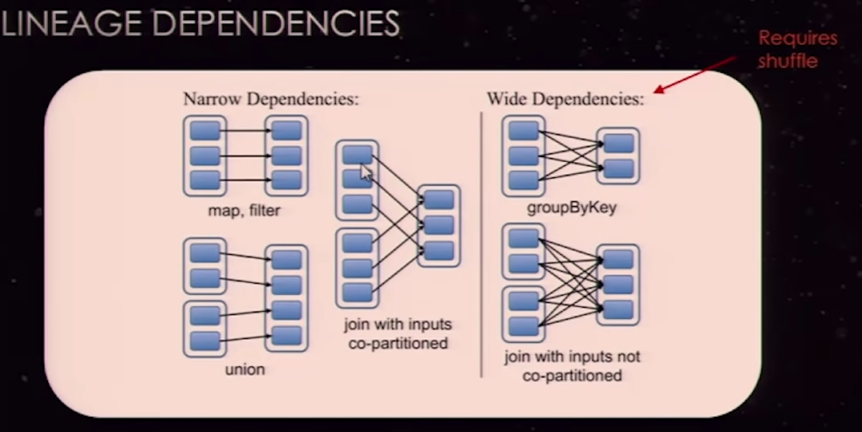
 |  | NARROW Dependencies

 |  | MAP , FILTER | NO NEED to coordainte across EXECUTORS - child RDD is created in the same Executor and can run in parallel
 |  | UNION | Each partition of an RDD in Parent is used by one only partition in the child
 |  | JOIN WITH INPUTS CO-PARTITIONED | repartioned from multiple to 3 by both RDDs so keys end up in the same partitions

 |  | WIDE
 |  | GROUP BY KEY | Key 15 is in all 3 partitions so it all has to go to one partition and it has to shuffle.

 |  | JOIN WITH INPUTS NOT CO-PARTITIONED | whenever recompute of RDDs is long and time consuming better to CACHE in MEM and DISK also.

 | Understand STAGE boundaries | A thread can do multiple things in a stage before its given back for another process

 | to DISPLAY lineage of an RDD | RDDNAME.toDebugSTRING

 | HDFS files --- READ | HadoopRDD ---> MappedRDD | Converts basically HADOOP datatypes to JAVA data types

 | SHUFFLE - ROOT CAUSE | Reparition, JOIN, CO-GROUP BYKEY usage
 |  | specifying NUMPARTITIONS parameter
 |  | CombineByKey
 |  | GroupByKey

 |  | Coaslesce - DOESN’T cause a SHUFFLE?

 | Inside RDD | Store ( KEY , VALUE)
 | PRESERVE partitioning = TRUE | MAKING CHILD INHERIT from PARETNS as long as we are not messing up with the KEYS

 | BROADCAST variables | AVOIDS shuffles
 |  | when one dataset is small enough to fit into a memory and send to all Nodes | old style: Send using HTTP to all executors | new style is BITTORENT: Driver breaks up the file into CHUNKS and then one Executor reqests A chunk AND anotehr may request a CHUNK and It can get it from its neoghbor | Driver tells that there are chunks and tells all NODES so they look for chunks across the nodes.

 | Accumulators | Counters

 | PYSPARK Architecture
 | regular C python - anything that has C extension - not Jython
 |  | Basically a "SPARK CONTEXT CONTROLLER" gets created in the driver m/c where the PYSPARK is launched. | uses a py4j socket to instantiate a normal DRIVER JVM - This is used to access the JAVA methods from Python as if it’s a Python method. | Driver JVM -->EXEC JVM --> pipe--> Daemon.PY

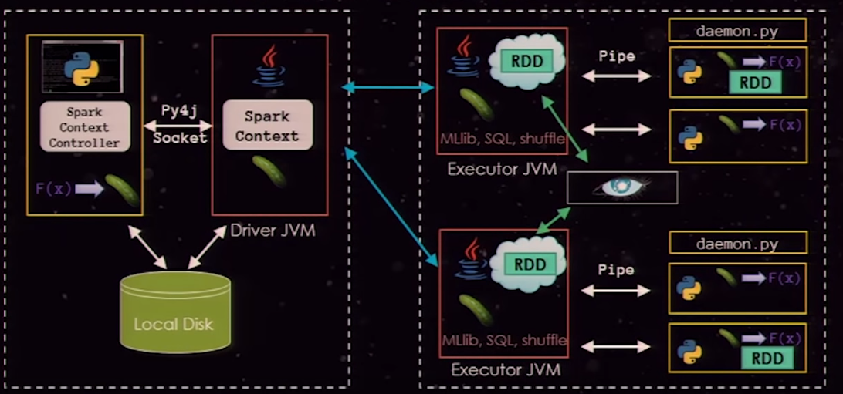
 | PYSPARK
 | JAVA API
 | spark core engine
 | (LOCAL, STANDALONE, YARN, MESOS)

 | PYTHON interpreters | CPYTHON to PYPY | increases speed due to less memory usage. Recommended to be used.
 |  |  | PYPY - has C-Foreign Function Interface support where we can call a COMPILED C function.

 | spark.python.worker.memory | 512mb per default

 | 100 TB SORT example

 | Spark Streaming - DSTREAM (are LIKE RDD)

