Test Case 4
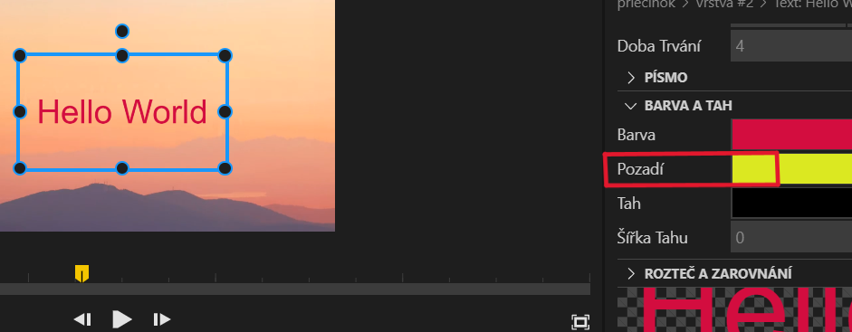
Test Case ID |  | 4 | Test Case Description | CHANGING THE BACKGROUND OF THE TEXT
Created By |  | Jana Plutinská | Reviewed By
Type |  | Functional

Tester's Name |  | Jana Plutinská

# | Preconditions |  |  | Date Tested | 2023-05-01
1 | new project is opened in wide.video with an MP4 video and the text is already added |  |  | Priority | medium
2 | browser: version 112.0.5615.138 |  |  | Version | https://wide.video/app/1.3.0/
3 | internet connection
4 | Windows 11

Test Conditions

Step # | Step Details |  | Expected Results | Actual Results |  | Pass / Fail / Not executed / Suspended
1 | Click the added text in the layer. |  | The appropriate function should appear. | as expected |  | Pass
2 | Click "Colour and Drawing". |  | Drop-down menu should appear. | as expected |  | Pass
3 | Click "Background". |  | A window with a range of colour should appear. | as expected |  | Pass
4 | Click the colour you want the text background to be changed. |  | The the background should change. | The background doesn´t change. |  | Fail
5 | # |  | # | # |  | #

Test Case 10
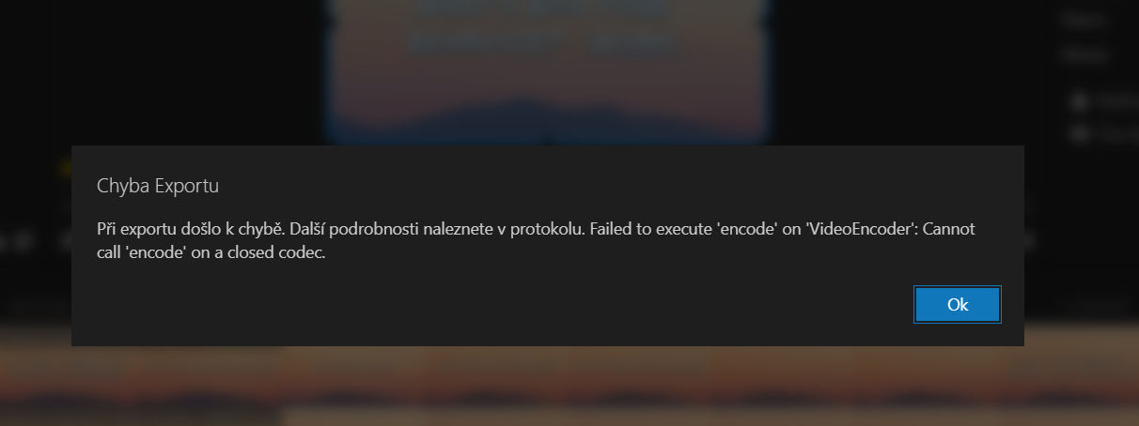
Test Case ID |  | 10 | Test Case Description | EXPORT THE PROJECT
Created By |  | Jana Plutinská | Reviewed By
Type |  | Functional

Tester's Name |  | Jana Plutinská

# | Preconditions |  |  | Date tested | 2023-05-02
1 | new project is opened in wide.video with an MP4 video, text and audio |  |  | Priority | high
2 | browser: version 112.0.5615.138 |  |  | Version | https://wide.video/app/1.3.0/
3 | internet connection
4 | Window 11

Test Conditions

Step # | Step Details |  | Expected Results | Actual Results |  | Pass / Fail / Not executed / Suspended
1 | Click "Project". |  | A drop-down menu should appear. | as expected |  | Pass
2 | Click "Export". |  | A pop-up window should appear asking "Do you want to export the project?". | as expected |  | Pass
3 | Click "Export". |  | The project should be exported into computer. | The project is not exported. A pop-up window appeared saying "Error". |  | Fail
4 | # |  | # | # |  | #

