Prequisites
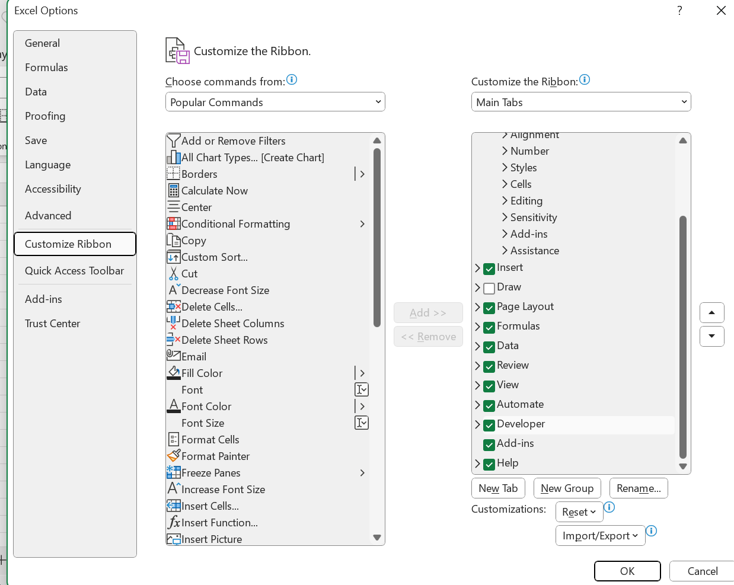
 | Prerequisites

 |  | Prepared by Janani Muthuswamy
1. Navigate to the file -> right click on the file -> go to Properties
2. Check the box of Unblock on the Security section, to enable the macros

3. Now open the file, and navigate to the Developer tab and launch the VBA or Press Alt + F11 to open the Visual Basic for Applications (VBA) editor.
4. If the Developer tab is not visible, enable it by going to File -> Options -> Customize Ribbon, then check the Developer box.

