Information


 |  |  |  |  | Information Table

 |  |  |  |  | # | Information |  | Image | Note
 |  |  |  |  | 1 | Windows 10 ( Windows 10 pro)
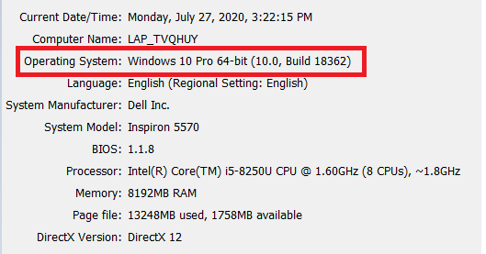

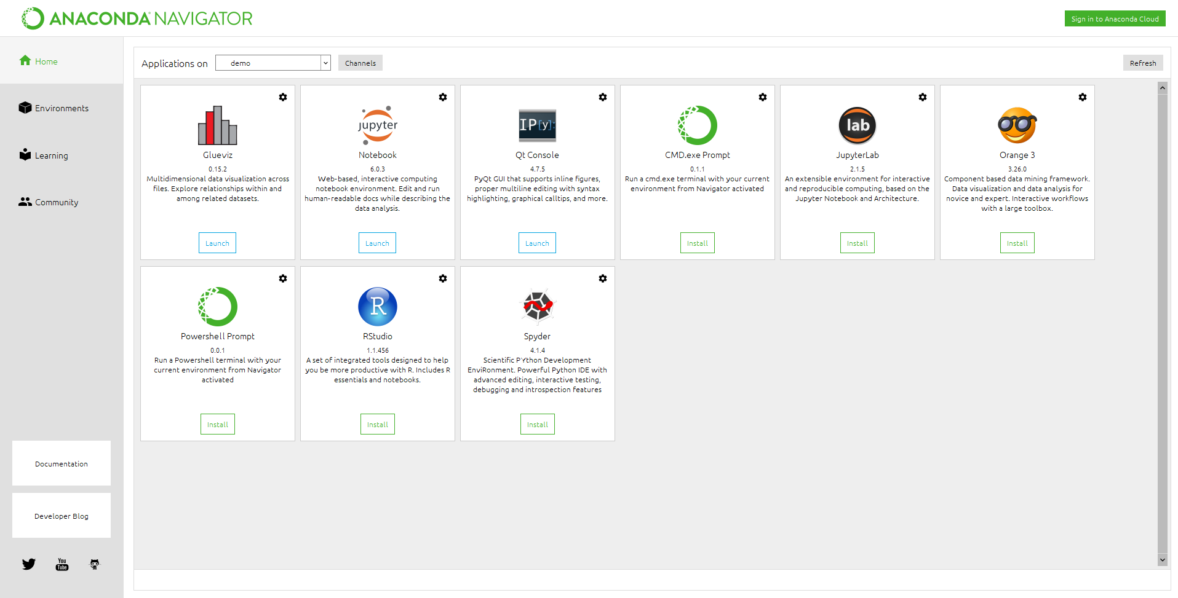
 | BenchMarking rated model speed
 |  |  |  |  | 2 | Anaconda version 4.8.2 |  |  | https://www.anaconda.com/products/individual

Technical report benchmarking result, evaluate the predicted speed of the model

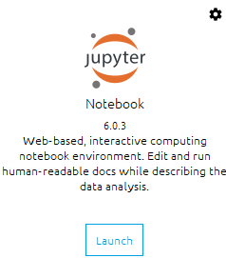
 |  |  |  |  | 3 | Jupyter Notebook version 6.0.3 |  |  | Buil-in Anaconda

Revision History

# | Write | Version | Day | Note/Review by
1 | Tran Van Quang Huy | 1 | 27/07/2020 | First version
 | tvq_huy@brycen.com.vn

 |  |  |  |  |  |  | (For Windows)

