1. Title Page
[Grocery Basket Analysis]

Project Name: Instacart Project: Grocery Basket Analysis
Date: 2-04-2024
Analyst Name: Janelle Sousley

Contents:
Population Flow
Consistency checks
Wrangling steps
Column derivations
Visualizations
Recommendations

“The Instacart Online Grocery Shopping Dataset 2017”, Accessed from www.instacart.com/datasets/grocery-shopping-2017 via Kaggle on 12/2023
Customer data was fabricated for the purpose of this achievement.

2. Population Flow
 |  |  | Title page

Population flow

Exclusion flag
Condition: max_order < 5
Obervations to be removed: 9616883
Final total count of order_products_all: 22787976 rows and 32 columns

Orders_products_combined
Orders_products_merged
Orders_products_all

Total:
Total:
Total:
32434489 rows | 32404859 rows | 22787976 rows
9 columns | 22 columns | 32 columns
1.) The grey boxes in the first row of the population flow represent the original data sets as they were when you downloaded them. In the Total fields you need to add the count of the rows when you imported the data set into Jupyter.
2.) The second row of boxes (coloured) represents the data sets after you manipulated them, e.g., removed missing values and duplicates. In the Total fields you need to add the count of the rows after conducting these operations. This offers a visual oveview of how the data flows throughout the data consistency checks.
3.) The third row, where also the arrows are coloured, represents the merges you performed between the datasets. In the Total fields you need to add the count of the rows in the merged datasets, so that you end up with the final dataset (in the red box). Keep in mind the final dataset should be without exclusions (based on the exclusion flag).

3. Consistency checks
 |  |  |  | Title page
Consistency checks

Dataset | Missing values | Missing values treatment | Duplicates
orders | days since last order | keep missing values | no duplicates found
products | 16 product names | delete | 5 duplicates deleted
orders_products_prior | none | none | no duplicates found
customers | 11259 first names | keep missing values | none

4. Wrangling steps
 |  |  |  | Title page
Wrangling steps

Columns dropped | Columns renamed | Columns' type changed | Comment/Reason
eval_set |  |  | not relevant to analysis
 | order_dow |  | orders_day_of_week (readability)
 |  | order_id | integer to string (id's are not integers to aggregate)
 |  | user_id | integer to string (id's are not integers to aggregate)
 | days_since_prior_order |  | days_since_last_order (readability)
 | Surnam |  | last_name (readability and spelling)
 | First_name |  | first_name (consistency with last_name)
 | n_dependants |  | dependants (readability)
 |  | nulls in first name | null to string (did not want nulls in any aggregations)
date_joined |  |  | not relevant to analysis

5. Column derivations
 |  |  |  | Title page

Column derivations and aggregations

In this tab you should add tables below that the frequences of flags/label variables that you produced after deriving them. NB: don't do this for continuous variables, only for flags.
Dataset | New column | Column/s it was derived from | Conditions
ords_prods_merge | price_range_loc | prices | low-range product <=5
 |  |  | mid-range product >5 and <=15
 |  |  | high-range product >15 |  | price_range_loc | busiest_day
ords_prods_merge | busiest_day | orders_day_of_week | busiest day 0 or 1 |  | Mid-range product 21860860 | Regularly busy 12916111
 |  |  | least busy 3 or 4 |  | Low-range product 10126321 | Busiest day 11864412
 |  |  | regularly busy everything else |  | High-range product 417678 | Least busy 7624336
ords_prods_merge | busiest_period_of_day | order_hour_of_day | most orders 9,10,11,12,13,14,15,16
 |  |  | average orders 7,8,17,18,19,20,21,22
 |  |  | fewest orders all other hours
ords_prods_merge | max_order | user_id, order_number | max order number grouping by user_id
ords_prods_merge | loyalty_flag | max_order | loyal customer >40 |  | busiest_period_of_day | loyalty_flag
 |  |  | regular customer >10 and <=40 |  | Most Orders 21118071 | Regular customer 15876776
 |  |  | new customer <=10 |  | Average Orders 9997651 | Loyal customer 10284093
ords_prods_merge | avg_order_price | user_id, prices | average order price grouping by user_id |  | Fewest Orders 1289137 | New customer 6243990
ords_prods_merge | spending_flag | avg_order_price | high spender >=10
 |  |  | low spender <10
ords_prods_merge | avg_days_since_last_order | user_id, days_since_last_order | average days grouped by user_id
ords_prods_merge | frequency_flag | avg_days_since_last_order | frequent customer <= 10
 |  |  | regular customer >10 and <=20 |  | spending_flag | frequency_flag
 |  |  | non-frequent customer >20 |  | Low Spender 31770614 | Frequent Customer 16468582
ords_prods_custs | region | state | northeast states grouped |  | High Spender 634245 | Regular customer 12521159
 |  |  | midwest states grouped |  |  | Non-frequent customer 3415113
 |  |  | south states grouped |  |  | nan 5
 |  |  | west states grouped
ords_prods_custs_clean | profile | dependants, age, income | mix of kids or no kids, young, mid or old, low, mid, high imcome
 |  |  | kids 1+
 |  |  | young <=34 |  | region | profile
 |  |  | mid >=35 and <=64 |  | South 10791885 | parent, mid, mid income 4180627
 |  |  | old 65+ |  | West 8292913 | parent, young, mid income 3022606
 |  |  | low income <=60000 |  | Midwest 7597325 | parent, mid, high income 2634859
 |  |  | middle income >60000 and <125,000 |  | Northeast 5722736 | parent, old, mid income 2182097
 |  |  | high income >=125,000 |  |  | parent, old, high income 1859973
 |  |  | ages and income tiers were derived from quartiles from data |  |  | parent, young, low income 1475658
 |  |  |  |  |  | no kids, mid, mid income 1374021
 |  |  |  |  |  | parent, mid, low income 1178190
 |  |  |  |  |  | no kids, young, mid income 1013134
 |  |  |  |  |  | no kids, mid, high income 914354
 |  |  |  |  |  | no kids, old, mid income 714677
 |  |  |  |  |  | no kids, old, high income 623166
 |  |  |  |  |  | parent, old, low income 497914
 |  |  |  |  |  | no kids, young, low income 481604
 |  |  |  |  |  | no kids, mid, low income 411100
 |  |  |  |  |  | no kids, old, low income 150387
 |  |  |  |  |  | parent, young, high income 56564
 |  |  |  |  |  | no kids, young, high income 17045

6. Visualizations
 |  |  |  |  |  | Title page

Visualisations

In this tab you should include all the visualtions from Exercises 4.9 and 4.10, alongside the questions from the project brief that they answer. Include any commentary on the relationship between different variables.

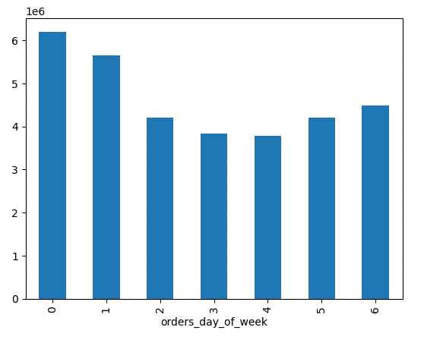
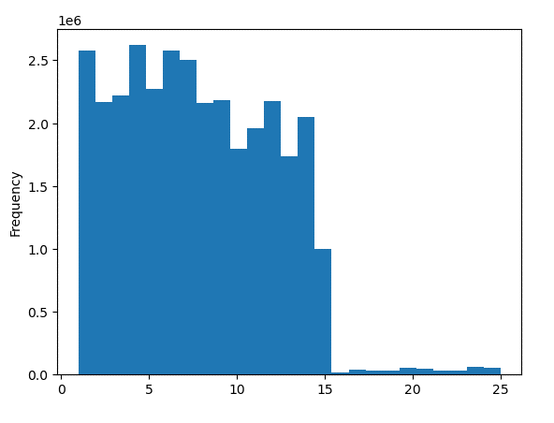
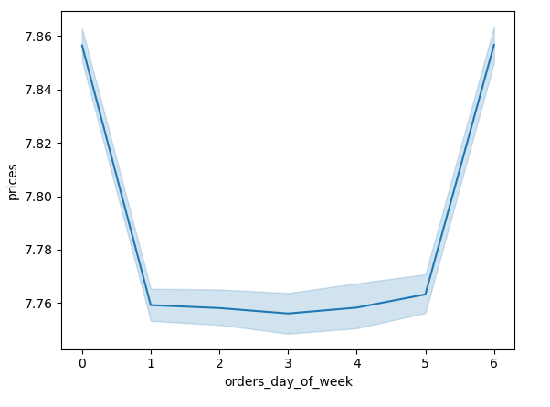

This chart shows how popular each day of the week is. Saturday is busiest, Sunday is 2nd |  |  |  |  | This chart shows the prices of items and how often they are purchased. |  |  |  | A line graph showing that expenditure of items rises and falls in the same way that order frequency does.
busiest and Friday is 3rd. |  |  |  |  | Any item more than 15 dollars is very infrequently purchased. |  |  |  | Higher priced items are purchased more during Saturday, Sunday and Friday.

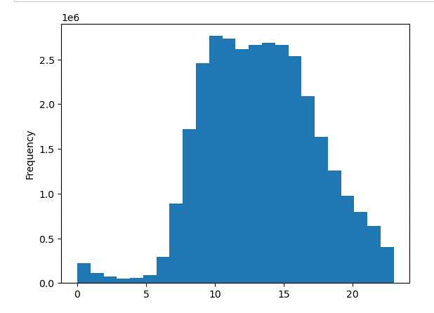
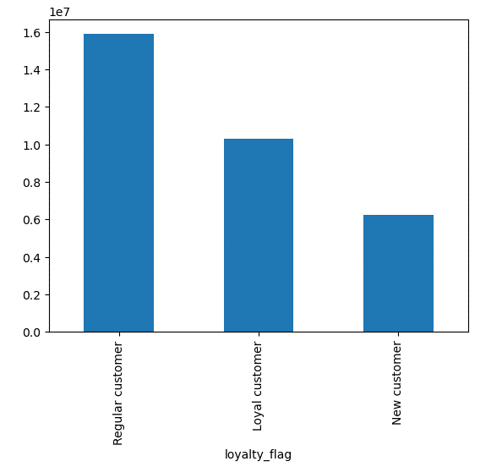
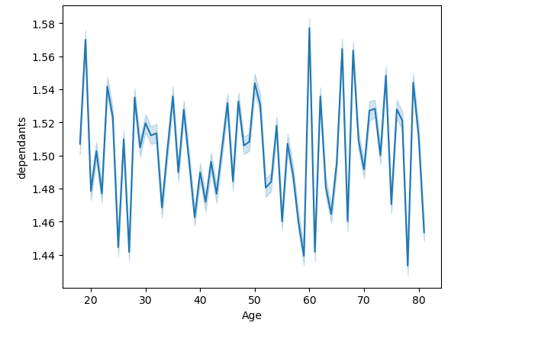

This histogram shows the most popular times in the day that orders are placed.
10 am is when most orders are placed and drops after 4 to 5 pm. |  |  |  |  |  |  |  |  |  | Line chart shows no connection between age and number of dependants.

 |  |  |  |  | Most customers have between 10 and 40 orders. Loyal customers are 2nd with more than 40 orders.
 |  |  |  |  | New customers come in 3rd with less than 10 orders.

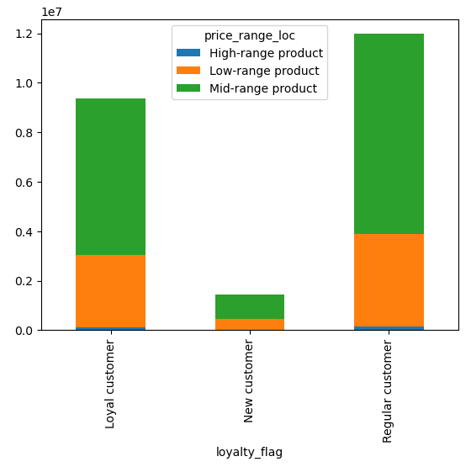
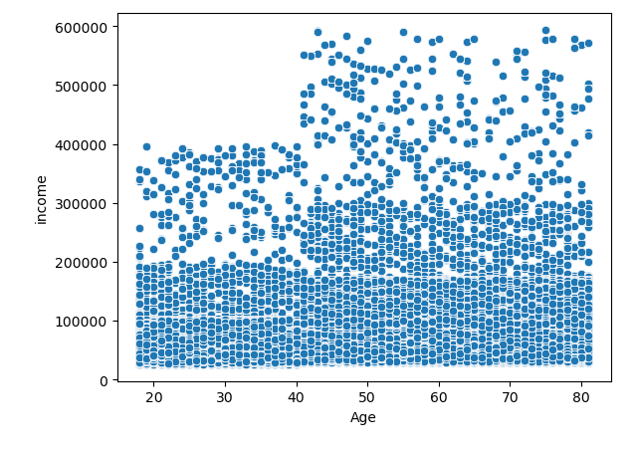
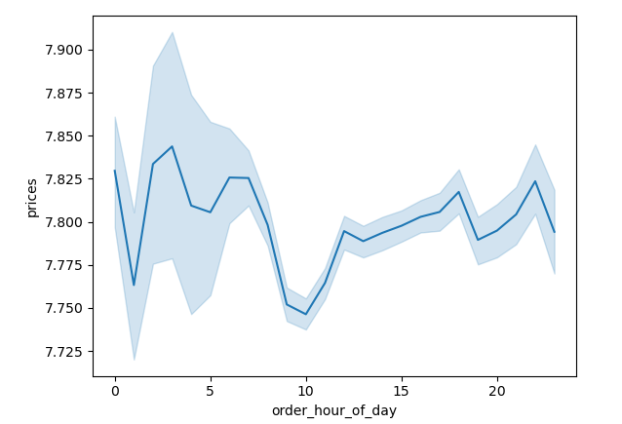

 |  |  |  |  |  |  |  |  |  | A line graph showing if item prices vary during the day. This shows that the most popular time of day
 |  |  |  |  |  |  |  |  |  | for orders has the lowest prices of itmes bought. Highest prices of items bought are about 3-4 am and
 |  |  |  |  | This scatterplot shows there is a rise in income after the age of 40 |  |  |  |  | 6-7am.
Loyal and Regular customers buy mostly mid range products to low range.
Rarely spending on high range products.

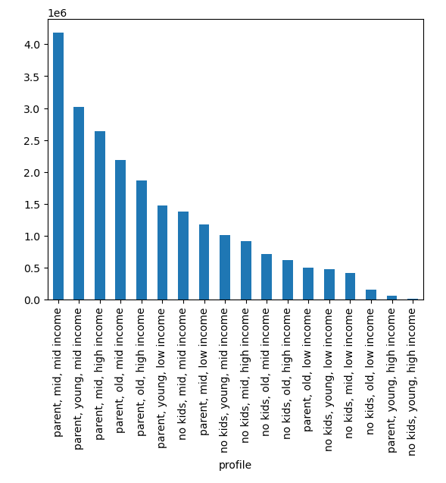

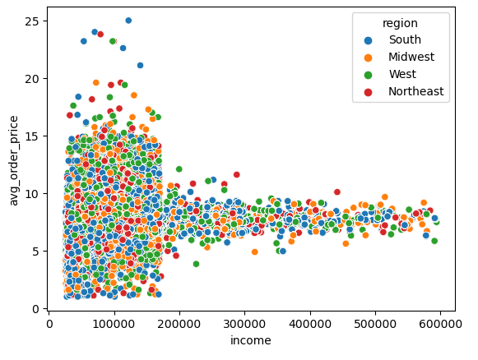
 |  |  |  |  |  |  | Profiles:
 |  |  |  |  |  |  | After removing users with less than 5 orders, we see the highest amount of users are
 |  |  |  |  |  |  | 1st parents, middle aged, and middle income.

 |  |  |  |  |  |  | 2nd are parents, young aged, middle income.
kids = > 1 |  |  |  |  |  |  | 3rd parents, middle aged, high income.
no kids = 0 |  |  |  |  |  |  | 4th parents, old aged, middle income.
young age <=34 |  |  |  |  |  |  | 5th parents, old aged, high income.
mid age >=35 and <=64
old age 65+
low income <= $60000 |  |  |  |  |  |  | Each group had about the same average order numbers of low to mid 20's.
middle income > $60000 and < $125,000 |  |  |  |  |  |  | Young parents with high income were the highest average of 25+ orders.
high income >= $125,000

 |  |  |  |  |  |  | Each group spent about the same average expenditure of $6.50 to $8.00 order price.
 |  |  |  |  |  |  | The groups in with mid to high income on average spent more per order ($8).
 |  |  |  |  |  |  | Age or dependents did not seem to matter to order price expenditures.
 |  |  |  |  |  |  | However, it seems that as income rises, less high priced items are purchased.

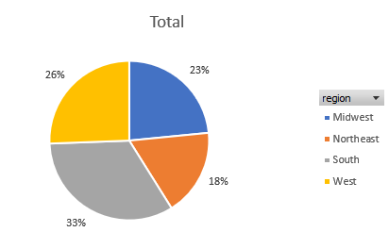

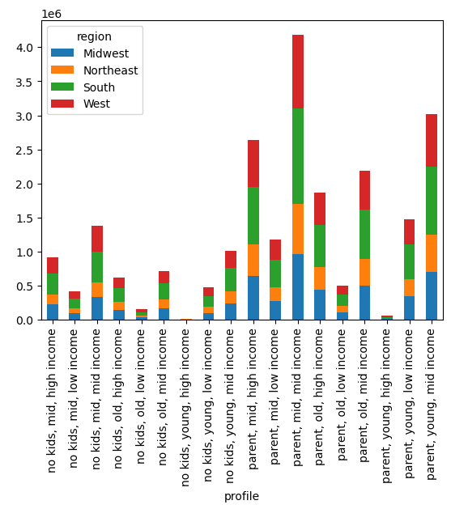

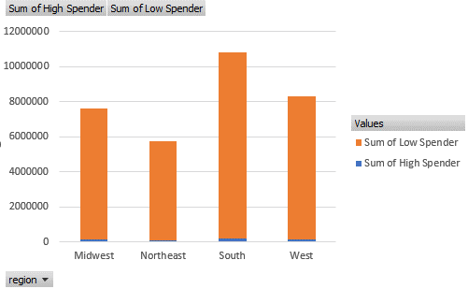

 | 1st South region had highest amounts of users.
 | 2nd West
 | 3rd Midwest
 | 4th Northeast
 |  |  |  |  |  |  |  |  |  |  | Majority of regions are low spenders of less than $10 an order.

 |  | South |  | West |  |  |  | Midwest |  |  |  | Northeast
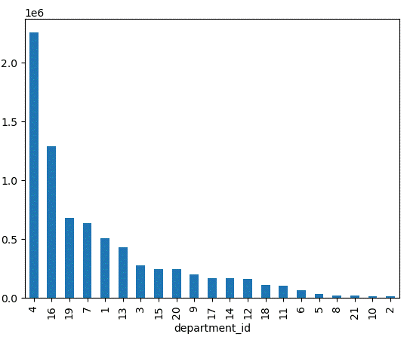
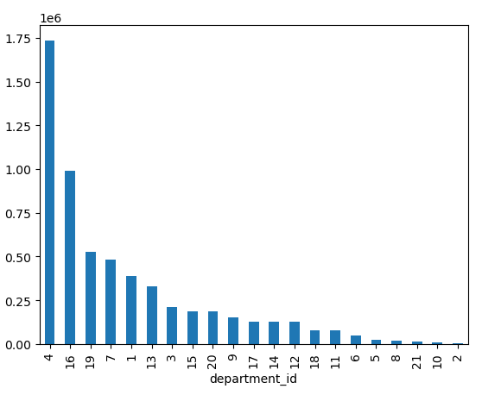
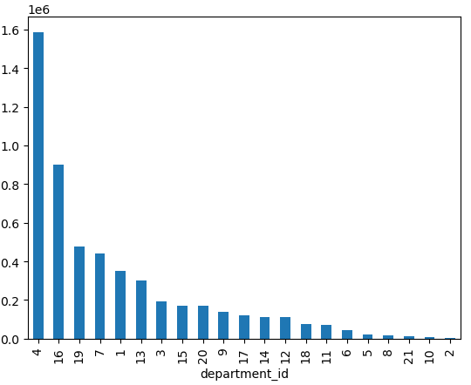
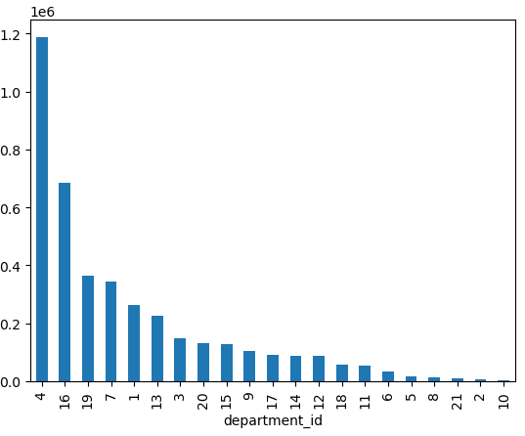
 |  |  |  |  |  |  |  |  |  |  |  |  |  | Products by region
 |  |  |  |  |  |  |  |  |  |  |  |  |  | The 5 top products were the same in all
 |  |  |  |  |  |  |  |  |  |  |  |  |  | four regions.
 |  |  |  |  |  |  |  |  |  |  |  |  |  | 1st Produce
 |  |  |  |  |  |  |  |  |  |  |  |  |  | 2nd dairy eggs
 |  |  |  |  |  |  |  |  |  |  |  |  |  | 3rd snacks
 |  |  |  |  |  |  |  |  |  |  |  |  |  | 4th beverages
 |  |  |  |  |  |  |  |  |  |  |  |  |  | 5th frozen

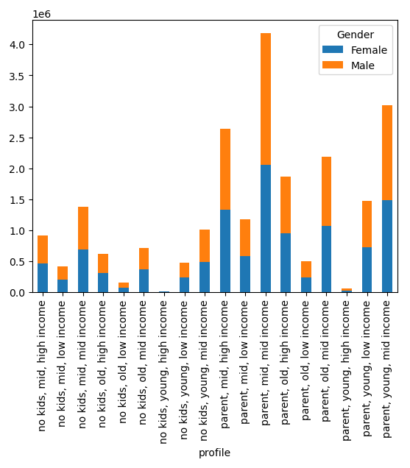
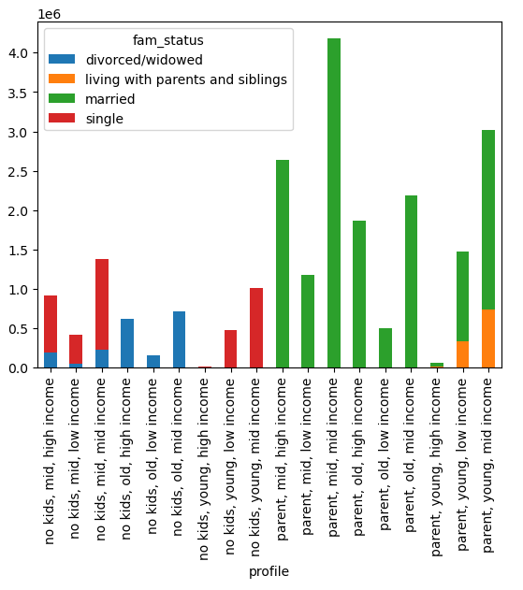

 |  |  | This chart shows we have about 50/50 split of |  |  |  |  |  |  |  |  |  | The majority of customers are spending between $5 and $15 per item.
 |  |  | female to male shoppers, with slightly more
 |  |  | male. |  |  |  |  |  |  |  |  |  | Most customers are married with children.

 |  |  | The majority customers spend less than $10 on average

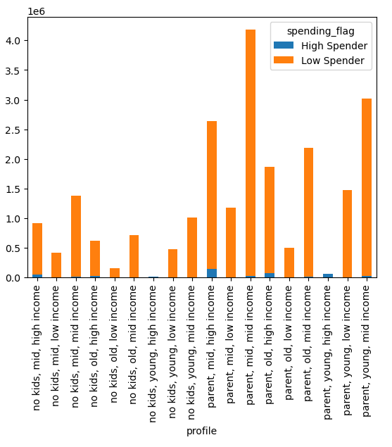
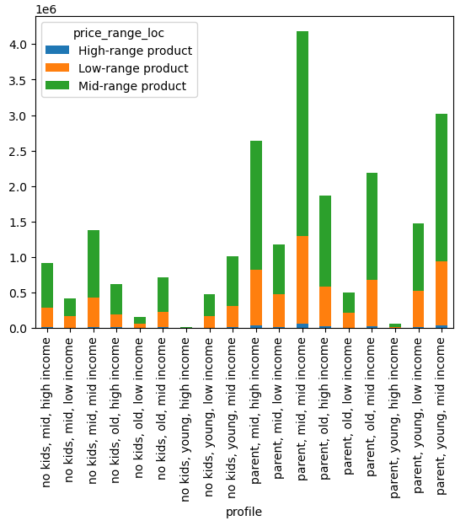
 |  |  | As expected, most profile groups were low spenders
 |  |  | of less than $10. |  |  |  |  |  |  |  |  |  | Most profile groups buy between $5 and $15 dollar range.

 |  |  |  |  |  |  |  |  |  |  |  | Profile top 5 departments:
 |  |  |  |  |  |  |  |  |  |  |  | 1st Produce - was at the top of every profile groups most bought department.

 |  |  |  |  |  |  |  |  |  |  |  | Frozen was always the 5th. Dairy eggs, snacks, and beverages switch between 2nd, 3rd, 4th.

7. Recommendations
 |  | Title page

Recommendations

In this tab you should include any recommendations you would made to Instcart in terms of their marketing strategy based on the questions posed in the brief. Every key question has been covered in the Tasks of the Exercises - here you need to add an item - a visualisation or table/crosstable that is showing the answer in the data, acompanied by a comment from you. Please, list the questions below and add the answer underneath.

OVERALL RECOMMENDATIONS

Department | Recommendations
Marketing: | Advertisement for lower priced deals between 10am and 5pm as this is the time most orders are placed while also being the times most lower priced items are sold.
 | Target higher priced items during the hours of 3-9 where most high priced items are sold.
 | Saturday and Sunday and Friday are great times to run ads as these days are when most orders are placed.
 | Focusing advertisement on highest departments of produce, dairy/eggs, snacks, beverages and frozen items.
 | Begin lower department sales ads during busy hours to give shoppers ideas of items they may have not thought were available, increasing spontaneous buys and increase lower department sales.
 | Parents have a high usage rate of Instacart, therefore look for advertisement opportunities on social media where parents might frequent.

Sales: | Highest orders are in produce, dairy/eggs, snacks, beverages, and frozen. Regular sales/online coupons would continue to keep these departments high in sales.
 | Lowest departments include bulk, meat and seafood, baby , personal care, international, and pets, alcohol. Regular sales in these departments coupled with advertisement should help boost items sold.
 | Further analysis of brands and products that people want to buy is imperative. This would give Instacart an opportunity to focus specific sales to not just departments, but also high desired brands at competitive prices.
 | Sales and coupons for Monday's through Thursdays to boost sales on these lower production days.
 | Sales and coupons for higher priced items during the 3-9am time period when higher priced items are primarily sold.

Customers: | Leverage loyalty with a loyalty rewards program. Making users feel valued for their loyalty and rewarding them is a sure way to retain membership and recommend Instacart to friends and family.
 | Further analysis of young customers with high income as they are the lowest customer base, but high potential for sales.

Partnerships: | Stores:
 | Bulk items are the lowest sellers for Instacart. Focus on new partnerships with stores that sell bulk items.
 | Since families with mid to high income are most frequent users, they may be more likely to buy bulk items if there is more supply.
 | Shoppers/Drivers:
 | Training should include how to pick quality food items (especially produce, as it is the top selling product).
 | Customers should feel that their information is secure. Measures should be taken in training with data security in mind.

KEY QUESTIONS
Question | Answer
The sales team needs to know what the busiest days of the week and hours of the day are (i.e., the days and times with the most orders) in order to schedule ads at times when there are fewer orders. | Saturday is the busiest day of the week followed by Sunday and then Friday. 10am to 5pm is when most orders are placed.

They also want to know whether there are particular times of the day when people spend the most money, as this might inform the type of products they advertise at these times | While 10 am to 4pm were the most popular times to place an order, the highest prices of items sold were around 3-4am and 6-7am. The item prices sold are at the lowest in peak buying times.

Instacart has a lot of products with different price tags. Marketing and sales want to use simpler price range groupings to help direct their efforts | Most customers are averaging around 6-8 dollars on average order price. Grouping $5 or less, then $5 to $10, then $10 to $15 would be good ranges for suggestions.

Are there certain types of products that are more popular than others? The marketing and sales teams want to know which departments have the highest frequency of product orders | Focus should be on produce, dairy eggs, snacks, beverages and frozen deals as these top 5 departments were at the top of every groups purchases.

The marketing and sales teams are particularly interested in the different types of customers in their system and how their ordering behaviors differ.

What’s the distribution among users in regards to their brand loyalty (i.e., how often do they return to Instacart)? | Loyal customers with more than 40 orders are currently in 2nd place with regular customers of over 10 orders but less than 40 were in first. Efforts should go into getting loyal customers into loyal group and enticing new customers to make more orders.

Are there differences in ordering habits based on a customer’s loyalty status? | Loyal customers with more than 40 orders are currently in 2nd place with regular customers of over 10 orders but less than 40 were in first. Efforts should go into getting loyal customers into loyal group and enticing new customers to make more orders. Between all loyalty groups of loyal, regular and new, the majority uses bought mostly mid range products of between $5 to $15 dollars. Next highest was $5 or less.

Are there differences in ordering habits based on a customer’s region? | About 33% of customers are in the South, 26% in the West, 23% in Midwest and 18% in the Northeast. All 4 groups had the same top 5 category of departments. Produce the highest, dairy eggs, snacks, beverages, frozen. All 4 groups are spending less than $10 on the majority of orders.

Is there a connection between age and family status in terms of ordering habits? | There are overall less shoppers in the 65+ age group regardless of family status, but the ones with the highest orders were those married with children. However, regardless of age, all parents were married with a small percentage of young parents living at home. Overall, most of Instacarts customers were married and had children.

What different classifications does the demographic information suggest? Age? Income? Certain types of goods? Family status? | Instacarts highest users are married parents, young(<35 years) and middle aged (between the ages of 35 and 64) and middle income (between $60,000 and $125,000.) Most users have children. The top users have middle to high income. Those in top 8 that had low income were young to middle aged parents. Having children seemed to bring in the most users of Instacart. Male to female ratio was almost 50/50 with a slight skew to male. Each profile group had the same top 5 departments of number 1 seller being produce, with dairy/eggs primarily in 2nd, snacks and beverages in the middle trading 3r and 4th , and frozen in 5th place. All groups primarily buy mid ($5-$15) priced items no matter the profile group.

What differences can you find in ordering habits of different customer profiles? | As far as differences in orders between the groups, there were not many differences. Each group were low spenders and low to mid priced items. Each group had the same top 5 departments of produce, dairy/eggs, snacks, beverages and frozen foods. Overall parents seemed to bring in the most users.

