Blacktail Ponds
Projected Climate (2040 - 2069)
 | Projected Climate (2040 - 2069)
 | Average over [44.9600 to 44.9600] N x [-111.6000 to -111.6000] E
 | X: Change in Jan-Dec Mean Temperature(°F) from Climate (MACAv2-METDATA)
 | Y: Change in Jan-Dec Precipitation(in) from Climate (MACAv2-METDATA)
 | RCP45: RCP 4.5 Future Scenario
Tercek | RCP85: RCP 8.5 Future Scenario
projection | ===========================
options | Model | X_RCP45(°F) | Y_RCP45(in) | X_RCP85(°F) | Y_RCP85(in)
 | bcc-csm1-1 | 4.443 | 0.361 | 6.023 | 1.368
 | bcc-csm1-1-m | 3.616 | -1.09 | 5.416 | 0.737
BNU-ESM | BNU-ESM | 4.846 | 1.494 | 6.873 | 2.153
CanESM2 | CanESM2 | 5.703 | 3.295 | 7.536 | 5.408
CCSM4 | CCSM4 | 4.443 | 0.71 | 6.004 | 1.108
CNRM-CM5 | CNRM-CM5 | 3.864 | 2.325 | 5.319 | 4.253
CSIRO-Mk3-6-0 | CSIRO-Mk3-6-0 | 5.334 | 0.369 | 6.142 | 1.076
 | GFDL-ESM2M | 2.138 | 0.691 | 3.961 | 0.148
GFDL-ESM2G | GFDL-ESM2G | 3.703 | 1.325 | 4.395 | 1.639
HadGEM2-CC365 | HadGEM2-CC365 | 4.817 | 1.718 | 7.14 | 0.544
 | HadGEM2-ES365 | 5.12 | 1.708 | 7.128 | -0.041
inmcm4 | inmcm4 | 2.276 | 0.674 | 3.943 | 0.352
IPSL-CM5A-LR | IPSL-CM5A-LR | 4.67 | -0.571 | 6.493 | -0.151
 | IPSL-CM5A-MR | 5.418 | -0.679 | 7.458 | -0.06
 | IPSL-CM5B-LR | 3.74 | 0.355 | 5.219 | 0.696
MIROC5 | MIROC5 | 5.998 | 3.317 | 7.157 | 3.505
 | MIROC-ESM | 7 | 2.93 | 8.475 | 2.413
 | MIROC-ESM-CHEM | 6.861 | 3.467 | 8.901 | 4.117
MRI-CGCM3 | MRI-CGCM3 | 2.056 | 1.643 | 3.361 | 3.081
NorESM1-M | NorESM1-M | 4.971 | 3.216 | 6.331 | 2.304
 | 20CMIP5ModelMean | 4.551 | 1.362 | 6.164 | 1.732

Crystal Bench
Projected Climate (2040 - 2069)
 | Projected Climate (2040 - 2069)
 | Average over [44.9051 to 44.9051] N x [-110.2870 to -110.2870] E
 | X: Change in Jan-Dec Mean Temperature(°F) from Climate (MACAv2-METDATA)
 | Y: Change in Jan-Dec Precipitation(in) from Climate (MACAv2-METDATA)
 | RCP45: RCP 4.5 Future Scenario
Tercek | RCP85: RCP 8.5 Future Scenario
projection | ===========================
options | Model | X_RCP45(°F) | Y_RCP45(in) | X_RCP85(°F) | Y_RCP85(in)
 | bcc-csm1-1 | 4.44 | 0.049 | 5.933 | 0.816
 | bcc-csm1-1-m | 3.551 | -0.658 | 5.314 | 0.13
BNU-ESM | BNU-ESM | 4.865 | 1.345 | 6.715 | 1.726
CanESM2 | CanESM2 | 5.625 | 2.031 | 7.443 | 2.941
CCSM4 | CCSM4 | 4.171 | -0.065 | 5.654 | 0.253
CNRM-CM5 | CNRM-CM5 | 3.866 | 0.679 | 5.254 | 1.48
CSIRO-Mk3-6-0 | CSIRO-Mk3-6-0 | 5.358 | -0.438 | 6.088 | 0.075
 | GFDL-ESM2M | 2.184 | 0.575 | 3.917 | -0.116
GFDL-ESM2G | GFDL-ESM2G | 3.799 | 0.707 | 4.483 | 1.195
HadGEM2-CC365 | HadGEM2-CC365 | 4.969 | 0.301 | 7.305 | -0.687
 | HadGEM2-ES365 | 5.311 | 0.412 | 7.291 | -0.556
inmcm4 | inmcm4 | 2.166 | 0.523 | 3.778 | 0.1
IPSL-CM5A-LR | IPSL-CM5A-LR | 4.556 | -0.721 | 6.39 | -0.448
 | IPSL-CM5A-MR | 5.328 | -0.442 | 7.325 | -0.027
 | IPSL-CM5B-LR | 3.719 | 0.756 | 5.205 | 0.998
MIROC5 | MIROC5 | 5.863 | 1.427 | 6.992 | 2.019
 | MIROC-ESM | 6.904 | 1.581 | 8.374 | 1.082
 | MIROC-ESM-CHEM | 6.807 | 1.68 | 8.819 | 2.131
MRI-CGCM3 | MRI-CGCM3 | 1.995 | 1.021 | 3.298 | 1.531
NorESM1-M | NorESM1-M | 4.809 | 1.497 | 6.171 | 1.289
 | 20CMIP5ModelMean | 4.514 | 0.613 | 6.087 | 0.796

Trumpeter Lake
Projected Climate (2040 - 2069)
 | Projected Climate (2040 - 2069)
 | Average over [44.9150 to 44.9150] N x [-110.3680 to -110.3680] E
 | X: Change in Jan-Dec Mean Temperature(°F) from Climate (MACAv2-METDATA)
 | Y: Change in Jan-Dec Precipitation(in) from Climate (MACAv2-METDATA)
 | RCP45: RCP 4.5 Future Scenario
Tercek | RCP85: RCP 8.5 Future Scenario
projection | ===========================
options | Model | X_RCP45(°F) | Y_RCP45(in) | X_RCP85(°F) | Y_RCP85(in)
 | bcc-csm1-1 | 4.441 | 0.204 | 5.935 | 1.045
 | bcc-csm1-1-m | 3.559 | -0.672 | 5.327 | 0.321
BNU-ESM | BNU-ESM | 4.867 | 1.425 | 6.727 | 1.953
CanESM2 | CanESM2 | 5.635 | 2.38 | 7.448 | 3.587
CCSM4 | CCSM4 | 4.187 | 0.004 | 5.67 | 0.395
CNRM-CM5 | CNRM-CM5 | 3.861 | 0.826 | 5.258 | 1.819
CSIRO-Mk3-6-0 | CSIRO-Mk3-6-0 | 5.359 | -0.246 | 6.091 | 0.208
 | GFDL-ESM2M | 2.188 | 0.767 | 3.929 | -0.118
GFDL-ESM2G | GFDL-ESM2G | 3.797 | 0.884 | 4.474 | 1.41
HadGEM2-CC365 | HadGEM2-CC365 | 4.959 | 0.572 | 7.285 | -0.498
 | HadGEM2-ES365 | 5.292 | 0.675 | 7.274 | -0.431
inmcm4 | inmcm4 | 2.172 | 0.673 | 3.788 | 0.272
IPSL-CM5A-LR | IPSL-CM5A-LR | 4.567 | -0.681 | 6.4 | -0.419
 | IPSL-CM5A-MR | 5.34 | -0.411 | 7.333 | 0.119
 | IPSL-CM5B-LR | 3.719 | 0.874 | 5.2 | 1.039
MIROC5 | MIROC5 | 5.881 | 1.721 | 7.007 | 2.388
 | MIROC-ESM | 6.91 | 2.03 | 8.379 | 1.393
 | MIROC-ESM-CHEM | 6.815 | 2.182 | 8.825 | 2.7
MRI-CGCM3 | MRI-CGCM3 | 1.996 | 1.059 | 3.3 | 1.716
NorESM1-M | NorESM1-M | 4.819 | 1.883 | 6.182 | 1.609
 | 20CMIP5ModelMean | 4.519 | 0.807 | 6.092 | 1.025

Little Saddle Mtn
Projected Climate (2040 - 2069)
 | Projected Climate (2040 - 2069)
 | Average over [44.7020 to 44.7020] N x [-110.0180 to -110.0180] E
 | X: Change in Jan-Dec Mean Temperature(°F) from Climate (MACAv2-METDATA)
 | Y: Change in Jan-Dec Precipitation(in) from Climate (MACAv2-METDATA)
 | RCP45: RCP 4.5 Future Scenario
Tercek | RCP85: RCP 8.5 Future Scenario
projection | ===========================
options | Model | X_RCP45(°F) | Y_RCP45(in) | X_RCP85(°F) | Y_RCP85(in)
 | bcc-csm1-1 | 4.446 | 1.377 | 5.89 | 2.613
 | bcc-csm1-1-m | 3.539 | 0.119 | 5.307 | 2.274
BNU-ESM | BNU-ESM | 4.858 | 2.56 | 6.698 | 3.521
CanESM2 | CanESM2 | 5.624 | 4.477 | 7.437 | 7.878
CCSM4 | CCSM4 | 4.107 | 1.162 | 5.621 | 1.524
CNRM-CM5 | CNRM-CM5 | 3.862 | 2.028 | 5.237 | 3.962
CSIRO-Mk3-6-0 | CSIRO-Mk3-6-0 | 5.377 | -0.109 | 6.124 | 0.831
 | GFDL-ESM2M | 2.187 | 1.856 | 3.902 | 0.67
GFDL-ESM2G | GFDL-ESM2G | 3.82 | 1.711 | 4.506 | 2.898
HadGEM2-CC365 | HadGEM2-CC365 | 5.023 | 2.071 | 7.307 | 0.876
 | HadGEM2-ES365 | 5.355 | 1.712 | 7.312 | 0.971
inmcm4 | inmcm4 | 2.159 | 1.752 | 3.825 | 1.865
IPSL-CM5A-LR | IPSL-CM5A-LR | 4.602 | -0.152 | 6.403 | -0.287
 | IPSL-CM5A-MR | 5.32 | 0.458 | 7.298 | 1.346
 | IPSL-CM5B-LR | 3.725 | 1.16 | 5.213 | 1.33
MIROC5 | MIROC5 | 5.838 | 3.345 | 6.982 | 5.369
 | MIROC-ESM | 6.895 | 4.665 | 8.367 | 3.982
 | MIROC-ESM-CHEM | 6.791 | 6.018 | 8.807 | 7.009
MRI-CGCM3 | MRI-CGCM3 | 1.98 | 1.794 | 3.305 | 3.449
NorESM1-M | NorESM1-M | 4.756 | 3.992 | 6.126 | 3.687
 | 20CMIP5ModelMean | 4.514 | 2.1 | 6.084 | 2.788

Fawn Pass TH
Projected Climate (2040 - 2069)
 | Projected Climate (2040 - 2069)
 | Average over [44.9500 to 44.9500] N x [-111.0500 to -111.0500] E
 | X: Change in Jan-Dec Mean Temperature(°F) from Climate (MACAv2-METDATA)
 | Y: Change in Jan-Dec Precipitation(in) from Climate (MACAv2-METDATA)
 | RCP45: RCP 4.5 Future Scenario
Tercek | RCP85: RCP 8.5 Future Scenario
projection | ===========================
options | Model | X_RCP45(°F) | Y_RCP45(in) | X_RCP85(°F) | Y_RCP85(in)
 | bcc-csm1-1 | 4.437 | 1.316 | 5.969 | 3.491
 | bcc-csm1-1-m | 3.6 | -0.999 | 5.389 | 2.027
BNU-ESM | BNU-ESM | 4.833 | 2.405 | 6.788 | 4.017
CanESM2 | CanESM2 | 5.681 | 5.612 | 7.492 | 9.714
CCSM4 | CCSM4 | 4.305 | 1.55 | 5.827 | 2.226
CNRM-CM5 | CNRM-CM5 | 3.816 | 3.008 | 5.288 | 6.88
CSIRO-Mk3-6-0 | CSIRO-Mk3-6-0 | 5.343 | 1.094 | 6.112 | 1.916
 | GFDL-ESM2M | 2.176 | 1.769 | 3.975 | -0.001
GFDL-ESM2G | GFDL-ESM2G | 3.746 | 2.476 | 4.422 | 2.49
HadGEM2-CC365 | HadGEM2-CC365 | 4.836 | 3.072 | 7.13 | 1.517
 | HadGEM2-ES365 | 5.141 | 2.766 | 7.11 | 0.579
inmcm4 | inmcm4 | 2.199 | 1.755 | 3.868 | 1.289
IPSL-CM5A-LR | IPSL-CM5A-LR | 4.609 | -0.569 | 6.448 | -0.053
 | IPSL-CM5A-MR | 5.394 | -0.49 | 7.398 | 0.812
 | IPSL-CM5B-LR | 3.714 | 1.171 | 5.193 | 1.474
MIROC5 | MIROC5 | 5.933 | 5.442 | 7.072 | 6.378
 | MIROC-ESM | 6.958 | 5.854 | 8.41 | 4.938
 | MIROC-ESM-CHEM | 6.818 | 6.704 | 8.85 | 8.079
MRI-CGCM3 | MRI-CGCM3 | 2.014 | 2.394 | 3.302 | 5.275
NorESM1-M | NorESM1-M | 4.861 | 5.174 | 6.232 | 4.146
 | 20CMIP5ModelMean | 4.521 | 2.576 | 6.114 | 3.36

Middle Yellowstone
Projected Climate (2040 - 2069)
 | Projected Climate (2040 - 2069)
 | Average over [44.5720 to 44.5720] N x [-110.5060 to -110.5060] E
 | X: Change in Jan-Dec Mean Temperature(°F) from Climate (MACAv2-METDATA)
 | Y: Change in Jan-Dec Precipitation(in) from Climate (MACAv2-METDATA)
 | RCP45: RCP 4.5 Future Scenario
Tercek | RCP85: RCP 8.5 Future Scenario
projection | ===========================
options | Model | X_RCP45(°F) | Y_RCP45(in) | X_RCP85(°F) | Y_RCP85(in)
 | bcc-csm1-1 | 4.443 | 1.117 | 5.939 | 2.835
 | bcc-csm1-1-m | 3.589 | -0.275 | 5.375 | 2.148
BNU-ESM | BNU-ESM | 4.841 | 2.493 | 6.735 | 3.57
CanESM2 | CanESM2 | 5.613 | 5.107 | 7.454 | 8.396
CCSM4 | CCSM4 | 4.234 | 0.974 | 5.779 | 1.561
CNRM-CM5 | CNRM-CM5 | 3.845 | 2.284 | 5.262 | 4.705
CSIRO-Mk3-6-0 | CSIRO-Mk3-6-0 | 5.34 | 0.714 | 6.102 | 1.608
 | GFDL-ESM2M | 2.182 | 2.08 | 3.943 | 0.506
GFDL-ESM2G | GFDL-ESM2G | 3.799 | 2.021 | 4.481 | 2.828
HadGEM2-CC365 | HadGEM2-CC365 | 4.954 | 2.854 | 7.223 | 1.268
 | HadGEM2-ES365 | 5.237 | 2.13 | 7.203 | 1.156
inmcm4 | inmcm4 | 2.253 | 2.037 | 3.93 | 1.561
IPSL-CM5A-LR | IPSL-CM5A-LR | 4.636 | -0.268 | 6.437 | -0.46
 | IPSL-CM5A-MR | 5.351 | 0.108 | 7.338 | 1.461
 | IPSL-CM5B-LR | 3.732 | 1.153 | 5.214 | 1.097
MIROC5 | MIROC5 | 5.888 | 4.014 | 7.084 | 5.458
 | MIROC-ESM | 6.983 | 4.91 | 8.45 | 4.232
 | MIROC-ESM-CHEM | 6.876 | 5.797 | 8.914 | 6.989
MRI-CGCM3 | MRI-CGCM3 | 2.005 | 1.722 | 3.336 | 4.103
NorESM1-M | NorESM1-M | 4.82 | 4.144 | 6.193 | 3.456
 | 20CMIP5ModelMean | 4.531 | 2.256 | 6.119 | 2.924

get projections
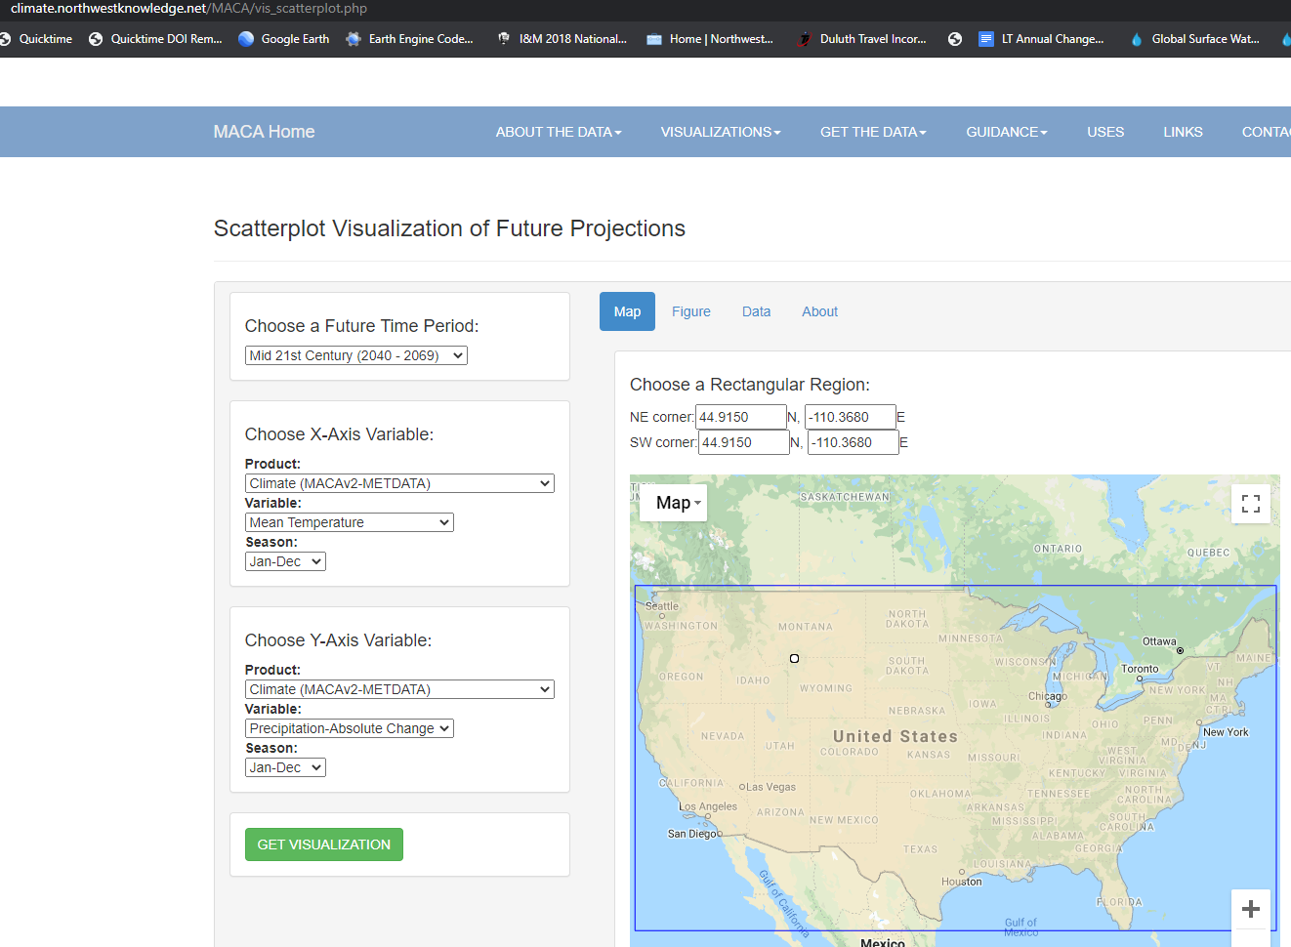
https://climate.northwestknowledge.net/MACA/vis_scatterplot.php

