Seeeduino Pin
Seeeduino Mega

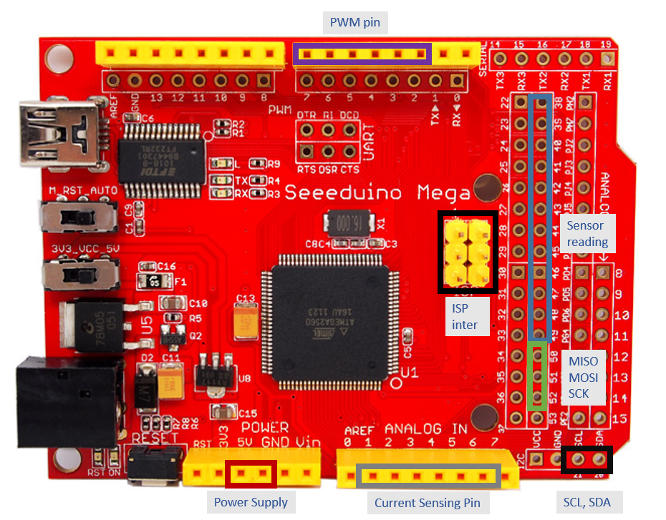
 | Communication
 | MISO | D50
 | MOSI | D51
 | SCK | D52

 | IMU
 | SCL(D21) | SDA(D20) | GND | 3.3V
 | LEDmatrix
 | 5V | GND | SDA(D20) | SCL(D21)
 | Encoder1
 | 5V | GND | D38 | D39
 | Encoder2
 | 5V | GND | D40 | D41

 | MotorController 1
 | BTN1 |  | BTN2 |  | BTN3 |  | INH
 | IS | IN | IS | IN | IS | IN
 | A1 | PWM2 | A2 | PWM3 | A3 | PWM4 | D42

 | Hall1 |  | HALL2 |  | HALL3
 | 5V |  | 5V |  | 5V
 | GND |  | GND |  | GND
 | D43 |  | D44 |  | D45

 | MotorController 2
 | BTN1 |  | BTN2 |  | BTN3 |  | INH
 | IS | IN | IS | IN | IS | IN
 | A4 | PWM5 | A5 | PWM6 | A6 | PWM7 | D46

 | Hall4 |  | HALL5 |  | HALL6
 | 5V |  | 5V |  | 5V
 | GND |  | GND |  | GND
 | D47 |  | D48 |  | D49

