2007 Interim Guidelines
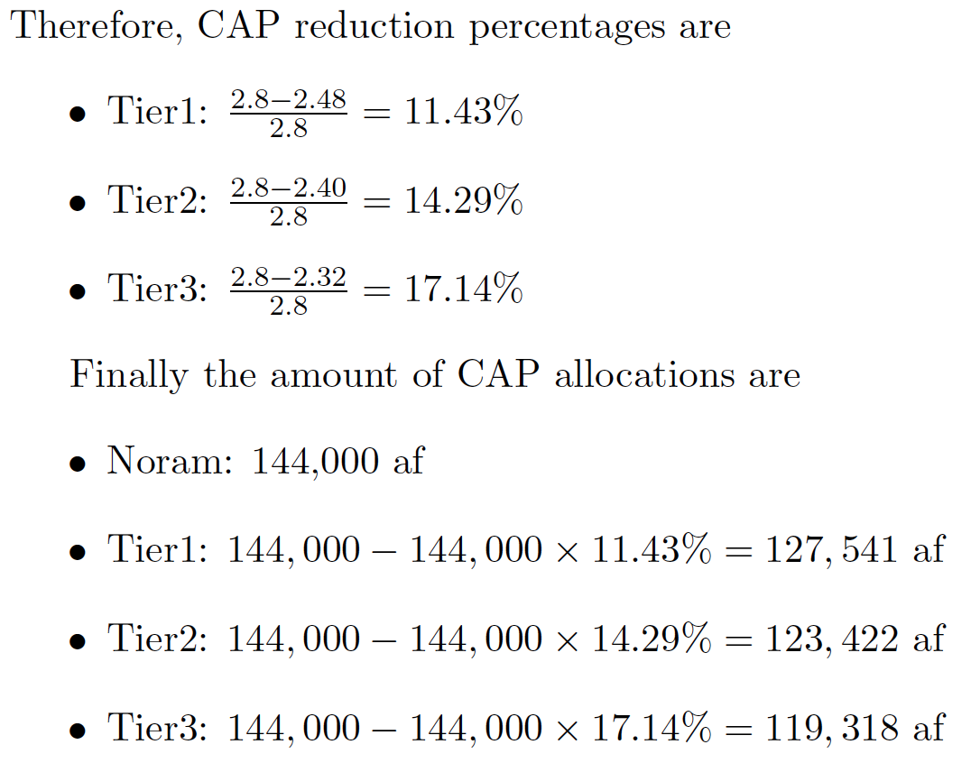
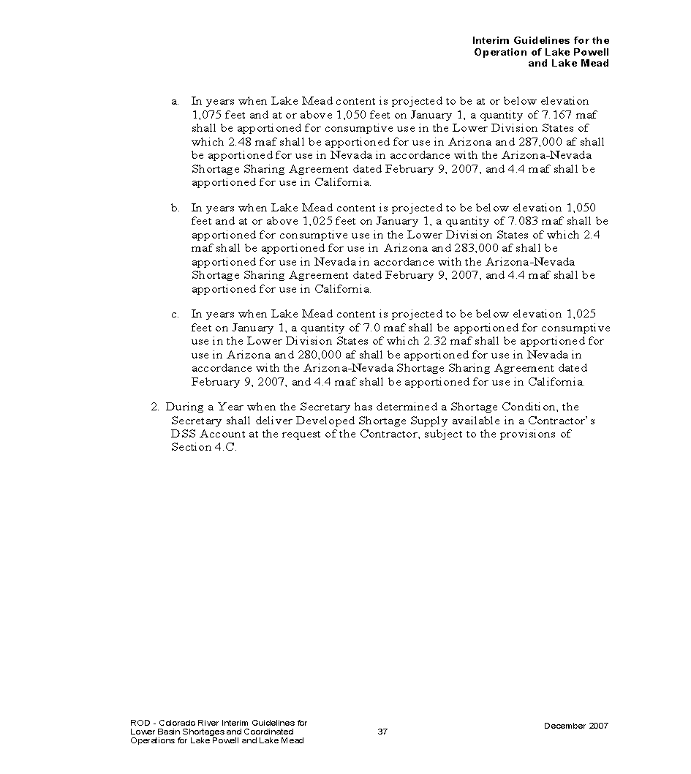

2007 Interim Guidelines Arizona Allocations for 3 Tiers
Tier1 2.48 maf in Arizona
Tier2 2.40 maf in Arizona
Tier3 2.32 maf in Arizona

Boulder Canyon Project Act of 1928
Normal 2.8 maf in Arizona

