2007 Interim Guidelines
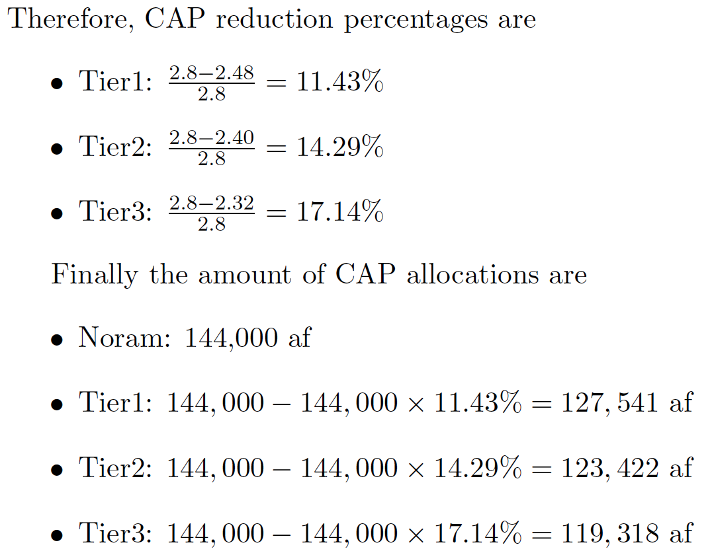
2007 Interim Guidelines Arizona Allocations for 3 Tiers
Tier1 2.48 maf in Arizona
Tier2 2.40 maf in Arizona
Tier3 2.32 maf in Arizona

Boulder Canyon Project Act of 1928
Normal 2.8 maf in Arizona

CAP allocation reduction
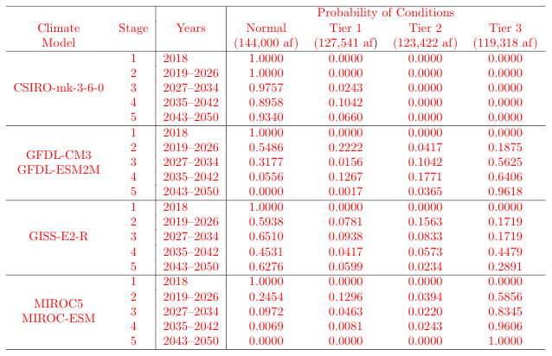

If the elevation of Lake Mead is at or below 1,075 feet and at or above 1,050 feet (Tier 1), 127,541 af is allocated---11.43\% reduction.
If Lake Mead elevation is below 1,050 feet and at or above 1,025 feet (Tier 2), 123,422 af is allocated---14.29\% reduction.
Finally, if Lake Mead elevation is below 1,025 feet (Tier 3), 119,318 af is allocated---17.14\% reduction.

