ANSI-UFAS-91ADA-2010ADA
 | NOTES | Program Access (on or before 6/3/1977) | ANSI (6/4/1977 - 1/17/1991) | UFAS (1/18/1991 - 1/26/1992) | 1991 ADA (1/27/1992 - 9/14/2010) | ADAAG (1/27/1992 - 9/14/2010) | 2010 ADA (on or after 3/15/2012)
PARKING |  | No measurable standard. Observational review only. | Cite 4.3 | Cite 4.6 | Cite 4.6 | See 1991 ADA (ADAAG technical provisions) | Cite Ch. 5
Total # of parking spaces Total # of accessible spaces Total # of van accessible spaces For every 6 Accessible Spaces there must be 1 Van Accessible Space. There must be a min of one Van Accessible Space |  |  | *Spaces are accessible and identified *Parking space open on one side, on level surface is adequate *If placed between two conventional parking spaces, it should be 12ft. Wide | Total Spaces 1-25 / 1 26-50 / 2 51-75 / 3 76-100 / 4 101-150 / 5 151-200 / 6 201-300 / 7 301-400 / 8 401-500 / 9 510-1000/2% of total 20 + 1 for each 100 over 1,000 | Total Spaces 1-25 / 1 26-50 / 2 51-75 / 3 76-100 / 4 101-150 / 5 151-200 / 6 201-300 / 7 301-400 / 8 401-500 / 9 510-1000/2% of total 20 + 1 for each 100 over 1,000 |  | Total Spaces 1-25 / 1 26-50 / 2 51-75 / 3 76-100 / 4 101-150 / 5 151- 200 / 6 201-300 / 7 301-400 / 8 401-500 / 9 510-1000/2% of total 20 + 1 for each 100 over 1,000
Measurement of spaces |  |  | 12ft. Wide if placed between two conventional spaces | Parking space: min 8ft (96") Access Aisle: min 5ft. (60") | *Parking space: min 8ft (96") *Access Aisle: min 5ft. (60") *1 in 8 accessible spaces must be 16ft. (van accessible) See Appendix A 4.6.3 |  | *Parking space: min 8ft (96") *Van parking space: min 11ft (132") *Adjacent access aisle: min 5ft (60") *Exception: Van parking space can be 96" if adjacent access aisle is 96"
Spaces identified with International Symbol of Accessibility |  |  | Yes _____ No _____ | Yes _____ No _____ | Yes _____ No _____ |  | Yes _____ No _____
Closest to accessible entrances |  | No measurable standard. Observational review only. | Yes _____ No _____ Cite 4.3.1 | Yes _____ No _____ Cite 4.6.2 | Yes _____ No _____ Cite 4.6.2 | See 1991 ADA (ADAAG technical provisions) | Yes _____ No _____ Cite 208.3.1
Parking surface is level |  | No measurable standard. Observational review only. | Yes _____ No _____ Cite 4.3.2 | Yes _____ No _____ Cite 4.6.3 | Yes _____ No _____ Cite 4.6.3 | See 1991 ADA (ADAAG technical provisions) | Yes _____ No _____ Cite 502.4
Clear and safe path from parking space to accessible route |  | No measurable standard. Observational review only. | Yes _____ No _____ Cite 4.3.4 | Yes _____ No _____ Cite 4.6.3 | Yes _____ No _____ Cite 4.6.3 | See 1991 ADA (ADAAG technical provisions) | Yes _____ No _____ Cite 502
PARKING Cont. |  | No measurable standard. Observational review only. | Cite 4.3 | Cite 4.6 | Cite 4.6 | See 1991 ADA (ADAAG technical provisions) | Cite Ch. 5
Signage: Van Accessible Height of sign | Yes ___ No ___ | No measurable standard. Observational review only. | *Spaces are identified for use by individuals with physical disabilities. Cite 4.3.1 | *Accessible parking spaces shall be designated as reserved for the disabled by a sign showing the symbol of accessibility. *Such signs shall not be obscured by a vehicle parked in the space. Cite 4.6.4 | *Accessible parking spaces shall be designated by a sign showing the symbol of accessibility. *Van Accessible spaces will have an additional sign "Van Accessible" mounted below the symbol of accessibility. *Such signs shall not be obscured by a vehicle parked in the space. Cite 4.6.4 & 4.30.6 | See 1991 ADA (ADAAG technical provisions) | *Parking space identification signs shall include the International Symbol of Accessibility. *Signs identifying van parking spaces shall contain the designation "van accessible". *Signs shall be 60" min. high. Cite 502.6
PASSENGER LOADING ZONES |  | No measurable standard. Observational review only. | No specific provision identified in this standard; verify | Cite 4.6.5 | Cite 4.6.6 | See 1991 ADA (ADAAG technical provisions) | Cite 209 & 503
Access aisle 60" wide x 20 ft long adjacent and parallel to vehicle pull-up space |  |  | No specific provision identified in this standard; verify | Yes _____ No _____ | Yes _____ No _____ Cite 4.6.6 |  | Yes _____ No _____ Cite 503.3
Vertical clearance min 114" at loading zone and vehicle route |  |  | No specific provision identified in this standard; verify | Yes _____ No _____ | Yes _____ No _____ Cite 4.6.5 |  | Yes _____ No _____ Cite 503.5
Accessible Route/Walk |  | No measurable standard. Observational review only. | Cite 4.2 | Cite 4.3 | Cite 4.3 | See 1991 ADA (ADAAG technical provisions) | Cite 402 & 403
Path of travel is stable, firm, slip resistant, and accessible to entrance | Yes ___ No ___ | No measurable standard. Observational review only. | *Continuous common level surface Cite 4.2.2 | *At least 1 accessible route from parking lots, public transportation stops, loading zones, etc. *At least 1 accessible route shall connect accessible buildings *At least one accessible route shall connect accessible building entrances with all accessible spaces within the building Cite 4.3.2 | *At least 1 accessible route from parking lots, public transportation stops, loading zones, etc. *At least 1 accessible route shall connect accessible buildings *At least one accessible route shall connect accessible building entrances with all accessible spaces within the building Cite 4.3.2 or 4.5.1 | See 1991 ADA (ADAAG technical provisions) | *Accessible routes shall consist of one or more of the following: walking surfaces with a running slope not steeper than 1:20, doorways, ramps, curb ramps excluding the flared sides, elevators, and platform lifts. *Floor and ground surfaces shall be stable, firm and slip resistant Cite 402.2 & 403
Path Width |  | No measurable standard. Observational review only. | *Minimum 48" wide Cite 4.2.1 | *Minimum 36" wide *See Attachment 1 for obstructions in accessible route requirements Cite 4.3.3 | *Minimum 36" wide (except at doors) *32" wide is allowable at points along the route *See Attachment 1 for obstructions in accessible route requirements Cite 4.3.3 | See 1991 ADA (ADAAG technical provisions) | *Minimum 36" wide (except at doors) *Exception: Clear width shall be permitted to reduce to 32" min for a length of 24" max. provided that reduced width segments are separated by segments that are 48" long min. and 36" wide min. *See Attachment 1 Cite 403.5.1
Accessible Route/Walk cont. |  | No measurable standard. Observational review only. | Cite 4.2 | Cite 4.3 | Cite 4.3 | See 1991 ADA (ADAAG technical provisions) | Cite 402 & 403
Path of travel has a continuing surface not interrupted by steps or abrupt changes in level | Yes ___ No ___ | No measurable standard. Observational review only. | Cite 4.2.2 | Cite 4.3.8 | *Slope not greater than 1:20 *If more than 1/2" level change a ramp, elevator or lift must be provided Cite 4.3.8 | See 1991 ADA (ADAAG technical provisions) | *Slope not greater than 1:20. Cross slope not steeper than 1:48 Cite 403.3 and 403.4
Path of travel blends at driveways and parking lots or have curb cuts at driveways and parking lots | Yes ___ No ___ | No measurable standard. Observational review only. | Cite 4.2.3 | Cite 4.3.8 | Cite 4.3.8 | See 1991 ADA (ADAAG technical provisions) | Cite 402.2
Protruding Objects |  |  | N/A | *Protruding objects from wall: between 27" and 80" above the floor, protrude 4" max; *Objects mounted at 27" or less above the floor may protrude any amount. *Free-standing objects mounted on posts or pylons may overhang 12" max. from 27" - 80" off the floor *Objects may not reduce the clear width of an accessible route *Head Room - 80" min clearance. If reduced less than 80", must have a barrier to warn blind or visually-impaired persons Cite 4.4.1 | *Protruding objects from wall: between 27" and 80" above the floor, protrude 4" max; *Objects mounted at 27" or less above the floor may protrude any amount. *Free-standing objects mounted on posts or pylons may overhang 12" max. from 27" - 80" off the floor *Objects may not reduce the clear width of an accessible route *Head Room - 80" min clearance. If reduced less than 80", must have a barrier to warn blind or visually-impaired persons Cite 4.4.1 |  | *Protruding objects from wall: between 27" and 80" above the floor, protrude 4" max; Exception are handrails they can protrude 4.5" max. *Objects mounted at 27" or less above the floor may protrude any amount. *Free-standing objects mounted on posts or pylons may overhang 12" max. from 27" - 80" off the floor *Objects may not reduce the clear width of an accessible route *Head Room - 80" min clearance. If reduced less than 80", must have a barrier to warn blind or visually-impaired persons Cite 307.2
CURB RAMPS |  | No measurable standard. Observational review only. | Cite 5.1 | Cite 4.8 | Cite 4.8 | See 1991 ADA (ADAAG technical provisions) | Cite 405
Maximum Slope: Slope is the measure of how steep a straight line is. For a ramp the maximum running slope allowed is 1:12. That means for every inch of height change there should be at least 12 inches of ramp run (length). 1:20 is less than 1:12 and 1:12 is less than 1:10 | 1:20 = 5% 1:12=8.33% | No measurable standard. Observational review only. | *Must be less than or equal to 1:12 * Cite 5.1.1 | *Max slope of a ramp is 1:12 *Max rise for any run 30" *Cross slope max 1:50 Cite 4.8.2 | *Max slope of a ramp is 1:12 *Max rise for any run 30" *Cross slope max 1:50 Cite 4.8.2 *Exceptions are allowed if space limitations are present: (1)A slope between 1:10-1:12 is allowed for a max rise of 6" (2)A slope between 1:8 - 1:10 is allowed for a max rise of 3". Slope shall not to exceed 1:8 Cite 4.1.6(i & ii) | See 1991 ADA (ADAAG technical provisions) | *Max slope of a ramp is 1:12 *Max rise for any run 30" *Cross slope max 1:48 Cite 405 *Exceptions are allowed if space limitations are present: (1)A slope between 1:10-1:12 is allowed for a max rise of 6" (2)A slope between 1:8 - 1:10 is allowed for a max rise of 3". Slope shall not to exceed 1:8 Cite 405
Clear width | Yes ___ No___ |  | N/A | *Min 36" Cite 4.8.3 | *Min 36" Cite 4.8.3 |  | *Min 36" Cite 405.5
Surface | Yes ___ No___ | No measurable standard. Observational review only. | *A ramp will have a surface that is non-slip Cite 5.1.3 | *Accessible ramps shall be stable, firm, slip-resistant Cite 4.5.1 | *Accessible ramps shall be stable, firm, slip-resistant Cite 4.5.1 | See 1991 ADA (ADAAG technical provisions) | *Accessible ramps shall be stable, firm, slip-resistant Cite 302.1
Sides of Curb Ramps | Yes ___ No ___ |  | N/A | *If a curb ramp is located where pedestrians must walk across the ram, or where it is not protected by handrails, it shall have flared sides; the max. slope of the flare shall be 1:10. Curb ramps with returned curbs may be used where pedestrians would not normally walk across the ramp. Cite 4.7.5 | *If a curb ramp is located where pedestrians must walk across the ram, or where it is not protected by handrails, it shall have flared sides; the max. slope of the flare shall be 1:10. Curb ramps with returned curbs may be used where pedestrians would not normally walk across the ramp. Cite 4.7.5 |  | *Where provided, curb ramp flares shall not be steeper than 1:10 Cite: 406.3
CURB RAMPS cont. |  | No measurable standard. Observational review only. | Cite 5.1 | Cite 4.8 | Cite 4.8 | See 1991 ADA (ADAAG technical provisions) | Cite 405
Built Up Curb Ramps | Yes ___ No ___ |  | N/A | *Built up curb ramps shall be located so that they do not project into vehicular traffic lanes Cite: 4.7.6 | *Built up curb ramps shall be located so that they do not project into vehicular traffic lanes Cite: 4.7.6 |  | *Built up curb ramps shall be located so that they do not project into vehicular traffic lanes, parking spaces or parking access aisles. Cite: 406.5
Level landings at top and bottom of ramp | Yes ___ No ___ | No measurable standard. Observational review only. | *Top of ramp has 5ft by 5ft clearance *Bottom of ramp has 6ft straight clearance Cite 5.1.4 & 5.1.6 | *Landing is as wide as run leading to it *Landing length min 60" clear *If ramp changes direction at landing, min landing 60" X 60" Cite 4.8.4 | *Landing is as wide as run leading to it *Landing length min 60" clear *If ramp changes direction at landing, min landing 60" X 60" Cite 4.8.4 | See 1991 ADA (ADAAG technical provisions) | *Landing is as wide as run leading to it *Landing length min 60" clear *If ramp changes direction at landing, min landing 60" X 60" Cite 405
Detectable Warnings | Yes ___ No ___ |  | N/A | N/A | *A curb ramp shall have a detectable warning that extends the full width and depth of the ramp Cite 4.7.7 *Detectable warnings shall consist of raised truncated domes with a diameter of nominal .9in, a height of nominal .2in and a center-to-center spacing of nominal 2.35in and shall contrast visually with adjoining surfaces, either light-on-dark or dark-on-light Cite 4.29.2 |  | *Neither DOJ’s ADA Standards (2010) nor the ABA Standards, which apply to federally funded facilities, require detectable warnings on curb ramps. Reference: http://www.access-board.gov/guidelines-and-standards/streets-sidewalks/public-rights-of-way/guidance-and-research/detectable-warnings-update
CURB RAMPS cont. |  | No measurable standard. Observational review only. | Cite 5.1 | Cite 4.8 | Cite 4.8 | See 1991 ADA (ADAAG technical provisions) | Cite 405 & 302
Gratings | Yes ___ No___ |  | N/A | N/A | *If gratings are located in walking surfaces, they shall have spaces no greater than 1/2in wide in one direction *If gratings have elongated openings, then they shall be placed so that the long dimension is perpendicular to the dominant direction of travel Cite 4.5.4 |  | *If gratings are located in walking surfaces, they shall have spaces no greater than 1/2in wide in one direction *If gratings have elongated openings, then they shall be placed so that the long dimension is perpendicular to the dominant direction of travel Cite 302.3
Obstructions | Yes ___ No___ |  | N/A | *Curb ramps shall be located or protected to prevent their obstruction by parked vehicles. Cite: 4.7.8 | *Curb ramps shall be located or protected to prevent their obstruction by parked vehicles. Cite: 4.7.8 |  | *Curb ramps shall be located so that they do not project into vehicular traffic lanes, parking spaces or parking access aisles. Cite: 406.5
Location at Marked Crossings | Yes ___ No___ |  | N/A | *Curb ramps at marked crossings shall be wholly contained within the markings, excluding any flared sides Cite: 4.7.9 | *Curb ramps at marked crossings shall be wholly contained within the markings, excluding any flared sides Cite: 4.7.9 |  | *Curb ramps at marked crossings shall be wholly contained within the markings, excluding any flared sides Cite: 406.5
CURB RAMPS cont. |  | No measurable standard. Observational review only. | Cite 5.1 | Cite 4.8 | Cite 4.8 | See 1991 ADA (ADAAG technical provisions) | Cite 405
Diagonal Curb Ramps | Yes ___ No ___ |  | N/A | *If diagonal (or corner type) curb ramps have returned curbs or other well-defined edges, such edges shall be parallel to the direction of pedestrian flow. The bottom of diagonal curb ramps shall have 48" minimum clear space. *If diagonal curb ramps are provided at marked crossings, the 48" clear space shall be within the markings. *If diagonal curb ramps have flared sides, they shall also have at least a 24" long segment of straight curb located on each side of the curb ramp and within the marked crossing. Cite 4.7.10 | *If diagonal (or corner type) curb ramps have returned curbs or other well-defined edges, such edges shall be parallel to the direction of pedestrian flow. The bottom of diagonal curb ramps shall have 48" minimum clear space. *If diagonal curb ramps are provided at marked crossings, the 48" clear space shall be within the markings. *If diagonal curb ramps have flared sides, they shall also have at least a 24" long segment of straight curb located on each side of the curb ramp and within the marked crossing. Cite 4.7.10 |  | *If diagonal (or corner type) curb ramps have returned curbs or other well-defined edges, such edges shall be parallel to the direction of pedestrian flow. The bottom of diagonal curb ramps shall have 48" minimum space outside of active traffic lanes of the roadway. *Diagonal curb ramps provided at marked crossings shall have 48" min clear space within the markings *Diagonal curb ramps with flared sides, shall also have at least a 24" long segment of straight curb located on each side of the curb ramp and within the marked crossing. Cite 4.7.10
CURB RAMPS cont. |  | No measurable standard. Observational review only. | Cite 5.1 | Cite 4.8 | Cite 4.8 | See 1991 ADA (ADAAG technical provisions) | Cite 405
Islands | Yes ___ No___ |  | N/A | *Any raised islands in crossings shall be cut through level with the street or have curb ramps at both sides and a level area at least 48" long in the part of the island intersected by the crossings Cite 4.7.11 | *Any raised islands in crossings shall be cut through level with the street or have curb ramps at both sides and a level area at least 48" long between the curb ramps in the part of the island intersected by the crossing. Cite 4.7.11 |  | *Raised islands in crossings shall be cut through level with the street or have curb ramps at both sides. Each curb ramp shall have a level area 48" long min by 36" wide min at the top of the curb ramp in the part of the island intersected by the crossings. Each 48"min by 36" min area shall be oriented so that the 48" min length is in the direction of the running slope of the curb ramp it serves. The 48" min by 36" min areas and the accessible route shall be permitted to overlap. Cite 406.7
Ramps |  | No measurable standard. Observational review only. | Cite 5.1 | Cite 4.8 | Cite 4.1 | See 1991 ADA (ADAAG technical provisions) | Cite 405
Any part of an accessible route with a slope greater than 1:20 shall be considered a ramp and shall comply with standards
Maximum Slope: Slope is the measure of how steep a straight line is. For a ramp the maximum running slope allowed is 1:12. That means for every inch of height change there should be at least 12 inches of ramp run (length). | 1:20 = 5% 1:12=8.33% | No measurable standard. Observational review only. | *Must be less than or equal to 1:12 * Cite 5.1.1 | *Max slope of a ramp is 1:12 *Max rise for any run 30" *Cross slope max 1:50 Cite 4.8.2 | *Max slope of a ramp is 1:12 *Max rise for any run 30" *Cross slope max 1:50 Cite 4.8.2 *Exceptions are allowed if space limitations are present: (1)A slope between 1:10-1:12 is allowed for a max rise of 6" (2)A slope between 1:8 - 1:10 is allowed for a max rise of 3". Slope shall not to exceed 1:8 Cite 4.1.6(i & ii) | See 1991 ADA (ADAAG technical provisions) | *Max slope of a ramp is 1:12 *Max rise for any run 30" *Cross slope max 1:48 Cite 405 *Exceptions are allowed if space limitations are present: (1)A slope between 1:10-1:12 is allowed for a max rise of 6" (2)A slope between 1:8 - 1:10 is allowed for a max rise of 3". Slope shall not to exceed 1:8 Cite 405
Handrail Height |  | No measurable standard. Observational review only. | *32" from surface of ramp Cite 5.1.2 | *Top of handrail 30" - 34" from surface of ramp Cite 4.8.5(5) | *Top of handrail 34" - 38" from surface of ramp Cite 4.8.5(5) | See 1991 ADA (ADAAG technical provisions) | *Top of handrail 34" - 38" from surface of ramp Cite 505.4
Number of Handrails |  | No measurable standard. Observational review only. | *On at least 1 side Cite 5.1.2 | *Both sides if rise is >6" Cite 4.8.5 | *Both sides if rise is >6" Cite 4.8.5 | See 1991 ADA (ADAAG technical provisions) | *Both sides if rise is >6" Cite 405.8
Ramps cont. |  | No measurable standard. Observational review only. | Cite 5.1 | Cite 4.8 | Cite 4.1 | See 1991 ADA (ADAAG technical provisions) | Cite 405
Handrail has a smooth surface and extends beyond top and bottom of ramp | Yes ___ No ___ | No measurable standard. Observational review only. | *Extend 1ft beyond top and bottom of ramp Cite 5.1.2 | *Extend 1ft beyond top and bottom of ramp Cite 4.8.5(2) | *Extend 1ft beyond top and bottom of ramp *If ramp has a switchback or dogleg, the inside handrail will be continuous Cite 4.8.5(2) & 4.8.5 (1) | See 1991 ADA (ADAAG technical provisions) | *Extend 1ft beyond top and bottom of ramp *If ramp has a switchback or dogleg, the inside handrail will be continuous Cite 505.8 & 505.10
Cross Slope Cross slope is the slope of the surface perpendicular to the direction of travel. Cross slope is measured the same way as slope is measured |  |  | N/A | *The cross slope of ramp surfaces shall be no greater than 1:50. Ramp surfaces shall comply with 4.5 Cite: 4.8.6 | *The cross slope of ramp surfaces shall be no greater than 1:50. Ramp surfaces shall comply with 4.5 Cite: 4.8.6 |  | *Cross slope of ramp runs shall not be steeper than 1:48 Cite: 405.3
Ramps cont. |  | No measurable standard. Observational review only. | Cite 5.1 | Cite 4.8 | Cite 4.1 | See 1991 ADA (ADAAG technical provisions) | Cite 405
Edge Projection |  |  | N/A | *Ramps and landings with drop-offs shall have curbs, walls, railings, or projecting surfaces that prevent people from slipping off the ramp. Curbs shall be a minimum of 2" high Cite: 4.8.7 | *Ramps and landings with drop-offs shall have curbs, walls, railings, or projecting surfaces that prevent people from slipping off the ramp. Curbs shall be a minimum of 2" high Cite: 4.8.7 |  | *Edge protection complying with 405.9.1 or 405.9.2 shall be provided on each side of ramp runs and at each side of ramp landings. Exceptions: *Ramps have flared sides complying with 406.3 *Edge protection shall not be required on sides of ramp landings having a vertical drop-of of 1/2" max within 10" horizontally of the min landing area specified in 405.7 Cite: 405.9
Ramps cont. |  | No measurable standard. Observational review only. | Cite 5.1 | Cite 4.8 | Cite 4.1 | See 1991 ADA (ADAAG technical provisions) | Cite 405
Landings |  | No measurable standard. Observational review only. | *Top of ramp has 5ft by 5ft clearance *Bottom of ramp has 6ft straight clearance Cite 5.1.4 & 5.1.6 | *Landing is as wide as run leading to it *Landing length min 60" clear *If ramp changes direction at landing, min landing 60" X 60" *if a doorway is located at a landing, then the area in front of the doorway shall comply with 4.13.6 Cite 4.8.4 | *Landing is as wide as run leading to it *Landing length min 60" clear *If ramp changes direction at landing, min landing 60" X 60" *if a doorway is located at a landing, then the area in front of the doorway shall comply with 4.13.6 Cite 4.8.4 | See 1991 ADA (ADAAG technical provisions) | *Ramps shall have landings at the top and bottom of each ramp run. Shall comply with 405.7 *Changes in level are not permitted; Comply with 302 *Landing clear width shall be at least as wide as the widest ramp run leading to the landing *Landing clear length shall be 60" long min *Ramps that change direction between runs at landings shall have a clear landing 60" min by 60" min. *Where doorways are located adjacent to a ramp landing, maneuvering clearances required by 404.2.4 and 404.3.2 shall be permitted to overlap the required landing space Cite 405
Outdoor Conditions |  |  | N/A | *Outdoor ramps and their approaches shall be designed so that water will not accumulate on walking surfaces Cite: 4.8.8 | *Outdoor ramps and their approaches shall be designed so that water will not accumulate on walking surfaces Cite: 4.8.8 |  | *Landings subject to wet conditions shall be designed to prevent the accumulation of water Cite: 405.10
STAIRWAYS AND STEPS |  | No measurable standard. Observational review only. | Verify cite against current instrument | Cite 4.9 | Cite 4.9 | See 1991 ADA (ADAAG technical provisions) | Cite 504
Riser height uniform, max 7" |  |  | Verify cite against current instrument | Yes _____ No _____ Cite 4.9.2 | Yes _____ No _____ Cite 4.9.2 |  | Yes _____ No _____ 4"-7" uniform Cite 504.2
Tread depth min 11" |  |  | Verify cite against current instrument | Yes _____ No _____ Cite 4.9.2 | Yes _____ No _____ Cite 4.9.2 |  | Yes _____ No _____ Cite 504.2
Handrail height |  |  | 30"-34" | 30"-34" Cite 4.9.4 | 34"-38" Cite 4.9.4 |  | 34"-38" Cite 505.4
Nosings (no abrupt underside; max 1-1/2" projection) |  |  | Verify cite against current instrument | Yes _____ No _____ Cite 4.9.3 | Yes _____ No _____ Cite 4.9.3 |  | Yes _____ No _____ Cite 504.5
Entrances |  | No measurable standard. Observational review only. | Cite 5.2 | Cite 4.14 | Cite 4.14 | See 1991 ADA (ADAAG technical provisions) | Cite 206
Entrances | Yes ___ No ___ | No measurable standard. Observational review only. | *At least one primary entrance to each building shall be usable by individuals in wheelchairs Cite: 5.2.1 | *Entrances required to be accessible by 4.1 shall be part of an accessible route and shall comply with 4.3. Such entrances shall be connected by an accessible route to public transportation stops, to accessible parking and passenger loading zones, and to public streets or sidewalks if available (see 4.3.2(1)). They shall also be connected by an accessible route to all accessible spaces or elements within the building or facility Cite: 4.14.1 | *Entrances required to be accessible by 4.1 shall be part of an accessible route and shall comply with 4.3. Such entrances shall be connected by an accessible route to public transportation stops, to accessible parking and passenger loading zones, and to public streets or sidewalks if available (see 4.3.2(1)). They shall also be connected by an accessible route to all accessible spaces or elements within the building or facility Cite: 4.14.1 | See 1991 ADA (ADAAG technical provisions) | *Entrance doors, doorways, and gates shall comply with 404 and shall be on an accessible route complying with 402. *At least 60% of all public entrances shall be accessible Cite 206.4.1
Entrances | Yes ___ No ___ N/A ___ | No measurable standard. Observational review only. | *At least one entrance usable by individuals in wheelchairs shall be on a level that would make the elevators accessible Cite: 5.2.2 | Covered above | Covered above | See 1991 ADA (ADAAG technical provisions) | Covered above
Service Entrance |  |  | N/A | *A service entrance shall not be the sole accessible entrance unless it is the only entrance to a building or facility (for example, in a factory or garage) Cite: 4.14.2 | *A service entrance shall not be the sole accessible entrance unless it is the only entrance to a building or facility (for example, in a factory or garage) Cite: 4.14.2 |  | *If a service entrance is the only entrance to a building, that entrance shall comply with 404. Cite 206.4.8
Entrances cont. |  | No measurable standard. Observational review only. | Cite 5.2 | Cite 4.1.1 (1) | Cite 4.1.2 (7) ( c ) | See 1991 ADA (ADAAG technical provisions) | Cite 206 & 703.4.2
Entrances clearly marked with International Symbol of Accessibility | Yes ___ No ___ |  | N/A | *Required | *Required |  | *Required
Doors & Doorways |  | No measurable standard. Observational review only. | Cite 5.3 | Cite 4.13 | Cite 4.13 | See 1991 ADA (ADAAG technical provisions) | Cite 404
Clear width |  | No measurable standard. Observational review only. | *Doors shall have a clear opening of no less than 32" when open and shall be operable by a single effort Cite 5.3.1 | *Doorways shall have a min clear opening of 32" with the door open 90 degrees. (measured from face of door to opposite stop) Cite: 4.13.5 (Openings with more than 24" in depth shall comply with 4.2.1 & 4.3.3) | *Doorways shall have a min clear opening of 32" with the door open 90 degrees. (measured from face of door to opposite stop) Cite: 4.13.5 (Openings with more than 24" in depth shall comply with 4.2.1 & 4.3.3) | See 1991 ADA (ADAAG technical provisions) | *Door openings shall provide a clear width of 32" min. Measured between the face of the door and the stop, with the door open 90 degrees. *Openings more than 24" deep shall provide a clear opening of 36" min. *There shall be no projections into the required clear opening width lower than 34" above the ground. Cite 404.2.3
Doors & Doorways cont. |  | No measurable standard. Observational review only. | Cite 5.3 | Cite 4.13 | Cite 4.13 | See 1991 ADA (ADAAG technical provisions) | Cite 404
Maneuvering Clearance at Doors |  | No measurable standard. Observational review only. | *The floor on the inside and outside of each doorway shall be level for a distance of 5ft from the door in the direction the door swings and shall extend 1 ft. beyond each side of the door. Cite 5.3.3 | 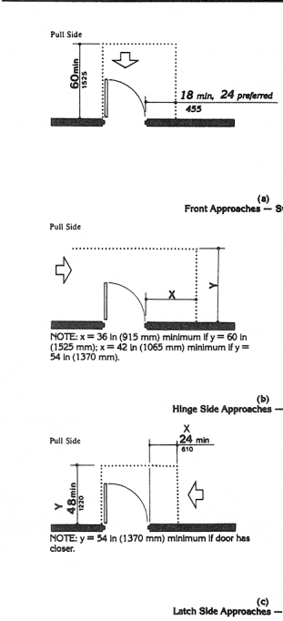 Cite: 4.13.6 | Cite: 4.13.6 | See 1991 ADA (ADAAG technical provisions) | 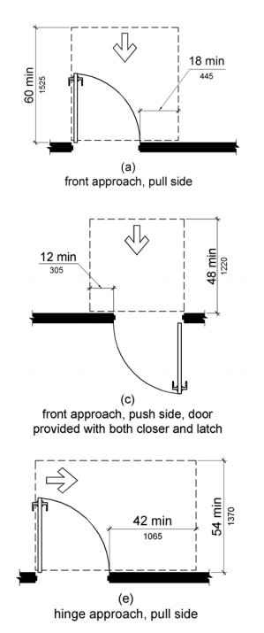 Cite: 404.2.4.1
Doors & Doorways cont. |  | No measurable standard. Observational review only. | Cite 5.3 | Cite 4.13 | Cite 4.13 | See 1991 ADA (ADAAG technical provisions) | Cite 404
Maneuvering Clearance at Doors, continued |  |  |  | 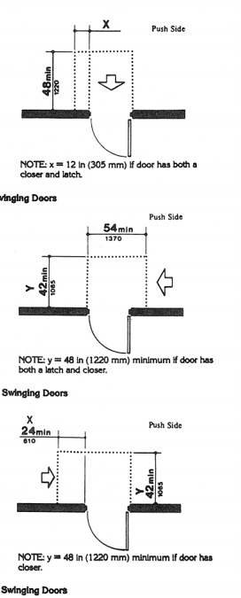 Cite: 4.13.6 | Cite: 4.13.6 |  | 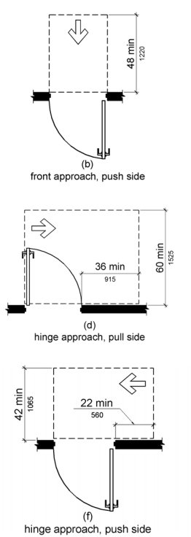 Cite: 404.2.4.1
Doors & Doorways cont. |  | No measurable standard. Observational review only. | Cite 5.3 | Cite 4.13 | Cite 4.13 | See 1991 ADA (ADAAG technical provisions) | Cite 404
Two Doors in Series |  |  |  | *Minimum space between two doors in series shall be 48" plus the width of the door swinging into the space. *Doors in series shall swing either in the same direction or away from the space between the doors Cite: 4.13.7 | *Minimum space between two doors in series shall be 48" plus the width of the door swinging into the space. *Doors in series shall swing either in the same direction or away from the space between the doors Cite: 4.13.7 |  | *Minimum space between two doors in series shall be 48" plus the width of the door swinging into the space. Cite: 404.2.6
Thresholds at Doorways |  | No measurable standard. Observational review only. | *Sharp inclines and abrupt changes in level shall be avoided at doorsills. As much as possible, thresholds shall be flush with the floor. Applies to interior and exterior thresholds. Cite: 5.3.3 | *Shall not exceed 3/4" in exterior sliding doors. *Shall not exceed 1/2" in all other doors. *Raised thresholds and floor level changes at accessible doorways shall be beveled with a slope no greater than 1:2 Cite: 4.13.8 | *Shall not exceed 3/4" in exterior sliding doors. *Shall not exceed 1/2" in all other doors. *Raised thresholds and floor level changes at accessible doorways shall be beveled with a slope no greater than 1:2 Cite: 4.13.8 | See 1991 ADA (ADAAG technical provisions) | *Shall be 1/2"max. Raised thresholds and changes in level at doorways shall comply with 302 & 303. *Exception: existing or altered thresholds 3/4" high max. that have a beveled edge on each side with a slope not steeper than 1:2 shall not be required to comply with 404.2.5 Cite: 404.2.5
Door Hardware |  |  | N/A | *Handles, pulls, latches, locks and other operating devices on doors shall have a shape that is easy to grasp with one hand and does not require tights grasping, tight pinching, or twisting of the wrist to operate. *Hardware shall not be mounted higher than 48" Cite: 4.13.9 | *Handles, pulls, latches, locks and other operating devices on doors shall have a shape that is easy to grasp with one hand and does not require tights grasping, tight pinching, or twisting of the wrist to operate. *Hardware shall not be mounted higher than 48" Cite: 4.13.9 |  | *Operable parts shall be operable with one hand and shall not require tight grasping, pinching, or twisting of the wrist. *Force required to operate shall be max 5lbs. Cite: 309.4 *Hardware shall be mounted between 34" min and 48" max above floor. Cite: 404.2.7
Doors & Doorways cont. |  | No measurable standard. Observational review only. | Cite 5.3 | Cite 4.13 | Cite 4.13 | See 1991 ADA (ADAAG technical provisions) | Cite 404
Door Closers |  | No measurable standard. Observational review only. | *Care should be taken in the selection, placement, and setting of door closers so that they do not prevent the use of doors by the physically disabled. Time-delay door closers are recommended. Cite: 5.3.3 (1) | *If door has a closer: Sweep period shall be min 3 second closure from 70 degrees to 3 inches from the latch Cite: 4.13.10 | *If door has a closer: Sweep period shall be min 3 second closure from 70 degrees to 3 inches from the latch Cite: 4.13.10 | See 1991 ADA (ADAAG technical provisions) | *Closer must be adjusted so that from an open position of 90 degrees, the time required to move the door to a position of 12 degrees from the latch is a min of 5 seconds. Cite: 404.2.8.1 *Spring Hinges: Shall be adjusted so that from a position of 70 degrees, the door shall move to the closed position in 1.5 seconds Cite: 404.2.8.2
Door Opening Force |  |  | N/A | *Maximum 5 lb. force Cite: 4.13.11(b) (Exception: Fire Doors - min opening force allowable by appropriate administrative authority) | *Maximum 5 lb. force Cite: 4.13.11(b) (Exception: Fire Doors - min opening force allowable by appropriate administrative authority) |  | *Maximum 5 lb. force Cite: 404.2.9 (Exception: Fire Doors - min opening force allowable by appropriate administrative authority)
Doors & Doorways cont. |  | No measurable standard. Observational review only. | Cite 5.3 | Cite 4.13 | Cite 4.13 | See 1991 ADA (ADAAG technical provisions) | Cite 404
Automatic Doors & Power Assisted Doors |  | No measurable standard. Observational review only. | *Automatic doors that conform to 5.3.1, 5.3.2 & 5.3.3 are satisfactory Cite: 5.3 (2) | *Such doors shall not open to back check faster than 3 seconds and shall require no more than 15lbf to stop door movement. *Door opening force max. 5lbf Cite: 4.13.12 | *Such doors shall not open to back check faster than 3 seconds and shall require no more than 15lbf to stop door movement. *Door opening force max. 5lbf Cite: 4.13.12 | See 1991 ADA (ADAAG technical provisions) | *32" min door opening *Clearances at automatic doors and gates without standby power and service an accessible means of egress shall comply with 404.2.4 (Exception: if door remains open in the power-off condition). *Where doors and gates without standby power are a part of the means of egress, the clear break out opening at swinging doors shall be 32" min when operated in emergency mode Cite: 404.3
ACCESSIBLE MEANS OF EGRESS / AREAS OF RESCUE ASSISTANCE |  | No measurable standard. Observational review only. | No specific provision identified in this standard; verify | Verify cite against current instrument | Cite 4.1.3(9) & 4.3.11 | See 1991 ADA (ADAAG technical provisions) | Cite 207
Accessible means of egress provided; areas of rescue assistance with two-way communication where required |  |  | No specific provision identified in this standard; verify | Yes _____ No _____ | Yes _____ No _____ Cite 4.3.11 |  | Yes _____ No _____ Cite 207 (refers to IBC)
Elevators |  | No measurable standard. Observational review only. | Cite 5.9 | Cite 4.10 | Cite 4.10 | See 1991 ADA (ADAAG technical provisions) | Cite 407
Hall Call Buttons |  | No measurable standard. Observational review only. | *Accessible & usable by physically disabled Cite: 5.9.1 | *Call buttons shall be centered at 42" above the floor. *Shall have visual signals when each call is registered and when each call is answered *Call buttons shall be a min 3/4" in diameter *Button designating the up direction shall be on top. *Objects mounted beneath the call buttons shall not project into the elevator lobby more than 4" Cite: 4.10.3 | *Call buttons shall be centered at 42" above the floor. *Shall have visual signals when each call is registered and when each call is answered *Call buttons shall be a min 3/4" in diameter *Button designating the up direction shall be on top. *Objects mounted beneath the call buttons shall not project into the elevator lobby more than 4" Cite: 4.10.3 | See 1991 ADA (ADAAG technical provisions) | *Shall be raised or flush See exceptions in 407.2.1 *Call buttons and Keypads shall be located within one of the reach ranges specified in 308 (Mainly 15 min & 48" max). (See exceptions in 407.2.1.1) *Buttons shall be min 3/4" diameter (see exception 407.2.1.2) Cite: 407
Elevators cont. |  | No measurable standard. Observational review only. | Cite 5.9 | Cite 4.10 | Cite 4.10 | See 1991 ADA (ADAAG technical provisions) | Cite 407
Hall Lanterns
 |  |  | *Accessible & usable by physically disabled Cite: 5.9.2 | 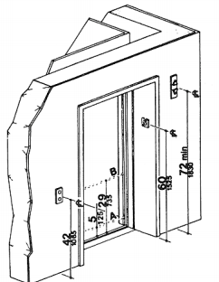 Cite: 4.10.4 | Cite: 4.10.4 |  | 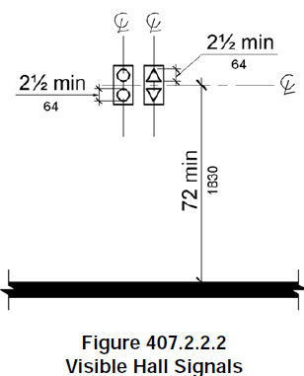 Cite: 407.2.2.2
Hall Lanterns, cont. |  | No measurable standard. Observational review only. | *Accessible & usable by physically disabled Cite: 5.9.2 | *A visible and audible signal shall be provided at each hoistway entrance to indicate which car is answering a call. *Audible signals shall sound once for up and twice for down or have verbal annunciators. Cite: 4.10.4 | *A visible and audible signal shall be provided at each hoistway entrance to indicate which car is answering a call. *Audible signals shall sound once for up and twice for down or have verbal annunciators. Cite: 4.10.4 | See 1991 ADA (ADAAG technical provisions) | *A visible and audible signal shall be provided at each hoistway entrance to indicate which car is answering a call and the car's direction of travel. Where in-car signals are provided, they shall be visible from the floor area adjacent to the hall call buttons. *Audible signals shall sound once for up and twice for down or have verbal annunciators Cite: 407.2.2.1; 407.2.2.2; 407.2.2.3
Elevators cont. |  | No measurable standard. Observational review only. | Cite 5.9 | Cite 4.10 | Cite 4.10 | See 1991 ADA (ADAAG technical provisions) | Cite 407
Raised & Braille Characters on Hoistway Entrances |  |  | N/A | *All elevator hoistway entrances shall have raised and braille floor designations on both door jams. *Centerline of characters shall be 60" above floor and 2" high Cite: 4.10.5 | *All elevator hoistway entrances shall have raised and braille floor designations on both door jams. *Centerline of characters shall be 60" above floor and 2" high Cite: 4.10.5 |  | *All elevator hoistway entrances shall have raised and braille floor designations on both door jams. *Tactile characters shall be 2" high *A tactile star shall be provided on both jams of the main entry level. Cite: 407.2.3.1
Door Protective & Reopening Device |  | No measurable standard. Observational review only. | *Accessible & usable by physically disabled Cite: 5.9 | *Elevator doors shall automatically stop and open if the door becomes obstructed and shall remain open min 20 seconds *Device shall not require physical touch to stop Cite: 4.10.6 | *Elevator doors shall automatically stop and open if the door becomes obstructed and shall remain open min 20 seconds *Device shall not require physical touch to stop Cite: 4.10.6 | See 1991 ADA (ADAAG technical provisions) | *Elevator doors shall automatically stop and open if the door becomes obstructed and shall remain open min 20 seconds *Device shall not require physical touch to stop Cite: 407.3
Elevators cont. |  | No measurable standard. Observational review only. | Cite 5.9 | Cite 4.10 | Cite 4.10 | See 1991 ADA (ADAAG technical provisions) | Cite 407
Floor Plan of Elevator Cars |  | No measurable standard. Observational review only. | *Accessible & usable by physically disabled Cite: 5.9 | 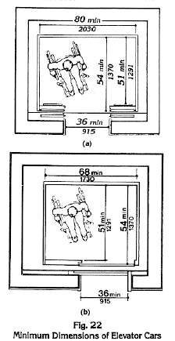 Cite: 4.10.9 | Cite: 4.10.9 | See 1991 ADA (ADAAG technical provisions) | 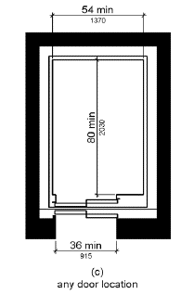 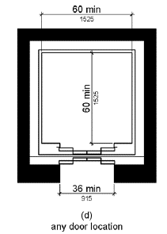 These configurations plus the 1991 ADA standards Cite: 407.4.1
Elevators cont. |  | No measurable standard. Observational review only. | Cite 5.9 | Cite 4.10 | Cite 4.10 | See 1991 ADA (ADAAG technical provisions) | Cite 407
Car Controls |  | No measurable standard. Observational review only. | *Accessible & usable by physically disabled Cite: 5.9 | *Buttons shall be at least 3/4" in diameter *All button shall be designated by Braille and raised standard alphabet charters, numerals and symbols. Raised star for main entry level. *All floor buttons shall be no higher than 48" above the floor unless there is a substantial increase in cost, in which case the max height may be increased to 54" above floor *Emergency alarm and stop shall be at the bottom of the panel and no more than 35" above floor Cite: 4.10.12 | *Buttons shall be at least 3/4" in diameter *All button shall be designated by Braille and raised standard alphabet charters, numerals and symbols. Raised star for main entry level. *All floor buttons shall be no higher than 54" above the floor for side approach and no more than 48" for front approach *Emergency alarm and stop shall be at the bottom of the panel and no more than 35" above floor Cite: 4.10.12 | See 1991 ADA (ADAAG technical provisions) | *Buttons shall be at least 3/4" in diameter *All button shall be designated by Braille and raised standard alphabet charters, numerals and symbols. Raised star for main entry level. *All floor buttons shall be no higher than 48" above the floor unless it is an existing elevator, in which case the max height may be increased to 54" above floor. *Emergency alarm and stop shall be at the bottom of the panel and no more than 35" above floor Cite: 407.4.6
Platform Lifts |  | No measurable standard. Observational review only. | Cite 5.9 | Cite 4.11.3 | Cite 4.11.3 | See 1991 ADA (ADAAG technical provisions) | Cite 410.1
Unassisted entry and exit | Yes ___ No ___ N/A ___ | No measurable standard. Observational review only. | *Must be accessible to and usable by disabled Cite: 5.9 | *Shall facilitate unassisted entry & exit Cite: 4.11.3 | *Shall facilitate unassisted entry & exit Cite: 4.11.3 | See 1991 ADA (ADAAG technical provisions) | *Shall facilitate unassisted entry & exit Cite: 410.1
Drinking Fountains |  | No measurable standard. Observational review only. | Cite 5.7 | Cite 4.15 | Cite 4.15 | See 1991 ADA (ADAAG technical provisions) | Cite 211 & 602
Number of Drinking Fountains |  | No measurable standard. Observational review only. | *Appropriate number of fountains accessible Cite: 5.7 | *If only one fountain, it must be accessible *If more than one, 50% of total number must be accessible *A high-lo unit will suffice Cite: 4.15.1 | *If only one fountain, it must be accessible *If more than one, 50% of total number must be accessible *A high-lo unit will suffice Cite: 4.15.1 See also: Appendix 4.1.3 (10 a & b) | See 1991 ADA (ADAAG technical provisions) | *No fewer than two fountains shall be provided, one of which is accessible. *Where more than two fountains are provided, 50% shall be accessible. Cite: 211.2 & 211.3
Drinking Fountains cont. |  | No measurable standard. Observational review only. | Cite 5.7 | Cite 4.15 | Cite 4.15 | See 1991 ADA (ADAAG technical provisions) | Cite 211 & 602
Spout Height |  | No measurable standard. Observational review only. | *Must be accessible to and usable by disabled Cite: 5.7 | *Shall be no higher than 36" from the floor to spout outlet Cite: 4.15.2 | *Shall be no higher than 36" from the floor to spout outlet Cite: 4.15.2 | See 1991 ADA (ADAAG technical provisions) | *Spout outlets shall be 36 max. above the floor Cite: 602.4
Spout Location |  | No measurable standard. Observational review only. | *Must be accessible to and usable by disabled Cite: 5.7 | *Shall be at the front of the unit and shall direct the water flow in a trajectory that is parallel or nearly parallel to the front of the unit. *Spout shall provide a flow of water at least 4" high Cite: 4.15.3 | *Shall be at the front of the unit and shall direct the water flow in a trajectory that is parallel or nearly parallel to the front of the unit. *Spout shall provide a flow of water at least 4" high Cite: 4.15.3 | See 1991 ADA (ADAAG technical provisions) | *Shall be located 15" min from the vertical support and 5" max from the front edge of the unit *Spout shall provide a flow of water 4" high min Cite: 602.4. 602.5 & 602.6
Controls |  | No measurable standard. Observational review only. | *Must be accessible to and usable by disabled Cite: 5.7 | *Unit controls shall be front mounted or side mounted near the front edges. Cite: 4.15.4 | *Unit controls shall be front mounted or side mounted near the front edges. Cite: 4.15.4 | See 1991 ADA (ADAAG technical provisions) | *Unit controls shall be within reach ranges and easy to operate. Cite: 309
Drinking Fountains for Standing Persons |  |  | N/A | N/A | N/A |  | *Spout outlets for standing persons shall be 38" min and 43" max above the floor Cite: 602.7
Restroom Facilities
Toilets/Water Closets - Accessible |  | No measurable standard. Observational review only. | Cite 5.6 | Cite 4.16 | Cite 4.16 | See 1991 ADA (ADAAG technical provisions) | Cite 604
Location of Toilet (Water Closet) |  |  | N/A | *Shall be positioned with a wall or partition to the rear and to one side. *The centerline of the toilet shall be 18" from the side wall/partition Cite: 4.16.2 | *Shall be positioned with a wall or partition to the rear and to one side. *The centerline of the toilet shall be 18" from the side wall/partition Cite: 4.16.2 |  | *Shall be positioned with a wall or partition to the rear and to one side. *The centerline of the toilet shall be 16" min and 18" max from the side wall/partition. Cite: 604.2
Clearance - Size |  | No measurable standard. Observational review only. | *Toilet stalls shall have a turning radius of 60" by 60" Cite: 3.2 & 5.6 | 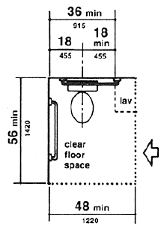 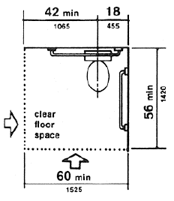 Cite: 4.16.2 | 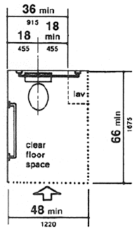 Cite: 4.16.2 | See 1991 ADA (ADAAG technical provisions) | *Clearance around a toilet shall be 60" min measured perpendicular from the side wall and 56" min measured perpendicular from the rear wall. Cite: 604.3.1
Toilets/Water Closets - Accessible cont. |  | No measurable standard. Observational review only. | Cite 5.6 | Cite 4.16 | Cite 4.16 | See 1991 ADA (ADAAG technical provisions) | Cite 604
Clearance - Overlap |  |  | N/A | N/A | N/A |  | *Clearance around a toilet shall be permitted to overlap the toilet, grab bars, dispensers, accessible routes, clear floor space and clearances required at other fixtures and the turning space. No other fixtures or obstructions shall be located in the toilet clearance space. Cite: 604.3.2
Seats |  | No measurable standard. Observational review only. | *Seat shall be 20" off the floor Cite: 5.6.2 (5) | *Seat height shall be 17" min & 19" max above floor to top of seat. Cite: 4.16.3 | *Seat height shall be 17" min & 19" max above floor to top of seat. Cite: 4.16.3 | See 1991 ADA (ADAAG technical provisions) | *Seat height shall be 17" min & 19" max above floor to top of seat. Cite: 604.4
Grab Bars |  | No measurable standard. Observational review only. | *Grab bars on each side of toilet Cite: 5.6.2 | *Shall be mounted on the side wall closest to the toilet and on the rear wall Cite: 4.16.4 | *Shall be mounted on the side wall closest to the toilet and on the rear wall Cite: 4.16.4 | See 1991 ADA (ADAAG technical provisions) | *Shall be mounted on the side wall closest to the toilet and on the rear wall Cite: 604.5
Grab Bar - Side Wall |  | No measurable standard. Observational review only. | *Shall have grab bars on each side, 33" high and parallel to the floor. *1.5" in outside diameter with 1.5" clearance between rail and wall and fastened securely to the wall Cite: 5.6.2 | 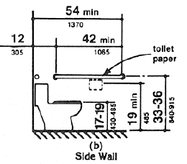 Cite: 4.16.4 | Cite: 4.16.4 | See 1991 ADA (ADAAG technical provisions) | 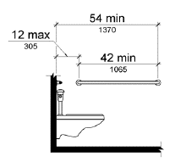 *Shall be min 48" long, located 12" max from the rear wall and extending 54" min from the rear wall Cite: 604.5.1
Toilets/Water Closets - Accessible cont. |  | No measurable standard. Observational review only. | Cite 5.6 | Cite 4.16 | Cite 4.16 | See 1991 ADA (ADAAG technical provisions) | Cite 604
Grab Bar - Rear Wall |  |  | N/A | 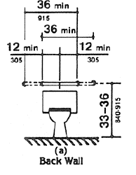 *Grab bars shall be 36" min Cite: 4.16.4 | *Grab bars shall be 36" min Cite: 4.16.4 |  | 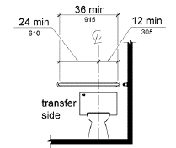 *Shall be 36" long min and extend from the centerline of the toilet 12" min on one side and 24" min on the other side. Cite: 604.5.2
Flush Controls |  |  | N/A | *Shall be hand operated or automatic *Located on the wide side of the toilet areas no more than 44" above the floor Cite: 4.16.5 | *Shall be hand operated or automatic *Located on the wide side of the toilet areas no more than 44" above the floor Cite: 4.16.5 |  | *Shall be hand operated or automatic. *Located on the open side of toilet (except in ambulatory accessible toilets) Cite: 604.6
Dispensers |  | No measurable standard. Observational review only. | *Shall be mounted no higher than 40" off the floor Cite: 5.6.6 | *Shall be installed within reach. *Dispensers that control delivery or that do not allow continuous flow shall not be used Cite: 4.16.6 | *Shall be installed within reach. *Dispensers that control delivery or that do not allow continuous flow shall not be used Cite: 4.16.6 | See 1991 ADA (ADAAG technical provisions) | *Shall be 7" min and 9" max in front of the toilet, measured to the centerline of the dispenser *The outlet of the dispenser shall be 15" min and 48" max above the floor and not located behind grab bars. *Dispensers shall not be of a type that controls delivery or that does not allow continuous flow. Cite: 604.7
Toilets/Water Closets - Accessible cont. |  | No measurable standard. Observational review only. | Cite 5.6 | Cite 4.16 | Cite 4.16 | See 1991 ADA (ADAAG technical provisions) | Cite 604
Wheelchair Accessible Compartments |  | No measurable standard. Observational review only. | *Shall have at least one toilet stall that is 3 ft. wide and at least 4ft 8" deep Cite: 5.6.2 | *Standard toilet stalls with a min depth of 56" shall have all-mounted toilet. *if the depth of a 59" then a floor mounted toilet may be used. Cite: 4.17.3 | *Standard toilet stalls with a min depth of 56" shall have all-mounted toilet. *if the depth of a 59" then a floor mounted toilet may be used. Cite: 4.17.3 | See 1991 ADA (ADAAG technical provisions) | *Shall be 60" wide min measured perpendicular to the side wall, and 56" deep min for wall hung toilet and 59" deep min for floor mounted toilet measured perpendicular to the rear wall. Cite: 604.8.1.1
Door - Hardware |  |  | N/A | *Hardware shall comply with 4.13.9 (operable) Cite: 4.13.9 & 4.17.5 | *Hardware shall comply with 4.13.9 (operable) Cite: 4.13.9 & 4.17.5 |  | *Hardware shall be 34" min and 48" max from floor Cite: 404.2.7
Toilets/Water Closets - Accessible cont. |  | No measurable standard. Observational review only. | Cite 5.6 | Cite 4.16 | Cite 4.16 | See 1991 ADA (ADAAG technical provisions) | Cite 604
Door - Opening |  | No measurable standard. Observational review only. | *Shall swing out and be at least 32" wide Cite: 5.6.2 (3) | 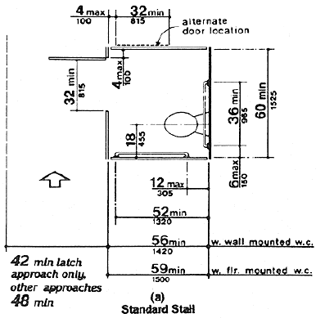 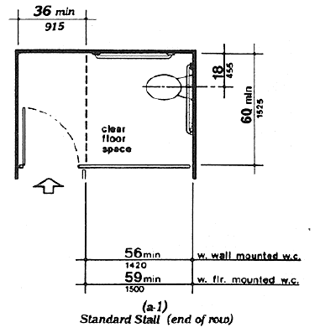 Cite 4.17.3 | Cite: 4.17.3 | See 1991 ADA (ADAAG technical provisions) | 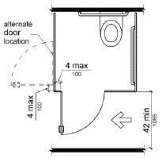 *If approach is to the latch side - clearance between the door side of the compartment and any obstruction shall be 42" min *Doors shall be located in the front partition, the door opening shall be 4" max from the side wall or partition farthest from the toilet. *Door located on the side wall or partition shall be 4" max from the front partition. *The door shall be self-closing *Door pull shall be placed on both sides of the door near the latch *Toilet doors shall not swing into the min required compartment area. Cite: 604.8.1.2
Toilets/Water Closets - Accessible cont. |  | No measurable standard. Observational review only. | Cite 5.6 | Cite 4.16 | Cite 4.16 | See 1991 ADA (ADAAG technical provisions) | Cite 604
Toe Clearance |  |  | N/A | *Shall be min 9" above the floor on front and side partition, unless stall is greater than 60" deep, then none required Cite: 4.17.4 | *Shall be min 9" above the floor on front and side partition, unless stall is greater than 60" deep, then none required Cite: 4.17.4 |  | *Front and at least one side partition shall have toe clearance of 9" min above floor and 6" deep min beyond the compartment-side face of the partition. (Exceptions: if compartment exceeds required size) Cite: 604.8.1.4
Water Closets - Ambulatory Accessible | SIX OR MORE STALLS (OR URINALS AND STALLS COMBINED) THERE MUST BE AT LEAST ONE AMBULATORY ACCESSIBLE STALL (213.3.1) |  |  |  |  |  | Cite 604
Location of water closet - Ambulatory Accessible |  |  | N/A | N/A | N/A |  | *Shall be positioned with a wall or partition to the rear and to one side. *The centerline of the toilet shall be 17" min and 19" max from the side wall/partition. Cite: 604.2
Size |  |  | N/A | N/A | N/A |  | *Depth of 60" min *Width of 35" min and 37" max. Cite: 604.8.2.1
Door - Hardware |  |  | N/A | N/A | N/A |  | *Hardware shall be 34" min and 48" max from floor Cite: 404.2.7
WC - Ambulatory Accessible |  |  |  |  |  |  | Cite 604
Door - Opening |  |  | N/A | N/A | N/A |  | *If approach is to the latch side - clearance between the door side of the compartment and any obstruction shall be 42" min *Door shall be self-closing *Door pull shall be placed on both sides of the door near the latch. *Toilet doors shall not swing into the min required compartment area. Cite: 604.8.2.2
Grab Bars |  |  | N/A | N/A | N/A |  | 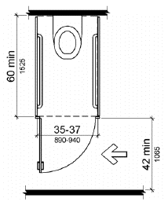 *Grab bars shall be provided on both sides of the compartment Cite: 604.8.2.3 *Shall be installed 33" min and 36" max from floor to top of gripping surface Cite: 609.4
Urinals |  | No measurable standard. Observational review only. | Cite 5.6 | Cite 4.18 | Cite 4.18 | See 1991 ADA (ADAAG technical provisions) | Cite 605
Height & Depth (Wall hung or Stall-Type) |  | No measurable standard. Observational review only. | *Shall have wall mounted urinal with opening of the basin 19" from the floor OR floor-mounted urinals that are level with the floor Cite: 5.6.5 | *Shall be stall-type or wall mounted with an elongated rim at a max of 17" above floor Cite: 4.18.2 | *Shall be stall-type or wall mounted with an elongated rim at a max of 17" above floor Cite: 4.18.2 | See 1991 ADA (ADAAG technical provisions) | *Rim shall be max 17" above floor *Shall be 13.5" deep min measured from outer face of the rim to back of fixture Cite: 605.2
Clear floor space |  |  | N/A | *Clear floor space of 30" X 48" shall be provided in front of urinal. *Urinal shields that do not extend beyond the front edge of the urinal rim may be provided with 29" clearance between them Cite: 4.18.3 | *Clear floor space of 30" X 48" shall be provided in front of urinal. *Urinal shields that do not extend beyond the front edge of the urinal rim may be provided with 29" clearance between them Cite: 4.18.3 |  | *Shall be 30" min by 48" min Cite: 605.3 & 305.3
Flush Controls |  |  | N/A | *Shall be hand operated or automatic, comply with 4.27.4 (easily operated) and be mounted no higher than 44" off floor Cite: 4.18.4 | *Shall be hand operated or automatic, comply with 4.27.4 (easily operated) and be mounted no higher than 44" off floor Cite: 4.18.4 |  | *Shall be hand operated or automatic and easily operable Cite: 604.5 & 309
Lavatories & Sinks |  |  |  | Cite 4.19 | Cite 4.19 |  | Cite 606
Clear Floor Space |  |  | N/A | *Clear floor space of 30" X 48" min shall be provided in front of lavatory. Cite: 4.19.3 | *Clear floor space of 30" X 48" min shall be provided in front of lavatory. Cite: 4.19.3 |  | *Shall be 30" min by 48" min Cite: 606.2 & 305.3 (Exception: Kitchen sinks, see standard)
Lavatories & Sinks |  |  |  | Cite 4.19 | Cite 4.19 |  | Cite 606
Toe Clearance |  |  | N/A | Cite: 4.19.2 | Cite: 4.19.2 |  | 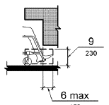 Cite: 306.2
Knee Clearance |  |  | N/A | 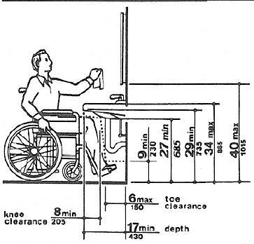 *Shall comply with diagram Cite: 4.19.2 | *Shall comply with diagram Cite: 4.19.2 |  | 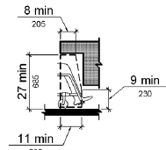 Cite: 306.3
Height |  |  | *Standard height | *Shall be mounted 34" max above the floor (counter or rim) Cite: 4.19.2 | *Shall be mounted 34" max above the floor (counter or rim) Cite: 4.19.2 |  | *Shall be installed 34" max above floor (counter or rim) Cite: 606.3
Lavatories & Sinks cont. |  |  |  | Cite 4.19 | Cite 4.19 |  | Cite 606
Faucets |  |  | N/A | *Shall be easy to operate with one hand. Lever-operated, push-type, and electronically controlled mechanisms are examples of acceptable designs. If self-closing valves are used the faucet shall remain open for at least 10 seconds. Cite: 4.19.5 | *Shall be easy to operate with one hand. Lever-operated, push-type, and electronically controlled mechanisms are examples of acceptable designs. If self-closing valves are used the faucet shall remain open for at least 10 seconds. Cite: 4.19.5 |  | *Shall be easy to operate with one hand Cite: 606.4 & 309
Exposed Pipes & Surfaces |  | No measurable standard. Observational review only. | *Important to cover hot water and drain pipes Cite: 5.6.3 (Note) | *Hot water and drain pipes under lavatories shall be insulated or otherwise configured to protect against contact. *There shall be no sharp or abrasive surfaces under lavatories Cite: 4.19.4 | *Hot water and drain pipes under lavatories shall be insulated or otherwise configured to protect against contact. *There shall be no sharp or abrasive surfaces under lavatories Cite: 4.19.4 | See 1991 ADA (ADAAG technical provisions) | *Water supply & drain pipes under lavatories and sinks shall be insulated or otherwise configured to protect against contact. *There shall be no sharp or abrasive surfaces under lavatories and sinks Cite: 606.5
Mirrors |  |  |  | Cite 4.19.6 | Cite 4.19.6 |  | Cite 603
Mirrors |  | No measurable standard. Observational review only. | *Mirrors shall be provided at a height as low as possible and no higher than 40" off the floor, measured from the bottom of the mirror Cite: 5.6.4 | *Shall be mounted with bottom edge of the reflecting surface no higher than 40" above the floor Cite: 4.19.6 | *Shall be mounted with bottom edge of the reflecting surface no higher than 40" above the floor Cite: 4.19.6 | See 1991 ADA (ADAAG technical provisions) | *Mirrors located above lavatories shall be no more than 40" off the floor (measured from bottom of reflecting edge) *Mirrors not located above lavatories shall be installed with bottom edge no higher than 35"max off floor Cite: 603.3
Shower Stalls |  |  |  | Cite 4.21 | Cite 4.21 |  | Cite 608
Size & Clearance |  |  | N/A | 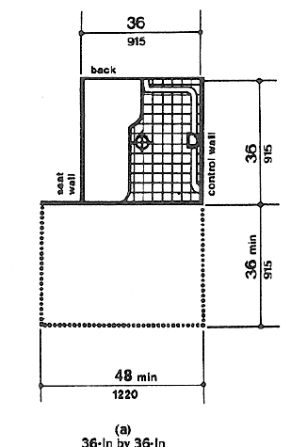 *Size & Clear Floor Space shall be 36" X 36" min. or 30" X 60". See Diagram Cite: 4.21.2 | 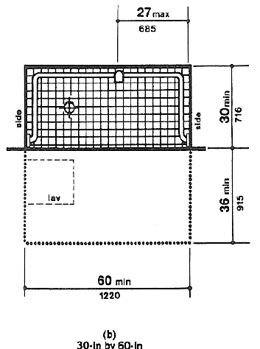 *Size & Clear Floor Space shall be 36" X 36" min. or 30" X 60". See Diagram Cite: 4.21.2 |  | *See 608 for different configurations Cite: 608
Seat |  |  | N/A | 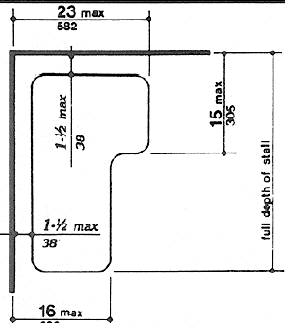 *Shall be provided Cite: 4.21.3 | *Shall be provided Cite: 4.21.3 |  | *See 608 for different configurations Cite: 608
Shower Stalls cont. |  |  |  | Cite 4.21 | Cite 4.21 |  | Cite 608
Grab Bars |  |  | N/A | 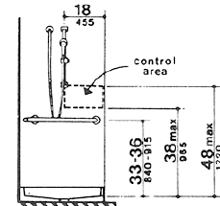 Cite: 4.21.4 | Cite: 4.21.4
Curbs |  |  | N/A | *If provided, shall be no higher than 1/2". Stalls that are 30"x60" min shall not have curbs Cite: 4.21.7 | *If provided, shall be no higher than 1/2". Stalls that are 30"x60" min shall not have curbs Cite: 4.21.7 |  | *Shall be 1/2" max in roll-in showers. *Shall be 1/2" beveled, rounded, or vertical in transfer type showers *Exception: a threshold of 2" max shall be permitted in transfer type shower in existing facility IF a 1/2" high threshold would disturb structural reinforcement of the slab floor. Cite: 608.7
Storage |  |  |  | Cite 4.25 | Cite 4.25 |  | Cite 308
Clear Floor Space |  |  | N/A | *At least 30" x 48" Cite: 4.25.2 | *At least 30" x 48" Cite: 4.25.2
Height |  |  | N/A | 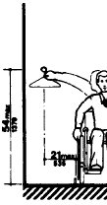 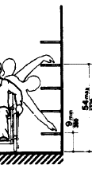 *Cite: 4.25.3 | 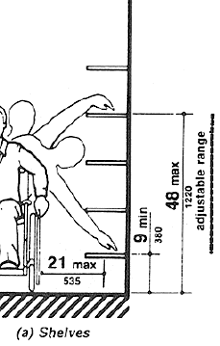 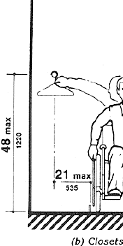 *Cite: 4.25.3 |  | *Min 15" and max 48" Cite: 308
Hardware |  |  | N/A | *Operable with one hand. Cite: 4.25.4 | *Operable with one hand. Cite: 4.25.4 |  | *Operable with one hand Cite: 309.4
Alarms |  |  |  | Cite 4.28 | Cite 4.28 |  | Cite 702
DRESSING, FITTING & LOCKER ROOMS |  | No measurable standard. Observational review only. | Verify cite against current instrument | Cite 4.35 | Cite 4.35 | See 1991 ADA (ADAAG technical provisions) | Cite 222, 803 & 903
Accessible lockers: min 5% of each type; operable parts max 48", one-hand operation |  |  | Verify cite against current instrument | Yes _____ No _____ Cite 4.25 | Yes _____ No _____ Cite 4.25 |  | Yes _____ No _____ Cite 225.2.1 & 811
Bench: seat 17"-19" high, 20"-24" deep; clear floor space 30" x 48" alongside |  |  | Verify cite against current instrument | Yes _____ No _____ Cite 4.35.4 | Yes _____ No _____ Cite 4.35.4 |  | Yes _____ No _____ Cite 903
Transfer shower: 36" x 36"; seat 17"-19"; grab bars 33"-36"; curb max 1/2"; hand-held hose min 59" (2010) |  |  | Verify cite against current instrument | Yes _____ No _____ Cite 4.21 | Yes _____ No _____ Cite 4.21 |  | Yes _____ No _____ Cite 608
Male / Female / Non-Gender Specific designation recorded per room (California requirement) |  |  | Record designation | Record designation | Record designation |  | Record designation
MEDICAL & FIRST-AID AREAS (incl. Nurse's Office) |  | No measurable standard. Observational review only. | Verify cite against current instrument | Cite 4.1 | Cite 4.1 | See 1991 ADA (ADAAG technical provisions) | Cite 201
Entry door min 32" clear; on accessible route; turning space min 60"; operable parts max 48" |  |  | Verify cite against current instrument | Yes _____ No _____ Cite 4.13, 4.3 & 4.2.3 | Yes _____ No _____ Cite 4.13, 4.3 & 4.2.3 |  | Yes _____ No _____ Cite 404, 402, 304 & 308
General |  | No measurable standard. Observational review only. | *Audible alarms shall be accompanied by simultaneous visual signals Cite: 5.12.1 | N/A | *At a min, visual signal appliances shall be provided in buildings and facilities in each of the following areas: Restrooms, general usage areas, hallways, lobbies and any other common use area Cite 4.28.1 | See 1991 ADA (ADAAG technical provisions) | *Fire alarm systems shall have permanently installed audible and visible alarms. Cite: 702.1
Audible Alarms |  | No measurable standard. Observational review only. | *Audible alarms shall be provided Cite: 5.12.1 | *If provided, shall produce a sound that exceeds the normal sounds Cite: 4.28.2 | *If provided, shall produce a sound that exceeds the normal sounds Cite: 4.28.2 | See 1991 ADA (ADAAG technical provisions) | *Shall have audible alarm Cite: 702.1
Visual Alarms |  | No measurable standard. Observational review only. | *Visual alarms shall be provided Cite: 5.12.2 | *If provided, shall flash as a visual emergency alarm in conjunction with audible emergency alarms. Cite: 4.28.3 | *Visual alarm signal appliances shall be integrated into the alarm system. *Visual Alarms shall: be strobe type, clear or nominal white, placed 80" above the floor or 6" below the ceiling, whichever is lower *In large rooms, like gyms, the signal can be every 100ft max and placed on the walls Cite: 4.28.3 | See 1991 ADA (ADAAG technical provisions) | *Shall have visual alarm Cite: 702.1
Signage |  | No measurable standard. Observational review only. | Cite 5.11 | Cite 4.30 | Cite 4.30 | See 1991 ADA (ADAAG technical provisions) | Cite 703
Mounting Location & Height |  | No measurable standard. Observational review only. | *Should be placed on the wall to the right or left of the door, at a height between 4'6" and 5'6", measured from the floor. Preferably 5ft Cite: 5.11.2 | *Interior signage shall be located alongside the door on the latch side and shall be mounted at a height of between 54" and 66" above the finished floor. Cite: 4.30.6 | *Signs shall be installed on the wall adjacent to the latch side of the door. Where no wall space to the latch side of the door, signs shall be placed on the nearest adjacent wall. *Mounting height shall be 60" above floor to the centerline of the sign *Mounting location for such signage shall be so that a person may approach within 3" of signage without encountering protruding objects or standing within the swing of the door Cite: 4.30.6 | See 1991 ADA (ADAAG technical provisions) | *Signs with tactile characters shall be located 48" min above the ground and 60"max above the ground, measured from the baseline of the highest character (except elevators); These shall be located beside the door if possible or the nearest adjacent wall; must have 18" x 18" clear space in front of the tactile letters *Visual only signs shall be 40" min above floor (except elevators) Cite: 703.5.6
Telephones |  | No measurable standard. Observational review only. | Cite 5.8 | Cite 4.31 | Cite 4.31 | See 1991 ADA (ADAAG technical provisions) | Cite 308
Clear Floor Space |  | No measurable standard. Observational review only. | *Shall be placed so that the dial and handset can be reached by individuals in wheelchairs Cite: 5.8.1 | *At least 30" X 48" *Bases, enclosures, and fixed seats shall not impede approaches to telephones Cite: 4.31.2 | *At least 30" X 48" *Bases, enclosures, and fixed seats shall not impede approaches to telephones Cite: 4.31.2 | See 1991 ADA (ADAAG technical provisions) | *At least 30" X 48" *Bases, enclosures, and fixed seats shall not impede approaches to telephones Cite: 704.2.1 & 305.3
Mounting Height |  | No measurable standard. Observational review only. | *Shall be placed so that the dial and handset can be reached by individuals in wheelchairs Cite: 5.8.1 | *Highest operable part shall be within 15" min & 48" max Cite: 4.31.3 | *Highest operable part shall be within 15" min & 48" max Cite: 4.31.3 | See 1991 ADA (ADAAG technical provisions) | *Highest operable part shall be within 15" min & 48" max Cite: 308.2
Telephones cont. |  | No measurable standard. Observational review only. | Cite 5.8 | Cite 4.31 | Cite 4.31 | See 1991 ADA (ADAAG technical provisions) | Cite 307 & 704
Protruding Objects |  |  | N/A | *Protruding objects from wall: between 27" and 80" above the floor, protrude 4" max; *Objects mounted at 27" or less above the floor may protrude any amount. *Free-standing objects mounted on posts or pylons may overhang 12" max. from 27" - 80" off the floor *Objects may not reduce the clear width of an accessible route *Head Room - 80" min clearance. If reduced less than 80", must have a barrier to warn blind or visually-impaired persons Cite 4.31.4 | *Protruding objects from wall: between 27" and 80" above the floor, protrude 4" max; *Objects mounted at 27" or less above the floor may protrude any amount. *Free-standing objects mounted on posts or pylons may overhang 12" max. from 27" - 80" off the floor *Objects may not reduce the clear width of an accessible route *Head Room - 80" min clearance. If reduced less than 80", must have a barrier to warn blind or visually-impaired persons Cite 4.31.4 |  | *Protruding objects from wall: between 27" and 80" above the floor, protrude 4" max; *Objects mounted at 27" or less above the floor may protrude any amount. *Free-standing objects mounted on posts or pylons may overhang 12" max. from 27" - 80" off the floor *Objects may not reduce the clear width of an accessible route *Head Room - 80" min clearance. If reduced less than 80", must have a barrier to warn blind or visually-impaired persons Cite 307.2
Hearing Aid Compatible & Volume Control Phones Required by 4.1 |  |  | N/A | *Shall be equipped with a receiver that generates a magnetic field in the area of the receiver cap. Volume controls shall be provided Cite: 4.31.5 | *Shall be hearing aid compatible & have volume controls Cite: 4.31.5 |  | *Shall be hearing aid compatible & have volume controls Cite: 704.3
Controls |  | No measurable standard. Observational review only. | *Shall be placed so that the dial and handset can be reached by individuals in wheelchairs Cite: 5.8.1 | *Shall have push button controls where such service is available Cite: 4.31.6 | *Shall have push button controls where such service is available Cite: 4.31.6 | See 1991 ADA (ADAAG technical provisions) | *Shall have push button controls where such service is available Cite: 704.2.2
Cord Length |  | No measurable standard. Observational review only. | *Shall be placed so that the dial and handset can be reached by individuals in wheelchairs Cite: 5.8.1 | *The cord shall be at least 29" long Cite: 4.31.8 | *The cord shall be at least 29" long Cite: 4.31.8 | See 1991 ADA (ADAAG technical provisions) | *The cord shall be at least 29" long Cite: 704.2.4
Telephones cont. |  | No measurable standard. Observational review only. | Cite 5.8 | Cite 4.31 | Cite 4.31 | See 1991 ADA (ADAAG technical provisions) | Cite 308
Text Telephones Required by 4.1 |  |  | N/A | N/A | *Text telephone connected to pay phone shall be permanently affixed *Pay phones with portable text telephone shall have a shelf and electrical outlet. *The handset shall be capable of being placed flush on the surface of the shelf *Shelf shall be capable of accommodating a text telephone and have a 6" vertical clearance *Equivalent facilitation may be provided (i.e. text telephone may be made available in the office, directional signage shall be provided. Cite: 4.31.9 |  | *Text telephone connected to pay phone shall be permanently affixed *Pay phones with portable text telephone shall have a shelf and electrical outlet. *The handset shall be capable of being placed flush on the surface of the shelf *Shelf shall be capable of accommodating a text telephone and have a 6" vertical clearance *Equivalent facilitation may be provided (i.e. text telephone may be made available in the office, directional signage shall be provided. Cite: 704.4
Fixed or Built In Seating |  | No measurable standard. Observational review only. | Cite 3.0 | Cite 4.32 | Cite 4.32 | See 1991 ADA (ADAAG technical provisions) | Cite 902
Seating |  | No measurable standard. Observational review only. | *Adequate & Accessible accommodation Cite: 3.2 & 3.3 | *If seating space is provided for people in wheelchairs at fixed tables or counters, clear floor space shall be provided. *Min space required is 30" x 48" Cite: 4.32.2 & 4.2.4.1 | *If seating space is provided for people in wheelchairs at fixed tables or counters, clear floor space shall be provided. *Min space required is 30" x 48" Cite: 4.32.2 & 4.2.4.1 | See 1991 ADA (ADAAG technical provisions) | *If seating space is provided for people in wheelchairs at fixed tables or counters, clear floor space shall be provided. *Min space required is 30" x 48" Cite: 902.2 & 305.2
Fixed or Built In Seating cont |  | No measurable standard. Observational review only. | Cite 3.0 | Cite 4.32 | Cite 4.32 | See 1991 ADA (ADAAG technical provisions) | Cite 902
Knee Clearance |  | No measurable standard. Observational review only. | *Adequate & Accessible accommodation Cite: 3.2 & 3.3 | *At least 27" high and 30" wide and 19" deep shall be provided Cite: 4.32.3 | *At least 27" high and 30" wide and 19" deep shall be provided Cite: 4.32.3 | See 1991 ADA (ADAAG technical provisions) | Cite: 902.2 & 306.3
Height of Tables or Counters |  | No measurable standard. Observational review only. | *Adequate & Accessible accommodation Cite: 3.2 & 3.3 | *Tops of accessible counters & tables shall be between 28" and 34" above the floor Cite: 4.32.4 | *Tops of accessible counters & tables shall be between 28" and 34" above the floor Cite: 4.32.4 | See 1991 ADA (ADAAG technical provisions) | *Tops of accessible counters & tables shall be between 28" and 34" above the floor Cite: 902.3
Assembly Areas |  | No measurable standard. Observational review only. | Cite | Cite 4.33 | Cite 4.33 | See 1991 ADA (ADAAG technical provisions) | Cite 221
Minimum Number of Seats |  |  | N/A | 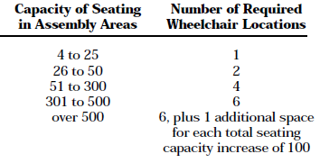 Cite: 4.33.1 & 4.1.3 (19) | Cite: 4.33.1 & 4.1.3 (19) |  | 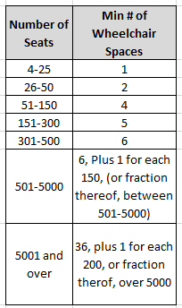 Cite: 221.2.1.1
Size of Wheelchair Locations |  |  | N/A | 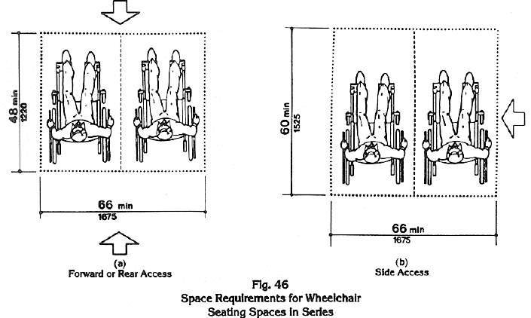 *Cite: 4.33.4 | *Cite: 4.33.4 |  | 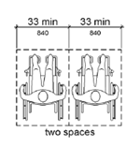   Cite: 802.1.2
Assembly Areas cont. |  | No measurable standard. Observational review only. | Cite | Cite 4.33 | Cite 4.33 | See 1991 ADA (ADAAG technical provisions) | Cite 221
Companion Seating |  |  | N/A | N/A | N/A |  | *Companion seats shall be located adjacent to wheelchair spaces on the same elevation *Companion seats shall be equivalent in size, quality, comfort & amenities to the seating in the area Cite: 802.3.1 & 802.3.2
SWIMMING POOLS / AQUATIC AREAS |  | No measurable standard. Observational review only. | No specific provision identified in this standard; verify | No specific provision identified in this standard; verify | No specific provision identified in this standard; verify | See 1991 ADA (ADAAG technical provisions) | Cite 242 & 1009
Accessible pool entry: lift or sloped entry (2 accessible means required for pools over 300 linear ft of pool wall) |  |  | No specific provision identified in this standard; verify | No specific provision identified in this standard; verify | Apply route and entry provisions |  | Yes _____ No _____ Cite 242.2 & 1009
Cafeterias |  | No measurable standard. Observational review only. | Cite | Cite 5 | Cite 5 | See 1991 ADA (ADAAG technical provisions) | Cite 904
Counters & Bars |  |  | N/A | 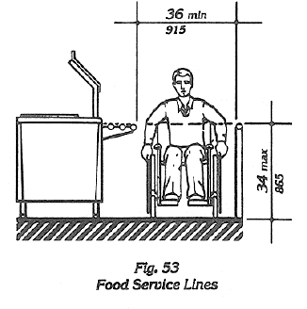 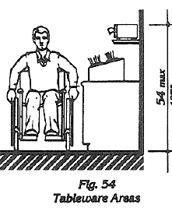 Cite: 5.2, 5.3, 5.4, 5.5, 5.6 | Cite: 5.2, 5.3, 5.4, 5.5, 5.6 |  | *Counter surface height shall be 38" max *Counter edge protections shall be 2" max above top of the counter surface on aisle side of checkout counter. Cite: 904.3.2
Food Service Lines |  |  | N/A |  |  |  | *Counter surface height shall be 38" max. *Counter edge protections shall be 2" max above top of the counter surface on aisle side of checkout counter. Cite: 904.3.2
Tableware Area |  |  | N/A |  |  |  | 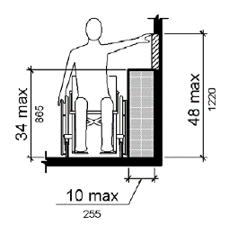 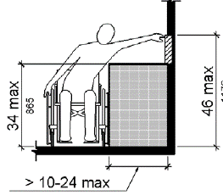 Cite: 904.5.1 & 308.2.2
CAFETERIAS Cont. (Service Areas) |  | No measurable standard. Observational review only. | Verify cite against current instrument | Verify cite against current instrument | Cite 5.5 & 7.3 | See 1991 ADA (ADAAG technical provisions) | Cite 904
Food service line: aisle min 36" clear; tray slide / counter height |  |  | Counter max 34" | Counter max 34" | Max 36" (tray slide max 34") Cite 5.5 |  | Yes _____ No _____ Cite 904.5
Self-service shelves, tableware, condiment areas within reach (max 48" forward) |  |  | Verify cite against current instrument | Verify cite against current instrument | Yes _____ No _____ Cite 5.5 |  | Yes _____ No _____ Cite 904.5.1 & 308
Checkout: min 1 accessible aisle, 36" clear width; accessible counter height |  |  | Counter max 34" | Counter max 34" | Max 36" Cite 7.3 |  | Yes _____ No _____ Cite 904.3 & 904.4
Tray return slot max 48"; clear floor space 30" x 48" |  |  | Verify cite against current instrument | Verify cite against current instrument | Yes _____ No _____ Cite 4.2 |  | Yes _____ No _____ Cite 308 & 305
Beverage stations and vending: highest operable part max 48"; one-hand operation, max 5 lbs; clear floor space 30" x 48" |  |  | Verify cite against current instrument | Verify cite against current instrument | Yes _____ No _____ Cite 4.27 |  | Yes _____ No _____ Cite 309 & 305
LIBRARIES and CLASSROOMS
Site area |  |  | Accessible and usable | Cite 8.1 through 8.5 | Cite 8.1 through 8.5 |  | Cite: 221.2.1.1
 |  |  |  | In addition to the requirement of 4.1 and 4.33, the design shall comply with 8.1 through 8.5 | Same as UFAS |  | Cite: 308 Reach Ranges In addition to the requirement of 405 and Cite: 221.2.1.1, 902.1 General. The design shall comply with Cite 402 & 403.
Reading and study areas | Number of units of: |  | Accessible and usable | Cite 8.2 | Cite 8.2 |  | Cite 305
 |  |  |  | At least 5% or a minimum of one of each unit of fixed seating, tables, or study carrels shall be accessible. Clearances between the tables or study carrels shall be accessible | Same as UFAS |  | 305 Clear Floor or Ground Space 305.1 General. Clear floor or ground space shall comply with 305. 305.2 Floor or Ground Surfaces. Floor or ground surfaces of a clear floor or ground space shall comply with 302. Changes in level are not permitted. EXCEPTION: Slopes not steeper than 1:48 shall be permitted. 305.3 Size. The clear floor or ground space shall be 30 inches (760 mm) minimum by 48 inches (1220 mm) minimum.
 | fixed seating

 | tables

 | study carrels
Check-out areas | Number of check-out lines |  | Accessible and usable | Cite 8.3 | Cite 8.3 |  | Cite 904.3
 |  |  |  | At least one lane at each check-out area shall comply with 4.32 with appropriate floor space, knee clearance, of at least 27” high, 30” wide, and 19” deep, with top of counter 28” to 34” from the floor | Same as UFAS |  | 904.3 Check-Out Aisles. Check-out aisles shall comply with 904.3. 904.3.1 Aisle. Aisles shall comply with 403. 904.3.2 Counter. The counter surface height shall be 38 inches (965 mm) maximum above the finish floor or ground. The top of the counter edge protection shall be 2 inches (51 mm) maximum above the top of the counter surface on the aisle side of the check-out counter. Figure 904.3.2 Check-Out Aisle Counters
Card catalogs |  |  | Accessible and usable | Cite 8.4 | Cite 8.4 |  | Cite 405.5
 |  |  |  | Minimum clear aisle space at card catalog, magazine displays, or reference stack shall be 36” wide. Maximum reach height preferred – 48” | Same as UFAS |  | *Min 36" Cite 405.5
Stacks |  |  | Accessible and usable | Cite 8.5 | Cite 8.5 |  | Cite: 308, 225.2.2
 |  |  |  | Minimum clear aisle width between stack, 36” minimum; preferred – 42”. Shelf height in stack areas is unrestricted | Same as UFAS |  | Cite: 308 Reach Ranges Cite: 225.2.2 Self-Service Shelving. Self-service shelves shall be located on an accessible route complying with 402. Self-service shelving shall not be required to comply with 308.
LIBRARIES Cont. (Book Drop) |  | No measurable standard. Observational review only. | No specific provision identified in this standard; verify | Verify cite against current instrument | Cite 4.2, 4.27 & 8 | See 1991 ADA (ADAAG technical provisions) | Cite 305, 308 & 309
Drop slot within reach range (max 48" forward; side reach max 54" pre-2010, max 48" 2010 ADA) |  |  | No specific provision identified in this standard; verify | Yes _____ No _____ Cite 4.2.5/4.2.6 | Yes _____ No _____ Cite 4.2.5/4.2.6 |  | Yes _____ No _____ Cite 308
Clear floor space 30" x 48" at book drop; on an accessible route |  |  | No specific provision identified in this standard; verify | Yes _____ No _____ | Yes _____ No _____ Cite 4.2.4 & 4.3 |  | Yes _____ No _____ Cite 305 & 402
Operable with one hand, no tight grasping, pinching, or wrist twisting; max 5 lbs force |  |  | No specific provision identified in this standard; verify | Yes _____ No _____ | Yes _____ No _____ Cite 4.27.4 |  | Yes _____ No _____ Cite 309.4
PORTABLE / TEMPORARY CLASSROOMS |  | No measurable standard. Observational review only. | Verify cite against current instrument | Verify cite against current instrument | Cite 4.1.1(4) | See 1991 ADA (ADAAG technical provisions) | Cite 201.3
Accessible route, ramp, landing, and door provisions apply to portable units (see Routes, Ramps, Doors rows) |  |  | Verify cite against current instrument | Yes _____ No _____ | Yes _____ No _____ Cite 4.1.1(4) |  | Yes _____ No _____ Cite 201.3

Sheet2
Attachments

UFAS 4.3.3 Accessible Route Width around obstructions
1991 ADA 4.3.3 Accessible Route Width around obstructions

2010 ADA Clear Width of Accesible Route

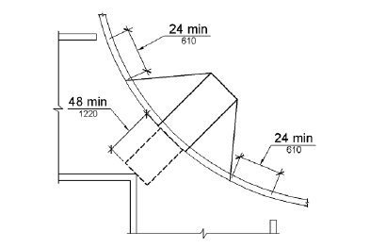

Diagonal Curb Ramp

Sheet1
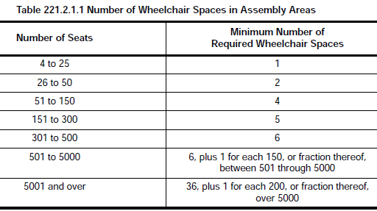
Number of Seats | Min # of Wheelchair Spaces
4-25 | 1
26-50 | 2
51-150 | 4
151-300 | 5
301-500 | 6
501-5000 | 6, Plus 1 for each 150, (or fraction thereof, between 501-5000)
5001 and over | 36, plus 1 for each 200, or fraction therof, over 5000

