Table 1
INSURANCE INDUSTRY ANNUAL REPORT
2016
Prepared by
Insurance Regulatory Authority

July, 2017

Insurance Regulatory Authority Zep-Re Place, 7th Floor Upper Hill, Longonot Road, off Kilimanjaro Avenue NAIROBI
P.O. Box 43505 00100 - NAIROBI Tel: +254-20-4996000 Mobile: +254 - 719 047000 Telefax: +254-20-4996630 e-mail:commins@ira.go.ke Web site: www.ira.go.ke
Help Desk Toll-free Line: (+254) 800724499 Email : complaint@ira.go.ke
Insurance Fraud Investigation Unit Email : ifiu@ira.go.ke Hotline : (+254) 707598455, (+254) 786595455
Policyholders Compensation Fund Email : info@phcf.co.ke Tel: +254-(20)-4996000
Follow us on
Twitter: @ira_kenya Facebook: IRA Kenya
The National Treasury P.O BOX 30007-00100 NAIROBI.
THE HONOURABLE CABINET SECRETARY, NATIONAL TREASURY
Dear Sir,
RE: INSURANCE INDUSTRY ANNUAL REPORT-2016 On behalf of the Board of the Insurance Regulatory Authority, I have the honor of submitting the 30th Insurance Annual Report in line with Section 5(2) of the Insurance Act, Cap 487, for the year ended 31st December 2016 together with the Authority’s Financial Statements for the 2015/2016 Financial Year.
Yours Faithfully,
Abdirahin Haithar Abdi, MGH
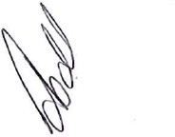
Chairman-Board of Directors Insurance Regulatory Authority (IRA)

RELIANCE AND LIMITATIONS
The information contained in this report has been obtained from the annual audited accounts and statutory returns submitted to the Insurance Regulatory Authority pursuant to the provisions of Part VI of the Insurance Act Cap.487 of the Laws of Kenya, except where adjustments have been made in consultation with the respective regulated entities.
The publication of any summary of the returns in this report does not necessarily mean that the returns so summarized have satisfied all the requirements of the Insurance Act, or that the Commissioner of Insurance approves the accuracy or the contents of the returns.
Where necessary, figures have been adjusted to eliminate errors in totals due to rounding off, and are given in thousands Kenya shillings (‘000’ KES) except where otherwise stated.
Table of Contents RELIANCE AND LIMITATIONS i ABBREVIATIONS AND ACRONYMS v STRATEGIC FRAMEWORK vi BOARD OF DIRECTORS viii MANAGEMENT TEAM ix CHAIRMAN’S REPORT x CHIEF EXECUTIVE OFFICER’S REPORT xii PART ONE 1 1.0. INTRODUCTION 2 1.1 Overview of the Insurance Industry 2 1.2 Insurance and the National Economy 3 1.3 Insurance Premium by County

LIST OF TABLES Table 1: Number of licensed insurance industry players 3 Table 2: Trend in some insurance parameters and the economy 4 Table 3: Insurance Premium by County 6 Table 4: Trend in some key performance indicators and ratios 7 Table 5: Trend in key performance ratios 7 Table 6: ECOP Training in the Counties 14 Table 7: Workshops and trainings carried out during the year 2016 15 Table 8: Champions, Mobile Clinic and Roadshows 2016 16 Table 9: Number of licensed insurers 18 Table 10: Licensed intermediaries and service providers over the last five years 19 Table 11: Applicable licensing fee and penalties 20 Table 12: New and repackaged products 21 Table 13: Summary of some long-term insurance performance indicators 24 Table 14: Claims and policyholder benefits

LIST OF FIGURES Figure 1: Insurance Penetration and Density 5 Figure 2: Premium by County 6 Figure 3: Trend in net premiums and direct expenses 8 Figure 4: Trend in equity and liabilities 8 Figure 5: Long-term insurance business premiums distribution by source 9 Figure 6: General insurance business premium distribution by source 10 Figure 7: Trend in GDP per Class 25 Figure 8: Class-wise composition of GDP for the year 2016 25 Figure 9: Trend in long term outward reinsurance for the years 2012 – 2016 26 Figure 10: Distribution of long term insurance claims and benefits 27 Figure 11: Distribution of surplus for the year 2016 28 Figure 12: Trend in GDP 30 Figure 13: GDP per class of general insurance business 31 Figure
ABBREVIATIONS AND ACRONYMS
Bn | Billion
C/F | Carried Forward
GDP | Gross Direct Premium
GPI | Gross Premium Income
NPI | Net Premium Income
IRA | Insurance Regulatory Authority
KES | Kenya Shillings
MIPs | Medical Insurance Providers
PCF | Policyholders Compensation Fund
RBS | Risk Based Supervision
ERS | Electronic Regulatory System
IAIS | International Association of Insurance Supervisors
KNBS | Kenya National Bureau of Statistics
GB | General Insurance Business
ECOP | Executive Certificate of Proficiency
TCF | Treating Customers Fairly
STRATEGIC FRAMEWORK
Vision To be the leading insurance industry regulator.
Mission To effectively regulate, supervise, develop the insurance industry and protect insurance beneficiaries.
Core Values The Authority’s core values are: • Accountability • Team spirit • Transparency • Integrity • Customer focus • Creativity
Mandate The mandate of IRA as per the Insurance (Ammendment) Act 2006 is to regulate, supervise and promote the development of the insurance industry in Kenya.
Core functions i. Ensure the effective administration, supervision, regulation and control of insurance and reinsurance business in Kenya; ii. Formulate and enforce standards for the conduct of insurance and reinsurance business in Kenya; iii. Issue licenses to all persons involved in or connected with insurance business; iv. Protect the interests of insurance policyholders and insurance beneficiaries in any insurance contract; v. Promote the development of the insurance sector; vi. Advise the Government on the national policy to be followed in order to ensure adequate insurance protection and security for national assets and national properties; vii. Issue supervisory guidelines and prudential standards from time to time, for better administration of the insurance business of persons licensed under the Act;
viii. Share information with other regulatory authorities and to carry out any other related activities in furtherance of its supervisory role; and ix. Undertake such other functions as may be conferred on it by the Insurance Act Cap. 487 of the Laws of Kenya, or by any other written law.

Table 2


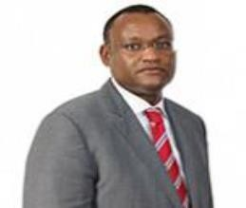
BOARD OF DIRECTORS
 | Hon. Abdirahin Haithar Abdi MGH Chairman
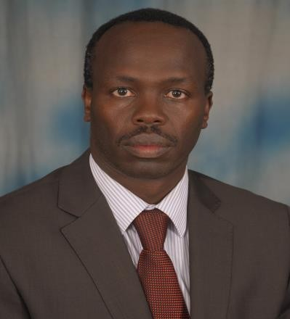 |  | 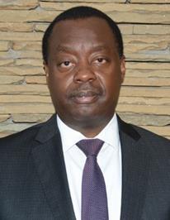 | Mr.
 | Mr. Godfrey Kiptum MBS |  | Nzomo Mutuku,
 | Ag. Commissioner of Insurance & CEO |  | Ag. CEO, Retirement Benefits Authority
 |  Mr. Paul Muthaura | Mr. Matu Mugo | Ms. Alice M. Njoroge
 | CEO, Capital Markets Authority | Representing the Governor, Central Bank of Kenya | Member
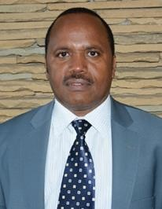 |  Mr. Douglas Kailanya |  Mr. Paul K. K. Cheboi | Ms. Joyce K. Muchena
 | Member | Member | Member

Table 3

MANAGEMENT TEAM
 | Mr. Godfrey Kiptum MBS Ag. CEO and Commissioner of Insurance
 | Mrs. Agnes Ndirangu Chief Manager, Technical | Mrs. Diana Sawe Tanui Corporation Secretary & Chief Manager, Legal Affairs
 | Mr. Edward Opiayo Chief Manager, Finance | 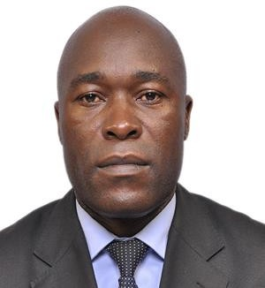 Mr. Robert Kuloba Chief Manager, Policy, Research and Development
CHAIRMAN’S REPORT As one of the key pillars of the financial services sector, the insurance industry is central to the realization of financial services goals as set out in the Vision 2030 economic blueprint. The blueprint recognizes that as the economy expands and disposable incomes rise, there will be growth in insurable assets thereby generating demand for insurance services.
In 2016, the Authority reviewed the 2013-2018 Strategic Plan to establish performance levels, isolate factors affecting such performance, and identify areas for improvement. This review was based on the Authority’s goals of promoting consumer education and protection, promoting an inclusive, competitive and stable insurance industry and offering quality customer service. The revised strategic plan is expected to bolster renewed focus on realizing vision 2030.
Currently, insurance penetration in Kenya stands at 2.73% which is considered low compared with the world average of 6.28% (Source: Swiss Re Sigma 2016). In light of this, the Authority has taken a host of measures aimed at improving insurance penetration. Key among the measures are localization of marine insurance business, development of a micro-insurance policy, training of insurance agents under the Executive Certificate of Proficiency in Insurance (ECOP) program, encouraging the use of technology in transacting insurance business and authorizing the use of new distribution channels.
The Authority has also embraced the development of Islamic finance, specifically Takaful, which is insurance that is compliant with Sharia principles. Kenya being an agro-economy, the insurance sector has also recognized the importance of index based insurance that has in the recent past supported farmers. In addition, the sector has adopted bancassurance model of insurance distribution where banks sell insurance products through their establishments.
The reputation of the insurance industry in Kenya has been eroded over the years as a result of both perceived and actual malpractices. The Authority has identified reputation as a major hindrance to uptake of insurance. The major issues causing negative perception towards insurance include delayed claim settlement, lack of awareness about the needs and benefits of insurance and industry malpractices. To address this, the Authority is conducting awareness campaign across counties, developed guidelines on claims settlement, adoption of best practice on treating customers fairly and establishment of insurance fraud investigation unit.
The Authority takes cognizance of the need to have a stable insurance industry in Kenya that will boost both investor and public confidence in order to enhance competitiveness and promote insurance inclusiveness. In this regard, the Authority continues to implement and enhance risk based supervision in order to strengthen its regulatory framework. The Authority is also in the process of introducing group-wide supervision of insurance groups.
In order to share information and learn best practices, the Authority continues to collaborate with international, regional and local bodies and associations that include the Central Bank of Kenya (CBK), Sacco Societies Regulatory Authority (SASRA), Capital Markets Authority (CMA), Retirement Benefits Authority (RBA), International Association of Insurance Supervisors (IAIS), East African Insurance Supervisors Association (EAISA) and African Insurance Organization (AIO).
Regarding the financial condition and performance of the Authority, it is important to point out that the Authority is financed through the 1% insurance premium levy. The Authority’s total revenue was KES 1.65 billion in the financial year 2015/2016 compared to KES 1.52 billion in 2014/2015. Out of this, the Authority spent KES 810.20 million leaving a surplus of KES 841.00 million compared to KES 769.80 million in 2014/2015. As a requirement, 90% of the surplus is transferred to the Consolidated Fund.
The surplus resulted from high revenue collection which exceeded the budgeted amount by KES 200 million during 2015/2016. In addition, the Authority’s expenses were KES 811.5 billion against a budget of KES 1.07 billion.
In conclusion I would like to reiterate the Authority’s commitment to the protection of insurance consumers and the relentless effort towards ensuring industry growth and stability and the overall growth of Kenya’s economy. The Authority is fortunate that, in a challenging environment, it has a dedicated and high caliber workforce with a strong blend of regulatory knowledge and commercial expertise, who are passionate and committed to the Authority’s mandate of serving our stakeholders. I thank them for their sterling efforts across the full scope of the Authority’s activities.
Abdirahin Haithar Abdi, MGH CHAIRMAN BOARD OF DIRECTORS

CHIEF EXECUTIVE OFFICER’S REPORT A well-functioning financial services system plays a key role in driving and supporting growth by providing capital, facilitating trade and financing infrastructure and innovation. The insurance industry plays a pivotal role in providing innovative solutions to the significant social, economic and environmental challenges the country faces.
In 2016, Kenya’s insurance industry continued to exhibit a positive growth trajectory. While the life insurance business grew by 18.5% (11.4% in real terms), the growth in the general insurance business was 10.2% (3.6% in real terms). This performance compares well with global growth trends in life and general insurance business which grew in real terms by 2.5% and 3.7% respectively (Source: Swiss Re Sigma 2016). The insurance penetration, which is the ratio of Gross Direct Insurance Premiums to Gross Domestic Product (GDP), declined from 2.88% in 2015 to 2.73% in 2016. This decline may be attributed to higher nominal growth in GDP of 14.3% (at current prices) compared to nominal growth in gross direct premium of 13.2%.
Industry gross written premium as at December 2016 amounted to KES 196.64 billion, representing a 13.0% growth from KES 174.06 billion in 2015. The asset base, shareholder’s equity and investments grew by 10.4%, 6.9% and 9.0% respectively. During the year under review, 1.36 million new insurance policies were issued.
The Authority continues to focus on a number of strategic issues as it strives to realize its mandate, including:
Industry Stability: The Authority has adopted a risk based supervisory approach to regulation and has issued various guidelines and circulars aimed at facilitating its implementation. Risk Based Supervision (RBS) is a framework geared towards allocating regulatory resources in the most efficient and economic manner. The framework requires the regulator to focus more attention to regulated entities that pose a higher risk to policyholders. In order to fast-track the implementation of RBS, the Authority continuously engages industry players with a view to address issues that may adversely affect its realization. In this regard the Authority made proposals for amendment of the Insurance Act relating to capital adequacy requirements; market consistent valuation methodologies, and regulation allowing
creation of new classes of long term business which were adopted through the Finance Act 2016.
Agency Development: In order to increase access to insurance services nationally, the Authority continues with its agency training program, Executive Certificate of Proficiency (ECOP) in Insurance. The intention of this program is to increase agency capacity at the local level so that insurance services can be readily available across the country. So far, over 3000 trainees have been certified through the ECOP program. The project is conducted in partnership with the College of Insurance and County Governments.
Automation: In order to shorten time taken, reduce costs and improve service delivery when dealing with customers, the Authority introduced the Electronic Regulatory System (ERS). The ERS is a web-based system designed to ease communication between the regulator and the regulated entities. The ERS has achieved its objective of limiting movements and physical contact between the Authority and its regulated entities. The ERS has also improved data depth, consistency, quality and accessibility. This is important as these variables are critical in the smooth implementation of RBS.
Consumer Protection: The Authority has in place a consumer protection unit that seeks to ensure that the interests of policy holders and beneficiaries in any insurance contract are upheld and protected. The Authority has established an Insurance Fraud Investigation Unit (IFIU) mandated to investigate, compile evidence, arrest and arraign suspects in court. Still on customer service, we subscribe to the notion that an educated consumer is a protected one. The Authority has intensified its consumer education activities through national media and targeted county activities.
Institutional capacity development: In order to improve staff skills and competence, the Authority has put in place staff training programs. These programs enable staff to pursue both academic and professional qualifications locally and internationally. The programs include CII, Actuarial Studies, CFA, CPA, LOMA among others. Staff are also encouraged to attend short courses locally, regionally and internationally for continuous professional development and benchmarking with best practices.
Other activities the Authority continues to undertake include: i. Standardization of policy wordings.
ii. Actuarial Scholarship program at Cass Business School (UK). iii. Collaboration with other financial sector regulators and the Kenya Institute for Curriculum Development (KICD) to develop a curriculum for incorporating financial education in the school curriculum.
I wish to thank the Board for their leadership and support. I also wish to thank the Management and the rest of the staff members for their dedication and support. Without them, it would not have been possible to realize our success. I am also grateful to all the stakeholders for their support and confidence. The Authority will continue to work closely with the various stakeholders to ensure the continued development and growth of the insurance industry.
Godfrey K. Kiptum, MBS Ag. COMMISSIONER OF INSURANCE AND CHIEF EXECUTIVE OFFICER

Annual Insurance Industry Report for the Year Ended 31st December 2016
PART ONE
THE INSURANCE INDUSTRY PERFORMANCE

1

1.0. INTRODUCTION
The Insurance Regulatory Authority (IRA) publishes the Insurance Industry Annual Report containing insurance industry statistics and the IRA financial statements. The statistics contained in this report have been obtained from the annual audited accounts and statutory returns submitted to the Insurance Regulatory Authority pursuant to the provisions of Part VI of the Insurance Act. The report aims at informing the various stakeholders on the performance and financial position of the insurance industry in Kenya, as well as that of the Authority, and any other developments in the industry.
This report is organized in three parts; part one presents the developments in the insurance industry as well as an analysis of the industry statistics, part two presents the Authority’s financial statements and part three contains appendices with specific company statistics and information.
1.1 Overview of the Insurance Industry The insurance industry in Kenya is regulated by the Insurance Regulatory Authority. The regulated entities are insurance companies, reinsurance companies1, intermediaries2 and other service providers3 as shown in table 1.
1These include liaison offices carrying out reinsurance business in Kenya. 2 This covers insurance brokers (including foreign reinsurance brokers authorized to run liaison offices), medical insurance providers, and insurance agents. 3 This covers insurance investigators, motor assessors, insurance surveyors, loss adjusters, claims settling agents and risk managers. These offer support services to the industry.

Table 1: Number of licensed insurance industry players

Table 6
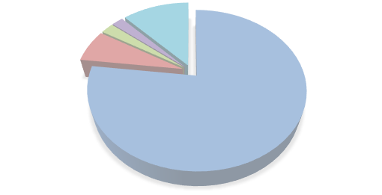 General Insurance Premium by County Nakuru 2.0% Others Kiambu 12.0% 2.3% Mombasa 6.7% Nairobi 77.0% |  |  | 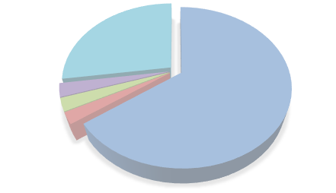 Long-term Premium by County Others 27.3% Nakuru 2.7% Nairobi 65.1% Kiambu 2.6% Mombasa 2.3%
Table 3 shows the distribution of insurance premium per county
Table 3: Insurance Premium by County
County | General Business | Life Business |  | Total | % of Total 2016 | % of Total 2015
Nairobi | 92,512,847 | 43,110,044 |  | 135,622,891 | 72.76 | 80.40
Mombasa | 8,064,110 | 1,525,149 |  | 9,589,260 | 5.14 | 5.38
Kiambu | 2,739,532 | 1,727,976 |  | 4,467,508 | 2.40 | 1.92
Nakuru | 2,461,677 | 1,794,355 |  | 4,256,031 | 2.28 | 2.00
Others | 14,366,638 | 18,100,134 |  | 32,466,771 | 17.42 | 10.31
Total | 120,144,803 | 66,257,657 |  | 186,402,461 | 100.00 | 100.00
1.4 Summary of Key Industry Performance Indicators The insurance industry has continued to grow over the past decade. As at the end of 2016, gross premium income was KES 196.64 billion, representing a growth6 of 13.0% from KES 174.06 billion reported in 2015. General insurance business contributed approximately two thirds (62.6%) of the total gross premium income.
The industry asset base grew by 10.4% from KES 478.75 billion in 2015 to KES 528.75 billion in 2016. A large portion of the assets (80.4%) was held in income
6 This is nominal growth

generating investments. These investments grew by 9.0% from KES 390.23 billion in 2015 to KES 425.30 billion at the end of 2016.

Table 7
Table 4 and 5 shows summary of key industry performance indicators from 2012 to 2016.
Table 4: Trend in some key performance indicators and ratios
Item | Years
 | 2012 |  | 2013 |  | 2014 | 2015 |  | 2016 |  | % Annual Growth (2015/2016) |  | % Average Annual Growth
Gross Premium Income | 111,911,370 |  | 135,384,923 |  | 157,732,058 | 174,064,645 |  | 196,635,836 |  | 13.0 |  | 16.5
Net Premium Written | 87,475,983 |  | 105,013,409 |  | 126,333,481 | 140,003,552 |  | 158,362,431 |  | 13.1 |  | 16.2
Claims Incurred (general Insurance) | 29,465,751 |  | 34,170,145 |  | 42,677,696 | 49,051,411 |  | 54,857,495 |  | 11.8 |  | 16.9
Net commissions | 6,760,078 |  | 7,204,448 |  | 9,007,508 | 10,895,759 |  | 12,578,735 |  | 15.4 |  | 15.0
Expenses of Management | 20,239,406 |  | 24,808,273 |  | 30,523,394 | 36,272,444 |  | 39,982,771 |  | 10.2 |  | 18.6
Underwriting Results (general Insurance) | 3,107,093 |  | 3,402,770 |  | 1,604,507 | -226,282 |  | (2,125,731) |  | 839.4 |  | 142.1
Investment Income | 33,825,550 |  | 44,949,695 |  | 47,924,449 | 34,576,984 |  | 37,135,382 |  | 7.4 |  | 56.7
Operating profit/loss after taxation | 13,104,366 |  | 20,235,881 |  | 17,232,015 | 14,134,461 |  | 12,832,642 |  | -9.2 |  | 0.0
Investments | 240,124,681 |  | 296,336,802 |  | 355,009,404 | 390,225,346 |  | 425,304,138 |  | 9.0 |  | 17.5
Assets | 311,215,873 |  | 366,252,339 |  | 430,536,097 | 478,752,455 |  | 528,748,193 |  | 10.4 |  | 16.7
Shareholder’s Funds | 77,115,761 |  | 100,958,028 |  | 114,141,212 | 125,830,028 |  | 134,482,581 |  | 6.9 |  | 26.6
Table 5: Trend in key performance ratios
Ratio |  | Years
 |  | 2012 |  | 2013 |  |  | 2014 |  | 2015 |  | 2016
*Net commission ratio |  | 8.0 |  | 7.2 |  |  | 7.3 |  | 8.0 |  | 8.1
*Management expense ratio |  | 23.9 |  | 24.8 |  |  | 24.9 |  | 26.5 |  | 25.7
*Retention Ratio |  | 78.2 |  | 77.6 |  |  | 80.1 |  | 80.4 |  | 80.5
Investment income ratio (GB) |  | 2.0 |  | 11.3 |  |  | 7.1 |  | 7.4 |  | 5.8
Incurred claims ratio (GB) |  | 58.8 |  | 58.4 |  |  | 60.9 |  | 61.7 |  | 62.7
Combined ratio (GB) |  | 94.0 |  | 94.2 |  |  | 97.7 |  | 102.7 |  | 102.4
* Ratios for combined businesses long-term and general insurance
Figure 3 illustrates the trend in net premium income and direct expenses incurred by the insurance companies in Kenya over the five year period.
Figure 3: Trend in net premiums and direct expenses
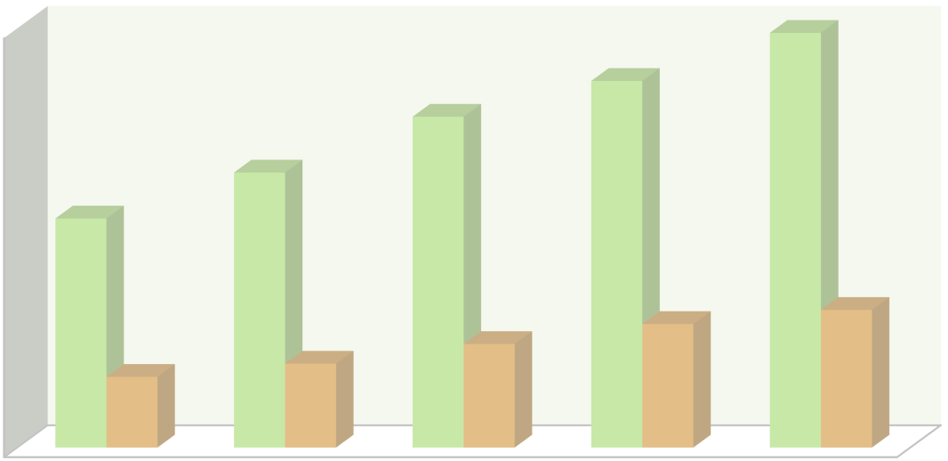 158 160 140 140 126 120 105 100 87 80 60 40 40 53 20 27 32 47 0 2012 2013 2014 2015 2016 Years Net Premium Written Direct Expenses
Figure 4 shows the trend in equity and liabilites over the five year period.
Figure 4: Trend in equity and liabilities
600 500 134 400 126 114 300 101 77 200 394 353 316 234 265 100 0 2012 2013 2014 2015 2016 Liabilities Equity
1.5 Insurance Distribution Channels Insurance in Kenya is mainly sourced through agents, brokers or directly by insurance companies. In 2016, 46.3% of the total industry premium7 was sourced through insurance agents, 37.5% through insurance brokers and 16.2% directly.
Figures 5 and 6 illustrate the proportion of business written through the three channels for Long-term and General insurance business respectively.
Figure 5: Long-term insurance business premiums distribution by source
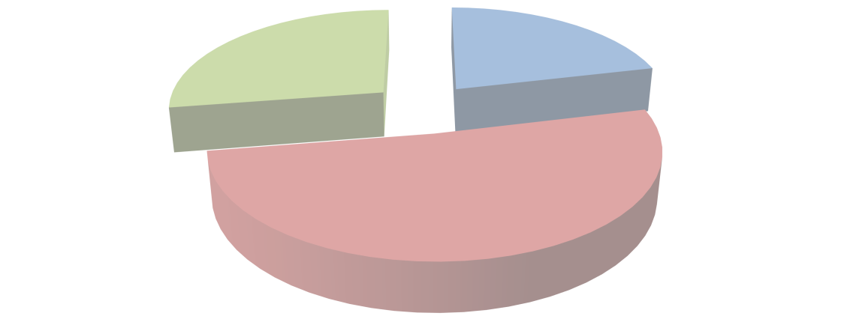 Premium by Source - Life business Brokers Direct 28% 21% Agents 51%
7 Total industry premium excluding deposit administration and investments for long term business.

Figure 6: General insurance business premium distribution by source
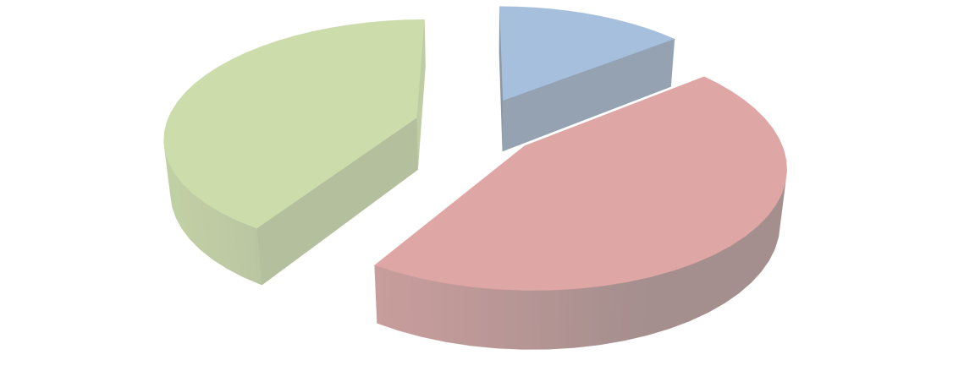 Premium by Source - General business Direct 14% Brokers 41% Agents 45%
2.0 KEY INDUSTRY DEVELOPMENTS
During the period under review, a number of developments were undertaken including strategic measures, regulation and supervision frameworks in line with the Authority’s mandate of regulating, supervising and promoting the development of the insurance industry.
2.1 Changes in Legal and Regulatory Framework During the year under review, the following legal and regulatory changes were made by the passing of the Insurance (Amendment) Act, No. 50 of 2016:
2.1.1. The Insurance (Amendment) Act, No. 50 of 2016 The following are the changes to the Insurance Act as extracted from the Insurance (Amendment) Act, No. 50 of 2016:
a) Harmonization of the Finance Act, 2015 with Capital Adequacy Provisions:
i. Section 25 (1) of the Insurance Act was amended to allow other forms of capital for insurers. These include ordinary shares and irredeemable non- cumulative preference shares for a new company; for an existing insurer, the amendment allows subordinated loans, share premiums, reserves and any other form of capital as may be determined by the Authority. The amendment gives priority to policyholders’ interests in time of liquidation. ii. Section 41 of the Insurance Act was repealed and replaced with a new section that introduced capital adequacy requirements and replaced the solvency margin requirements. iii. Section 42 of the Insurance Act was repealed and replaced with a new section that requires the application of capital charges on assets and risk margins on technical liabilities in the determination of the required capital of an insurer. iv. Section 43 of the Insurance Act was repealed to remove the concept of admitted liabilities. This was to harmonize the Insurance Act with capital adequacy requirements. v. The Second Schedule of the Insurance Act was amended in paragraph (2) (b) by deleting the word “minimum” and substituting with the word “maximum”. This would reduce concentration of deposits by an insurer in any one commercial bank.
b) Harmonization of Finance Act, 2015 with the concept of Market Consistent Valuation Methodology: i. Section 57 of the Insurance Act was amended to require actuarial investigation to be conducted on both long term and general insurance business. The amendment further introduced the determination of excess of assets over liabilities (surplus) for other funded businesses. The amendment also required actuarial investigations to include a financial condition report. ii. The Insurance Act was amended in section 58 to empower the Authority to prescribe the basis of valuation of technical reserves. The section was further amended by deleting the words “minimum basis prescribed” and replacing with the words “the prescribed basis”. iii. Section 115 of the Insurance Act was amended in subsection (7) by deleting the words “minimum basis prescribed” appearing in the definition of the term “proper basis” and substituting thereof the words “basis prescribed by the Authority”.
c) Takaful Business:
i. Section 2 of the Insurance Act was amended by inserting a new definition of the term “Takaful”. ii. The Insurance Act was amended by inserting a new section 19A which provides for the licensing, regulation and supervision of Takaful business.
2.1.2 The Insurance (Amendment) Regulations, 2016 The following are the amendments brought about by the Insurance (Amendment) Regulations, 2016:
a) Creation of new classes of long term insurance business Regulation 9 was amended to introduce new classes of long term insurance business as follows: i. Life Assurance ii. Annuities iii. Pensions (a) Personal pensions (b) Deposit Administration iv. Group Life v. Group Credit vi. Permanent Health
vii. Investment (a) Unit Link and Linked Investments (b) Non- Linked investments
b) Amendment of Schedules The Insurance Regulations are amended by deleting and replacing the 4th, 5th, 6th, 7th and 8th schedules in order to harmonize the regulations with the prescribed valuation basis.
2.2 Industry Circulars The Authority issued the following circulars during the year in fulfillment of its mandate: 1. IC, RE, IB & MIP 01/2016 – Compliance with the Unclaimed Financial Assets Act, 2011; 2. IC 02/2016 – Changes to Insurance Agents’ License; 3. IC, RE, IB, 03/2016 – Self Assessment Tool on Treating Customers Fairly (TCF); 4. IC & RE 04/2016 – Application for Renewal of Registration for the Year 2017; 5. IB 05/2016 – Renewal of Registration as an Insurance Broker for the year 2017; 6. MIP 06/2016 - Renewal of Registration as a Medical Insurance Provider for the Year 2017; 7. IA 07/2016- Application for Renewal of Registration for the Year 2017; 8. IC 08/2016 – Renewal and registration of insurance agents under the Insurance Act, CAP. 487 for the year 2017; 9. IC & RE 09/2016 – Application of New International Standard on Auditing (ISA) no.701 – Communicating Key Audit Matters in the Independent Auditor’s Report. 10.IC & RE. /2016 – Reinsurance Contracts Renewals for Year 2017; 11.IC & RE 10/2016 – Business Continuity Management; 12.IC , RE, IB & MIP 11/2016 – Compliance with the Unclaimed Financial Assets Act, 2011 and Unclaimed Financial Assets Regulations, 2016; 13.IC & RE 12/2016 – Premium Rates for Fire, Engineering and Group Life Listed Risks; 14.IC & RE 12/2016 – Premium Rates for General Insurance Business; 15.IC & RE 13/2016 – Revenue Collection Account;

Table 15
4.0 INDUSTRY PERFORMANCE - INSURERS The performance of the insurance industry in 2016 is analysed as follows:
4.1 Long Term Insurance Business Long term insurance business comprises life assurance, annuities, group life, group credit, investments, pensions and permanent health
4.1.1 Performance Indicators Table 13 shows some long term insurance business performance indicators for the period 2012-2016.
Table 13: Summary of some long-term insurance performance indicators
Indicators | Years
 | 2012 | 2013 | 2014 | 2015 | 2016 | 2015/2016 % Change

Gross Direct Premium | 37,185,117 | 44,424,411 | 56,581,380 | 62,064,805 | 73,519,181 | 18.5
Outward Reinsurance | 2,480,188 | 2,731,261 | 3,862,463 | 4,983,387 | 5,666,993 | 13.7
Net Premiums | 34,704,929 | 41,693,150 | 52,718,917 | 57,081,418 | 67,852,188 | 18.9
Management expenses | 6,512,656 | 7,637,766 | 9,878,825 | 11,279,207 | 12,364,010 | 9.6
Net commissions | 2,961,904 | 3,432,164 | 4,175,889 | 5,152,743 | 5,474,094 | 6.2
Total Claims and Benefits | 16,152,294 | 20,826,591 | 23,807,204 | 32,586,685 | 41,481,942 | 27.3
Life Fund | 144,776,317 | 139,954,031 | 183,810,335 | 219,815,186 | 210,782,933 | (4.1)
Net actuarial Liabilities | 122,688,634 | 121,780,008 | 167,830,460 | 204,596,695 | 196,757,547 | (3.8)
Total Surplus | 22,087,683 | 18,174,023 | 15,979,875 | 15,218,491 | 14,025,388 | (7.8)
Amounts in '000' KES
The total long-term insurance premium grew by 18.5% in 2016 to KES 73.52 billion (2015: KES 62.06 billion) with pensions contributing the largest share of the premium. Management expenses and net commissions were KES 12.36 billion and KES 5.47 billion respectively having grown by 9.6% and 6.2% respectively. In 2016, total long term insurance business claims and benefits increased from KES 32.59 billion in 2015 to KES 41.48 billion, an increase of 27.3%. Policyholder claims amounted to KES 31.11 billion and constituted 75.2% of the total payout.
The trend and composition of long-term insurance premium income per class of business is as shown in figures 7 and 8 respectively:
Figure 7: Trend in GDP per Class
30 25 20 15 10 5 - Life Assurances Annuities Group Life Group Credit Investments Permanent Pensions Health 2014 2015 2016
Figure 8: Class-wise composition of GDP for the year 2016
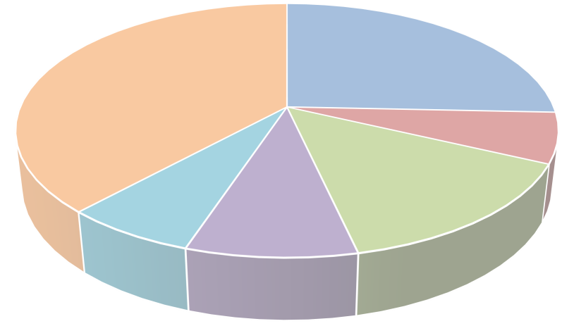 Pensions Life Assurances 38.2 25.7 Group Life Annuities Investments 6.4 6.7 Group Credit 14.4 8.6
In 2016, 343,398 new policies were underwritten having risen from 107,591 policies in 2015. The lives insured as at the end of the year were 3.82 million. This represents insurance cover8 of 8.4% compared to the insurance cover of 10.0% observed in 2015. Moreover, the total policies in force as at the end of 2016 were 1.11 million against 944,353 in 2015.
8 Defined as the ratio of insured lives to total population

Figure 9 illustrates the general trend in long term outward reinsurance premium over the last five years.

Table 17
Figure 10: Distribution of long term insurance claims and benefits
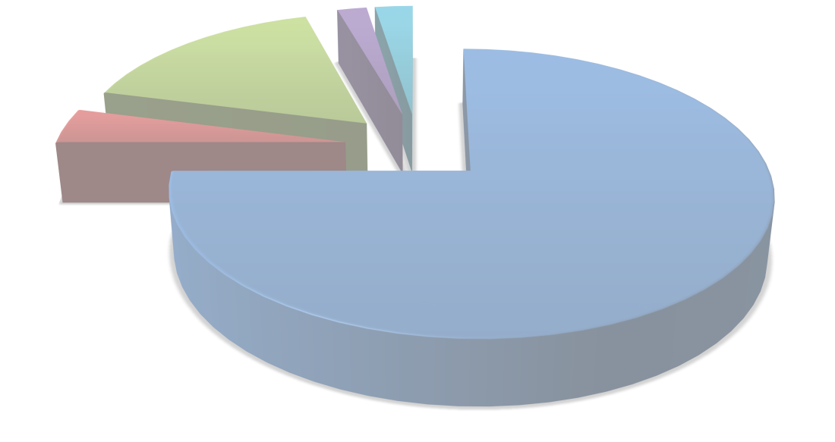 Bonuses Paid Annuities 2% 2% Withdrawals 17% Surrenders 4% Total Claims 75%
4.1.3 Actuarial Valuation The Insurance Act requires insurers to carry out actuarial investigations annually and submit actuarial valuation reports comprising the life fund, actuarial liabilities, the surplus therefrom and distribution of the surplus.
Table 15 shows the distribution of surplus over the last five years.
Table 15: Distribution of surplus for years 2012-2016
Item | Years
 | 2012 | 2013 | 2014 | 2015 | 2015
Total Surpluses | 22,087,683 | 18,174,023 | 15,979,875 | 15,218,491 | 14,025,388
Surplus to Policyholders | 7,485,362 | 5,330,934 | 5,263,922 | 5,014,001 | 6,264,630
Surplus to Shareholders | 2,532,330 | 1,000,390 | 1,639,311 | 1,431,094 | 661,290
Surplus to Reserves | - | 1,561,768 | 8,882,265 | 1,101,017 | 66,912
Surplus Carried forward | 12,069,991 | 11,752,754 | 194,378 | 7,672,378 | 7,032,556
Amounts in ‘000’ KES.
The total surplus for 2016 declined by 7.8% from KES 15.22 billion reported in 2015 to KES 14.03 billion. Policyholders and shareholders were allocated 44.7% and 4.7% of the total surplus respectively.
Figure 11 illustrates the distribution of the surplus arising from actuarial valuation of the life fund and liabilities.
Figure 11: Distribution of surplus for the year 2016
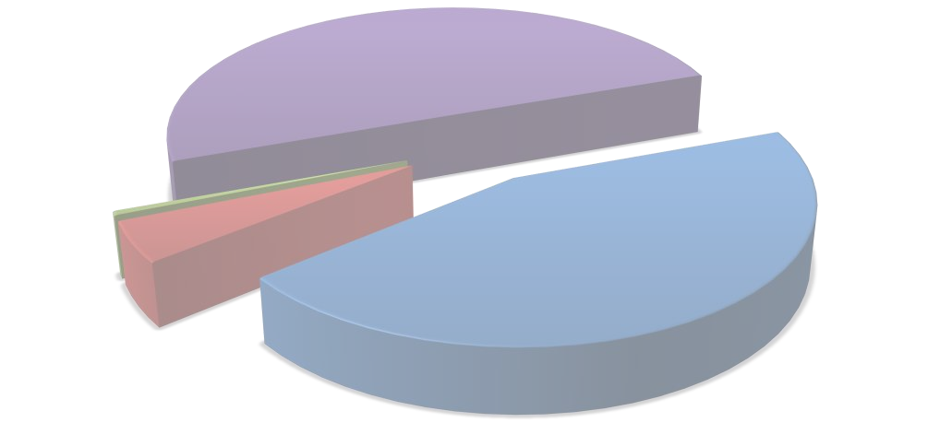 Surplus Carried forward 50% Surplus to Surplus to Reserves Policyholders 0% Surplus to 45% Shareholders 5%

Table 19
Figure 13: GDP per class of general insurance business
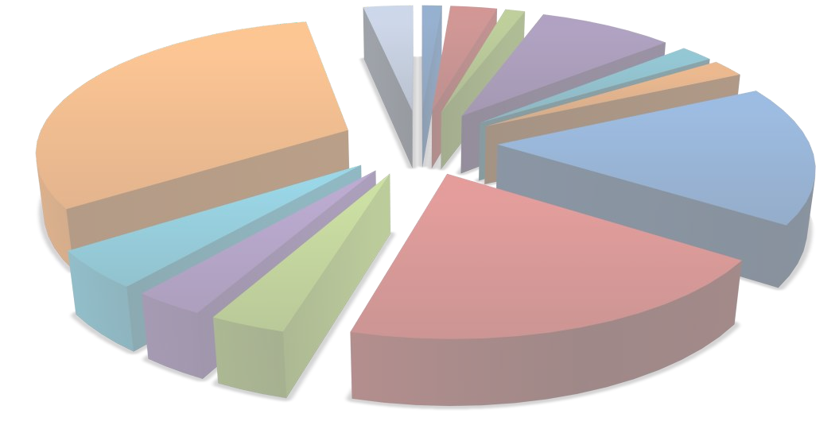 Miscellaneous Aviation Engineering Fire Domestic 3% 1% 3% 1% Fire industrial Liability 8% 2% Marine Medical 2% 32% Motor Private 17% Motor Commercial 20% Workmen's Compensation Theft 5% 3% Personal Accident 3%
4.2.3 Inward Reinsurance Premium In 2016, inward reinsurance premium amounted to KES 1.41 billion, decreasing slightly by 7.8% from KES 1.52 billion recorded in 2015 as shown in table 17:
Table 17: Inward reinsurance premiums per class
Class of business | Years
 | 2012 | 2013 | 2014 | 2015 | 2016
Aviation | 4,585 | 13,039 | 82,436 | 57,889 | 2,697
Engineering | 264,122 | 157,437 | 238,908 | 293,472 | 249,950
Fire Domestic | 823 | 1,063 | 813 | 6,822 | 904
Fire industrial | 653,515 | 648,339 | 487,020 | 551,564 | 581,743
Liability | 32,893 | 61,294 | 72,430 | 34,544 | 93,376
Marine | 72,702 | 83,991 | 95,687 | 47,804 | 51,018
Motor Private | 318,954 | 344,492 | 443,471 | 190,160 | 27,532
Motor Commercial | 5,403 | 11,099 | 32,452 | 6,773 | 5,268
Personal Accident | 47,696 | 50,325 | 31,379 | 45,163 | 58,518
Theft | 68,023 | 46,386 | 60,470 | 38,429 | 36,670
Workmen's Compensation | 15,608 | 11,005 | 29,285 | 8,856 | 23,174
Medical | 183,601 | 272,799 | 228,894 | 154,438 | 188,043
Miscellaneous | 150,265 | 190,439 | 171,138 | 88,615 | 87,299
TOTAL | 1,818,191 | 1,891,708 | 1,974,383 | 1,524,529 | 1,406,192
Amounts in ‘000’ KES.
The trend in inward reinsurance premium under general insurance business is illustrated in figure 14.
Figure 14: Trend in inward reinsurance premium incomes
2,500 2,000 1,500 1,000 500 - 2012 2013 2014 2015 2016 Years
4.2.4 Outward Reinsurance Premium Table 18 summarizes the outward reinsurance premium under general insurance business.

Table 28
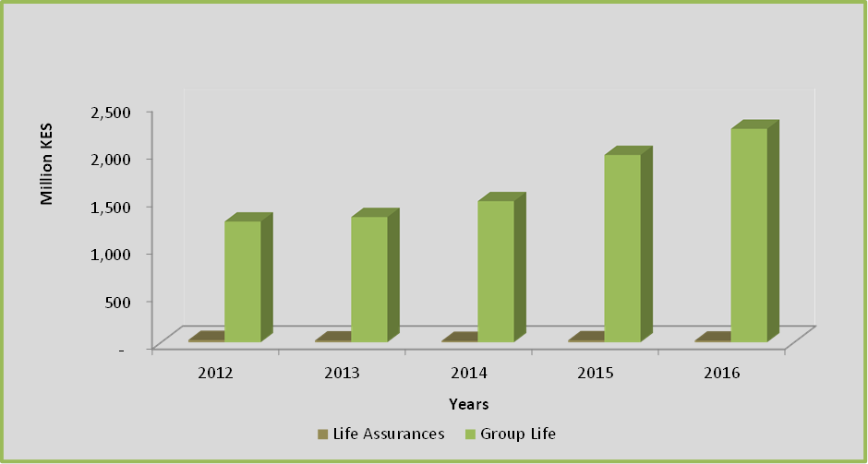
5.0 INDUSTRY PERFORMANCE - REINSURERS The reinsurers’ performance is analysed under long-term reinsurance and general reinsurance businesses as follows:
5.1 Long-Term Reinsurance Business Life assurances inward reinsurance premium income amounted to KES 152.66 million in 2016, an increase of 33.6% from KES 114.25 million reported in the previous year. Inward reinsurance premium income of KES 2.25 billion was reported under group life class of insurance business in 2016 compared to KES 1.97 billion in the previous year, registering a growth of 14.0%.
Long-term reinsurers received a total premium income of KES 2.40 billion, recording an improvement of 15.0% from KES 2.09 billion reported in 2015. Outward reinsurance premium during the year was KES 323.40 million compared to KES 274.30 million in 2015.
A summary of some key performance indicators under long-term reinsurance business are shown in table 25.
Table 25: Summary of some long-term re-insurance performance indicators
Item | Years
 | 2012 | 2013 | 2014 | 2015 | 2016
Life Assurances
Inward reinsurance premium | 155,570 | 174,580 | 134,022 | 114,245 | 152,658
outward reinsurance premium | 24,190 | 18,743 | 14,194 | 20,894 | 17,602
Net premium income | 131,380 | 155,837 | 119,828 | 93,352 | 135,056
Management expenses | 15,557 | 29,506 | 21,550 | 42,438 | 18,330
Net commissions | 22,836 | 50,521 | 54,739 | 39,231 | 59,375
Life fund | 1,265,903 | 1,033,636 | 1,171,464 | 1,198,880 | 1,203,305
Group Life
Inward reinsurance premium | 1,270,913 | 1,318,142 | 1,485,325 | 1,971,822 | 2,247,254
outward reinsurance premium | 195,114 | 146,482 | 183,498 | 253,402 | 305,800
Net premium income | 1,075,799 | 1,171,660 | 1,301,827 | 1,718,421 | 1,941,454
Management expenses | 115,031 | 218,806 | 224,720 | 287,252 | 249,450
Net commissions | 244,731 | 283,922 | 344,852 | 493,907 | 546,986
Life fund | 3,589,953 | 4,491,195 | 5,121,829 | 5,748,174 | 5,445,849
Amounts in '000' KES
Figures 21 and 22 illustrate the trend in inward and outward reinsurance premiums for 2012 to 2016.
Figure 21: Trend in inward reinsurance premiums
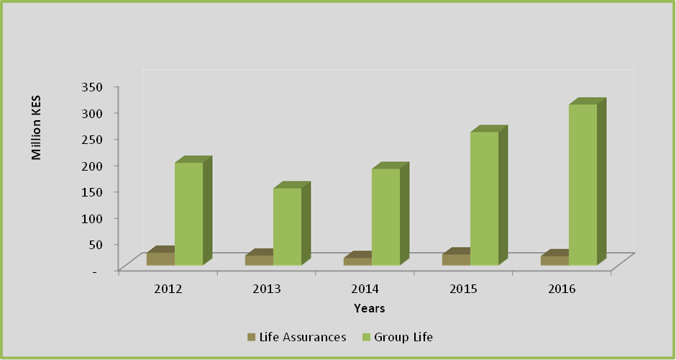
Figure 22: Trend in outward reinsurance premiums

Table 30
Figure 23: Trend in inward reinsurance premium for the period 2012-2016
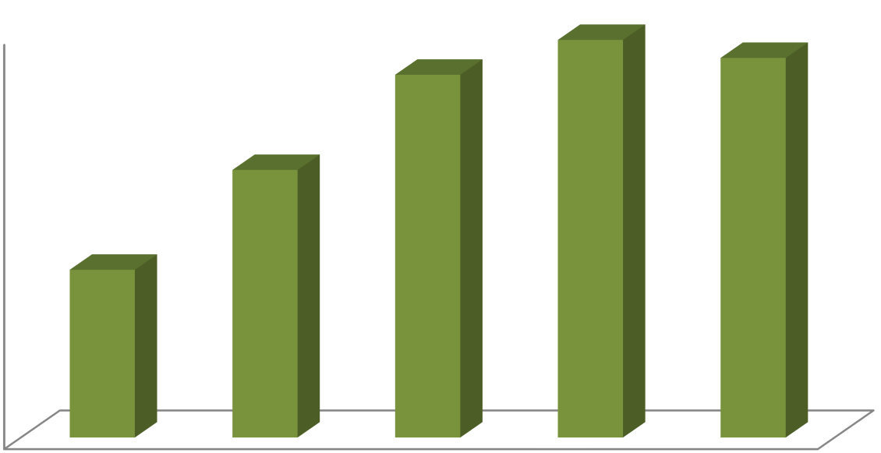 16 14 12 10 8 6 4 2012 2013 2014 2015 2016 Years
5.2.2 Outward Reinsurance Premium (Retrocession) Class-wise outward reinsurance premium under general reinsurance business during the last five years is summarized in table 27.
Table 27: Outward re-insurance premium
Class of business | Years
 | 2012 | 2013 | 2014 | 2015 | 2016
Aviation | 0 | 0 | 0 | 2,727 | 33,210
Engineering | 3,888 | 5,266 | 3,611 | 16,810 | 10,460
Fire Domestic | 0 | 0 | 0 | 0 | 0
Fire industrial | 242,812 | 357,182 | 448,690 | 474,508 | 551,595
Liability | 3 | 948 | 895 | 759 | 3,740
Marine | 27,063 | 10,925 | 32,304 | 18,521 | 19,334
Motor Private | 0 | 0 | 0 | 0 | 0
Motor Commercial | (3,286) | 3,676 | 4,707 | 6,357 | 15,127
Personal Accident | (521) | 408 | 231 | 1,181 | 1,401
Theft | (6) | 788 | 0 | 43 | -
Workmen's Compensation | 0 | 0 | 92 | 159 | -
Medical | 328 | 26,410 | 25,191 | - | 0
Miscellaneous | 29,573 | 67,999 | 76,244 | 106,728 | 134,412
Total | 299,855 | 473,602 | 591,965 | 627,793 | 769,279
Amounts in ‘000’ KES.
The total reinsurance premium retroceded under general reinsurance business amounted to KES 769.28 million in 2016, an increase of 22.5% from the previous year.
The trend in outward reinsurance premium under general reinsurance business for the last five years is summarized in figure 24.
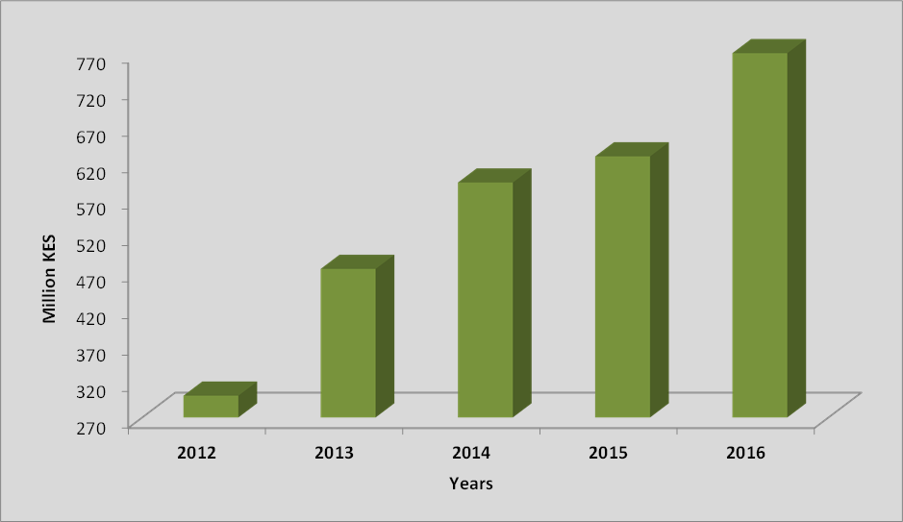
Figure 24: Trend in retrocession for 2012-2016

Table 33
Table 30: Trend in net incurred claims ratios
Class of business | Years
 | 2012 | 2013 | 2014 | 2015 | 2016
Aviation | 281.5 | 38.9 | 374.9 | 16.3 | 101.2
Engineering | 21.8 | 26.8 | 45.9 | 29.3 | 31.2
Fire Domestic | (7.1) | 269.0 | 24.7 | 0.0 | 334.43
Fire industrial | 51.8 | 43.2 | 45.3 | 70.0 | 66.1
Liability | 32.8 | 25.6 | 3.0 | 18.0 | 17.1
Marine | 28.6 | 45.9 | 43.0 | 48.6 | 50.7
Motor Private | 24.4 | 41.1 | 59.0 | 65.3 | 7.4
Motor Commercial | 91.1 | 64.5 | 67.5 | 83.0 | 63.4
Personal Accident | 97.1 | 76.8 | 86.9 | 67.5 | (11.4)
Theft | 73.7 | 87.2 | 81.4 | 34.1 | 21.3
Workmen's Compensation | 1098.8 | 142.6 | 18.7 | (1.7) | 20.8
Medical | 104.9 | 87.4 | 78.2 | 83.8 | 76.2
Miscellaneous | 41.2 | 39.9 | 44.0 | 34.0 | 22.6
Industry Average | 60.7 | 55.6 | 58.5 | 60.5 | 55.2
Figures in %
The general reinsurance net incurred claims ratio was 55.2% in 2016 compared to a net incurred claims ratio of 60.5% in 2015. Five (5) classes of reinsurance business had loss ratios greater than the industry average.
Figure 25 illustrates the class-wise incurred claims ratios against the industry average.
Figure 25: Class-wise net incurred claims ratios and the industry average
5.2.6 Underwriting Results In 2016, the total underwriting profit under general reinsurance business was KES 288.10 million. Personal accident and miscellaneous classes of reinsurance business recorded the highest underwriting profits of KES 583.45 million and KES 464.57 million respectively. Aviation, fire domestic, fire industrial and medical classes of business recorded underwriting losses of KES 19.76 million, KES 19.08 million, KES 671.79 million and KES 650.11 million respectively.
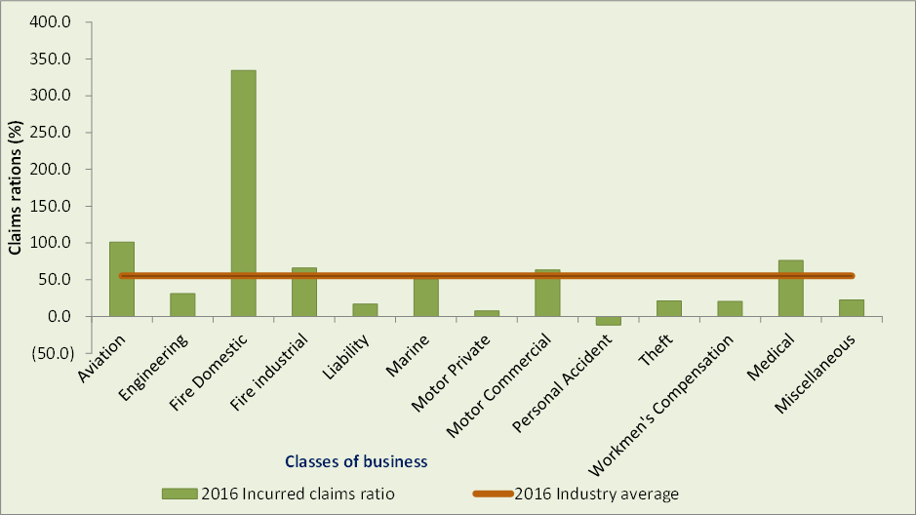
The underwriting results for general reinsurance business for the five-year period are summarized in table 31.

Table 35
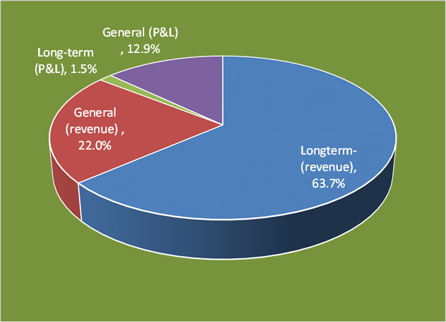
6.2 Industry Profit and Loss (Income) Statement The after tax profit for the industry amounted to KES 12.83 billion, a decline of 5.9% from KES 13.64 billion reported during the previous year. Taxes amounted to KES 5.42 billion in 2016.
Table 33 shows the industry profit and loss extract for the period 2012 - 2016.
Table 33: Industry profit and loss statement

Item | Years
 | 2011 | 2012 | 2013 | 2014 | 2015 | 2016
Profits/loss transferred from revenue accounts | 3,315,020 | 4,986,666 | 13,544,819 | 10,461,842 | 10,589,366 | 13,277,651
Investment Income | 6,948,685 | 11,119,938 | 9,429,214 | 11,392,377 | 6,519,735 | 5,338,509
0ther income | 1,454,844 | 2,286,892 | 1,965,796 | 2,399,973 | 2,228,613 | 1,662,758
Operating income: | 11,718,549 | 18,393,496 | 24,939,829 | 24,254,192 | 19,337,714 | 20,278,918
Operating expenses:
Management expenses (not charged to any particular fund or account) | 671,128 | 1,351,649 | 910,590 | 1,276,492 | 1,476,438 | 1,334,393
Other expenses | 619,631 | 1,088,946 | 592,677 | 872,830 | 707,610 | 695,816
Total operating expenses | 1,290,759 | 2,440,595 | 1,503,267 | 2,149,322 | 2,184,048 | 2,030,209
Operating profit/loss before taxation | 10,427,790 | 15,952,902 | 23,436,562 | 22,104,870 | 17,153,666 | 18,248,709
Provision for taxation | 2,111,788 | 2,848,535 | 3,200,678 | 4,872,852 | 3,518,568 | 5,416,065
Profit/Loss after taxation | 8,316,002 | 14,990,949 | 13,104,366 | 17,232,018 | 13,635,098 | 12,832,644
Amounts in '000' KES

Table 37
Table 35: Industry investment channels
Investment Channels | Years
 | 2012 | 2013 | 2014 | 2015 | 2016
Investment property | 39,320,957 | 54,257,405 | 62,545,891 | 68,619,826 | 73,244,796
Government Securities | 94,059,797 | 120,137,735 | 135,582,149 | 167,315,355 | 210,771,335
Other Securities | 1,158,989 | 1,962,893 | 3,006,160 | 1,781,967 | 8,704,954
Debentures | 63,598 | 0 | 0 | 0 | 0
Preference Shares | 573 | 2,931 | 2,330 | 1,776 | 1,800
Investment in subsidiary | 2,018,689 | 8,903,828 | 12,159,733 | 13,518,002 | 14,723,971
Ordinary Shares | 41,331,414 | 49,871,862 | 59,959,278 | 51,095,261 | 44,557,700
Loans | 7,935,003 | 6,215,000 | 6,883,502 | 6,627,251 | 11,841,429
Deposits | 43,776,448 | 42,519,068 | 56,977,833 | 60,044,296 | 46,230,052
Other Investments | 10,459,214 | 12,466,071 | 17,892,528 | 21,221,612 | 15,228,101
Total | 240,124,681 | 296,336,793 | 355,009,404 | 390,225,346 | 425,304,138
Amounts in '000' KES
The distribution of industry’s investments is depicted in figure 28.
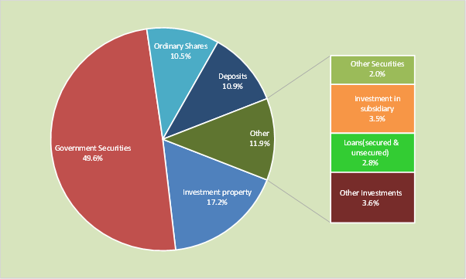
Figure 28: Distribution of industry investments

Table 38
7.2.1 Industry Investment Channels under Long-Term Insurance Business Long term insurers held the largest proportion of the total industry investments at KES 281.09 billion (66.1% of total industry investments) in 2016. Table 36 presents a breakdown of investments under long term insurance business.
Table 36: Long term insurance business investment channels
Investment Channels | Years
 | 2012 | 2013 | 2014 | 2015 | 2016
Investment Property | 17,820,203 | 27,688,520 | 32,160,839 | 34,336,060 | 37,671,247
Government securities | 69,631,271 | 88,222,021 | 102,680,643 | 124,077,714 | 155,128,186
Other securities | 499,902 | 1,721,309 | 2,377,544 | 1,317,476 | 7,647,027
Debentures | - | - | 0 | 0 | 0
Preference shares | - | 2,264 | 2,201 | 1,279 | 1,279
Ordinary shares | 26,259,614 | 31,644,600 | 39,874,548 | 34,168,167 | 31,445,209
Investment in subsidiary | - | 3,166,806 | 6,861,977 | 6,571,590 | 6,327,541
Loans (secured & unsecured) | 4,991,250 | 3,099,273 | 3,043,470 | 3,476,865 | 7,672,728
Bank deposits | 24,226,681 | 21,387,831 | 27,787,560 | 29,900,027 | 24,187,801
Other Investments | 9,359,425 | 8,350,908 | 12,120,235 | 15,320,358 | 11,004,895
Total | 152,788,346 | 185,283,532 | 226,909,017 | 249,169,536 | 281,085,913
Amounts in '000' KES
The distribution of the investments under long-term insurance business is shown in figure 29.
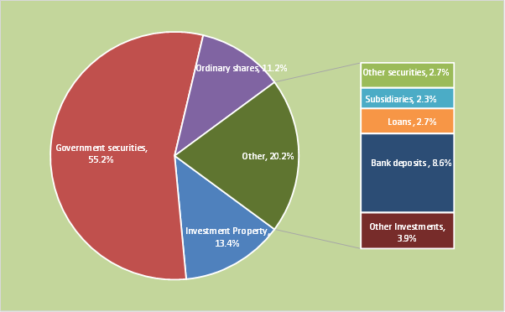
Figure 29: Distribution of investments under long-term insurance business

Table 39
7.2.2 Industry Investment Channels under General Insurance Business Table 37 shows a breakdown of investments under general insurance business
Table 37: General insurance business investment channels
Investment Channels | Years
 | 2012 | 2013 | 2014 | 2015 | 2016
Investment Property | 21,500,754 | 26,568,885 | 30,385,052 | 34,283,766 | 35,573,549
Government securities | 24,428,526 | 31,915,714 | 32,901,506 | 43,237,641 | 55,643,149

Other securities | 659,087 | 241,584 | 628,616 | 464,491 | 1,057,927
Debentures | 63,598 | 0 | - | - | -
Preference shares | 573 | 670 | 129 | 497 | 521
Ordinary shares | 15,071,800 | 18,227,263 | 20,084,730 | 16,927,094 | 13,112,491
Investment in subsidiary | 2,018,689 | 5,737,022 | 5,297,756 | 6,946,412 | 8,396,430
Loans (secured & unsecured) | 2,943,753 | 3,115,727 | 3,840,032 | 3,150,386 | 4,168,701
Bank deposits | 19,549,767 | 21,131,237 | 29,190,273 | 30,144,269 | 22,042,251
Other Investments | 1,099,789 | 4,115,163 | 5,772,293 | 5,901,254 | 4,223,206
Total | 87,336,335 | 111,053,265 | 128,100,387 | 141,055,810 | 144,218,225
Amounts in '000' KES
The distribution of the investments under general insurance is shown in figure 30.
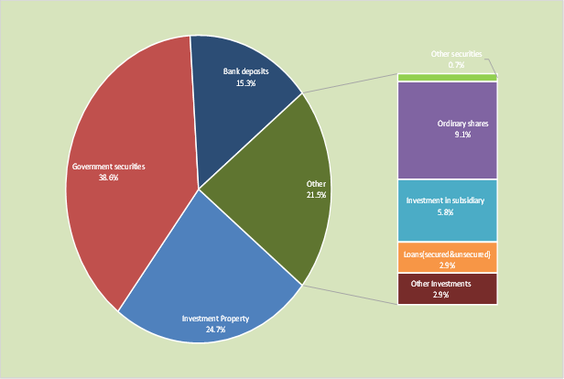
Figure 30: Distribution of investments under general insurance business

PART TWO
FINANCIAL STATEMENTS FOR THE YEAR ENDED 30TH JUNE, 2016
IRA’S FINANCIAL STATEMENTS
TABLE OF CONTENTS KEY AUTHORITY INFORMATION 63 CORPORATE GOVERNANCE STATEMENT 64 CORPORATE SOCIAL RESPONSIBILITY INITIATIVES 69 REPORT OF THE DIRECTORS 73 STATEMENT OF THE DIRECTORS’ RESPONSIBILITIES 75 REPORT BY THE AUDITOR GENERAL 77 STATEMENT OF FINANCIAL PERFORMANCE FOR THE YEAR ENDED 30TH JUNE, 2016 79 STATEMENT OF FINANCIAL POSITION AS AT 30TH JUNE, 2016 80 STATEMENT OF CHANGES IN NET ASSETS FOR THE YEAR ENDED 30TH JUNE, 2016 81 STATEMENT OF CASH FLOWS FOR THE YEAR ENDED 30 JUNE, 2016 82 STATEMENT OF COMPARISON OF BUDGET AND ACTUAL AMOUNTS 83 NOTES TO THE FINANCIAL STATEMENTS FOR THE YEAR ENDED 30TH JUNE, 2016 84
KEY AUTHORITY INFORMATION
Authority’s Bankers National Bank of Kenya Harambee Avenue P.O Box 72866- 00200 Tel 2828000 Nairobi, Kenya
NIC Bank NIC House P.O Box 44599 Tel 4948000 Nairobi, Kenya
Independent Auditors Auditor General Kenya National Audit Office Anniversary Towers, University Way P.O. Box 30084-00100 GPO 00100 Nairobi, Kenya
Principal Legal Adviser The Attorney General State Law Office Harambee Avenue P.O. Box 40112 City Square 00200 Nairobi, Kenya
CORPORATE GOVERNANCE STATEMENT The Authority’s mandate is to regulate, supervise and develop the insurance industry in Kenya. In pursuit of the achievement of this mandate and in consideration of the size, complexity and interconnectedness of the industry, the Authority has continued to play an important role in stimulating stability and growth. This has mainly been through formulation and implementation of varied regulatory and supervisory measures that are fundamental in ensuring fairness, efficiency and competitiveness of the insurance market in Kenya.
a) Board Composition The Authority’s management vests in its Board of Directors as prescribed under Section 3B of the Insurance Act. Members of the Board other than ex-officio members hold office for a period of three (3) years and are eligible for re- appointment for another term. The Board Members represent an appropriate skill, experience, gender, diversity and geographical mix to facilitate effective execution of the Authority’s mandate. There has neither been a resignation by nor removal of a serving director.
b) Board Committees The Board has delegated its Authority to the standing Committees to enable it effectively carry out its mandate. The Committees of the Board are as follows: (i) Technical, Research and Compliance; (ii) Audit, Risk Management and Corporate Governance; (iii) Finance and Administration; and (iv) Human Resource. Each Board Committee has its own Terms of Reference setting forth the purposes, goals and responsibilities of the Committee as well as qualifications for committee membership, procedures for committee member appointment and removal, committee structure, operations and it’s reporting to the Board.
The Board has an Internal Audit Charter in place defining the scope of internal audit, its authority, responsibility, accountability, reporting and standards of auditing best practices. The Charter is subject to review in line with changing operational environment and governance requirements.
c) Board attendance A record of attendance of Board Meetings and Board Committee Meetings was kept during the period under review.

Table 40
Name | Designation | Classification | Board | TR C | FAC | ARC C | HRC
Hon. Abdirahin Abdi | Chairman | Membership | ¶
 |  | Attendance | 6/6
Mr. Sammy Makove | Member | Membership | ¶ | ¶ | ¶ | ¶ | ¶
 |  | Attendance | *12/13 | 8/8 | 5/5 | 5/5 | *5/6
Dr. Edward Odundo | Member | Membership | ¶ | ¶ | ¶ | ¶
 |  | Attendance | *9/13 | *7/ 8 | 5/5 | *3/4
Mr. Paul Muthaura | Member | Membership | ¶ |  | ¶ |  | ¶
 |  | Attendance | *7/13 |  | *1/4 |  | *4/5
Mr. Matu Mugo | Member | Membership | ¶ | ¶ |  | ¶ | ¶
 |  | Attendance | *5/6 | - |  | 2/2
Mr. Nzomo Mutuku | Member | Membership | ¶ | ¶ | ¶ | ¶
 |  | Attendance | *8/9 | *3/ 4 | *2/3 | *1/3
Ms. Alice Njoroge | Member | Membership | ¶ | ¶ | ¶ |  | ¶
 |  | Attendance | *12/13 | 8/8 | 4/4 |  | 5/5
Mr. Douglas Kailanya | Member | Membership | ¶ | ¶ | ¶ |  | ¶
 |  | Attendance | 13/13 | 7/7 | 5/5 |  | 6/6
Ms. Joyce Muchena | Member | Membership | ¶ |  |  | ¶ | ¶
 |  | Attendance | *12/13 |  |  | 5/5 | *5/6
Mr. Paul Cheboi | Member | Membership | ¶ | ¶ |  | ¶
 |  | Attendance | 13/13 | 8/8 |  | 5/5
KEY: ¶ - This means a member of respective Board Committee TRC - Technical, Research and Compliance Committee FAC - Finance & Administration Committee ARCC- Audit, Risk Management and Corporate Governance Committee HRC - Human Resource Committee
*Where a Member did not attend a Board or Board Committee meeting, an acceptable apology was duly received by the Chairman and recorded by the Corporation Secretary. The Chief Executive Officer/Commissioner of Insurance is an ex officio member of all Board Committees.
d) Statement of Compliance
As a State Corporation, the Authority’s operations are legally guided by the Constitution of Kenya, the provisions of the Insurance Act – Chapter 487 of the Laws of Kenya, the State Corporations Act - Chapter 446 of the Laws of Kenya, the Mwongozo Code of Governance for State Corporations and by the general principles of good corporate governance; all of which it is committed to. The Board continues to abide by its Charter, the internal codes of conduct, the Authority’s statutory mandate and the Terms of Reference of Board Committees. The Authority continues to comply with all the statutory requirements relevant to its operation as a body corporate and complies with relevant Government Circulars as issued from time to time.
e) Conflict of Interest
Board Members are required to disclose any conflict of interest in relation to matters that are brought before them for deliberation. This requirement is not only stipulated in the Insurance Act, but also in the Authority’s Board Charter and the Mwongozo Code of Governance for State Corporations. The Corporation Secretary maintains a register of conflicts of interest which is updated where a conflict is declared.
f) Whistle Blowing Policy
The Authority has provided for protection of whistle blowers under its Code of Conduct and Ethics so as to ensure safeguard of the identity and safety of persons making corruption disclosures to the Authority. g) Board Oversight
The Board is responsible for the formulation, implementation and monitoring of the Authority’s Strategic Plan thus providing appropriate strategic direction for the Authority. In the same vein, the Board defines the Vision, Mission and Core Values to enable realization of the set strategic plan. During the period under review, a mid-term review of the Strategic Plan for the period 2013 – 2018 was conducted.
The Board has delegated the day to day operations of the Authority to the Management which is headed by the Commissioner of Insurance/Chief Executive Officer. The Board periodically monitors and evaluates the implementation of its performance contract, plans and strategies through reports received from Management through its various Committees.
The Board ensures that the Authority espouses proper corporate governance practices by confirming that the requisite codes of conduct, procedures and practices are existent, relevant and adhered to. The Board also achieves this by ensuring that the Authority complies with all the statutory requirements.
The Board is responsible for managing the Authority’s risks. In this regard the Board has set up its Enterprise Risk Management Framework which enables it to fully and effectively monitor the Authority’s risks. The Board, Management and key Staff of the Authority have been trained on risk management and the Board has developed a Business Continuity Plan.
The Board recognizes and honors its responsibility to its key stakeholders by ensuring that it meets its undertaking under the Performance Contract. In this case Board Members are fully aware of their responsibility to discharge their function in good faith, with prudence, diligence and due care.
h) Board Induction and Training
Being newly appointed, Board members attended an in-house induction on the operations of the Authority, a customized induction training for board directors and a five day corporate governance training for directors as a foundation course.
The Board development programs were scheduled and attended as follows: 1. Five-day corporate governance training course for directors, Centre for Corporate Governance 2. Trustee development program Kenya, College of Insurance 3. The strategic leadership and innovation seminar, Institute of Directors Kenya 4. Driving government performance: Leadership strategies that produces results, Harvard Kennedy School 5. Strategic management of regulatory and enforcement agencies, Harvard Kennedy School
The Board Development Plan is developed in accordance with the training needs identified and/or analyzed for each Member and for the Board as a whole. i) Board Evaluation
The Board schedules its annual evaluation exercise in its work plan in consultation with the State Corporations Advisory Committee (SCAC) to enable a review of its performance against set objectives. The Board evaluation exercise was conducted by the SCAC on the 15th of December 2015.
j) Corporation Secretary The Board is assisted by a qualified, competent and experienced Corporation Secretary competitively recruited. The Corporation Secretary co-ordinates the Board activities and ensures, in conjunction with the Chairman and Chief Executive Officer, that the Board meetings are held procedurally as specified in Mwongozo Code of Governance for State Corporations.
k) Separation of Roles In accordance with Mwongozo Code of Governance for State Corporations, the role of the Board is separated from that of the Management; the office of the Chairperson and that of the Chief Executive Officer are held by different persons; and the office of the Chief Executive Officer and that of the Corporation Secretary are held by different persons.
CORPORATE SOCIAL RESPONSIBILITY INITIATIVES
Corporate Social Responsibility (CSR) is an integral part of our business operations. Our CSR activities reflect our philosophy of adopting a responsible approach to developing relationships between ourselves and the communities in which we operate because how we interact with the world in which we operate determines our place within it. Since establishment nine years ago, we continue to build a strong reputation for social responsibility and uphold high standards of corporate conduct with an aim to build value for our business and brand. The Authority promotes CSR activities in line with its CSR agenda. These are driven by a CSR committee comprising of staff from various divisions.
Our CSR programs are aimed at providing long-term benefits to our employees, partners, stakeholders and the broader communities around us. We continue to create a network of CSR activities that let us act proactively in various parts of the country. Through our CSR policy, we also encourage staff members to contribute to some of the initiatives we are engaged in.

Some of the CSR activities conducted during the period under review include:
Sponsorship of the Annual Cerebral Palsy Charity Walk
For the 5th year running, the Authority partnered with the Cerebral Palsy Society of Kenya (CPSK) in organizing the annual CPSK/IRA Charity Walk. Themed “ A journey of Hope”, the Walk is aimed at raising funds and awareness about Cerebral Palsy (CP) condition.
Through the partnership with the Authority, the CPSK outreach programmes have expanded to counties like Kitui, Kisumu, Kiambu and Nakuru. The activities range from school/student support to formation of support groups of parents for children with CP. The Society has also started a kindergarten/day care centre for children living with CP in Nairobi and Kitui (St Magdalene School).
IRA Director Joyce Muchena flags off the 9.3 Km Charity Walk at the Nyayo National Stadium.
Some of the pupils who attended the Charity Walk.
Hospital Support Program
In its efforts to supplement government efforts in health care, the Authority supports various public health facilities across the country. The support is in form of purchase of equipment, as identified by the institutions. The hospitals that benefited from this programme include Kenyatta National Hospital, Jaramogi
 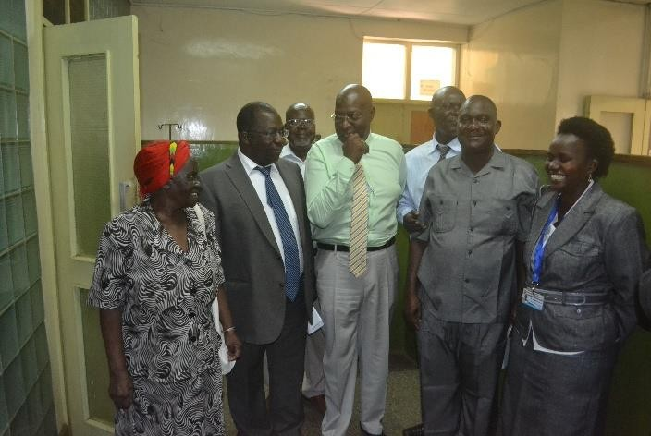
Oginga Odinga Teaching and Referral Hospital and Kakamega County General Hospital.
The Chief Finance Manager Mr. Edward Opiayo (2nd from right) presenting a cheque to the Kakamega County General Hospital Medical Superintend Dr. Roselyne Atieno.
Mr. Opiayo (2nd from left) being taken for a tour of the main theatre by board members of the Jaramogi Teaching and Referral Hospital led by the Medical Superintend Dr. Juliana Otieno (on the right)
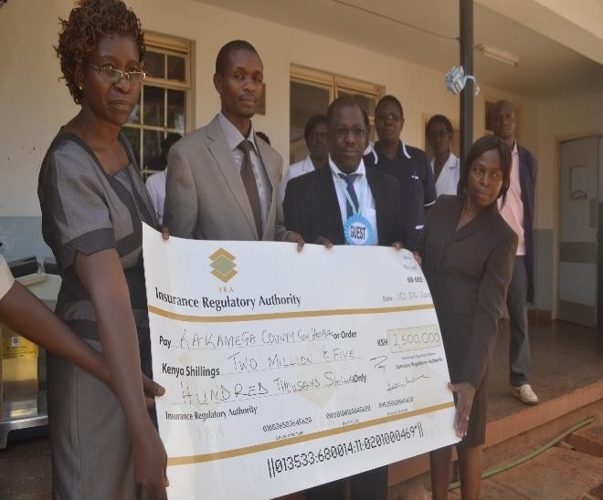
Support to Corporate Bodies
The Authority continues to partner with professional bodies in the organization and running of awards that are aimed at rewarding excellence in various operating areas. Through such partnerships, synergies are created and resources are shared. In addition, the Authority’s visibility and reputation is enhanced. Some of the bodies that the Authority partnered with in the last year include the Institute of Certified Public Secretaries of Kenya (ICPSK) through the Champions of Governance (CoG) Awards, Institute of Certified Public Accountants of Kenya (ICPAK) through the Financial Reporting (FiRe) Awards and the Association of Kenya Insurers (AKI) through the Agents of the Year Awards. The Authority also supported the 2016 Actuarial Convention, the Insurance Institute of Kenya (IIK), Association of Insurance Brokers of Kenya (AIBK) and Law Society of Kenya (LSK) conferences.
Support to Learning Institutions
The Authority supports learning institutions in various ways. Some of the institutions that have benefitted from this support include Jomo Kenyatta University of Agriculture and Technology (JKUAT), University of Nairobi (UoN), Maseno University and St. Bakhita Primary School.

Table 41
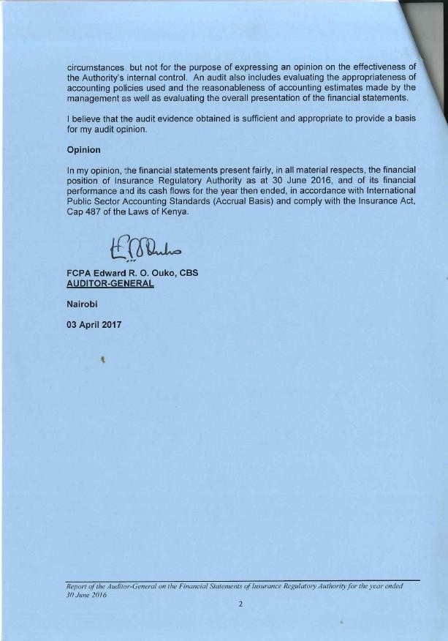
REPORT OF THE DIRECTORS
The Directors submit their report together with the financial statements for the year ended June 30, 2016 which shows the state of affairs of the Insurance Regulatory Authority.
1. Incorporation
The Authority is a State Corporation established under Section 3(1) of the Insurance (Amendment) Act 2006.
2. Principal Activities
The principal activities of the Authority are to regulate, supervise and develop the insurance industry in Kenya and protect the interests of policyholders and insurance beneficiaries.
3. Results The results of the Authority for the year ended June 30, 2016 are set out in the financial statements. The premium levy income for the reporting period increased from KES 1.29 billion in June 2015 to KES 1.43 billion in June 2016. Other income received were in form of interest from Government securities and license fee from the industry players.
4. Board of Directors The Directors who served during the year are shown in the table below;
NO. | Name | Position
1 | Hon. Abdirahin H. Abdi | Chairman
2 | Ms. Joyce K. Muchena | Member
3 | Mr. Paul K. K. Cheboi | Member
4 | Mr. Douglas Kailanya | Member
5 | Ms. Alice M. Njoroge | Member
6 | Mr. Paul Muthaura | Member
7 | Dr. Edward Odundo | Member
8 | Mr. Matu Mugo | Member
9 | Mr. Mutuku Nzomo | Member
10 | Mr. Sammy M. Makove | CEO & Commisioner of Insurance
5. Auditors The Auditor General is responsible for the statutory audit of the Authority pursuant to the Article 229(2) (h) and in accordance with Section 35 of the Public Audit Act, 2015 and Section 68(2) (k) of the Public Finance Management Act, 2012.
By Order of the Board
Mrs. Diana Sawe Tanui Board Secretary
Date: 19th September 2016

STATEMENT OF THE DIRECTORS’ RESPONSIBILITIES
Section 68 of the Public Financial Management Act, 2012 and section 14 of the State Corporations Act, require the Directors to prepare financial statements in respect of the Authority, which give a true and fair view of the state of affairs of the Authority at the end of the financial year and the operating results of the Authority for that year. The Directors are required to ensure that the Authority keeps proper accounting records which disclose with reasonable accuracy the financial position of the Authority. The Directors are also responsible for safeguarding the assets of the Authority.
The Directors are responsible for the preparation and presentation of the Authority’s financial statements, which give a true and fair view of the state of affairs of the Authority for and at the end of the financial year ended June 30, 2016. This responsibility includes: (i) maintaining adequate financial management arrangements and ensuring that these continue to be effective throughout the reporting period; (ii) maintaining proper accounting records, which disclose with reasonable accuracy at any time the financial position of the entity;(iii) designing, implementing and maintaining internal controls relevant to the preparation and fair presentation of the financial statements, and ensuring that they are free from material misstatements, whether due to error or fraud; (iv) safeguarding the assets of the Authority; selecting and applying appropriate accounting policies; and (vi) making accounting estimates that are reasonable in the circumstances.
The Directors accept responsibility for the Authority’s financial statements, which have been prepared using appropriate accounting policies supported by reasonable and prudent judgments and estimates, in conformity with International Financial Reporting Standards (IFRS), and in the manner required by the Public Finance Management Act and the State Corporations Act. The Directors are of the opinion that the Authority’s financial statements give a true and fair view of the state of the Authority’s transactions during the financial year ended June 30, 2016, the Authority’s financial position as at that date, financial affairs of the Authority and of its operating results. The Board of Directors further confirms the completeness of the accounting records maintained by the Authority, which have been relied upon in the preparation of the Authority’s financial statements as well as the adequacy of the systems of internal financial control.
Nothing has come to the attention of the Board of Directors to indicate that the Authority will not continue to operate as a “going concern” for at least the next twelve months from the date of this statement.
Approval of the Financial Statements
The Authority’s financial statements were approved by the Board of Directors on 7th September 2016 and signed on its behalf by:
Chairman: Director:
Date : 19th September 2016
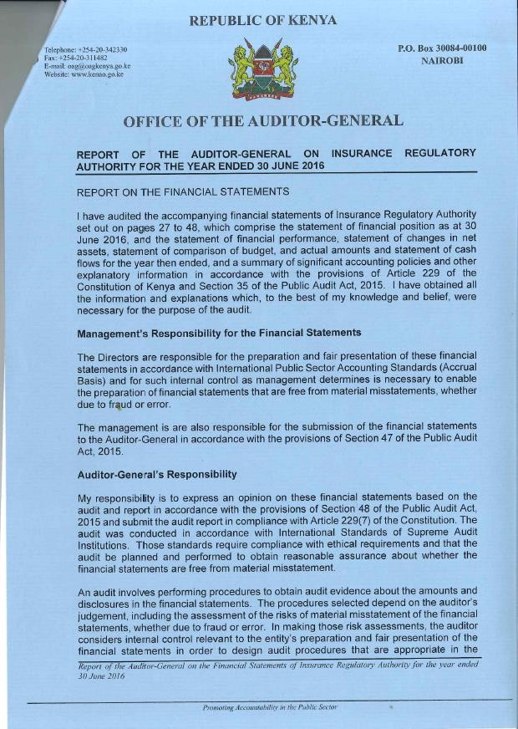
REPORT BY THE AUDITOR GENERAL

Table 59

(b) STATEMENT OF FINANCIAL POSITION
Expenses | Audited Financial Statements 2014/15 | Adjustments | Draft Financial Statement 2015/16 B/F 2014/15 | REMARKS/EXPLANATIONS
Intangible assets |  |  | 6,238,236 | Reclassified from Property, plant and equipment
 |  | 6,238,236
Investments | 182,855,878 | 1,000,000,000 | 1,182,855,878 | Reclassified from Treasury Bonds
Treasury bonds | 1,000,000,000 | (1,000,000,000) | - | Reclassified to Investments
 | 1,234,494,713 | - | 1,234,494,713

PART THREE
INDUSTRY STATISTICS
STATISTICAL APPENDICES Appendix 1: Summary of General Insurance Business Profit & Loss Accounts for the Period Ended 31.12.2016 Appendix 2: Summary of Long Term Insurance Business Profit & Loss Accounts For the Period Ended 31.12.2016 Appendix 3: Summary of Net Commissions and Management Expenses for the Year Ended 31.12.2016 Appendix 4: Summary of Long Term Insurance Business Balance Sheets as at 31.12.2016 Appendix 5: Summary of General Insurance Business Balance Sheets as at 31.12.2016 Appendix 6: Summary of Long Term Business Gross Direct Premiums for the Year Ended 31.12.2016 Appendix 7: Summary of Long Term Business Inward Reinsurance Premiums for the Year Ended 31.12.2016 Appendix 8: Summary of Long Term Business Outward Reinsurance Premiums for the Year Ended 31.12.2016 Appendix 9: Summary of Life Assurances Business Revenue Accounts for the Year Ended 31.12.2016 Appendix 10: Summary of Annuities Business Revenue Accounts for the Year Ended 31.12.2016 Appendix 11: Summary of Group Life Business Revenue Accounts for the Year Ended 31.12.2016 Appendix 12: Summary of Pensions Business Revenue Accounts for the Year Ended 31.12.2016 Appendix 13: Summary of Group Credit Business Revenue Accounts for the Year Ended 31.12.2016 Appendix 14: Summary of Permanent Health Business Revenue Accounts for the Year Ended 31.12.2016 Appendix 15: Summary of Investments Business Revenue Accounts for the Year Ended 31.12.2016 Appendix 16: Summary of Long Term Business Combined Revenue Accounts for the Year Ended 31.12.2016 Appendix 17: Summary of Long Term Insurance Business Actuarial Valuations as at 31.12.2016 Appendix 18: Summary of Gross Direct Premiums under General Insurance Business for the Year Ended 31.12.2016 Appendix 19: Summary of Inward Reinsurance Premiums under General Insurance Business for the Year Ended 31.12.2016 Appendix 20: Summary of Gross Premium Incomes under General Insurance Business for the Year Ended 31.12.2016 Appendix

Appendix 22: Summary of Aviation Business Revenue Accounts for the Year Ended 31.12.2016 Appendix 23: Summary of Engineering Business Revenue Accounts for the Year Ended 31.12.2016 Appendix 24: Summary of Fire Domestic Business Revenue Accounts for the Year Ended 31.12.2016 Appendix 25: Summary of Fire Industrial Business Revenue Accounts for the Year Ended 31.12.2016 Appendix 26: Summary of Liability Business Revenue Accounts for the Year Ended 31.12.2016 Appendix 27: Summary of Marine Business Revenue Accounts for the Year Ended 31.12.2016 Appendix 28: Summary of Motor Private Business Revenue Accounts for the Year Ended 31.12.2016 Appendix 29: Summary of Motor Commercial Business Revenue Accounts for the Year Ended 31.12.2016 Appendix 30: Summary of Motor Psv Business Revenue Accounts for the Year Ended 31.12.2016 Appendix 31: Summary of Personal Accident Business Revenue Accounts for the Year Ended 31.12.2016 Appendix 32: Summary of Theft Business Revenue Accounts for the Year Ended 31.12.2016 Appendix 33: Summary of Workmen's Compensation Business Revenue Accounts for the Year Ended 31.12.2016 Appendix 34: Summary of Medical Insurance Business Revenue Accounts for the Year Ended 31.12.2016 Appendix 35: Summary of Miscellaneous Business Revenue Accounts for the Year Ended 31.12.2016 Appendix 36: Summary of General Business Combined Revenue Accounts for the Year Ended 31.12.2016 Appendix 37: Summary of Net Earned Premiums under General Insurance Business for the Year Ended 31.12.2016 Appendix 38: Summary of Net Paid Claims under General Insurance Business for the Year Ended 31.12.2016 Appendix 39: Summary of Net Incurred Claims under General Insurance Business for the Year Ended 31.12.2016 Appendix 40: Summary of Incurred Claims Ratios under General Insurance Business for the Year Ended 31.12.2016 Appendix 41: Summary of Underwriting Profits under General Insurance Business for the Year Ended 31.12.2016 Appendix 42: Summary of Bu

Annual Insurance Industry Report for the Year Ended 31st December 2016
Appendix 44: Summary of Insurance Premium per County for the Year Ended 31.12.2016 Appendix 45: Summary of Policyholder Compensation Fund Levies for the Year Ended 31.12.2016 Appendix 46: Directory of Insurance and Re-Insurance Companies in Kenya

