Table 1

Insurance Industry Report For the year ended 31st December, 2014
Prepared by Insurance Regulatory Authority
July, 2015

Location of Office: Zep-Re Place, 7th Floor Upper Hill, Longonot Road, off Kilimanjaro Avenue NAIROBI
Address: P.O. Box 43505 00100 - NAIROBI Tel: +254-20-4996000 Mobile: +254 - 719 047000 Telefax: +254-20-4996630 e-mail:commins@ira.go.ke Website: www.ira.go.ke
Help Desk Toll-free Line: (+254) 800724499 Email : complaint@ira.go.ke
Insurance Fraud Investigation Unit Email : ifiu@ira.go.ke Hotline : 254-707598455, 254-786595455
Policyholders Compensation Fund Email : info@phcf.co.ke Tel: +254-(20)-4996000
Follow us on
Twitter: @ira_kenya Facebook: IRA Kenya
ACKNOWLEDGEMENT
The information contained in this report has been obtained from the annual audited accounts and statutory returns submitted to Insurance Regulatory Authority pursuant to the provisions of Part VI of the Insurance Act Cap. 487 of the Laws of Kenya, except where adjustments have been made in consultation with the regulated entities.
The publication of any summary of the returns in this report does not necessarily mean that the returns so summarized have satisfied all the requirements of the Insurance Act, or that the Commissioner of Insurance approves of the accuracy or the contents of the returns.
Where necessary, figures have been adjusted to eliminate errors in totals due to rounding off.
The exchange rate as at 31st December, 2014 was KES 90.60 to the USD.
TABLE OF CONTENTS ACKNOWLEDGEMENT i TABLE OF CONTENTS ii LIST OF TABLES iii LIST OF FIGURES iv ABBREVIATIONS AND ACRONYMS v STRATEGIC FRAMEWORK vi FOREWORD ix 1.0 INTRODUCTION 1 1.1 Overview of the insurance industry 1 1.2 National Hospital Insurance Fund

LIST OF TABLES Table 1: Number of licensed insurance industry players 2 Table 2: Trend of key performance indicators 3 Table 3: Insurance premiums per County 5 Table 4: Trend in insurance parameters and the economy 7 Table 5: Reported Insurance fraud cases 14 Table 6: ECOP training in Counties 16 Table 7: Number of licensed insurers 20 Table 8: Licensed intermediaries and service providers over the last five years 21 Table 9: New and repackaged products 23 Table 10: Applicable licensing fee and penalties 24 Table 11: Premium levy 25 Table 12: Actuarial valu

LIST OF FIGURES Figure 1: Trend in premiums and operating profit for the years 2010-2014 4 Figure 2: Life business premiums distribution by source 6 Figure 3: General business premiums distribution by source 6 Figure 4: Distribution of insurance fraud cases 15 Figure 5: New and non-renewing agencies 17 Figure 6: Reasons for non-renewal of agencies 18 Figure 7: Trend in life fund, net actuarial liabilities and total surplus 26 Figure 8: Distribution of surplus for the year 2014 27 Figure 9: Trend in GDP 29 Figure 10: Class-wise composition of GDP for the year 2014 29 Figure 11: Trend in long term outward reinsurance for the years 2010 – 2014 30 Figure 12: Distribution of long term insurance benefits
AML/CFT Anti-Money Laundering/Combating of Financing of Terrorism ASM Available Solvency Margin Bn Billion C/F Carried Forward CFSRD Comprehensive Financial Sector Reform and Development Strategy DCI Directorate of Criminal Investigations EAC East African Community ESAAMLG Eastern and Southern Africa Anti- Money Laundering Group GDP Gross Direct Premium GPI Gross Premium Income NPI Net Premium Income IFIU Insurance Fraud Investigation Unit IRA Insurance Regulatory Authority KES Kenya Shillings MIP Medical Insurance Providers PCF Policyholders Compensation Fund RBS Risk Based Supervision SMR Solvency Margin Ratio WCA Workmen’s Compensations Act ERS Electronic Regulatory System IAIS International Association of Insurance Supervisors ICP Insurance Core Principles KNBS Kenya Nation Bureau of Statistics
Vision To be the leading insurance industry regulator. Mission
To effectively regulate, supervise, develop the insurance industry and protect insurance beneficiaries. Core Values The Authority’s core values are: • Accountability • Team spirit • Transparency • Integrity • Customer focus • Creativity Mandate The mandate of IRA as per the Insurance (Ammendment) Act 2006 is to regulate, supervise and develop the insurance industry in Kenya. Core functions i. Ensure the effective administration, supervision, regulation and control of insurance and reinsurance business in Kenya; ii. Formulate and enforce standards for the conduct of insurance and reinsurance business in Kenya; iii. Issue licenses to all persons involved in or connected with insurance business; iv. Protect the interests of insurance policyholders and insurance beneficiaries in any insurance contract; v. Promote the development of the insurance sector;

vi. Advise the Government on the national policy to be followed in order to ensure adequate insurance protection and security for national assets and national properties; vii. Issue supervisory guidelines and prudential standards from time to time, for better administration of the insurance business of persons licensed under the Act; viii. Share information with other regulatory authorities and to carry out any other related activities in furtherance of its supervisory role; and ix. Undertake such other functions as may be conferred on it by the Insurance Act Cap. 487 of the Laws of Kenya, or by any other written law.
BOARD OF DIRECTORS
FOREWORD
The global insurance industry gained momentum in 2014, with increasing premiums and reducing cost. The economic environment of insurance markets around the world was supported by real GDP growth of 2.7% (USD 77,394 billion); 0.4 % in advanced markets and 4.1% in emerging markets. Emerging markets GDP was mainly driven by China that grew by almost 7.5% to stand at USD 328.4 billion (Swiss Re Sigma 4/2015). Premium growth strengthened in emerging Asia but slowed in Latin America, Africa and Central and Eastern Europe.
Average life premium growth in Africa slowed to 1.6% in 2014 from 6.0% in 2013 following slowed growth in the largest market, South Africa, which accounts for 87% of Africa’s life premiums. In 2014, South Africa’s life premiums growth rate plunged to 0.9% from 6.2% in 2013. In the rest of Africa, life premiums grew by more than 10%. Non-life premiums in Africa are estimated to have increased by 1.8% in 2014, down from 4.4% growth in 2013 with South Africa being the main contributor to the region’s overall slowdown.
The recent upward movement in economic growth is underpinned by a growing middle class, discovery of oil and gas deposits, major investments in infrastructure projects as well as shifting demographics. These factors continue to create immense opportunities for the insurance sector in Kenya. This coupled with increasing consumer awareness is pushing up demand not only for insurance products but more importantly, the quality of services. This demand witnessed in the year is pushing insurers to fundamentally relook at their business models in terms of innovation (channels and products) and reach.
As Kenya remains the largest insurance market within the East Africa Community, a number of locally registered insurance companies continue to
establish subsidiaries and associate companies within the EAC partner states. Whereas the domino effect of this branch network growth is deepening of insurance in the region, differences in intensity and scope of regulatory landscapes in each of the EAC partner states has had the effect of slowing down anticipated gains from integration. In response to this, there has been a concerted effort to harmonize the regulatory frameworks in the EAC region.
Kenya’s insurance industry was reported to be the fastest growing industry in Africa (Sigma 4/2015). However, the industry is facing a number of challenges that must be addressed jointly with its stakeholders. Among the challenges include the threat of terrorism and sabotage and insufficient capacity to underwrite major infrastructure projects such as the Standard Gauge Railway, Oil & Gas and LAPSET which are currently being insured outside the country.
Kenya’s insurance industry does not have sufficient capacity to effectively underwrite terrorism and sabotage risks as well as the major infrastructure projects. At the same time, existing reinsurance contracts do not provide adequate arrangements for such risks. This calls for increased capacity of local insurers to underwrite and retain a proportion of these risks.
As a response to these challenges, the Authority has continued to focus on putting in place measures that aim at strengthening underwriting capacity locally. The measures taken include removal of the one third rule limit on shareholding for East Africans. This is expected to attract investors from the region to enhance the capacity of domestic players.
There has also been a significant growth in the number of foreign and local investors seeking to invest in the domestic market. As a result, major investors such as Liberty Life Assurance, Prudential Life Assurance, Saham Group, Barclays Group, Leapfrog and Allianz Group entered the market. Their entry is expected to not only enhance industry stability through injection of core capital
but also technical expertise, innovation in product development and distribution as well as increase global networks.
The industry has also witnessed increased activities in mergers, acquisitions and other restructuring with Britam Holdings acquiring Real Insurance, Metropolitan Group acquiring Cannon Assurance, Old Mutual Group acquiring UAP Holdings and Pan Africa Holdings acquiring Gateway Insurance. The acquisitions represent an opportunity for creating synergies and leveraging on innovation all of which – if managed properly – could enhance long-term revenue growth and profitability for the sector.
With proposals in the 2015/2016 National Budget Statement to increase the paid-up capital to KES 400 million for long term insurers, KES 600 million for general insurers and KES 1 billion for reinsurers, it is expected that this will further enhance industry stability especially as the Authority implements risk based supervision.
Global Economic Performance 2014
Five years after the global financial crisis, the world economy is showing signs of bouncing back, pulled along by a recovery in high-income economies. Developing countries’ growth is also firming up, thanks in part to the recovery in high-income economies as well as moderating, but still strong growth in China. Growth prospects have been sensitive to deliberate measures taken to lure investments to the United States and to the structural shifts taking place in China’s economy.
Global Insurance Overview 2014
In 2014, the global insurance industry finally emerged from the combination of financial turmoil and economic uncertainty of the economic meltdown. In Asia- Pacific, rising individual wealth and aging populations are influencing revenue growth. Latin America continued to offer substantial growth potential to insurers. In the United States, Europe and Canada, many insurers have rebuilt their capital positions hence poised for growth. All in all, the industry appears at the threshold of brighter times ahead.
The global insurance industry gained momentum in 2014, even though the economic environment improved only marginally, says Swiss Re's latest sigma study. Total direct premiums written were up 3.7% to USD 4,778 billion after having stagnated the previous year. The life sector returned to positive growth, with premiums up 4.3% after a 1.8% decline in 2013, and non-life premium growth accelerated to 2.9% from 2.7%. A notable feature of the renewed momentum across the insurance industry was a significantly stronger performance in the advanced markets.
According to Swiss Re’s Sigma 4/2015, Africa premiums amounted to USD 69 billion in 2014; life premiums grew by 1.6% while non-life premiums grew by 1.8%. The growth in life premiums dropped from 6% in the previous year which can be attributed to the stagnated growth in South Africa’s life premiums which accounts for 87% of Africa’s premiums. Africa’s life premiums account for 1.7% of the world’s market share while non-life premiums account for 1.1%.
Kenya’s Insurance Industry Performance 2014
There was an upward trend in most of the key performance and financial position indicators for the insurance industry in Kenya during the year under review. Gross Direct Premium increased significantly by 24.6% to stand at KES 160.4 billion in 2014 (2013: KES 133.49 billion).
The asset base for the industry increased by 17.6% from KES 366.25 billion recorded as at the end of December 2013 to KES 430.54 billion as at the end of December 2014. Investments as well increased to stand at KES 355.01 billion in 2014 constituting 82.5% of the total industry assets.
While significant gains were maintained during the year in terms of double digit premium growth, insurance penetration (which is the measure of contribution of insurance to the national economy) declined in absolute terms from 3.4% in 2013 to 2.9% in 2014 owing to rebasing of Kenya’s Gross Domestics Product (GDP). With this level of penetration (2.9%), Kenya is ranked 5th in Africa after South Africa (14%), Namibia (7.2%), Mauritius (6%) and Morocco (3.2%) - Swiss Re, 2014.
Developments Impacting Growth of Kenya’s Insurance Industry
1. Digitization
Technology has upped the stakes for all insurers, particularly in relation to today’s empowered consumers, both searching and buying insurance on the
internet. Insurers must, therefore, develop a stronger digital presence. In today’s world with smartphones and tablets, customers are increasingly expecting to have instant access to services wherever, however and whenever they want. With this in mind, insurers will have to start exploring the growing impact of using new technological platforms to communicate with customers, cater for evolving buying behaviors and mine a rich source of customer insights.
2. Price competition in the insurance industry
Underwriting insurance business in Kenya is characterized by intense competition over established business segments. Very little effort is geared towards innovation in products, service delivery methods and distribution channels. Prospective customers have taken advantage of this competitive environment to dictate contract terms to underwriters consequently pushing down product prices. The result is decreased underwriting performance arising from mismatch between product prices and underwriting costs.
3. Low Level of Innovation
The insurance industry in Kenya is known for perennially relying on conventional (traditional) insurance products, services and distribution channels. Very little effort is directed at research and development by insurers leading to very limited innovations. Largely, existing insurance products do not reflect the needs of Kenyans, particularly the low income group and the youth. Although micro insurance portend a huge opportunity for attracting the low income group to buy insurance, the industry should look further than merely reducing the price of insurance. In addition, price reduction should be accompanied by simplifying policy wordings, terms and conditions without compromising the legal element of the product. This is the essence of simplicity that has been employed by the mobile service providers and banks.
4. Insurance Penetration and Economic Rebasing
Insurance penetration in Kenya (3.4%, 2013) has been affected by the recalculation of Kenya’s GDP following the shifting of base year from 2001 to 2009 (rebasing). This adjustment of the GDP is responsible for the fall of insurance penetration from 3.4% to 2.8%1 of the economy’s GDP. However, this does not represent a drop in insurance growth relative to the economy but merely depicts the effects of the reassessment.
5. Underwriting Capacity Development
Major developments taking place in Kenya including infrastructure projects such as the SGR, the LAPSET, the Konza ICT City, Wind and Solar Power, Oil & Gas have presented a significant opportunity to insurers. However, the industry does not possess adequate capacity to underwrite such risks and therefore such risks are placed overseas. Kenyans also lose the opportunity to learn how to underwrite these mega risks.
The future of insurance in Kenya
On the face of reforms implemented in the regulatory landscape over the last few years coupled with the ripple effects of the 2010 Constitution of Kenya, the Authority’s priorities in the year ended have been more inclined towards consumer protection and ensuring industry stability.
In line with the foregoing, the Authority launched the treating customer fairly (TCF) initiative that is geared towards better customer handling, improving the quality and quantity of customer care received and better yet improve claims settlement in the industry.
The future of the insurance market in Kenya is indeed promising, as positive economic growth prospects will certainly go hand in hand with deepening insurance penetration. The Authority will continue to liaise with the various
1This is penetration ratio computed from KNBS and IRA data

stakeholders to enhance growth and stability of the industry while upholding the interests of policyholders and insurance beneficiaries.
Sammy M. Makove, MBS
Commissioner of Insurance & Chief Executive Officer
1.0 INTRODUCTION The Insurance Regulatory Authority (IRA) publishes the insurance industry statistics in Kenya annually through the Insurance Industry Annual Report. The statistics are extracted from annual audited accounts and returns submitted by insurance and reinsurance companies to the Authority in compliance with the provisions of the Insurance Act. The report aims at informing the various stakeholders on the performance and financial position of the insurance industry in Kenya and any other developments in the industry.
This report is organized into seven sections. The first section deals with an introduction of industry players and provides an overview of their performance. Key industry developments and changes in industry regulation are covered in sections two and three respectively. Detailed industry performance for insurers is covered in section four and reinsurers in section five. Sections six and seven of the report deal with industry income and industry financial position. The appendices (1-40) contain company specific statistics and information. 1.1 Overview of the insurance industry Pursuant to its mandate of regulating, developing and supervising the insurance industry in Kenya, the Authority licenses and oversees the activities of the various entities transacting or supporting insurance business in Kenya.
Amongst the various regulated entities are insurance companies and reinsurance companies2, intermediaries3 and other service providers4 as shown in table 1.
2These include foreign reinsurance companies operating liaison offices in Kenya. 3 This covers insurance brokers (including foreign reinsurance brokers authorized to run liaison offices), medical insurance providers, and insurance agents. 4 This covers insurance investigators, motor assessors, insurance surveyors, loss adjusters, claims settling agents and risk managers. These offer support services to the industry.

Table 1: Number of licensed insurance industry players5
No. | Regulated Entity | Number licensed
1 | Insurance Companies | 50
2 | Reinsurance Companies | 3
3 | Insurance Brokers | 198
4 | Reinsurance Brokers | 4
5 | Medical Insurance Providers | 29
6 | Insurance Investigators | 133
7 | Motor Assessors | 108
8 | Insurance Agents | 5155
9 | Insurance Surveyors | 24
10 | Loss Adjusters | 25
11 | Claims Settling Agents | 2
12 | Risk Managers | 8
Note: i. The following foreign reinsurance companies and reinsurance brokers operate liaison offices in Kenya: • Ghana Reinsurance Company; • Munich Reinsurance Company; • J.B Boda Reinsurance Broker and • Afro Asia Reinsurance Broker. ii. Africa Reinsurance Company, PTA Reinsurance Company and Africa Trade Insurance Agency (ATI) are regional insurance organizations and all operate under the various regional charters.
1.2 National Hospital Insurance Fund
National Hospital Insurance Fund (NHIF) is a state corporation operating under NHIF Act No. 9 of 1998. The Fund is mandated to provide medical insurance cover to all its members and their declared dependants (spouse and children).
In the one year period to June 2014, the fund6 collected KES 9.32 billion in member contributions. The fund paid out KES 5.52 billion as claimed benefits to members and their beneficiaries within the same period. The fund size was
5The number of licenced insurance agents includes 14 doing bancassurance business 6Source: NHIF unaudited financial statements for the period ended 30th June 2014.

KES 12.30 billion as at the end of the same period. The operations of the fund were supported by a balance sheet of KES 16.57 billion as at the end of June 2014.

Table 2
NHIF is not regulated by the Authority.
1.3 Summary of key industry performance indicators Most of the industry’s key performance and financial position indicators grew significantly during the period to December 2014. Industry premiums increased from KES 135.38 billion in 2013 to KES 157.73 billion in 2014, representing a 16.5% year-on-year growth. Industry operating profit for the year 2014 dropped by 14.8% to stand at KES 17.23 billion (2013: KES 20.24 billion).
The industry’s asset base grew from KES 366.25 billion in 2013 to KES 430.54 billion in 2014. Out of the total industry assets, 82.5% (KES 355.01 billion) were income generating investments. Shareholders’ funds amounted to KES 114.14 billion, a growth of 13.1%, signalling improving capital position in the insurance industry. This shows increasing industry resilience as evidenced by increasing capital resources available for loss absorption.
Table 2 shows the overall summary of key industry performance indicators for the years 2010 to 2014.
Table 2: Trend of key performance indicators
Item | Years
 | 2010 | 2011 | 2012 | 2013 | 2014 | % Annual Growth (2013/2014) | % Average Annual Growth
Gross Premium Income | 76,908,988 | 91,806,433 | 111,911,370 | 135,384,923 | 157,732,058 | 16.5 | 19.7
Net Premium Written | 64,123,285 | 75,068,663 | 87,475,983 | 105,013,409 | 126,333,481 | 20.3 | 18.5
Claims Incurred (general business) | 21,628,871 | 25,168,942 | 29,465,751 | 34,170,145 | 42,677,696 | 24.9 | 18.6
Net commissions | 10,269,674 | 6,329,153 | 6,760,078 | 7,204,448 | 9,007,508 | 25.0 | 0.0
Expenses of Management | 16,758,479 | 17,111,268 | 20,239,406 | 24,808,273 | 30,523,394 | 23.0 | 16.5
Underwriting Results (general business) | 1,271,437 | 2,416,263 | 3,107,093 | 3,402,770 | 1,604,507 | -52.8 | 18.8
Investment Income(P&L) | 23,369,307 | 5,456,812 | 11,119,938 | 9,429,214 | 11,392,377 | 20.8 | 8.2
Operating profit/loss after taxation | 7,634,272 | 6,908,585 | 13,104,366 | 20,235,881 | 17,232,015 | -14.8 | 29.9
Investments | 177,520,999 | 191,790,627 | 240,124,681 | 296,336,802 | 355,009,404 | 19.8 | 19.1
Assets | 223,490,783 | 245,597,207 | 311,215,873 | 366,252,339 | 430,536,097 | 17.6 | 18.0
Shareholder’s Funds | 58,648,780 | 44,880,131 | 77,115,761 | 100,958,028 | 114,141,212 | 13.1 | 23.1
Amounts in '000' KES
Figure 1 illustrates a five year trend in gross premium incomes for the insurance industry in Kenya.
Figure 1: Trend in premiums and operating profit for the years 2010 - 2014
1.4 Insurance and the devolved system of government In the year 2014, the insurance companies reported their insurance premiums written per county. Premiums written were highest in Nairobi, Mombasa, Nakuru, Kisumu, Kiambu and Uasin Gishu counties and lowest in Marsabit, Turkana, Lamu, West Pokot and Nyamira counties. This distribution is indicative of the degree of insurance awareness, level of investments and population factors in the counties amongst others.
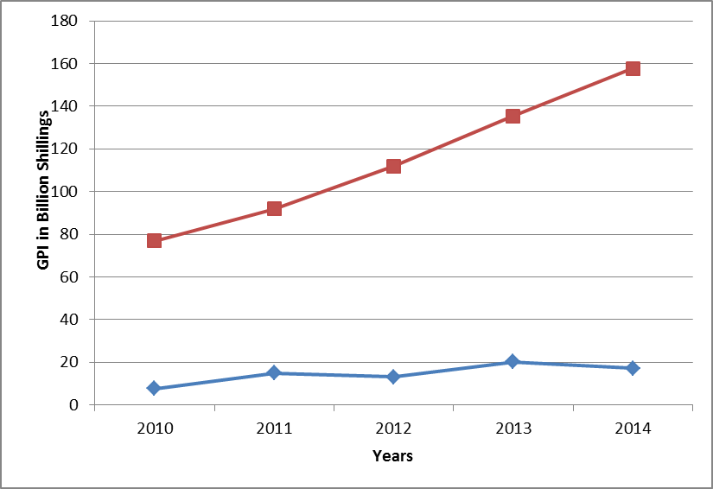
Table 3 shows the distribution of insurance premiums per county.

Table 3
County | Premiums |  |  |  | County | Premiums
 | Life Business | General Business | Total | % Total |  | Life Business | General Business | Total | % Total
Nairobi | 32,429,857,115 | 65,301,528,533 | 97,731,385,648 | 79.77 | Narok | 11,718,972 | 70,742,357 | 82,461,329 | 0.07
Mombasa | 626,774,389 | 5,742,677,836 | 6,369,452,225 | 5.20 | Nandi | 26,351,568 | 51,192,712 | 77,544,280 | 0.06
Nakuru | 774,394,204 | 2,180,418,534 | 2,954,812,738 | 2.41 | Siaya | 53,040,984 | 16,094,803 | 69,135,787 | 0.06
Kisumu | 619,875,610 | 1,611,548,040 | 2,231,423,650 | 1.82 | Kitui | 29,544,540 | 38,015,615 | 67,560,155 | 0.06
Kiambu | 936,388,920 | 1,221,811,280 | 2,158,200,200 | 1.76 | Taita -Taveta | 22,619,189 | 37,788,134 | 60,407,323 | 0.05
Uasin Gishu | 737,165,446 | 1,155,141,329 | 1,892,306,775 | 1.54 | Homabay | 30,783,696 | 21,291,653 | 52,075,349 | 0.04
Nyeri | 756,533,625 | 920,367,756 | 1,676,901,381 | 1.37 | Bomet | 17,993,120 | 28,407,620 | 46,400,740 | 0.04
Kisii | 497,942,293 | 512,301,326 | 1,010,243,619 | 0.82 | Makueni | 38,467,830 | 6,130,817 | 44,598,647 | 0.04
Meru | 167,584,656 | 813,802,366 | 981,387,022 | 0.80 | Tharaka-Nithi | 41,545,804 | 1,921,831 | 43,467,635 | 0.04
Embu | 562,498,879 | 345,109,564 | 907,608,443 | 0.74 | Tana River | 25,275,119 | 17,398,711 | 42,673,830 | 0.03
Migori | 61,517,122 | 545,525,684 | 607,042,806 | 0.50 | Wajir | 1,209,581 | 40,512,217 | 41,721,798 | 0.03
Machakos | 193,205,833 | 402,672,082 | 595,877,915 | 0.49 | Kajiado | 10,577,620 | 28,921,019 | 39,498,639 | 0.03
Kakamega | 195,199,641 | 162,422,497 | 357,622,138 | 0.29 | Nyandarua | 24,459,055 | 10,485,332 | 34,944,387 | 0.03
Laikipia | 90,834,520 | 178,835,061 | 269,669,581 | 0.22 | Mandera | 606,255 | 29,365,077 | 29,971,332 | 0.02
Kericho | 59,250,894 | 159,221,384 | 218,472,278 | 0.18 | Samburu | 3,582,282 | 23,641,568 | 27,223,850 | 0.02
Kirinyaga | 22,833,694 | 191,108,979 | 213,942,673 | 0.17 | Isiolo | 2,469,491 | 24,289,518 | 26,759,009 | 0.02
Murang'a | 49,778,901 | 160,219,159 | 209,998,060 | 0.17 | Vihiga | 22,507,814 | 1,930,998 | 24,438,812 | 0.02
Bungoma | 98,760,025 | 111,199,304 | 209,959,329 | 0.17 | Elgeyo-Marakwet | 18,412,042 | 515,322 | 18,927,364 | 0.02
Kilifi | 44,355,972 | 159,609,855 | 203,965,827 | 0.17 | Nyamira | 14,572,943 | 3,691,943 | 18,264,886 | 0.01
Garissa | 14,623,949 | 188,234,396 | 202,858,345 | 0.17 | Westpokot | 3,008,617 | 10,186,261 | 13,194,878 | 0.01
Busia | 36,697,149 | 149,866,597 | 186,563,746 | 0.15 | Lamu | 11,848,934 | 750,994 | 12,599,928 | 0.01
Trans Nzoia | 61,667,925 | 121,925,640 | 183,593,565 | 0.15 | Turkana | 5,270,355 | 4,864,099 | 10,134,454 | 0.01
Kwale | 51,399,757 | 85,610,592 | 137,010,349 | 0.11 | Marsabit | 4,781,561 | 2,822,931 | 7,604,492 | 0.01
Baringo | 10,132,654 | 102,254,051 | 112,386,705 | 0.09 | Total | 39,519,920,544 | 82,994,373,377 | 122,514,293,921 | 100.00
Amounts in KES
1.5 Insurance distribution Channels The 2014 annual audited statistics indicate that the main distribution channels for insurance products in the market were insurance agents and insurance brokers. In life insurance business, insurance agents channelled 56.5% while brokers moved 24.4% of the business. The remaining 19.1% of the business was from walk-in clients. On the contrary, the insurance agents and brokers moved almost equal proportions of the total non-life business at 39.4% and 39.2% respectively. The non-life insurance business underwriters moved 21.4% of business through walk-in insurance services seekers.
Figure 2 and figure 3 illustrates the distribution of insurance premiums by source (distribution channel) for the year 2014 under life and general insurance business respectively.
Figure 3: General business premiums distribution by source
1.6 Insurance Parameters and the National Economy Insurance penetration experienced a downswing trend between 2013 and 2014. This is attributable to the recent rebasing of Kenya’s gross domestic product (GDP) that saw the economy move from low to middle income status.
 | 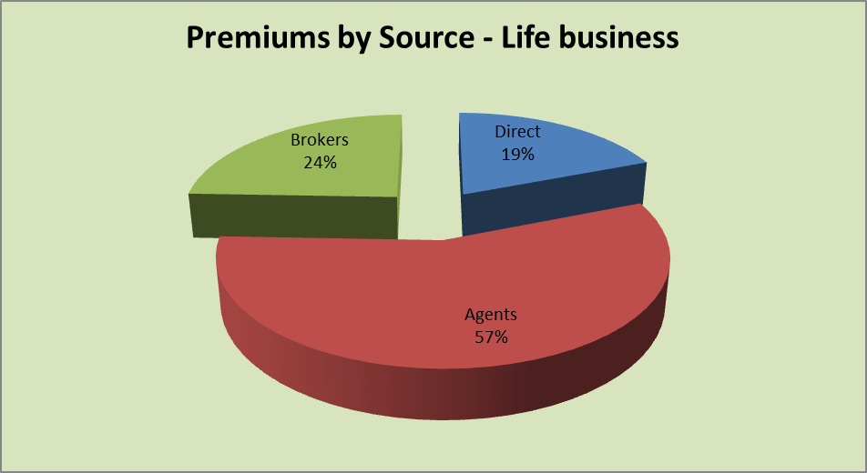
 | 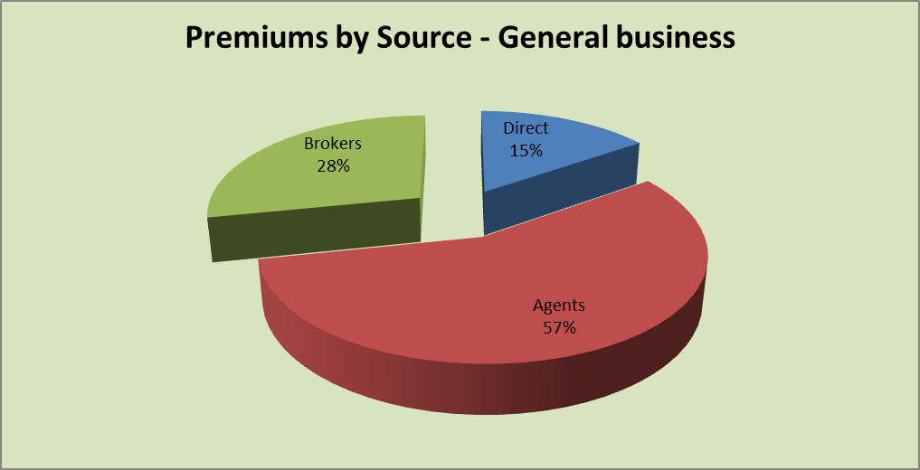

Table 5
The ERS has greatly enhanced the ease of the supervisory process and through it the RBS framework is being effectively implemented.
2.4 Insurance Fraud Investigation Unit The Insurance Fraud Investigation Unit (IFIU) was established in 2011 by the Authority to deal with cases of fraud in the insurance industry. The unit received reports and detected cases of insurance fraud totaling to 87 during the year 2014 compared to 57 similar cases in 2013.
The nature of the insurance fraud reports/cases and the numbers are as itemized in table 5.
Table 5: Reported Insurance fraud cases
Classification | Nature of Reports/Cases | 2012 |  | 2013 |  | 2014
 |  | Cases | Total | Cases | Total | Cases | Total
Motor | Fraudulent accident claims | 10 | 35 | 4 | 21 | 7 | 27
 | Forged insurance certificates | 8 |  | 3 |  | 3
 | Fraudulent theft insurance claims | 17 |  | 14 |  | 17
Medical | Fraudulent claims | 6 | 6 | 3 | 3 | 7 | 7
Agents | Theft by insurance agents | 30 | 38 | 6 | 6 | 24 | 25
 | Commission fraud by agents | 5 |  | 0 |  | 1
 | Complaint against agents | 3 |  | 0 |  | 0
Insurance Companies | Theft by employees | 7 | 10 | 10 | 10 | 10 | 10
 | Complaints against insurance companies | 3 |  | 0 |  | 0
Workmen’s compensation | Fraudulent claims | 22 | 22 | 6 | 6 | 2 | 2
Advocates/auctioneers | Complaint against advocates/auctioneers | 5 | 5 | 1 | 1 | 0 | 0
Funeral last expenses | Fraudulent funeral claims | 9 | 9 | 2 | 2 | 4 | 4
Others | Fraudulent personal accident claims | 0 | 8 | 0 | 8 | 3 | 12
 | Fraudulent life claims | 0 |  | 0 |  | 4
 | Operating without registration | 1 |  | 5 |  | 1
 | Fraudulent fire claim | 1 |  | 0 |  | 0
 | Investment schemes claims | 1 |  | 0 |  | 0
 | Others | 5 |  | 3 |  | 4
Total |  |  | 133 |  | 57 |  | 87
Source: IRA statistics
The distribution of reported insurance fraud cases are illustrated in Figure 4.
Figure 4: Distribution of insurance fraud cases
The unit faces various challenges in the execution of its mandate including: • Transition of prosecution mandate from police prosecutors to Directorate of Pubic Prosecution. • Mass transfer of magistrates resulting to commencement of cases afresh. • Transfer of IFIU Officers enmasse. • Lack of Anti-fraud policies in the insurance companies. • Lack of a common fraud information sharing platform. • Selective reporting of cases by the insurance companies i.e. cases with monetary benefit • Withdrawal of cases by the complainant under section 204 of Criminal Procedure code • Lack of specific legislation on insurance fraud offences in Insurance Act
2.5 Executive Certificate of Proficiency The Authority, in partnership with the College of Insurance, rolled out the training for insurance agents in the counties under the Executive Certificate of Proficiency in Insurance (ECOP) programme.
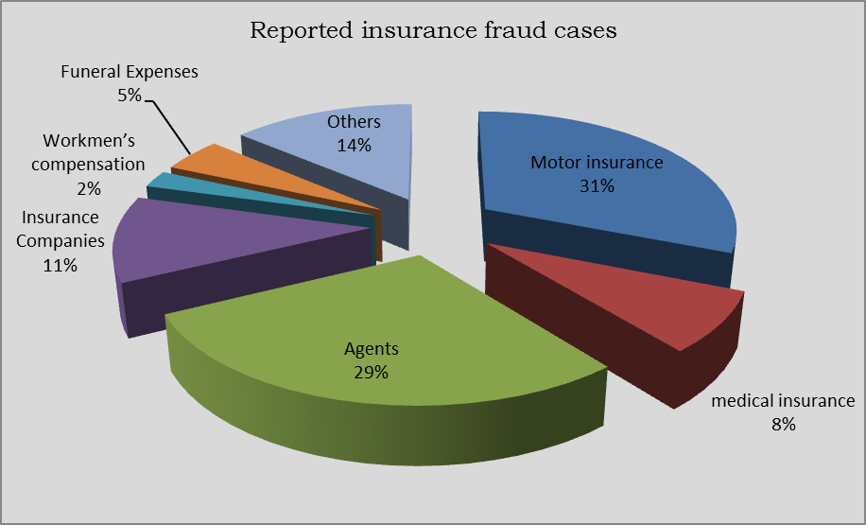
The programme was launched on 9th February 2013 which was preceded by a pilot training in Kitui County in November 2012.

Table 6
The objectives of the training programme are, among others, to: • Create employment at the counties by training at least 100 residents of the county to qualify as insurance sales agents; • Creating an understanding of the needs and benefits of insurance in order to improve uptake of insurance; • Enhance access of insurance services within all the counties in realization of the Vision 2030; • Create a positive image of insurance by having well trained and skilled insurance sales persons at county levels;
Successful trainees are awarded an Executive Certificate of Proficiency (ECOP) in Insurance upon graduation.
The counties that benefited from the ECOP programme in 2014 are as shown in table 6.
Table 6: ECOP training in Counties
No. | County | Dates | Number of Successful Trainees
1 | Migori | 20th January –1st February, 2014 | 123
2 | Uasin Gishu | 10th – 22nd March, 2014 | 120
3 | Trans Nzoia | 5th – 16th May, 2014 | 120
4 | Machakos | 18th - 29th August, 2014 | 119
5 | Kiambu | 22nd September – 4th October, 2014 | 121
6 | Kwale | 27th October – 8th November, 2014 | 104
7 | Kajiado | 24th November – 5th December, 2014 | 119
 | Total |  | 826
2.6 Research and Development Three studies were carried out during the year and the outcome is as follows.
2.6.1 The Agency Traceability Study
The study reviewed data on licensing of agents by IRA over the period 2009- 2013. It showed that during this period, the number of agents grew from 3,321 in 2009 to 4,337 in 2013, representing an overall growth of 31%.
It also revealed that on an annual basis, the number of new agents being registered declined at an average rate of 32% while the number of agents not renewing their licenses increased at an average rate of 54%.
The study also established a number of underlying reasons that may have contributed to these trends which were characterized as market, work related and regulatory challenges. The market and work related factors include: competition especially from direct sales agents and bancassurance, lack of management support as well as negative perception of the public towards insurance. The regulatory challenges include: perceived high licensing fee, perceived high entry grades for the Certificate of Proficiency (COP) course and unfair payment terms for agent’s clients compared to brokers’. Further, it was established the attitude of the agents towards their work also affects their stay in the industry as insurance agents.
The study recommended enhanced engagement with agents to address issues identified, and a review of the agency model in view of the identified factors that affect the agency workforce.
Figure 5 illustrates the trend in new agents and non-renewing agents while figure 6 illustrates the various reasons advanced by the insurance agents for non-renewal of their licenses and respectively.
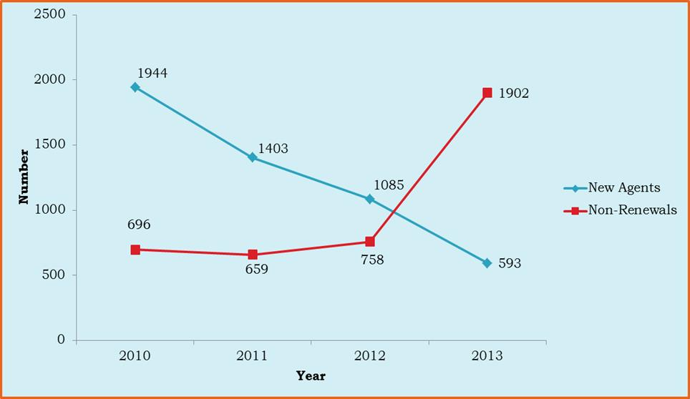
Figure 5: New and non-renewing agencies

Figure 6: Reasons for non-renewal of agencies
2.6.2 Study on Nature and Extent of Fraud in the Insurance Industry in Kenya with Special Reference to the Motor Class of Insurance Business
Motor class of insurance business has continued to register high loss ratios. This has been one of the major causes of failure of insurance companies witnessed in the last ten years.
The Authority commissioned Jomo Kenyatta University of Agriculture and Technology to conduct a study on fraud in the insurance industry narrowing down to the motor insurance class of business.
The objective of the study was to provide an understanding on the nature of fraud in the motor class of insurance business; determine the drivers of fraud and establish the characteristics of fraud in the motor sector.
The findings of the study showed fraud is manifested in various forms such as misrepresentation of facts at underwriting and settlement stage, billing of services and supplies not provided, unnecessary vehicle repairs, stage managed accidents, collusion between insurance intermediaries and policyholders and organized cartels that include changing details of the policy without the policyholder’s knowledge.
 | 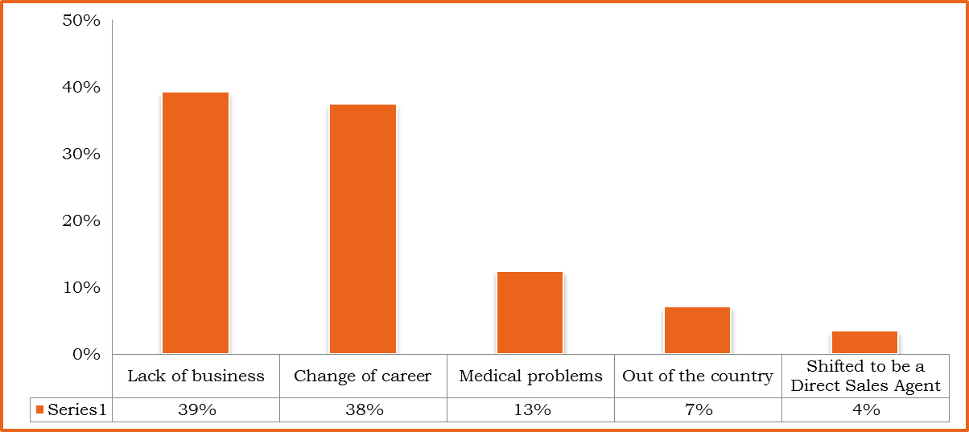
According to the study, private cars fraud is mainly devised through loss assessors or adjusters while for commercial vehicles it is through insurance brokers. Policyholders were found to plan fraud with some of the stakeholders that are involved in the claim process. The key drivers of insurance fraud according to the study were; expected financial gain, greed and lack of clear policy guidelines.
2.6.3 Digital Mapping of Insurance Service Providers in Kenya
This study focussed on mapping insurance companies and insurance brokers, and their branch networks in Kenya. The aim was to provide a better understanding of the geo-spatial distribution of insurance providers in Kenya and accessibility to insurance services by the public.
A total of 636 insurance providers in 39 districts across Kenya were mapped; of these 452 were insurance companies’ head offices and branches while 184 were brokerage firms’ head offices and branches. The mapping is accessible on the IRA website to stakeholders and it can be used to determine the distribution network of insurance service providers by location.

Table 12
Table 12 shows industry life-fund, net actuarial liabilities and distribution of surplus.
Table 12: Actuarial valuations balance sheet
Item | Years
 | 2010 | 2011 | 2012 | 2013 | 2014
Life Fund (Before Distribution) | 101,344,236 | 115,978,803 | 144,776,317 | 141,207,586 | 183,810,335
Net actuarial Liabilities | 82,886,541 | 96,907,323 | 122,688,634 | 121,780,008 | 167,830,460
Total Surpluses | 18,457,695 | 19,071,480 | 22,087,683 | 18,174,023 | 15,979,875
Surplus to Policyholders | 4,065,334 | 3,790,997 | 7,485,362 | 5,330,934 | 5,263,922
Surplus to Shareholders | 1,801,964 | 1,843,176 | 2,532,330 | 1,000,390 | 1,639,311
Surplus to Reserves | - | - | - | 1,561,768 | 8,882,265
Surplus Carried forward | 12,589,614 | 13,437,307 | 12,069,991 | 11,752,754 | 194,378
Amounts in ‘000’ KES.
Figure 7 illustrates the trends in life fund, net actuarial liabilities and surplus for the years 2010-2014.
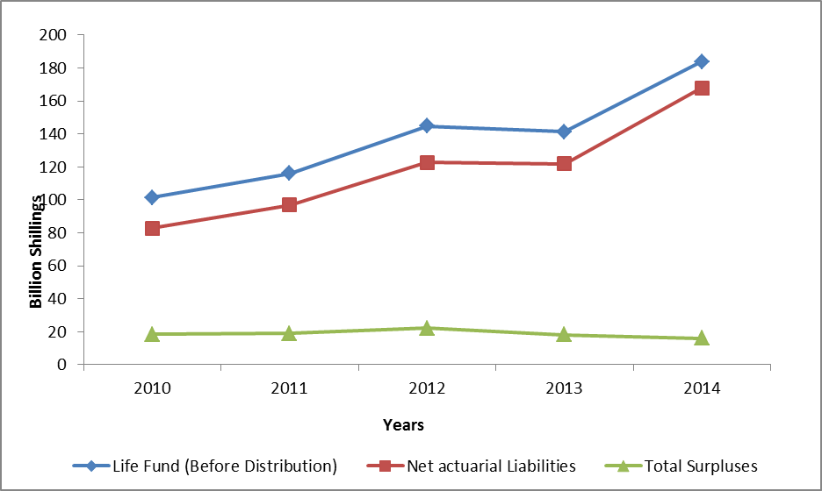
Figure 7: Trend in life fund, net actuarial liabilities and total surplus

Figure 8 illustrates the distribution of the surplus arising from actuarial valuation of the life fund and liabilities.
Figure 8: Distribution of surplus for the year 2014
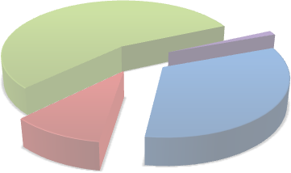 Surplus to Reserves 56% Surplus Carried forward 1% Surplus to Policyholders 33% Surplus to Shareholders 10%

Table 13
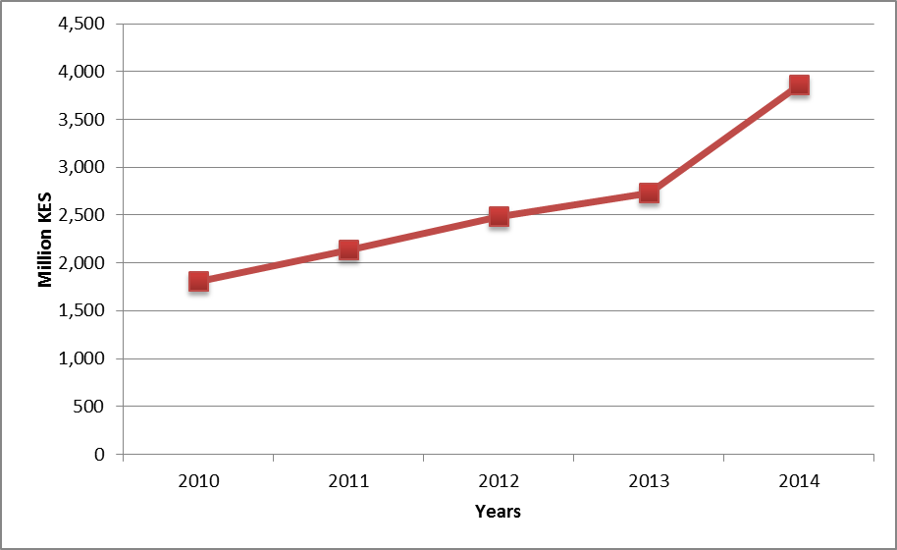
4.0 INDUSTRY PERFORMANCE - INSURERS The performance of the insurance industry is analysed as follows:
4.1 Long term insurance business Long term insurance business comprises bond investment, industrial life, ordinary life and superannuation. Superannuation is further subdivided into group life and pensions.
4.1.1 Performance indicators Table 13 shows the various long term insurance business performance indicators for the last five years.
Table 13: Summary of long term insurance performance indicators
Indicators | Years
 | 2010 | 2011 | 2012 | 2013 | 2014
Ordinary Life
Gross Direct Premium | 10,954,291 | 12,510,562 | 14,361,063 | 17,682,186 | 28,884,762
Outward Reinsurance | 199,769 | 246,320 | 265,166 | 214,337 | 202,052
Net Premiums | 10,754,522 | 12,264,242 | 14,095,897 | 17,467,849 | 28,684,681
Management expenses | 3,388,252 | 3,752,333 | 4,342,838 | 4,812,902 | 12,121,598
Net Commissions | 1,827,375 | 2,336,060 | 2,618,346 | 3,078,308 | 6,077,183
Life Fund | 39,444,425 | 36,235,961 | 58,048,693 | 58,656,946 | 80,680,109
Group Life
Gross Direct Premium | 7,883,344 | 7,494,063 | 9,951,810 | 10,652,996 | 13,597,088
Outward Reinsurance | 1,609,163 | 1,891,372 | 2,215,022 | 2,516,924 | 3,654,434
Net Premiums | 6,274,181 | 5,602,691 | 7,736,788 | 8,136,072 | 9,934,706
Management expenses | 1,333,750 | 1,511,300 | 1,552,662 | 1,868,943 | 2,671,087
Net commissions | 628,678 | 295,171 | 146,126 | 219,308 | 2,481,230
Life Fund | 16,648,087 | 25,776,856 | 15,328,100 | 5,825,954 | 10,631,761
Pensions
Gross Direct Premium | 8,312,485 | 11,544,273 | 12,872,244 | 16,089,229 | 14,099,530
Outward Reinsurance | - | - | - | - | -
Net Premiums | 8,312,485 | 11,544,273 | 12,872,244 | 16,089,229 | 14,099,530
Management expenses | 403,474 | 367,359 | 617,156 | 955,921 | 13,667,319
Net commissions | 70,093 | 53,060 | 197,432 | 134,548 | 1,059,752
Life Fund | 43,902,454 | 47,040,962 | 71,348,148 | 72,746,600 | 101,981,681
Amounts in '000' KES
The total premium income under long term insurance business for the year 2014 amounted to KES 56.58 billion. The year-on-year growth during this period was 27.4% (2013: KES 44.42 billion).
The trend and composition of GDP per class of long term business is as shown in figure 9 and 10 respectively:
Figure 9: Trend in GDP
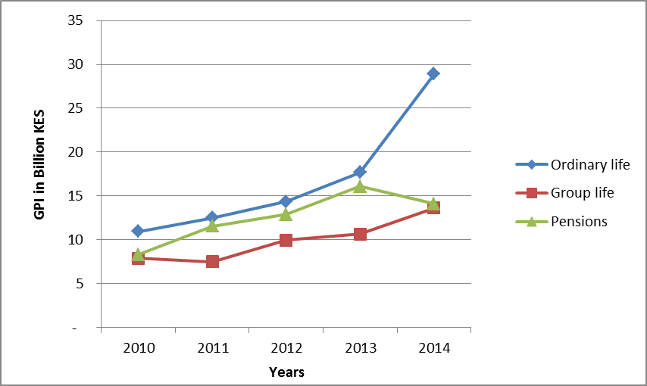
Figure 10:Class-wise composition of GDP for the year 2014

25% Ordinary Life 51% Group Life Pensions 24%
During the year, 152,133 new policies were underwritten covering 771,875 lives. By the end of year 2014, a total of 1.24 million policies were in force covering a total of 2.47 million lives. Figure 11 illustrates the general trend in long term outward reinsurance premium over the last five years.
Figure 11: Trend in long term outward reinsurance for the years 2010 – 2014
4.1.2 Claims and policyholders’ benefits In 2014, a total of KES 23.81 billion was paid out and/or accrued to policyholders as claims and benefits compared to KES 20.83 billion for 2013: an annual growth of 14.3%. Total claims amounted to KES 13.34 billion and constituted 56% of the total benefits to policyholders.

Table 14
Table 14: Claims and policyholder benefits
Benefits | Years
 | 2010 | 2011 | 2012 | 2013 | 2014
Total Claims | 7,475,460 | 6,413,181 | 6,295,722 | 10,652,661 | 13,338,682
Surrenders | 786,445 | 1,150,154 | 1,304,641 | 2,641,572 | 2,406,391
Withdrawals | 4,863,268 | 6,924,560 | 6,754,337 | 5,661,450 | 6,450,668
Bonuses paid | 509,473 | 608,785 | 722,181 | 949,061 | 1,043,630
Annuities | 608,265 | 745,799 | 1,075,413 | 921,847 | 567,833
Total benefits | 14,242,911 | 15,842,479 | 16,152,294 | 20,826,591 | 23,807,204
Amounts in '000' KES
Figure 12 illustrates distribution of claims and policyholders’ benefits.
Figure 12: Distribution of long term insurance benefits
4.2 General insurance business The following is the analysis of performance of general insurance business.
4.2.1 Gross direct premium income The insurance industry’s total gross direct premium income under general insurance business amounted to KES 99.18 billion compared to KES 84.77 billion in 2013. This was a growth of 17.0% which was slightly higher than the growth witnessed in the previous year of 16.3%. However, the four-year average growth of 18.9% indicates that the industry is growing at a decelerating rate.
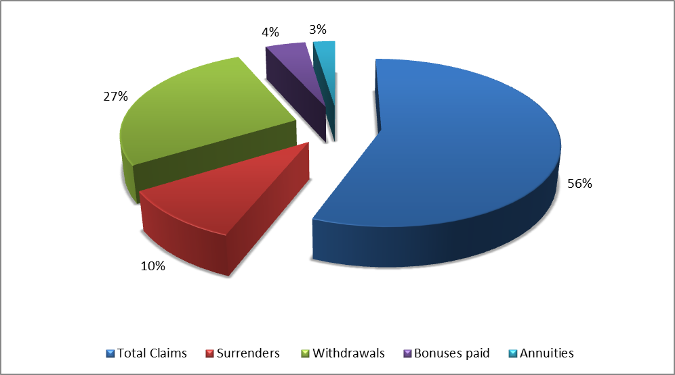
Key in this growth of GDP is medical and micro insurance premiums. Since inception in 2010, the medical insurance class has experienced an average growth of 24%. The micro insurance premiums8 grew by 75% between the years 2013 and 2014.

Table 15
Gross direct premium income per class of general insurance business is shown in Table 15.
Table 15: GDP per class of general insurance business
Class of business | Years
 | 2010 | 2011 | 2012 | 2013 | 2014 | 2013/2014 % growth
Aviation | 528,500 | 623,580 | 790,955 | 1,127,429 | 1,200,632 | 6.5
Engineering | 1,396,657 | 1,849,865 | 2,339,157 | 2,776,577 | 3,547,973 | 27.8
Fire Domestic | 864,520 | 993,743 | 1,119,610 | 1,272,835 | 1,347,967 | 5.9
Fire industrial | 4,671,847 | 5,398,668 | 6,574,405 | 7,637,802 | 8,757,929 | 14.7
Liability | 1,209,120 | 1,259,285 | 1,354,558 | 1,560,128 | 1,891,331 | 21.2
Marine | 2,050,695 | 2,316,951 | 2,579,984 | 2,775,148 | 2,726,463 | -1.8
Motor Private | 9,625,238 | 11,363,320 | 12,424,520 | 13,909,445 | 16,382,944 | 17.8
Motor Commercial | 12,975,659 | 15,500,186 | 17,391,014 | 19,536,285 | 22,553,021 | 15.4
Personal Accident | 2,580,343 | 2,611,184 | 3,007,419 | 3,250,304 | 3,604,559 | 10.9
Theft | 2,193,192 | 2,501,561 | 2,866,936 | 3,289,650 | 3,553,715 | 8.0
Workmen's Compensation | 3,393,606 | 3,795,408 | 4,141,555 | 4,666,576 | 5,174,648 | 10.9
Medical | 6,864,184 | 8,515,103 | 16,140,769 | 20,507,131 | 25,315,035 | 23.4
Miscellaneous | 1,405,307 | 1,969,662 | 2,177,179 | 2,456,310 | 3,120,075 | 27.0
Total | 49,758,868 | 58,698,516 | 72,908,062 | 84,765,620 | 99,176,292 | 17.0
Amounts in '000' KES
Analysis of GDP income performance over the five years period commencing 2010 shows a steady growth as illustrated in figure 13.
8 The micro insurance premiums have been reported under the miscellaneous class of general insurance business.

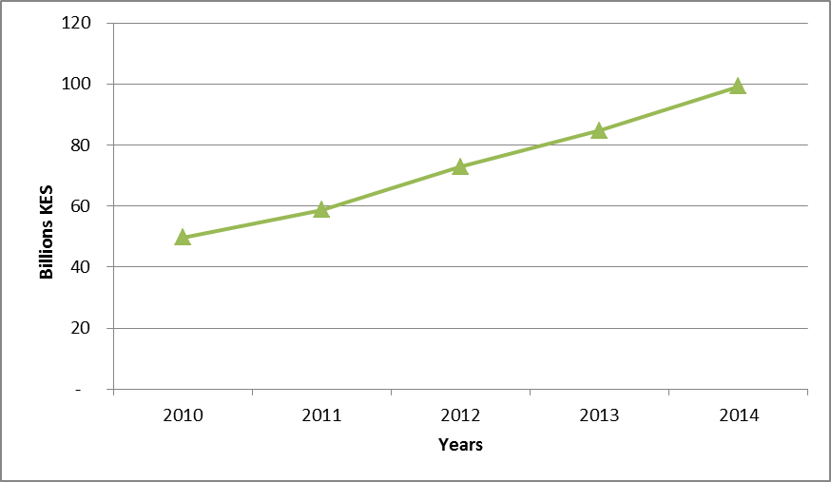
During the year under review 1.27 million new policies were underwritten under general insurance business. 1.37 million policies were renewal business resulting to a total of 2.64 million policies at the end of 2014.
4.2.2 Class-wise distribution of GDP There has been a significant growth in medical insurance premiums over the years that has seen this class top the general insurance business category in terms of premium income. In 2014, the class commanded 25% of the total GDP under general insurance business. This was followed by motor commercial at 23% and motor private at 16% of total industry GDP under general insurance business.
Figure 14 illustrates the distribution of GDP per class of general insurance business for the year 2014.

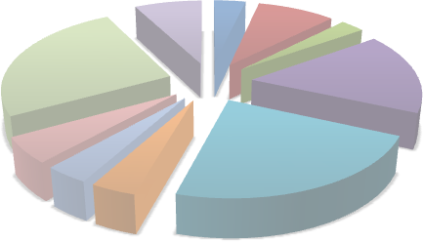 Engineering Fire industrial Others 3% 9% 8% Marine 3% Medical 25% Motor Private 16% Workmen's Compensation 5% Theft Motor Commercial 4% Personal Accident 23% 4%
4.2.3 Inward reinsurance premiums In the year 2014, inward reinsurance premiums amounted to KES 1.97 billion increasing marginally by 4.4% from KES 1.89 billion recorded in 2013 as shown in table 16:
Table 16: Inward reinsurance premiums
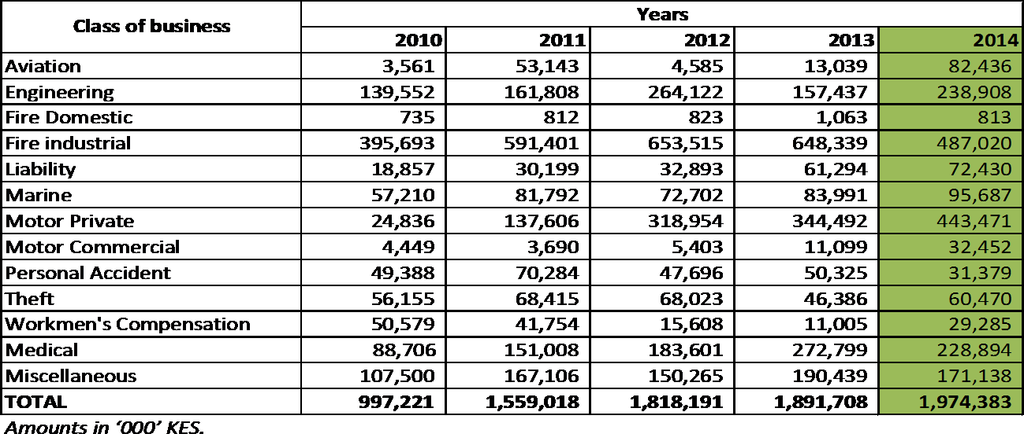
The trend of inward reinsurance premiums under general insurance business is illustrated in figure 15.

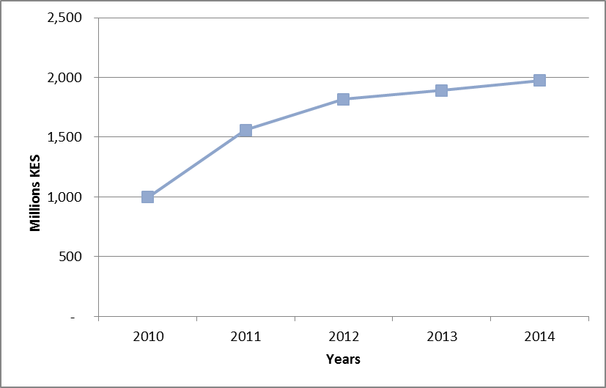
Key contributors to inward reinsurance premiums were fire industrial (24.7%), motor private (22.5%) and engineering (12.1%) classes of general insurance.
4.2.4 Outward reinsurance premiums Table 17 summarizes the outward reinsurance premiums under general insurance business.
Table 17: General business outward reinsurance premiums

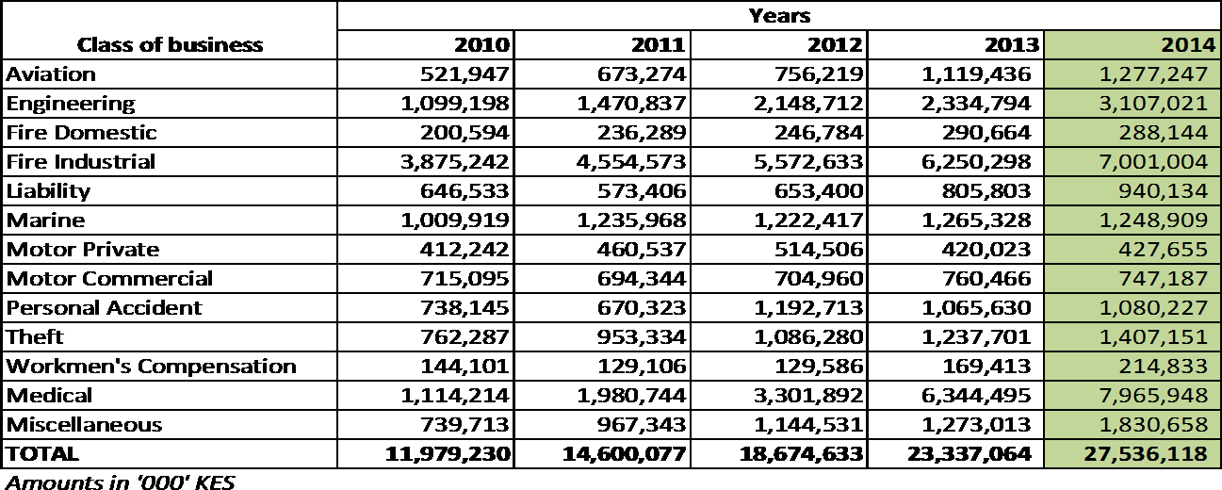
During the year, outward reinsurance premium was KES 27.54 billion up from KES 23.34 billion recorded in 2013. This was a growth of 18.0%. Key contributors to outward reinsurance premiums were medical (28.9%), fire industrial (25.4%) and engineering (11.3%) accounted for most of the business ceded.
The trend in outward reinsurance premium incomes is illustrated in figure 16:
Figure 16: Trend in outward reinsurance premium
4.2.5 Net earned premium Table 18 below summarizes the class-wise net earned premiums for the period 2010-2014.
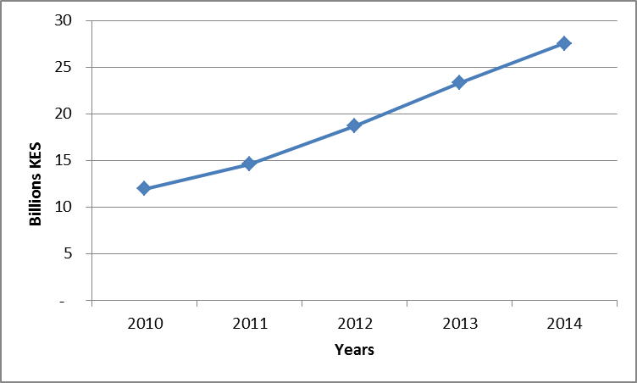
Table 18: Net earned premium for the period 2010 - 2014
During the year under appraisal, the insurance industry’s net earned premiums amounted to KES 70.10 billion compared to KES 58.52 billion in 2013 representing a 19.8% increase. Motor Commercial was the leading with KES 20.59 billion of earned premium income.
The trend in net earned premiums is illustrated in figure 17.
Figure 17: Trend in net earned premium
4.2.6 Incurred claims The general insurance business underwriters incurred claims to the tune of KES 42.68 billion increasing by 24.9% from KES 34.17 billion incurred in
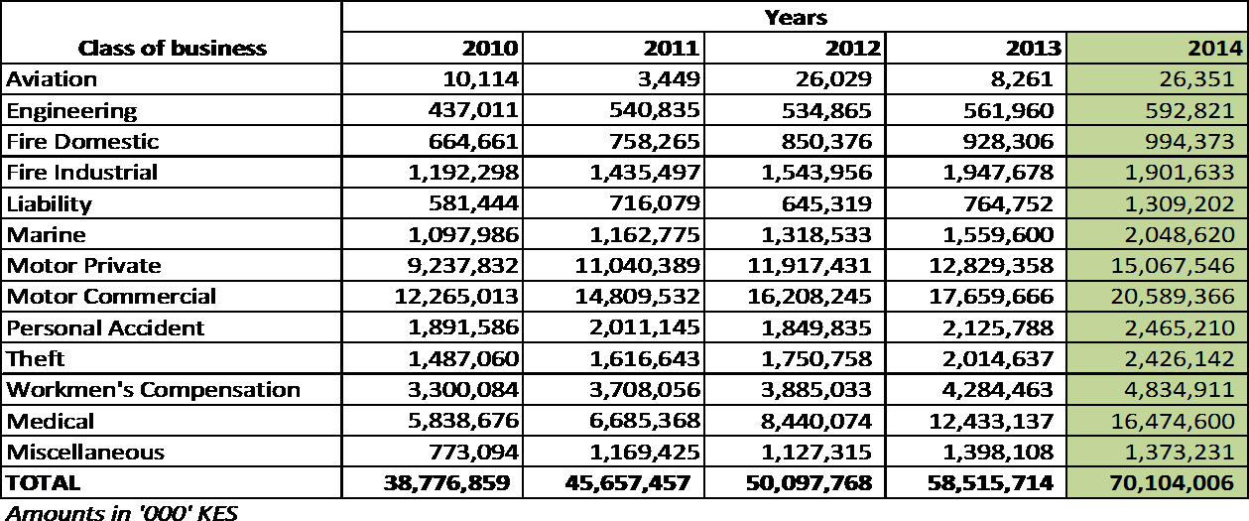
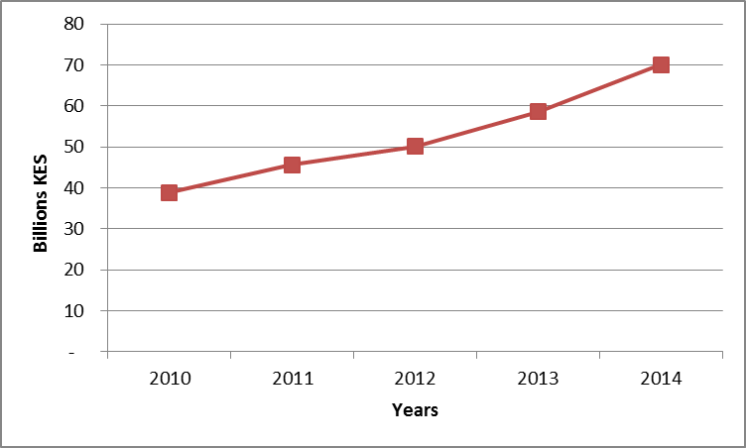
2013. Out of the total industry incurred claims, the motor classes of general insurance business jointly contributed KES 21.70 billion (50.9% of total incurred claims). Medical class of general business incurred claims of KES 12.77 billion (29.9% of total incurred claims).
A summary of incurred claims under general insurance business is shown in Table 19.
Table 19: Incurred claims per class of business
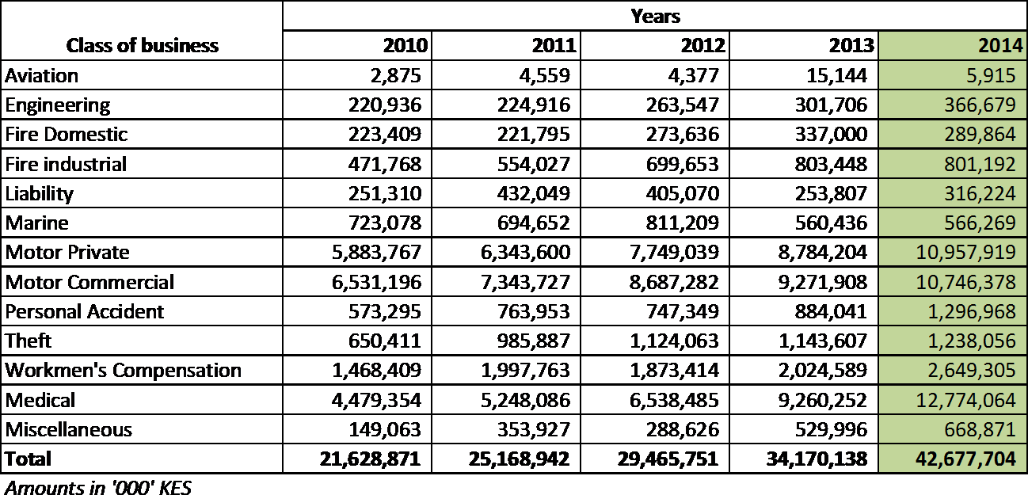
Figure 18 illustrates the class wise distribution of claims incurred per class of general insurance business in the year 2014.

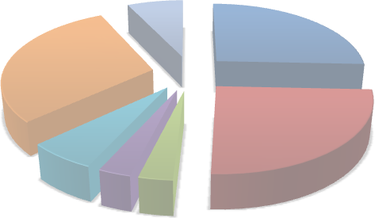 Others 7% Motor Private 26% Medical 30% Motor Commercial Workmen's 25% Compensation 6% Theft Pesonal Accident 3% 3%
4.2.7 Incurred claims ratios The insurance industry loss ratio increased slightly between the years 2013 and 2014 to stand at 60.9% (2013: 58.4%). The medical class of general insurance business had the highest incurred claims ratio of 77.5% with the aviation class recording the highest drop in incurred claims ratio to 22.4% (2013: 183.3%). The following classes of general insurance business incurred claims ratios higher than the industry average; medical (77.5%), motor private (72.7%) and engineering (61.9%).
Table 20 presents the percentage incurred claims ratios per class of general insurance business for the past five years.
Figure 19 illustrates the class-wise incurred claims ratio against the industry average.
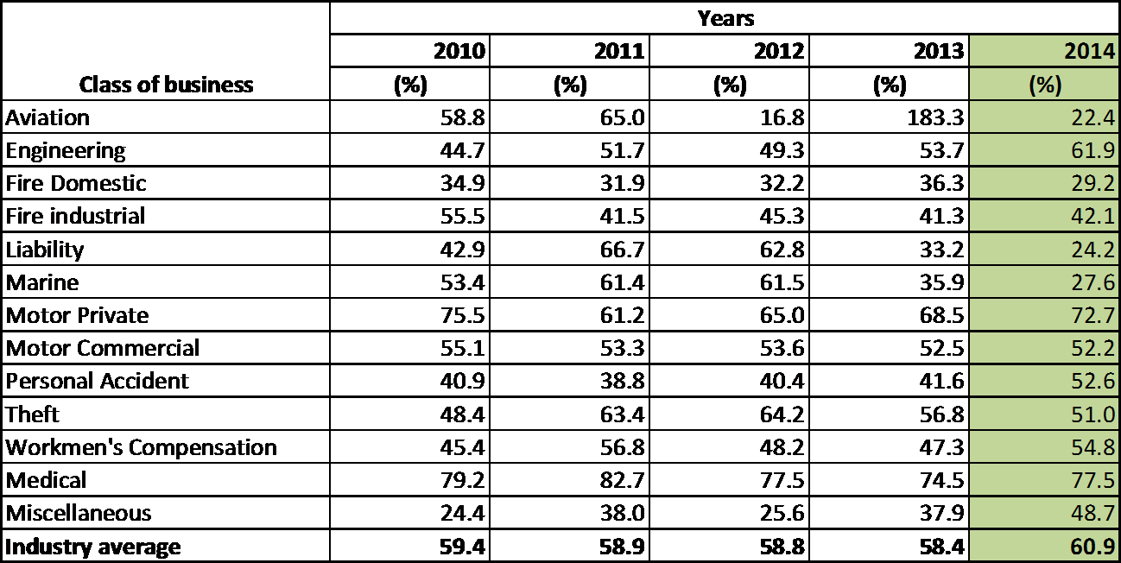
Figure 19: Class-wise incurred claims ratio and the industry average

90.0 80.0 70.0 60.0 50.0 40.0 30.0 20.0 10.0 0.0 Classes of business 2014 incurred claims ratios 2014 Industry average
4.2.8 Underwriting Results The industry’s general insurance business registered an underwriting profit of KES 1.60 billion in 2014 compared to KES 3.40 billion in the previous year. This represented a 52.9% year-on-year decline. The underwriting results had been on an upward trend since 2010 prior to this drop, which can be largely attributed to the motor private class of business which made an underwriting loss of KES 1.73 billion.
The motor private class recorded the largest underwriting loss of KES 1.73 billion by the end of the period under review. According to a recent study by IRA (Study on Nature and Extent of Fraud in the Insurance Industry in Kenya with Special Reference to the Motor Class of Insurance Business) this may be attributed to the high cases of fraud experienced. On the contrary, motor commercial class recorded the highest underwriting profit at KES 1.41 billion.
The underwriting results are summarised in table 21:
Table 21: Underwriting results under general insurance business
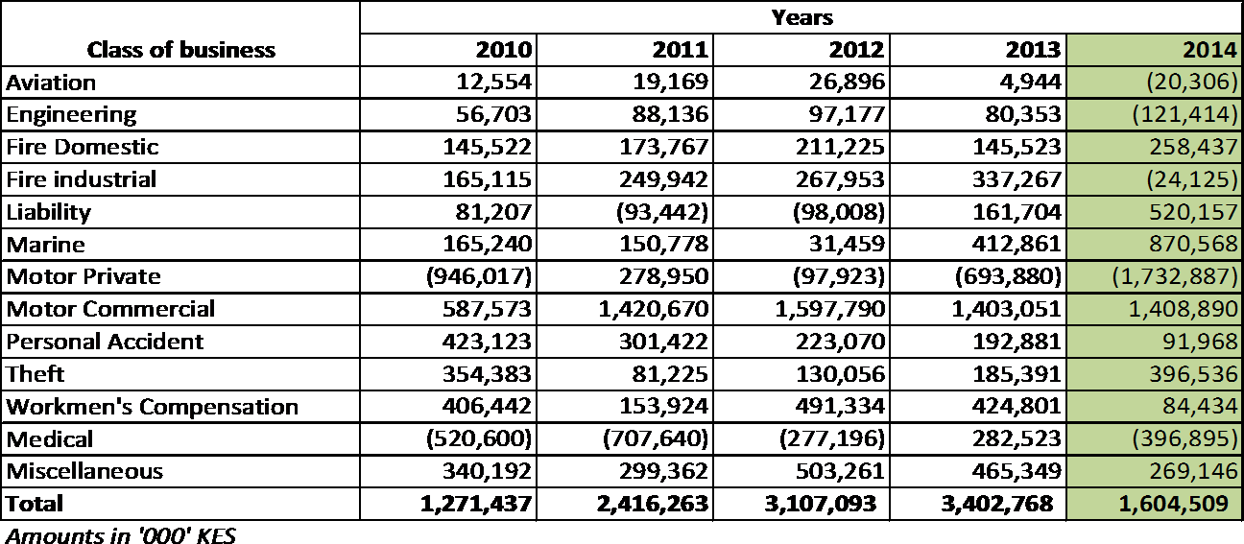
The trend in underwriting results is as shown in figure 20.

Table 16
Figure 20: Trend in underwriting results under general insurance business
4.2.9 Key Financial Performance Ratios The key financial performance indicators comprised of the following ratios: incurred claims ratio9, net commission ratio10, management expense ratio11, combined ratio12, investment income ratio13 and operating ratio14.
Table 22: Various performance ratios
Ratio | Years
 | 2010 | 2011 | 2012 | 2013 | 2014
Incurred claims ratio | 59.4 | 58.9 | 58.8 | 58.4 | 60.9
Net commission ratio | 8.5 | 8.5 | 7.9 | 6.4 | 6.9
Management expense ratio | 26.4 | 26.9 | 27.3 | 29.3 | 30.0
Combined ratio | 94.3 | 94.3 | 94.0 | 94.2 | 97.7
Investment income ratio | 3.5 | 0.9 | 2.0 | 11.3 | 7.1
Operating ratio | 90.8 | 93.5 | 92.0 | 82.8 | 90.7
9Incurred Claims Ratio = Total claims incurred/Net Earned Premiums 10 Net Commission Ratio = Net Commission/Net Earned Premiums 11 Management Expense Ratio = Underwriting Management Expenses/Net Earned Premiums 12Combined Ratio = Incurred Claims Ratio + Net Commission Ratio+ Management Expense Ratio 13Premium Investment Income Ratio = Premium Investment income /Net Earned Premiums 14Operating Ratio = Combined Ratio - Premium Investment Income Ratio
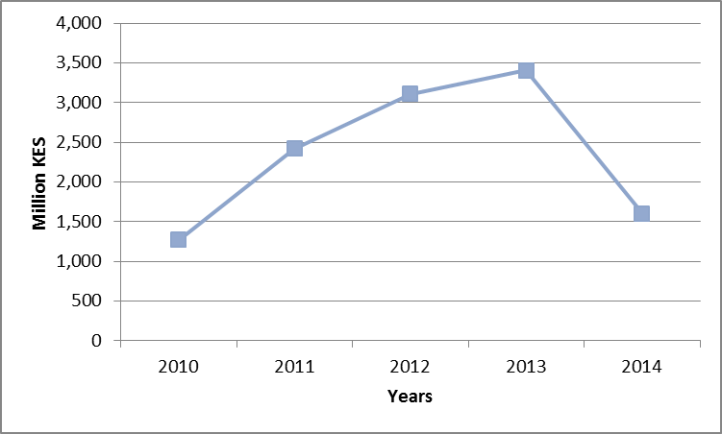
The combined ratio (a measure of underwriting profitability) for the industry was 97.7% in the year 2014 deteriorating slightly from 94.2% recorded in 2013. Out of this, claims contributed 60.9%, management expenses 30.0% while commissions contributed 6.9%.
Figure 21 illustrates trends in key performance ratios for the years 2010 to 2014.
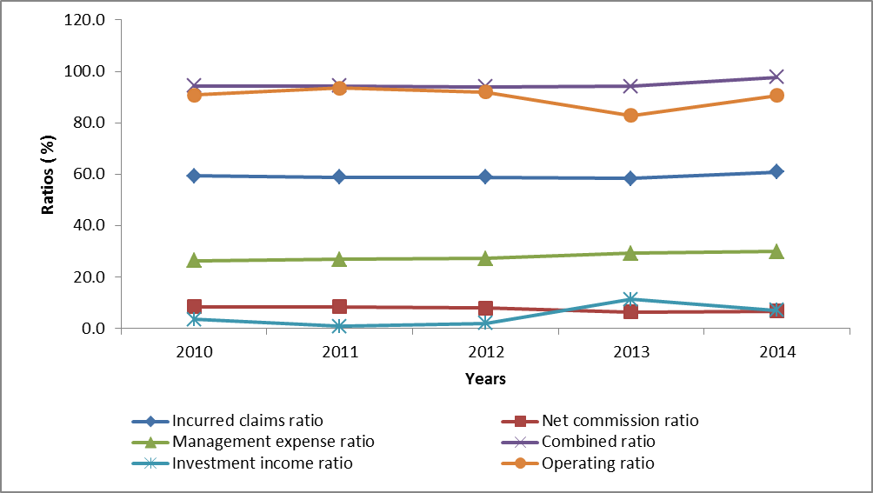
Figure 21: Trend in key financial performance ratios

Table 17
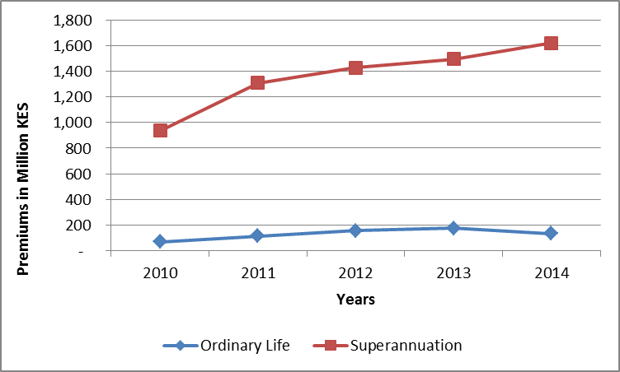
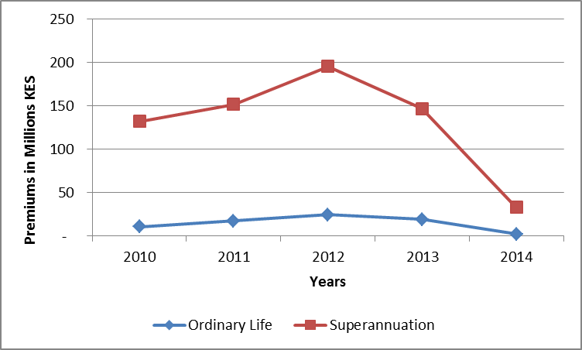
5.0 INDUSTRY PERFORMANCE – REINSURERS
The reinsurers’ performance was also analysed under long term and general insurance businesses respectively.
5.1 Long-term reinsurance - Inward and outward reinsurance premiums Inward reinsurance premium under ordinary life was KES 134.02 million while inward reinsurance premium under superannuation was KES 1.49 billion. The total premium for the reinsurance business was KES 1.62 billion representing an increase of 8.5% from KES 1.49 billion reported in 2013.
Outward reinsurance premium retro-ceded by reinsurance companies during the year 2014 amounted to KES 34.64 million compared to KES165.23 million in 2013 representing a decrease of 79.0%.
Table 23 shows a summary of key performance indicators under long term reinsurance business.
Table 23: Summary of long term re-insurance performance indicators
Item | Years
 | 2010 | 2011 | 2012 | 2013 | 2014
Ordinary Life
Inward reinsurance premium | 67,663 | 114,162 | 155,570 | 174,580 | 134,022
outward reinsurance premium | 10,335 | 17,257 | 24,190 | 18,743 | 1,971
Net premium income | 57,328 | 96,905 | 131,380 | 155,837 | 119,828
Management expenses | 6,643 | 9,913 | 15,557 | 29,506 | 71,834
Net commissions | 11,945 | 23,506 | 22,836 | 50,521 | 21,550
Life fund | 704,731 | 326,229 | 1,265,903 | 1,033,636 | 1,171,464
Superannuation
Inward reinsurance premium | 866,825 | 1,193,287 | 1,270,913 | 1,318,142 | 1,485,325
outward reinsurance premium | 131,836 | 151,557 | 195,114 | 146,482 | 32,671
Net premium income | 734,989 | 1,041,729 | 1,075,799 | 1,171,660 | 1,301,827
Management expenses | 81,053 | 93,546 | 115,031 | 218,806 | 558,274
Net commissions | 161,491 | 299,068 | 244,731 | 283,922 | 224,720
Life fund | 2,628,561 | 3,624,306 | 3,589,953 | 4,491,195 | 5,121,829
Amounts in '000' KES
Figure 22 illustrates the trends in inward and outward reinsurance premiums.
Figure 23: Trend of outward reinsurance premiums
5.2 General reinsurance Business
The general reinsurance business performance was analysed as follows: 5.2.1 Inward reinsurance premiums Table 24 shows a summary of the inward reinsurance premiums per class of general business.

Table 18
Class of business | Years
 | 2010 | 2011 | 2012 | 2013 | 2014
Aviation | 31,521 | 8,359 | 6,822 | 12,906 | 11,914
Engineering | 521,383 | 753,080 | 857,946 | 873,730 | 933,028
Fire Domestic | 3,053 | 3,327 | 4,018 | 4,467 | 4,455
Fire Industrial | 2,528,498 | 3,072,665 | 3,367,296 | 4,524,676 | 5,289,989
Liability | 48,694 | 81,321 | 91,431 | 143,414 | 130,509
Marine | 460,319 | 679,966 | 694,001 | 924,095 | 866,482
Motor Private | 9,747 | 10,077 | 12,023 | 15,210 | 39,997
Motor Commercial | 529,181 | 674,192 | 647,141 | 684,006 | 765,561
Personal Accident | 508,124 | 434,051 | 521,161 | 813,823 | 1,813,912
Theft | 398,333 | 495,154 | 580,608 | 640,934 | 608,097
Workmen's Compensation | 383 | 4,125 | (1,428) | 16,483 | 3,918
Medical | 95,464 | 647,888 | 1,489,110 | 2,034,763 | 2,829,243
Miscellaneous | 423,547 | 594,448 | 708,272 | 1,253,008 | 1,470,084
Total | 5,558,247 | 7,458,653 | 8,978,400 | 11,941,515 | 14,767,189
Amounts in '000' KES
The total inward reinsurance premiums amounted to KES 14.77 billion increasing by 23.7% from KES 11.94 billion reported in the previous year. During the year, large proportions were witnessed under fire industrial (KES 5.29 billion), medical insurance (KES 2.83 billion) and personal accident (KES 1.83 billion).
Figure 24 illustrates the trend in inward reinsurance premiums.
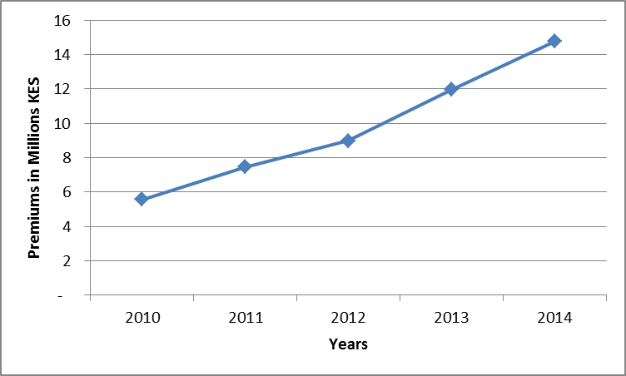
Figure 24: Trend in inward reinsurance premiums for the years 2010 - 2014

Table 19
5.2.2 Outward Reinsurance Premiums The outward reinsurance premiums for general reinsurance business per class for the past five years are summarized in table 25.
Table 25: Outward re-insurance premiums
Class of business | Years
 | 2010 | 2011 | 2012 | 2013 | 2014
Aviation | (9) | 1 | - | - | -
Engineering | 20,013 | 8,119 | 3,888 | 5,266 | 3,611
Fire Domestic | - | - | - | - | -
Fire industrial | 301,619 | 337,753 | 242,812 | 357,182 | 448,690
Liability | 329 | 20 | 3 | 948 | 895
Marine | 53,588 | 56,390 | 27,063 | 10,925 | 32,304
Motor Private | - | - | - | - | -
Motor Commercial | 34,610 | 33,589 | (3,286) | 3,676 | 4,707
Personal Accident | 5,952 | 2,983 | (521) | 408 | 231
Theft | 856 | (74) | (6) | 788 | -
Workmen's Compensation | (4) | - | - | - | 92
Medical | 17,869 | 5,941 | 328 | 26,410 | 25,191
Miscellaneous | 35,290 | 19,858 | 29,573 | 67,999 | 76,244
Total | 470,113 | 464,580 | 299,855 | 473,602 | 591,965
Amounts in ‘000’ KES.
The general reinsurance business underwriters retroceded KES 591.97 million in 2014 compared to KES 473.60 million retroceded in the previous year. This was a growth of 25% in retrocessions.
The trend in outward reinsurance premiums is illustrated in figure 25.
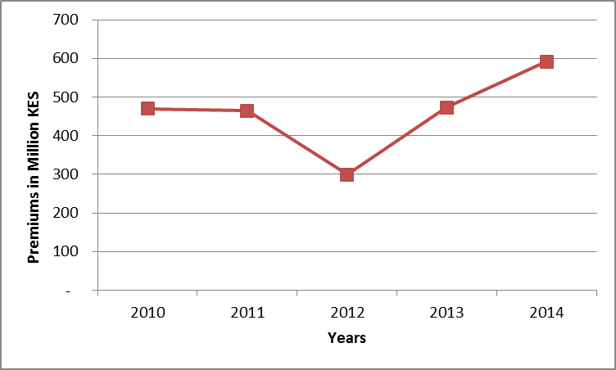
Figure 25: Trend in outward reinsurance premiums

Table 21
Figure 26: Trend in net earned premiums
5.2.4 Incurred Claims Table 27 shows a summary of the net incurred claims under general reinsurance business.
Table 27: Net incurred claims under general reinsurance business
Class of business | Years
 | 2010 | 2011 | 2012 | 2013 | 2014
Aviation | 14,928 | (33,863) | 20,953 | 4,133 | 25,795
Engineering | 145,137 | 200,840 | 177,012 | 232,837 | 415,753
Fire Domestic | 774 | 1,263 | (225) | 11,538 | 1,099
Fire industrial | 1,253,343 | 1,453,802 | 1,548,160 | 1,664,959 | 2,087,360
Liability | 11,115 | (10,123) | 28,742 | 31,314 | 4,116
Marine | 311,446 | 262,838 | 185,992 | 376,201 | 459,556
Motor Private | (11,340) | (2,478) | 2,740 | 5,722 | 17,753
Motor Commercial | (144,457) | 325,855 | 570,238 | 432,613 | 523,281
Personal Accident | 331,357 | 380,068 | 462,246 | 538,145 | 1,228,171
Theft | 228,126 | 134,813 | 402,308 | 538,168 | 502,857
Workmen's Compensation | (9,061) | 6,315 | (14,968) | 9,833 | 2,444
Medical | 33,219 | 344,329 | 1,212,814 | 1,594,012 | 1,977,923
Miscellaneous | 126,899 | 167,760 | 265,421 | 399,738 | 490,084
Total | 2,291,486 | 3,231,419 | 4,861,432 | 5,839,213 | 7,736,192
Amounts in '000' KES
Generally claims incurred under general reinsurance business have maintained an upward trend in all the years under analysis to stand at KES 7.74 billion in 2014; this was a growth of 32.5% from the previous year. Fire industrial and medical classes posted the largest amounts of claims incurred
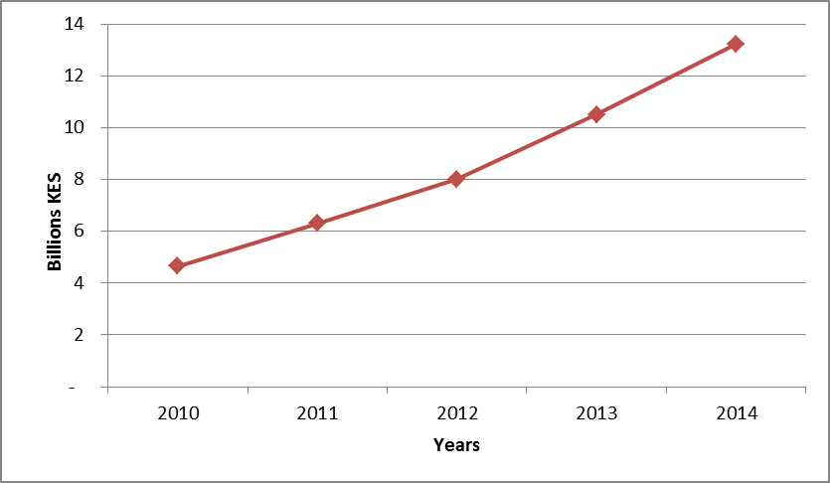
during the year under appraisal at KES 2.09 billion and KES 1.98 billion respectively.

Table 22
Figure 27 is a graphical representation of the trend in incurred claims under general reinsurance business for the years 2010 - 2014.
Figure 27: Trend of incurred claims under general reinsurance business
5.2.5 Net incurred claims ratios Table 28 displays the class-wise net incurred claims ratios:
Table 28: Trend in net incurred claims ratios
Class of business | Years
 | 2010 | 2011 | 2012 | 2013 | 2014
Aviation | 61.6 | -191.8 | 281.5 | 38.9 | 374.9
Engineering | 31.8 | 30.6 | 21.8 | 26.8 | 45.9
Fire Domestic | 19.7 | 33.3 | -7.1 | 269.0 | 24.7
Fire industrial | 61.3 | 57.6 | 51.8 | 43.2 | 45.3
Liability | 21.9 | -14.7 | 32.8 | 25.6 | 3.0
Marine | 60.3 | 47.6 | 28.6 | 45.9 | 43.0
Motor Private | -146 | -24.9 | 24.4 | 41.1 | 59.0
Motor Commercial | -30.7 | 55 | 91.1 | 64.5 | 67.5
Personal Accident | 83.1 | 82.4 | 97.1 | 76.8 | 86.9
Theft | 64.2 | 29.6 | 73.7 | 87.2 | 81.4
Workmen's Compensation | -2064 | 165.50 | 1098.8 | 142.6 | 18.7
Medical | 61.6 | 79.6 | 104.9 | 87.4 | 78.2
Miscellaneous | 30.9 | 32.2 | 41.2 | 39.9 | 44.0
Industry Average | 49.3 | 51.3 | 60.7 | 55.6 | 58.5
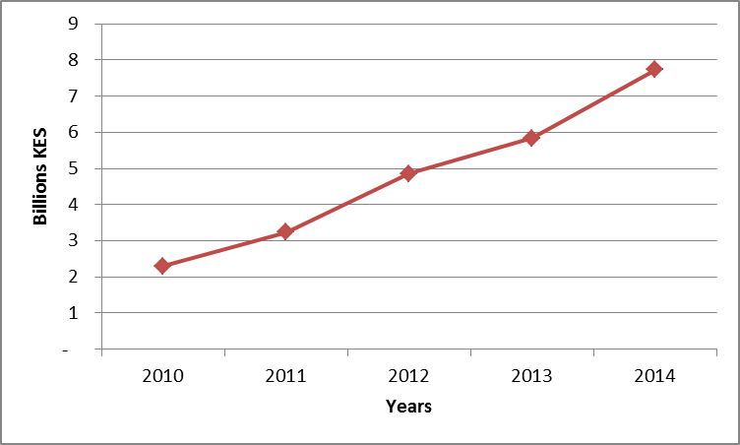
The overall industry net incurred claims ratio increased from 55.6% in 2013 to 58.5% in 2014. Aviation class experienced a loss ratio of 375% this may be

attributed to low business volumes transacted. In total, six classes of general reinsurance business had loss ratios greater than the industry average.
Figure 28 illustrates the class-wise incurred claims ratios and the industry average.
Figure 28: Class-wise net incurred claims ratios and industry average
400 350 300 250 200 150 100 50 0 Classes 2014 Incurred claims ratio 2014 Industry average
5.2.6 Underwriting results The general reinsurance business underwriters reported underwriting profits amounting to KES 408.74 million during the year 2014. This was a 75% year- on-year rise (2013: KES 233.57 million).
The fire industrial class of general reinsurance business posted the highest profits (KES 629.91 million) whereas personal accident had the biggest loss of KES 379.11 million.
The underwriting results for general reinsurance business for the five-year period are shown in table 29.

Table 23
Table 29: Underwriting results under general reinsurance business
Class of business | Years
 | 2010 | 2011 | 2012 | 2013 | 2014
Aviation | 1,788 | 44,872 | (14,179) | 3,331 | (22,366)
Engineering | 110,975 | 168,460 | 295,653 | 280,151 | 110,074
Fire Domestic | (21,731) | (14,391) | 1,762 | (9,183) | 1,862
Fire industrial | (56,189) | (46,057) | 132,707 | 560,765 | 629,912
Liability | 23,385 | 54,398 | 27,149 | 39,519 | 85,149
Marine | (100,680) | 46,314 | 200,164 | 140,630 | 286,894
Motor Private | 18,302 | 11,217 | 7,146 | 3,145 | 8,360
Motor Commercial | 529,207 | 140,040 | (70,350) | 91,193 | 102,325
Personal Accident | (46,068) | (86,662) | (139,010) | (109,200) | (379,110)
Theft | (24,529) | 132,329 | (104,137) | (205,259) | (150,893)
Workmen's Compensation | 9,334 | (3,782) | 14,077 | (4,749) | 9,437
Medical | 5,630 | (71,605) | (457,871) | (672,213) | (369,149)
Miscellaneous | 133,616 | 118,984 | 122,190 | 115,441 | 96,243
Total | 583,040 | 494,117 | 15,301 | 233,571 | 408,738
Amounts in '000' KES
The trend in the underwriting results for general reinsurance business for the past five years is illustrated in figure 29.
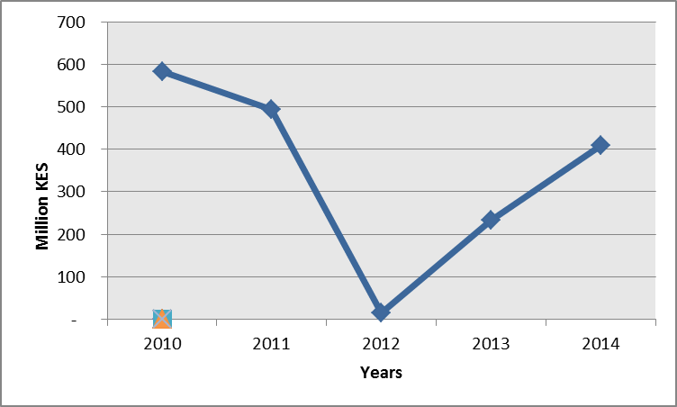
Figure 29: Trend in underwriting results under general reinsurance business

Table 24
6.0 INDUSTRY INCOME
The following is the breakdown of industry income from the various sources and lines of business. 6.1 Investment income
The allocation of investment income to the various sources can be summarised as follows.
Table 30: Investment income apportionment
Gross Investment income | Years
 | 2011 | 2012 | 2013 | 2014
Ordinary Life | (1,571,654) | 11,307,038 | 12,023,369 | 12,193,432
Group Life | 1,265,542 | 1,873,417 | 2,869,308 | 3,229,361
Pension | 3,760,489 | 8,482,767 | 11,883,077 | 13,667,319
General insurance | 565,228 | 1,042,389 | 8,744,727 | 7,441,960
Others (P&L) | 6,948,685 | 11,119,938 | 9,429,214 | 11,392,377
Total | 10,968,290 | 33,825,550 | 44,949,695 | 47,924,449
Amounts in '000'KES
The overall gross investment income during the year 2014 amounted to KES 47.93 billion increasing by 6.6% from KES 44.95 billion recorded in the year 2013.
The highest contribution to total industry investment income was from the long term insurance business: it accounted for 60.7% (KES 29.09 billion) of the total industry investment income. Investment income was generated from the various lines and classes of business as illustrated in figure 30.
Figure 30: Apportionment of investment income for the year 2014
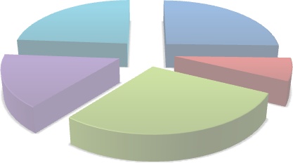 24% 25% 7% 16% 28% Ordinary Life Group Life Pension General insurance Others (P&L)
6.2 Industry profit and loss statement
There was growth of 28.7% in total income15 for the industry. Total income in 2014 was KES 32.09 billion while in 2013, it stood at KES 24.94 billion.
Industry profit after tax was KES 17.23 billion decreasing by 17.5% (2013: KES 20.24 billion). Taxes amounted to KES 4.87 billion during the same period.
15This is income that is not allocated to any fund or account.

Table 31 shows the industry profit and loss extract for the period 2010 - 2014.

Table 27
years. Figure 31 illustrates the trend in assets, shareholders’ funds and liabilities for the industry.
Figure 31: Trend in industry total assets, shareholders’ funds and liabilities
7.2 Industry investment channels The total investments for the industry as at the end of the year 2014 amounted to KES 355.01 billion compared to KES 296.34 billion in 2013, an increase of 19.8%.
The composition of industry investment channels is as summarised in table 33:
Table 33: Industry investment channels
Investment Channels | Years
 | 2010 | 2011 | 2012 | 2013 | 2014
Investment property | 24,072,536 | 27,836,616 | 39,320,957 | 54,257,405 | 62,545,891
Government Securities | 59,051,255 | 75,319,772 | 94,059,797 | 120,137,735 | 135,582,149
Other Securities | 5,072,337 | 1,639,511 | 1,158,989 | 1,962,893 | 3,006,160
Debentures | 48,549 | 48,549 | 63,598 | 0 | 0
Preference Shares | 573 | 573 | 573 | 2,931 | 2,330
Investment in subsidiary | 569,150 | 1,847,739 | 2,018,689 | 8,903,828 | 12,159,733
Ordinary Shares | 44,851,535 | 35,311,562 | 41,331,414 | 49,871,862 | 59,959,278
Loans | 7,302,903 | 8,668,607 | 7,935,003 | 6,215,000 | 6,883,502
Deposits | 27,504,849 | 32,762,327 | 43,776,448 | 42,519,068 | 56,977,833
Other Investments | 6,076,373 | 8,355,373 | 10,459,214 | 12,466,071 | 17,892,528
Total | 174,550,060 | 191,790,627 | 240,124,681 | 296,336,793 | 355,009,404
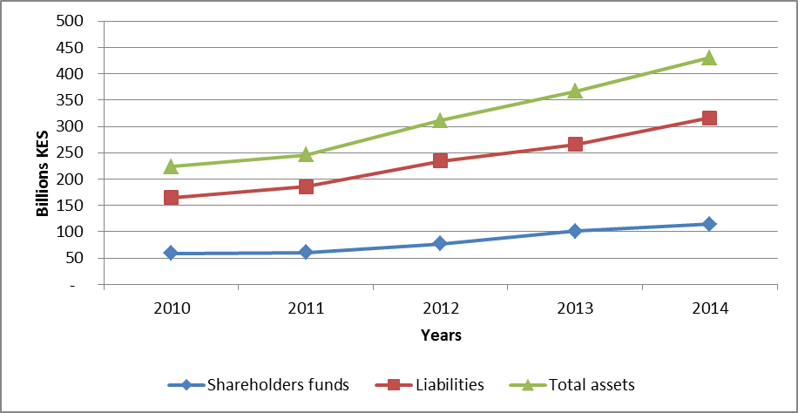
Amounts in '000' KES

securities at KES 135.58 billion.
The distribution of industry investments is as depicted in figure 32.
Figure 32: Distribution of industry investments
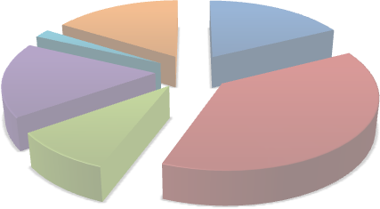 Deposits 16% Investment property Loans 18% 2% Ordinary Shares 17% Others Government 9% Securities 38%
7.3.1 Industry investment channels under long term business The long term insurers commanded 63.9% (KES 226.91 billion) of the total industry investments. Government securities was the largest single investment channel used by the long term insurers at KES 102.68 billion which accounts for 45.3% of total investments under long term insurance business.
Table 34 shows a breakdown of investments under long term insurance business.

