Level
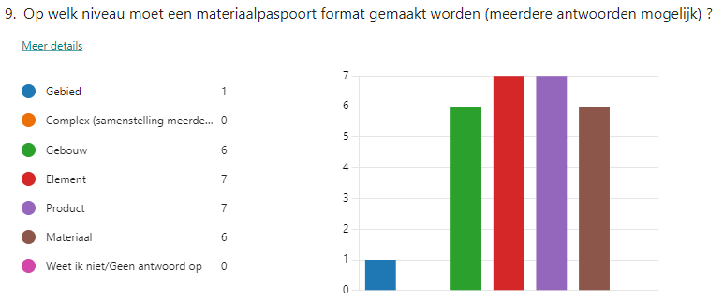

 | Level | workshop | Literature | Result
 | area | 1 | 0 | 1
 | Complex | 0 | 5 | 5
 | Building | 6 | 19 | 25
 | Element | 7 | 25 | 32
 | Product | 7 | 31 | 38
 | Material | 6 | 22 | 28

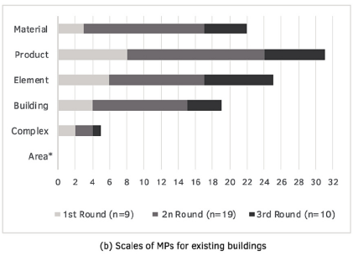

Cetin et al.

