组内论文
 |  |  |  |  |  |  |  |  |  |  |  |  |  | 实验部分解读
编号 | 阅读指数 | 年份 | 期刊 | 第一作者 | 通讯作者 | 标题 | 主题（图形摘要） | 主题 | 研究对象 | 研究区域 | 研究问题/研究目标 | 研究类型 | 理论视角 | 数据收集对象（环境样品等） | 数据收集工具 | 数据收集方法 | 数据分析方法 | 主要结果/结论 | 其他亮点 | 补充图
ZXSJ01 | ❤❤ | 2019 | Ecotoxicology and Environmental Safety | Xue Zhao 赵雪 | Wenhui Qiu 裘文慧 Yi Zheng 郑一 | Occurrence, distribution, bioaccumulation, and ecological risk of bisphenol analogues, parabens and their metabolites in the Pearl River Estuary | 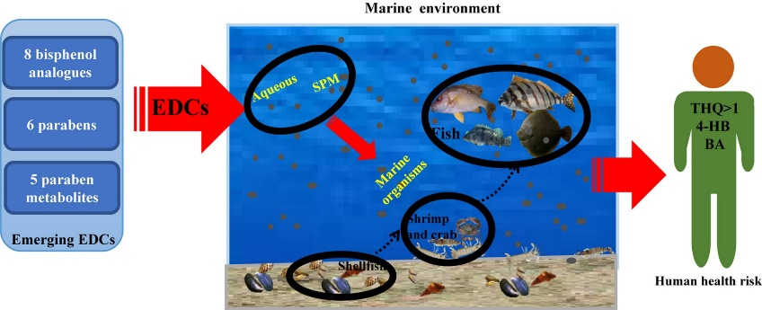 | 1.Abstract: This study analyzed eight bisphenol analogues, six parabens, and five paraben metabolites in seawater (including aqueous and suspended particle matter (SPM)), as well as organism samples from the Pearl River Estuary, in order to determine their occurrence, distribution, bioaccumulation, and ecological and human health risk in South China's marine environment. |  | Pearl River Estuary |  |  |  | 对象1：Seawater sample (aqueous samples + SPM), S1-S25, 2017-12 对象2：Samples of marine organisms (shellfish species11, fish species10), 2017-12 |  | 对象1检测方法：Wanli Ma, 2018, Concentrations and fate of parabens and their metabolites in two typical wastewater treatment plants in northeastern China SPM和对象二检测方法：Xue, X., Kannan, K., 2017, Trophic magnification of parabens and their metabolites in a Subtropical marine food web
ZXSJ02 | ❤❤❤❤❤ | 2021 | Journal of Hazardous Materials | Xue Zhao 赵雪 | Yi Zheng 郑一 | Improving urban drainage systems to mitigate PPCPs in surface water: a watershed perspective | 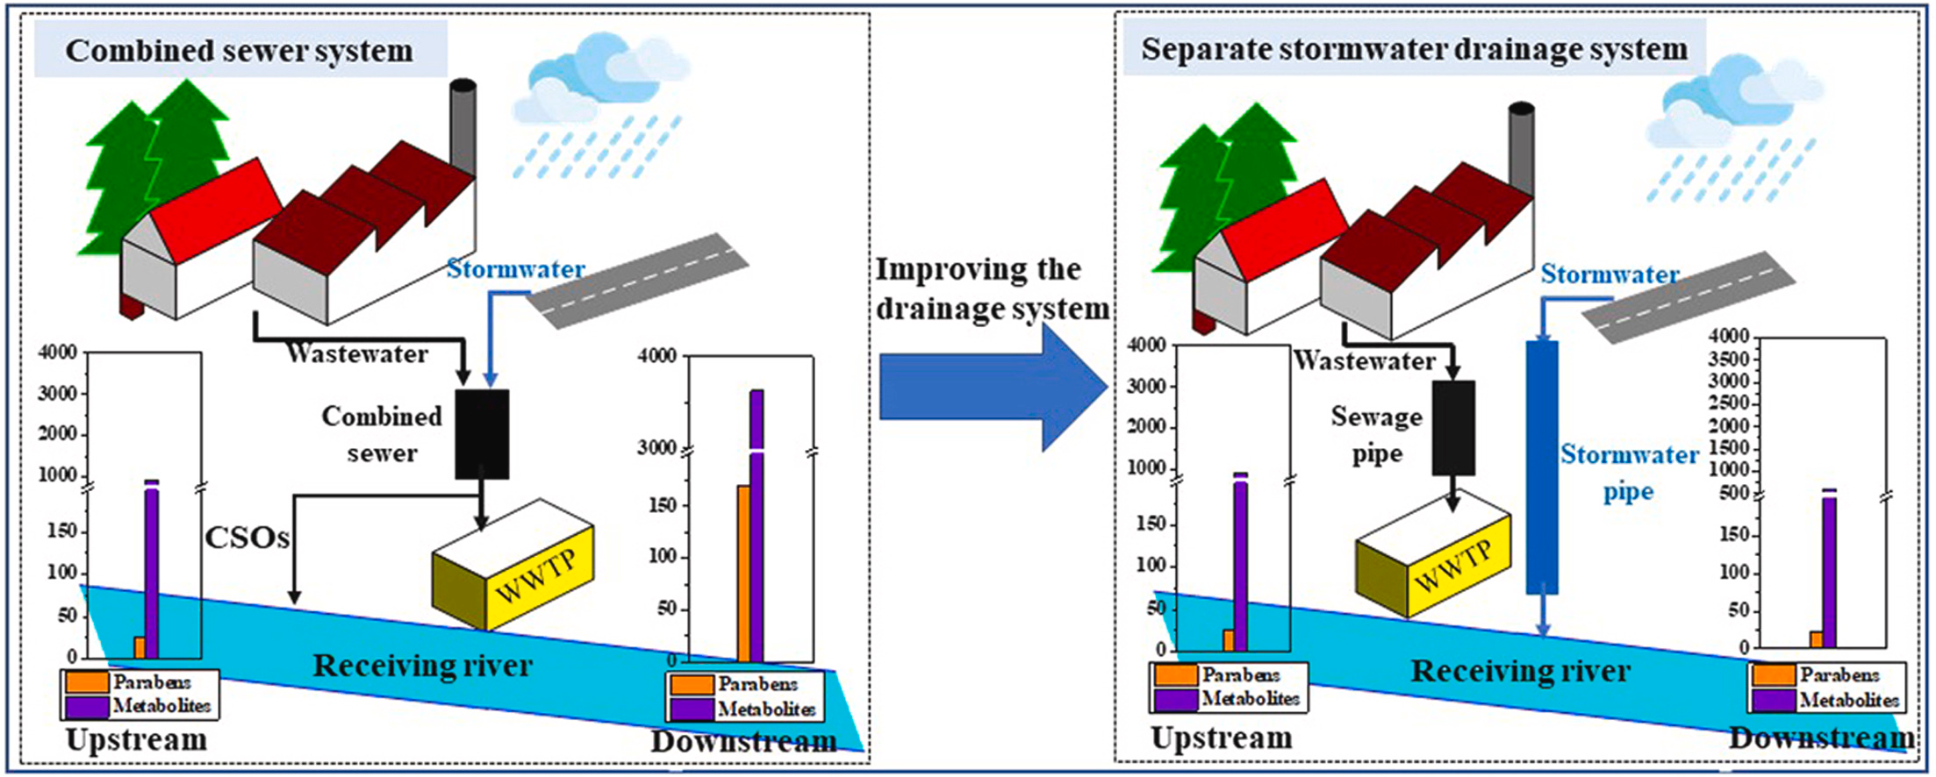
ZXSJ03 | ❤❤ | 2021 | 中国环境科学 | Xue Zhao 赵雪 | Yi Zheng 郑一 | 雄安新区水环境中对羟基苯甲酸酯含量及风险
ZXSJ04 | ❤❤❤❤❤ | 2022 | Chemosphere | Xue Zhao 赵雪 | Yi Zheng 郑一 | Road runoff as a significant nonpoint source of parabens and their metabolites in urban rivers | 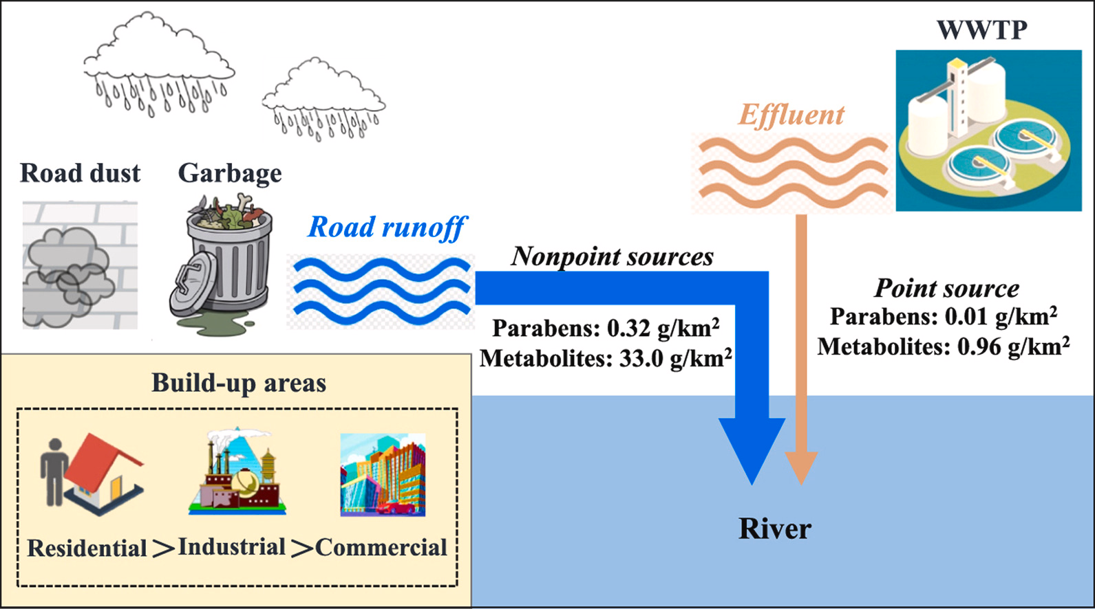

博士论文阅读
编号 | 阅读指数 | 年份 | 学位授予单位 | 学科专业 | 作者 | 作者导师 | 标题 | 多介质模型框架图 | 研究对象 | 研究区域 | 实测环境介质 | 模型基础 | 动态/稳态 | 区域划分方式（空间异质性） | 模拟时间 | 模型（环境相） | 主要关注的通量 | 编程方式 | 其他亮点
BS001 | ❤❤ | 2019 | 东北林业大学 | 生态学 | 王贺 | 高大文 | 三江平原典型湿地邻苯二甲酸酯污染分布与迁移模拟 |  | PAEs | 东北地区三江平原湿地 | 湿地和河流沉积物及表层水样品、人工湿地土壤 | Frank Gobas教授开发的湿地污染物模型 | 动态 | - | - | 湿地多介质模型（水体、沉积物、植物沉水和植物浮水部分） | 模拟PAEs在湿地多介质环境的迁移转化过程 | Microsoft Excel(2007),Visual Basics for Applications(VBA) | 大量实测参数
BS002 | ❤❤❤❤❤ | 2016 | 南京大学 | 自然地理学 | 王春辉 | 周生路; 吴绍华; | 城市土壤多环芳烃累积的时空变化与风险研究 |  | PAHs | 南京主城区 | 土壤样品、大气样品、水样品 | Miriam L. Diamond教授开发的MUM模型 | 稳态+动态 | 4km×4km 网格 | 2013年 1978-2013（1978年） 2009-2030（2030年） | OC-Model和BC-Model（大气、水、土壤、沉积物、植被和有机膜） 多介质逸度IV模型 | 城市土壤中PAHs的累积过程 | Microsoft Excel(2009),MATLAB(2009) | 试图修正传统逸度模型的缺陷： (1)假设各介质为均匀相（利用GIS划分栅格单元，Tao 2003） (2)关键假设-有机碳含量的高低是决定有机污染物吸附的最关键因素（假设黑炭是影响城市环境介质吸附PAHs的最关键因素） (3)多介质逸度模型污染物的动态过程需要研究区过去的相关环境参数，但这些环境参数数据往往难以获取（多元线性回归模型与多介质逸度IV模型耦合）
 | ❤❤❤❤ | 2022 | 农业环境科学学报 | - | 颜小曼 | 陈磊 | 长江流域农药面源多介质归趋评估 |  | Carbofuran(pesticide) | 长江流域 | 无实测（文献中水体样品） | Mackay教授开发的经典Level III逸度模型 | 动态 | 长江流域的12个二级流域 | 1991-2020 | 农药面源多介质环境归趋模型（大气、水、土壤、沉积物） | 大江大河流域农药面源污染的赋存与归趋 | MATLAB | 试图修正传统逸度模型的缺陷： (1)针对单个区域（利用Arcgis将长江流域划分为12个二级流域，各二级流域水体之间的传输通过水体平流传输实现，并根据水文站实测流量数据进行调整） (2)针对单一年份（将第i年的残留污染物作为第i+1年的背景输入通量，初始年排放源仅考虑农药施用情况）
BS003 |  | 2009 | 华东师范大学 | 环境科学 | 谢雨杉 | 刘敏; 许世远; | 上海城市大气PAHs排放特征与多介质归趋模拟 | 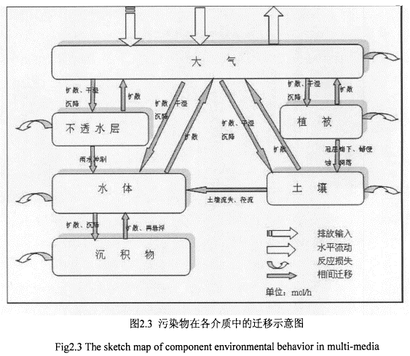 | PAHs | 上海城市
BS004 |  | 2022 | 哈尔滨工业大学 | 环境科学与工程 | 赵雪 | 郑一 | 城市化流域水环境中对羟基苯甲酸酯的源汇过程研究 | 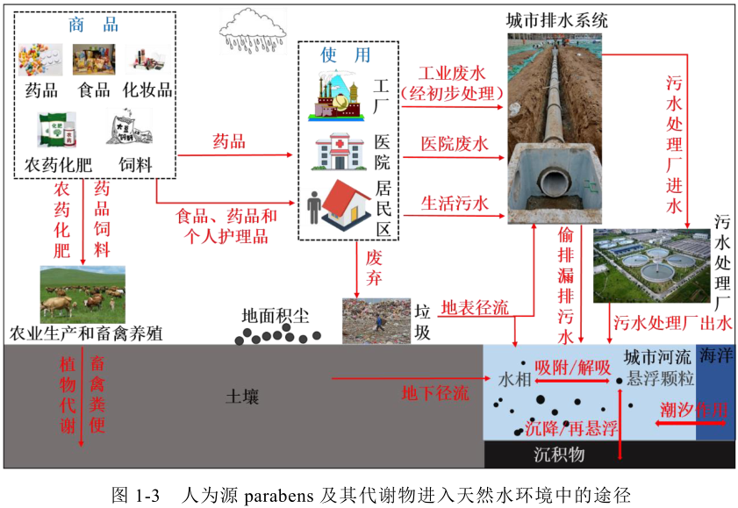 | Parabens | 深圳市茅洲河流域 | 河水111、河流表层沉积物65、污水处理厂进水20、 污水处理厂出水29、地面积尘21、土壤12、路面地表径流37、雨水管径流3、海水样品37

赵雪博士论文拆解1
论文编号 | BS004
 |  | 摘要 |  |  |  |  | 研究问题
 |  | 位置 | 主要内容 | 对应文章 | 对应章节 | 作用 | 位置 | 问题
 |  | 段一 | 城市化河流中对轻基苯甲酸酯及其代谢物的污染特征及其受城市建设和管理措施影响的机制 |  |  | 背景 研究空白 研究主题 | 答辩PPT的第9页 | 复杂的城市排水系统如何影响城市水环境中Parabens及其代谢物的污染？
 |  | 段二 | 通过固相萃取和液液萃取结合 液相色谱质谱联用仪分析测定了不同介质中对羟基苯甲酸酯及其代谢物的浓度水平。 1.分析了典型城市雨源型河流中对轻基苯甲酸酯及其代谢物的污染特征及来源构成； （解析城市化流域水环境中parabens及其代谢物污染的时空特征及其影响因素） 2.研究了城市河流中目标污染物的点源污染过程及其影响机制； （揭示城市复杂排水系统对雨源型河流中parabens及其代谢物点源污染过程的影响机制） 3.量化了城市面源污染过程对城市河流中目标污染物的贡献 （阐明城市路面地表径流对于城市水环境中parabens及其代谢物污染的贡献） |  | 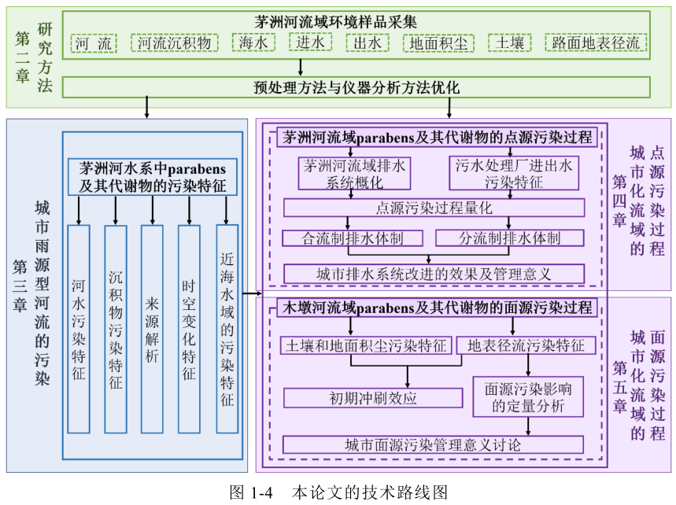 | 主要研究内容 | 答辩PPT的第10页 | 在降雨径流的驱动下， 面源污染过程如何影响城市水环境中Parabens及其代谢物的污染？
 |  | 段三 | …平均浓度…对比发现… |  |  | 在不同环境介质中的浓度水平结果
 |  | 段四 | 河水中目标污染物的来源 主要结论/发现：排水体制改造前，合流制溢流排水是导致茅洲河河水中对羟基苯甲酸酯及其代谢物异常增高的主要原因。 | Occurrence, distribution, bioaccumulation, and ecological risk of bisphenol analogues, parabens and their metabolites in the Pearl River Estuary | 第三章：城市雨源型河流的污染 | 主要研究内容1的主要结果
 |  | 段五 | 通过分流制排水体制改造，目标污染物进入河段的总量可减少80%以上。 | Improving urban drainage systems to mitigate PPCPs in surface water: a watershed perspective | 第四章：城市化流域的点源污染过程 | 主要研究内容2的主要结果
 |  | 段六 | 初期冲刷效应、 面源污染影响的定量分析 | Road runoff as a significant nonpoint source of parabens and their metabolites in urban rivers | 第五章：城市化流域的面源污 染过程 | 主要研究内容3的主要结果
 |  | 段七 |  |  |  | 研究意义

英文期刊阅读
 |  |  |  |  |  |  |  |  |  |  |  |  |  | 实验部分解读 |  |  |  | 多介质模型部分解读
编号 | 阅读指数 | 年份 | 期刊 | 第一作者 | 通讯作者 | 标题 | 主题（图形摘要） | 主题 | 研究对象 | 研究区域 | 研究问题/研究目标 | 研究类型 | 理论视角 | 数据收集对象（环境样品等） | 数据收集工具 | 数据收集方法 | 数据分析方法 | 模型基础 | 动态/稳态（时间） | 模拟时间 | 区域划分方式（空间异质性） | 模型的环境相 | 主要关注的通量 | 排放量计算方法 | W的计算方法及取值 | 编程方式（是否有源代码） | 其他亮点 | 补充图
FL001 | ❤❤❤ | 1998 | Chemosphere | N. L. Law | Miriam L. Diamond | The role of organic films and the effect on hydrophobic organic compounds in urban areas: An hypothesis
FL002 | ❤❤❤ | 2000 | ES&T | Miriam L. Diamond | Miriam L. Diamond | Evidence for Organic Film on an Impervious Urban Surface: Characterization and Potential Teratogenic Effects |  |  | n-alkanes, PAHs, PCBs | urban (8 buildings on the University of Toronto campus) | (1) the chemical composition of the film (2) the potential toxicological and teratogenic potencies of the film | Experimental work |  | the film on the exterior surface of windows |  |  |  | - | - | - | - | - | - |  |  | -
FL003 | ❤❤❤❤❤ | 2001 | Chemosphere | Miriam L. Diamond | Miriam L. Diamond | Developing a multimedia model of chemical dynamics in an urban area | 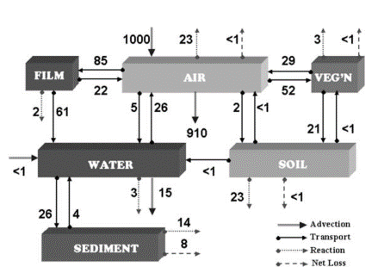 | Introduction: This paper documents the development of a multimedia model that estimates the fate of semi-volatile organic compounds (SOCs) in an urban environment… Below, we describe the multimedia urban model (MUM) and present illustrative results of relative PAH and PCDD concentrations, amounts and rates of transport to and from the six compartments considered. | PAHs, PCDDs | downtown Toronto, Ontario, Canada (summer condition) | (1) development of a multimedia model that estimates the fate of SOCs in an urban environment (2) illustrative results of relative PAHs and PCDDs concentrations,amounts and rates of transport to and from the 6 compartments. | Modeling | Multimedia fugacity model |  |  |  |  | Mackay和其同事1991年和1992年开发和发展的Level III model | 稳态 |  | - | air, surface water, sediment, soil, vegetation, and organic film that coats impervious surfaces | ...is unique in its treatment of impervious surface and vegetation... |  | We believe that the value of W reaches an asymptote with prolonged rainfall, but are unsure of the relationship with rainfall intensity. To estimate a reasonable value applicable to steady-state rather than event-specific conditions, we determined W empirically by comparing measured contaminant loadings from sewer outfalls in Toronto (OME, 1995) with measured chemical concentrations in the organic film (Gingrich, 1999), hydrological data, and impervious surface coverage. W = 0.25 | MS Visual Basic version 6.0
FL004 | ❤❤❤❤❤ | 2012 | Chemosphere | Susan A. Csiszar | Miriam L. Diamond | Modeling urban films using a dynamic multimedia fugacity model |  |  | urban films / PCBs | urban | (1) film and film-associated polltant behavior (2) surface film dynamics | Modeling |  |  |  |  |  | Miriam L. Diamond教授2001年开发的MUM | 动态
RD001 | ❤❤❤ | 2020 | Water | Xuan Chang | Yingxia Li 李迎霞 | Using a Multimedia Aquivalence Model to Evaluate the Environmental Fate of Fe, Mn and Trace Metals in an Industrial City, China | 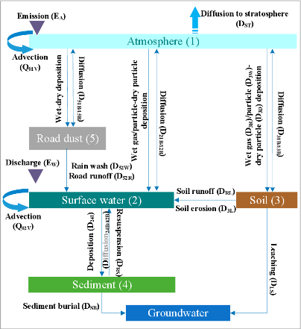 | Abstract: Herein, a level III steady-state aquivalence model (urban-scale multimedia aquivalence model involving urban road dust) evaluated the fate of heavy metals in Nanjing, China. | ① Cd, Cu, Ni, Pb, Zn ② Cr, Mn, Fe | urban (Nanjing city) | (1) to estimate the detailed local variations and mass fluxes of heavy metals in various environmental media based on a level III steady-state aquivalence model for a highly urbanized and industrialized city (Nanjing, China) (2) to validate the model results with systematic monitoring and literature data in different media along with a sensitivity analysis of the model parameters (3) to compare the effects of heavy metals in different environmental media on water quality | Experimental work + Modeling | Multimedia aquivalence model + ICP-MS (inductively coupled plasma mass spectrometry), ICP-OES (inductively coupled plasma optical emission spectrometry) | the road dust on the impervious surface | Collection: clean with a brush, transfer to a polyethylene sealed bag with a plastic shovel Separation: were separated by an electric vibrating machine with a series of nylon screens with mesh opening of 250, 125, 75, and 37 μm (→sub-samples: 250-500, 125-250, 75-125, 37-75 and <37) Detection: ICP-MS, ICP-OES | - | - | Mackay和Miriam L. Diamond教授1989年开发的 QWASI模型 | 稳态 | - | - | air, surface water, sediment, soil, road dust that coats impervious surfaces | Road dust→surface water process | 1.EW (kg/a) = Discharge standard of pollutants (mg/L) × Quantity of wastewater effluent (L) 2.EA(kg/a) = Maximum acceptable emission concentration (mg/m3) × Industrial waste gas emissions (m3) | To estimate a reasonable value applicable to steady state rather than event-specific conditions, we determined W by dividing the total amount of contaminants into five ranges of grain size (250–500, 125–250, 75–125, 37–75, and <37 µm) of road dust washed out by the one unwashed. As shown in Table 2, the calculated results are close to the wash-off rate constant of organic pollutants (0.25) | MATLAB (有源代码) | 1.The model initialized the compartmental (water, soil, sediment, and road dust) concentrations to the corresponding background values. The initial concentrations in the air compartments were 0. （考虑了环境相的初始浓度，也即是初始逸度，但稳态非平衡的状态下应该将其转化为排放量进行计算，而最终结果应该不是不考虑初始浓度计算结果和初始浓度的加和?） 2.The Z value for heavy metals in road dust, as particle-sorbed chemicals, is the same as that for aerosols whose major source for heavy metals is the re-suspended road dust. （这一点也挺符合organic film的说法，见右图，但源代码中居然未见到计算road dust的Z值的公式，奇怪！） 3.As for those environmental compartments in direct contact with water, the Z values for heavy metals in soil, sediment and SPM was calculated based on the partition coefficients. （可以详细看看MK001这篇文章） 4.如何计算film–water transfer process的通量： DFW = AAFkFWZBF (kFW = TFW), TF is the film thickness (m), w is the wash-off rate constant(h-1) | 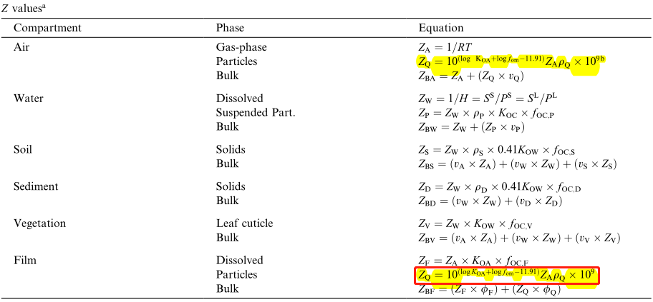 针对2的补充：The Z value for particle-sorbed chemicals in the film is the same as that for aerosols, ZQ, the presumed source of particles in film. (FL003)
RD002 | ❤❤❤ | 2011 | ES&T | Hongtao Zhao 赵洪涛 | Xuyong Li 李叙勇 | Heavy Metal Contents of Road-Deposited Sediment along the Urban-Rural Gradient around Beijing and its Potential Contribution to Runoff Pollution | 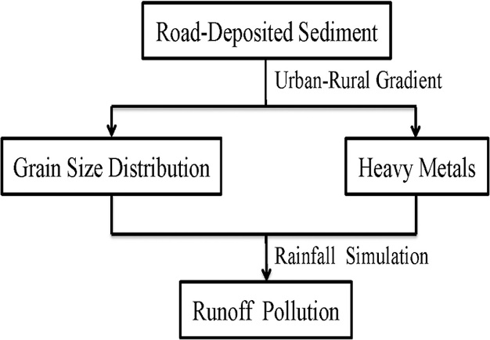

Mackay
 |  |  |  |  |  |  |  |  |  |  |  |  |  | 实验部分解读 |  |  |  | 多介质模型部分解读
编号 | 阅读指数 | 年份 | 期刊 | 第一作者 | 通讯作者 | 标题 | 主题（图形摘要） | 主题 | 研究对象 | 研究区域 | 研究问题/研究目标 | 研究类型 | 理论视角 | 数据收集对象（环境样品等） | 数据收集工具 | 数据收集方法 | 数据分析方法 | 模型基础 | 动态/稳态（时间） | 模拟时间 | 区域划分方式（空间异质性） | 模型的环境相 | 主要关注的通量 | 排放量计算方法 | 编程方式（是否有源代码） | 其他亮点
MK001 |  | 1989 | Chemosphere | Mackay, Miriam L. Diamond | Mackay, Miriam L. Diamond | Application of the QWASI (Quantitative Water Air Sediment Interaction) fugacity model to the dynamics of organic and inorganic chemicals in lakes | 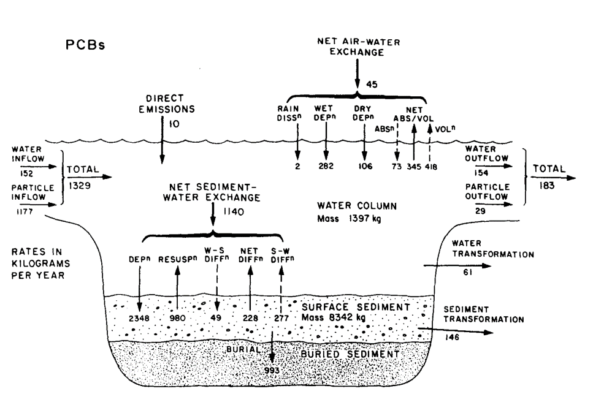 | Abstract: A brief description is presented of the QWASI fugacity model which describes the fate of a chemical in a lake system consisting of water, bottom and suspended sediments, and air. The steady state solution of the model is illustrated by application to PCBs in Lake Ontario using the equilibrium criterion of fugacity as the variable controlling environmental fate of the chemical. The new criterion (the "aquivalent" concentration) is illustrated by applying it on a steady state basis to the PCB example and to the fate of lead in Lake Ontario. | PCBs, Lead | Lake Ontario | Problem: The use of fugacity as an equilibrium criterion is not applicable to some metals, organometals, ionic compounds and some organics such as polymers that lack a vapor pressure. Objective: A more satisfying solution would be to modify the criterion of equilibrium and base it in the water phase rather than in the air phase, i.e. defining the Z value for water, then calculating the Z value for air as a quantity which is possibly zero in the case of metals.A primary purpose of this paper is to discuss the options available for accomplishing this objective. | Modeling | QWASI fugacity model
MK002 |  | 1991 | ES&T | Mackay, Paterson | Mackay, Paterson | Evaluating the multimedia fate of organic chemicals: a level III fugacity model | 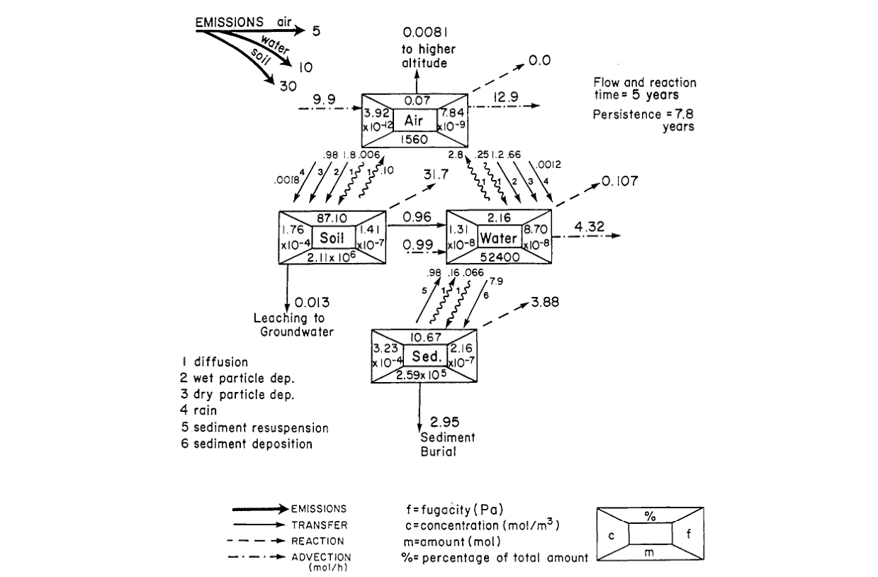
MK003 |  | 1992 | Chemosphere | Mackay, Paterson | Mackay, Paterson | Generic models for evaluating the regional fate of chemicals | 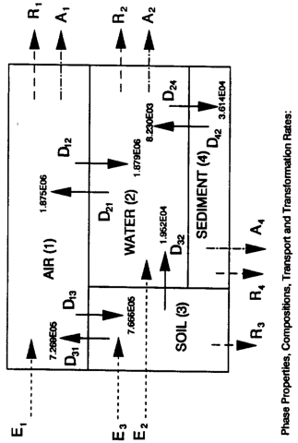
MK004

