BPs
基本信息
编号 | 阅读指数 | 年份 | 期刊 | 第一作者 | 通讯作者 | 标题 | 主题（图形摘要） | 主题 | 研究对象 | 研究介质 | 研究问题/研究目标 | 技术路线 | 主要结论 | 其他可以借鉴的地方 | 备注
ZN001 | ❤❤❤ | 2018 | Chemosphere | Wenhui Qiu | Ming Yang, Yi Zheng | Immunotoxicity of bisphenol S and F are similar to that of bisphenol A during zebrafish early development |  | 1.Abstract: The present study aims to evaluate the impact of these two BPA analogs on oxidative stress and the immune system during zebrafish embryonic and larval development. 2.Introduction: The present study aims to determine whether BPS and BPF act in a manner similar to that of BPA in terms of their immunotoxicity during early developmental stages of zebrafish. The study evaluated the impact of BPS and BPF on oxidative stress, nitric oxide (NO) content and nitric oxide synthase (NOS) activity, as well as the expression of immunerelated genes. In addition, the involvement of both ER and NF-kB transcription factors was further revealed in their actions. | bisphenol S and F, bisphenol A (BPS, BPF, BPA) | zebrafish | Immunotoxicity of bisphenol A, S and F | in vivo and in vitro in fish model (具体的路线不了解) | 1.Conclusion: In short, this study revealed comparable immunotoxicity of BPS, BPF, and BPA during zebrafish embryonic and larval development, and both ERa and NF-kB pathways were involved in their action mechanism. | 1.Bisphenol S (BPS) and bisphenol F (BPF) have been increasingly used as alternatives to bisphenol A (BPA) owing to health concerns. (BPS和BPF作为BPA的替代物，可以重点关注)
ZN002 | ❤❤ | 2020 | Environmental Science and Ecotechnology | Rongzhen Li | Wenhui Qiu, Chunmiao Zheng | Transcriptomic analysis of bisphenol AF on early growth and development of zebrafish (Danio rerio) larvae |  | 1.Abstract: The present study aims to evaluate the toxicity of BPAF, combining the results of omics techniques and experiment. | bisphenol AF (BPAF) | zebrafish | Toxicity of BPAF | Transcriptomic analysis (omics techniques and experiment) | 1.Abstract: In conclusion, exposure to BPAF at environmental relevant concentrations affected the early development and immune system of zebrafish larvae by modulating MAPK signaling pathway, and our results provide solid evidence for the future studies on the toxicity of bisphenols | 1.Bisphenol AF (BPAF), an alternative to bisphenol A, is widely detected in aquatic environments.
ZN003 | ❤❤❤❤ | 2019 | Ecotoxicology and Environmental Safety | Xue Zhao | Wenhui Qiu, Yi Zheng | Occurrence, distribution, bioaccumulation, and ecological risk of bisphenol analogues, parabens and their metabolites in the Pearl River Estuary, South China | 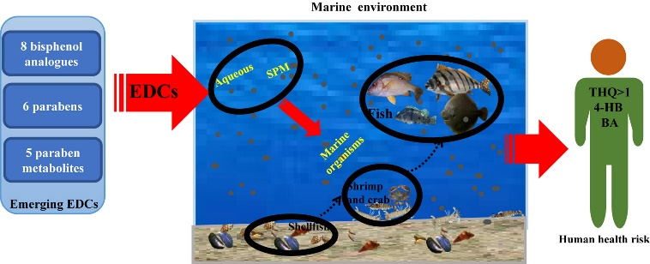 | 1.Abstract: This study analyzed eight bisphenol analogues, six parabens, and five paraben metabolites in seawater (including aqueous and suspended particle matter (SPM)), as well as organism samples from the Pearl River Estuary, in order to determine their occurrence, distribution, bioaccumulation, and ecological and human health risk in South China's marine environment. | 8 BPs, 6 Parabens, 5 Parabens metabolites | seawater (aqueous and SPM), organism samples | Occurrence, distribution, bioaccumulation, and ecological risk of BPs, Parabens and their metabolites |  | 1.Conclusion: Overall, the study results suggest that the occurrence and risks of emerging EDCs in coastal waters warrant further analysis, especially in densely populated regions of the world. (没有发现新的环境归趋行为) (provide a comprehensive understanding of EDCs pollution in South, China's marine environment)

