Connector
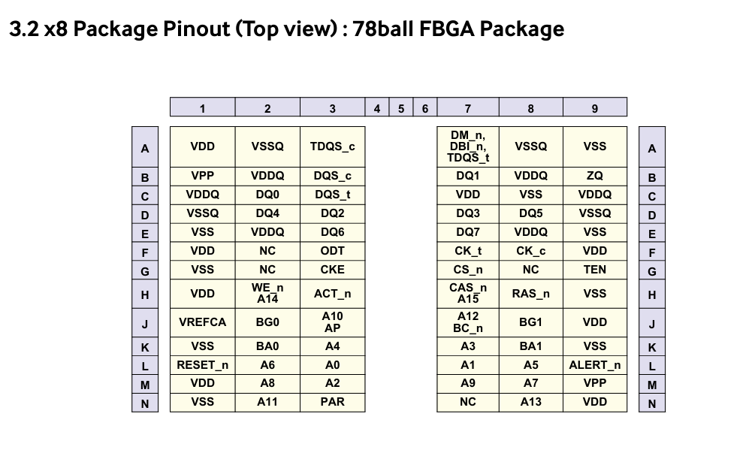
Pin Number | Pin Name (Full) | Pin Group
1 | 12V,NC | NC
2 | VSS | Power Supply Return
5 | DQ0 | Databus
4 | VSS | Power Supply Return
150 | DQ1 | Databus
6 | VSS | Power Supply Return
7 | TDQS9_t, DQS9_t | Data Mask
8 | TDQS9_c, DQS9_c | Termanation DQS
9 | VSS | Power Supply Return
23 | DQ10 | Databus
11 | VSS | Power Supply Return
168 | DQ11 | Databus
13 | VSS | Power Supply Return
14 | DQ12 | Databus
15 | VSS | Power Supply Return
159 | DQ13 | Databus
17 | VSS | Power Supply Return
18 | TDQS10_t, DQS10_t | Data Mask
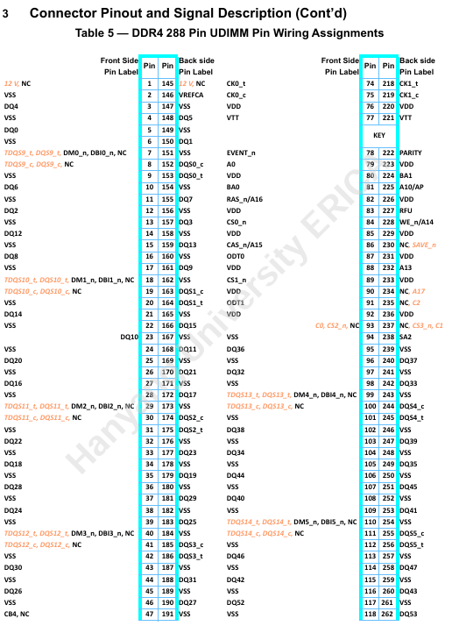
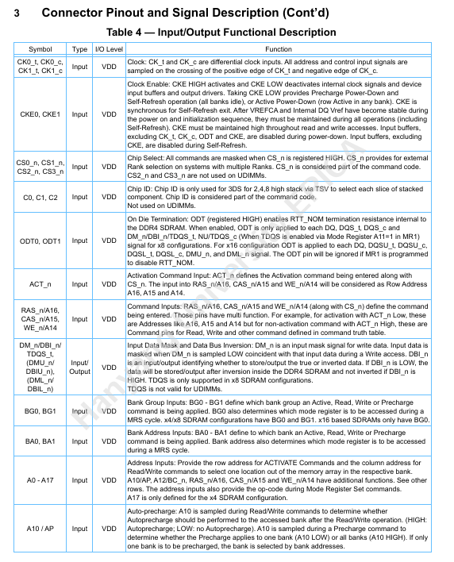
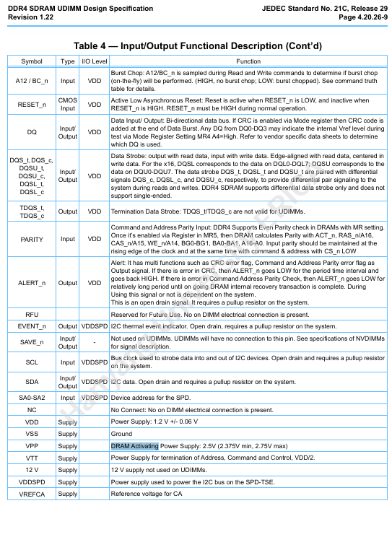
19 | TDQS10_c, DQS10_c | Termanation DQS
20 | VSS | Power Supply Return
21 | DQ14 | Databus
22 | VSS | Power Supply Return
166 | DQ15 | Databus
24 | VSS | Power Supply Return
27 | DQ16 | Databus
26 | VSS | Power Supply Return
172 | DQ17 | Databus
28 | VSS | Power Supply Return
29 | TDQS11_t, DQS11_t | Data Mask
30 | TDQS11_c, DQS11_c | Termanation DQS
31 | VSS | Power Supply Return
34 | DQ18 | Databus
33 | VSS | Power Supply Return
179 | DQ19 | Databus
35 | VSS | Power Supply Return
12 | DQ2 | Databus
37 | VSS | Power Supply Return
25 | DQ20 | Databus
39 | VSS | Power Supply Return
40 | TDQS12_t, DQS12_t | Data Mask
41 | TDQS12_c, DQS12_c | Termanation DQS
42 | VSS | Power Supply Return
170 | DQ21 | Databus
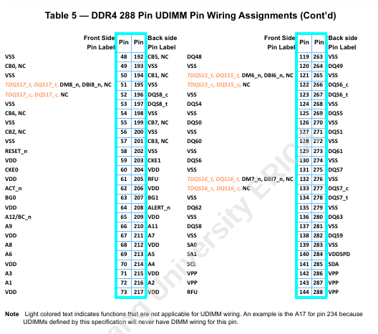
44 | VSS | Power Supply Return
32 | DQ22 | Databus
46 | VSS | Power Supply Return
49 | CB0,NC | ECC Check
48 | VSS | Power Supply Return
194 | CB1,NC | ECC Check
50 | VSS | Power Supply Return
51 | TDQS17_t, DQS17_t | Data Mask
52 | TDQS17_c, DQS17_c | Termanation DQS
53 | VSS | Power Supply Return
56 | CB2,NC | ECC Check
55 | VSS | Power Supply Return
201 | CB3,NC | ECC Check
57 | VSS | Power Supply Return
58 | RESET_n | Alert and Reset
59 | VDD | Core Power Supply
60 | CKE0 | Clock Enable
61 | VDD | Core Power Supply
62 | ACT_n | Activation Input
63 | BG0 | Bank Group select
64 | VDD | Core Power Supply
79 | A0 | Address and Command
72 | A1 | Address and Command
67 | VDD | Core Power Supply
225 | A10/AP | Address and Command
210 | A11 | Address and Command
70 | VDD | Core Power Supply
65 | A12/BC_n | Address and Command
232 | A13 | Address and Command
73 | VDD | Core Power Supply
74 | CK0_t | Clock Input
75 | CK0_c | Clock Input
76 | VDD | Core Power Supply
77 | VTT | SDRAM I/O termnation supply
78 | EVENT_n | SPD
216 | A2 | Address and Command
80 | VDD | Core Power Supply
81 | BA0 | Bank Select
71 | A3 | Address and Command
83 | VDD | Core Power Supply
84 | CS0_n | Rank select
85 | VDD | Core Power Supply
214 | A4 | Address and Command
87 | ODT0 | On-Die Termination
88 | VDD | Core Power Supply
89 | CS1_n | Rank select
90 | VDD | Core Power Supply
91 | ODT1 | On-Die Termination
92 | VDD | Core Power Supply
93 | C0,CS2_n/NC | Rank select
94 | VSS | Power Supply Return
177 | DQ23 | Databus
96 | VSS | Power Supply Return
38 | DQ24 | Databus
98 | VSS | Power Supply Return
99 | TDQS13_t, DQS13_t | Data Mask
100 | TDQS13_c, DQS13_c | Termanation DQS
101 | VSS | Power Supply Return
183 | DQ25 | Databus
103 | VSS | Power Supply Return
45 | DQ26 | Databus
105 | VSS | Power Supply Return
190 | DQ27 | Databus
107 | VSS | Power Supply Return
36 | DQ28 | Databus
109 | VSS | Power Supply Return
110 | TDQS14_t, DQS14_t | Data Mask
111 | TDQS14_c, DQS14_c | Termanation DQS
112 | VSS | Power Supply Return
181 | DQ29 | Databus
114 | VSS | Power Supply Return
157 | DQ3 | Databus
116 | VSS | Power Supply Return
43 | DQ30 | Databus
118 | VSS | Power Supply Return
188 | DQ31 | Databus
120 | VSS | Power Supply Return
121 | TDQS15_t, DQS15_t | Data Mask
122 | TDQS15_c, DQS15_c | Termanation DQS
123 | VSS | Power Supply Return
97 | DQ32 | Databus
125 | VSS | Power Supply Return
242 | DQ33 | Databus
127 | VSS | Power Supply Return
104 | DQ34 | Databus
129 | VSS | Power Supply Return
249 | DQ35 | Databus
131 | VSS | Power Supply Return
132 | TDQS16_t, DQS16_t | Data Mask
133 | TDQS16_c, DQS16_c | Termanation DQS
134 | VSS | Power Supply Return
95 | DQ36 | Databus
136 | VSS | Power Supply Return
240 | DQ37 | Databus
138 | VSS | Power Supply Return
139 | SA0 | SPD
140 | SA1 | SPD
141 | SCL | SPD
142 | VPP | DRAM Activation Power Supply
143 | VPP | DRAM Activation Power Supply
144 | RFU | Alert and Reset
145 | 12V,NC | NC
146 | VREFCA | Command/Address Reference
147 | VSS | Power Supply Return
102 | DQ38 | Databus
149 | VSS | Power Supply Return
247 | DQ39 | Databus
151 | VSS | Power Supply Return
152 | DQS0_c | DQS
153 | DQS0_t | DQS
154 | VSS | Power Supply Return
3 | DQ4 | Databus
156 | VSS | Power Supply Return
108 | DQ40 | Databus
158 | VSS | Power Supply Return
253 | DQ41 | Databus
160 | VSS | Power Supply Return
115 | DQ42 | Databus
162 | VSS | Power Supply Return
163 | DQS1_c | DQS
164 | DQS1_t | DQS
165 | VSS | Power Supply Return
260 | DQ43 | Databus
167 | VSS | Power Supply Return
106 | DQ44 | Databus
169 | VSS | Power Supply Return
251 | DQ45 | Databus
171 | VSS | Power Supply Return
113 | DQ46 | Databus
173 | VSS | Power Supply Return
174 | DQS2_c | DQS
175 | DQS2_t | DQS
176 | VSS | Power Supply Return
258 | DQ47 | Databus
178 | VSS | Power Supply Return
119 | DQ48 | Databus
180 | VSS | Power Supply Return
264 | DQ49 | Databus
182 | VSS | Power Supply Return
148 | DQ5 | Databus
184 | VSS | Power Supply Return
185 | DQS3_c | DQS
186 | DQS3_t | DQS
187 | VSS | Power Supply Return
126 | DQ50 | Databus
189 | VSS | Power Supply Return
271 | DQ51 | Databus
191 | VSS | Power Supply Return
47 | CB4/NC | ECC Check
193 | VSS | Power Supply Return
192 | CB5,NC | ECC Check
195 | VSS | Power Supply Return
244 | DQS4_c | DQS
245 | DQS4_t | DQS
198 | VSS | Power Supply Return
54 | CB6,NC | ECC Check
200 | VSS | Power Supply Return
199 | CB7,NC | ECC Check
202 | VSS | Power Supply Return
203 | CKE1 | Clock Enable
204 | VDD | Core Power Supply
205 | RFU | Alert and Reset
206 | VDD | Core Power Supply
207 | BG1 | Bank Group select
208 | ALERT_n | Alert and Reset
209 | VDD | Core Power Supply
213 | A5 | Address and Command
69 | A6 | Address and Command
212 | VDD | Core Power Supply
211 | A7 | Address and Command
68 | A8 | Address and Command
215 | VDD | Core Power Supply
66 | A9 | Address and Command
217 | VDD | Core Power Supply
218 | CK1_t | Clock Input
219 | CK1_c | Clock Input
220 | VDD | Core Power Supply
221 | VTT | SDRAM I/O termnation supply
222 | PARITY | Parity Input
223 | VDD | Core Power Supply
224 | BA1 | Bank Select
86 | A15/CAS_n | Address and Command
226 | VDD | Core Power Supply
227 | RFU | Alert and Reset
234 | A17/NC | Address and Command
229 | VDD | Core Power Supply
230 | SAVE_n/NC | NC
231 | VDD | Core Power Supply
82 | A16/RAS_n | Address and Command
233 | VDD | Core Power Supply
228 | A14/WE_n | Address and Command
235 | C2/NC | Rank select
236 | VDD | Core Power Supply
237 | C1,CS3_n/NC | Rank select
238 | SA2 | SPD
239 | VSS | Power Supply Return
117 | DQ52 | Databus
241 | VSS | Power Supply Return
262 | DQ53 | Databus
243 | VSS | Power Supply Return
255 | DQS5_c | DQS
256 | DQS5_t | DQS
246 | VSS | Power Supply Return
124 | DQ54 | Databus
248 | VSS | Power Supply Return
269 | DQ55 | Databus
250 | VSS | Power Supply Return
130 | DQ56 | Databus
252 | VSS | Power Supply Return
275 | DQ57 | Databus
254 | VSS | Power Supply Return
266 | DQS6_c | DQS
267 | DQS6_t | DQS
257 | VSS | Power Supply Return
137 | DQ58 | Databus
259 | VSS | Power Supply Return
282 | DQ59 | Databus
261 | VSS | Power Supply Return
10 | DQ6 | Databus
263 | VSS | Power Supply Return
128 | DQ60 | Databus
265 | VSS | Power Supply Return
277 | DQS7_c | DQS
278 | DQS7_t | DQS
268 | VSS | Power Supply Return
273 | DQ61 | Databus
270 | VSS | Power Supply Return
135 | DQ62 | Databus
272 | VSS | Power Supply Return
280 | DQ63 | Databus
274 | VSS | Power Supply Return
155 | DQ7 | Databus
276 | VSS | Power Supply Return
196 | DQS8_c | DQS
197 | DQS8_t | DQS
279 | VSS | Power Supply Return
16 | DQ8 | Databus
281 | VSS | Power Supply Return
161 | DQ9 | Databus
283 | VSS | Power Supply Return
284 | VDDSPD | SPD Power Supply
285 | SDA | SPD
286 | VPP | DRAM Activation Power Supply
287 | VPP | DRAM Activation Power Supply
288 | VPP | DRAM Activation Power Supply

