1. Title Page
Instacart Analysis

Project Name: Instacart Data Analysis
Date: 23rd October, 2024
Analyst Name: Janvi Amin

Contents:
Population Flow
Consistency checks
Wrangling steps
Column derivations
Visualizations
Recommendations

2. Population Flow
Title page

Population flow

Exclusion flag
Condition: max_order < 5
Obervations to be removed: 1444295
Final total count of order_products_all: 30964564

Orders_products_combined
Orders_products_merged
Orders_products_all

Total: 32404858
Total: 32434488
Total: 32404858

1.) The grey boxes in the first row of the population flow represent the original data sets as they were when you downloaded them. In the Total fields you need to add the count of the rows when you imported the data set into Jupyter.
2.) The second row of boxes (coloured) represents the data sets after you manipulated them, e.g., removed missing values and duplicates. In the Total fields you need to add the count of the rows after conducting these operations. This offers a visual oveview of how the data flows throughout the data consistency checks.
3.) The third row, where also the arrows are coloured, represents the merges you performed between the datasets. In the Total fields you need to add the count of the rows in the merged datasets, so that you end up with the final dataset (in the red box). Keep in mind the final dataset should be without exclusions (based on the exclusion flag).

3. Consistency checks
 |  |  |  | Title page
Consistency checks

Dataset | Missing values | Missing values treatment | Duplicates
orders | NA | na | no duplicates
products | is missing 16 names | changed to nan | duplicates deleted
orders_products_prior | NA | na | no duplicates
customers | NA | na | no duplicates

4. Wrangling steps
 |  |  |  | Title page
Wrangling steps

Columns dropped | Columns renamed | Columns' type changed | Comment/Reason
eval_set |  |  | unnecessary data
unnamed |  | order_id, user_id | datatype changed to str, dropped unnecessary column
_merged

5. Column derivations
 |  |  |  | Title page

Column derivations and aggregations

In this tab you should add tables below that the frequences of flags/label variables that you produced after deriving them. NB: don't do this for continuous variables, only for flags.
Dataset | New column | Column/s it was derived from | Conditions
orders | first_order | days_since_prior_order' | NaN
ords_prods_merge | price_range | prices | if prices <= 5 then 'low-range product' if prices >5 & <= 15 then 'mid-range product' if prices > 15 then 'high-range product' else 'not enough data'
ords_prods_merge | busiest_day | orders_day_of_week | if value == 0 then 'busiest day' if value == 4 then 'least busy' else 'regularly busy'
ords_prods_merge | busiest_days | orders_day_of_week | if value == 0 or 1 then 'busiest days' if value == 3 or 4 then 'slowest days' else 'regularly busy'
ords_prods_merge | busiest_period_of_day | hour_of_day | if value == 10 or 11 then 'most orders' if value == 3 or 4 then 'fewest orders' else 'average orders'
ords_prods_merge | loyalty_flag | max_order | if value > 40 then 'loyal customer' if value <= 40 & > 10 then 'regular customer' if value < 10 then 'new customer'
ords_prods_merge | mean_spend | prices | average price per customer
ords_prods_merge | spender_flag | mean_spend | if value > 10 then 'low spender' if value >= 10 then 'high customer'
ords_prods_merge | customer_frequency | days_since_prior_order | if value < 20 then 'non_frequent_customer' if value <= 20 & > 10 then 'regular customer' if value > 10 then 'frequent customer'

price_range |  | age_group
Mid-range product 673183 |  | middle-aged 9690051
Low-range product 314392 |  | adult 9214451
High range 12425 |  | senior 8195544
Name: count, dtype: int64 |  | young adult 3864518
 |  | Name: count, dtype: int64
busiest_days
Regularly busy 12916111 |  | dependants_flag
Busiest days 11864412 |  | has dependants 23224883
Slowest days 7624336 |  | no dependants 7739681
Name: count, dtype: int64 |  | Name: count, dtype: int64

busiest_period_of_day |  | loyalty_flag
Average orders 26802436 |  | Regular customer 15876776
Most Orders 5497900 |  | Loyal customer 10284093
Fewest orders 104523 |  | New customer 6243990
Name: count, dtype: int64 |  | Name: count, dtype: int64

spending_flag |  | customer_frequency
Low spender 31770614 |  | Frequent customer 21559853
High spender 634245 |  | Regular customer 7208564
Name: count, dtype: int64 |  | Non-frequent customer 3636437
 |  | Name: count, dtype: int64
income_group
middle-income 22617642
low-income 4452388
high-income 3894534
Name: count, dtype: int64

6. Visualizations
Title page

Visualisations

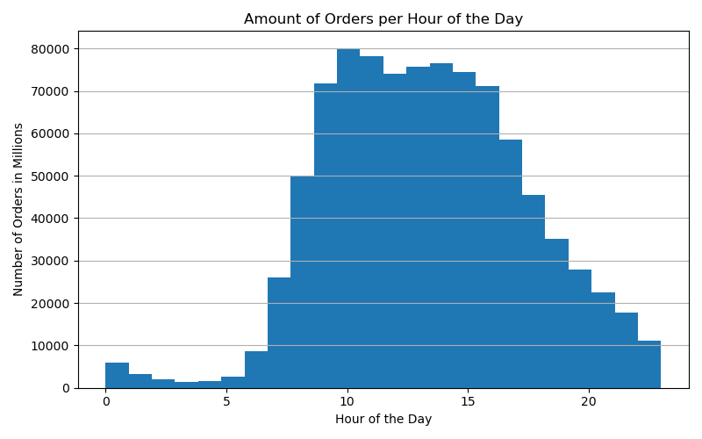
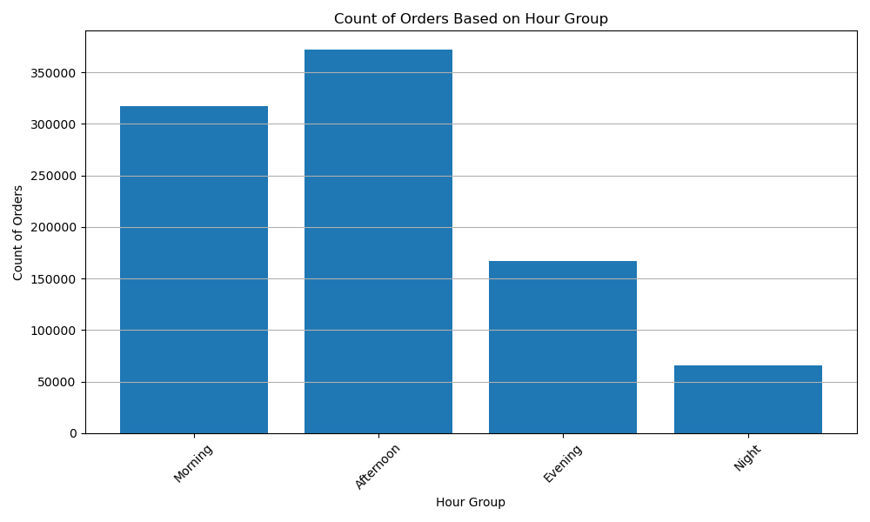

Busiest Hours
Both graphs shows the busiest hours of the day, it represents that most of the orders are placed in the afternoon and morning during the day.

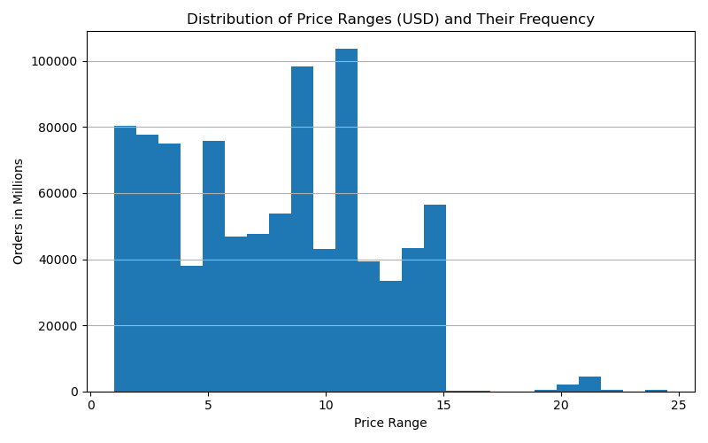
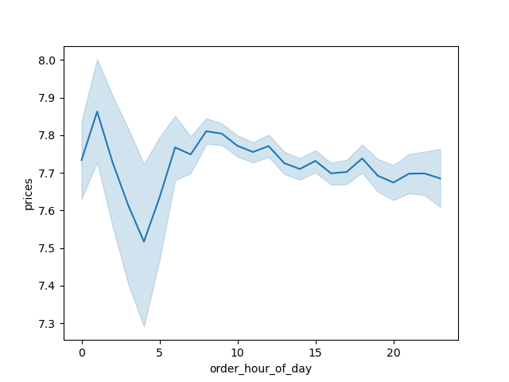
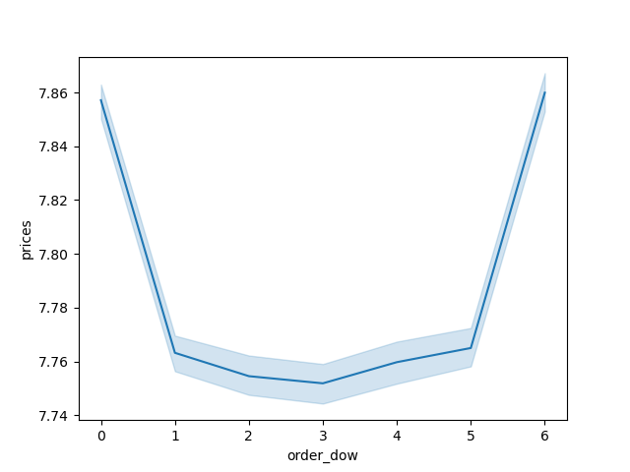

Spending Habit
The graphs illustrates customer's spending by day, hour and price range. it show that customers are spending more for the products which falls between price range of $2 - $15. secong graph shoes that most of the money is pent during the day time. and the third graph shows that customers are spenfing most in weekends.

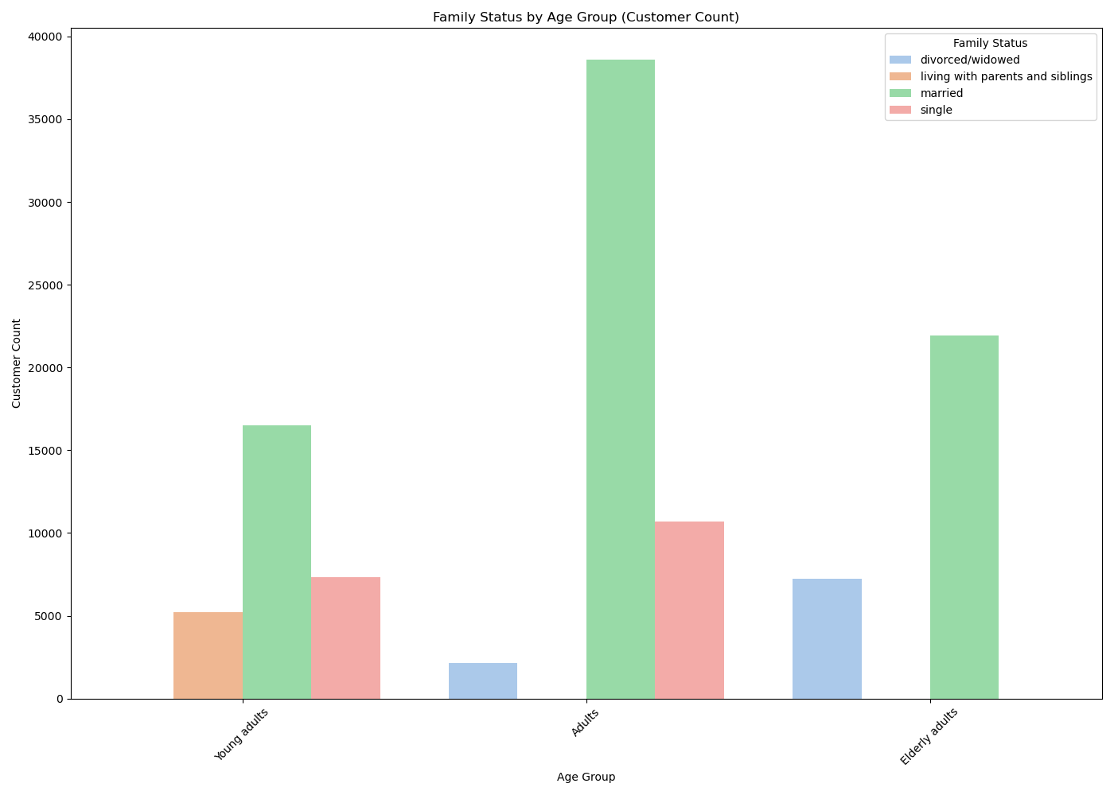
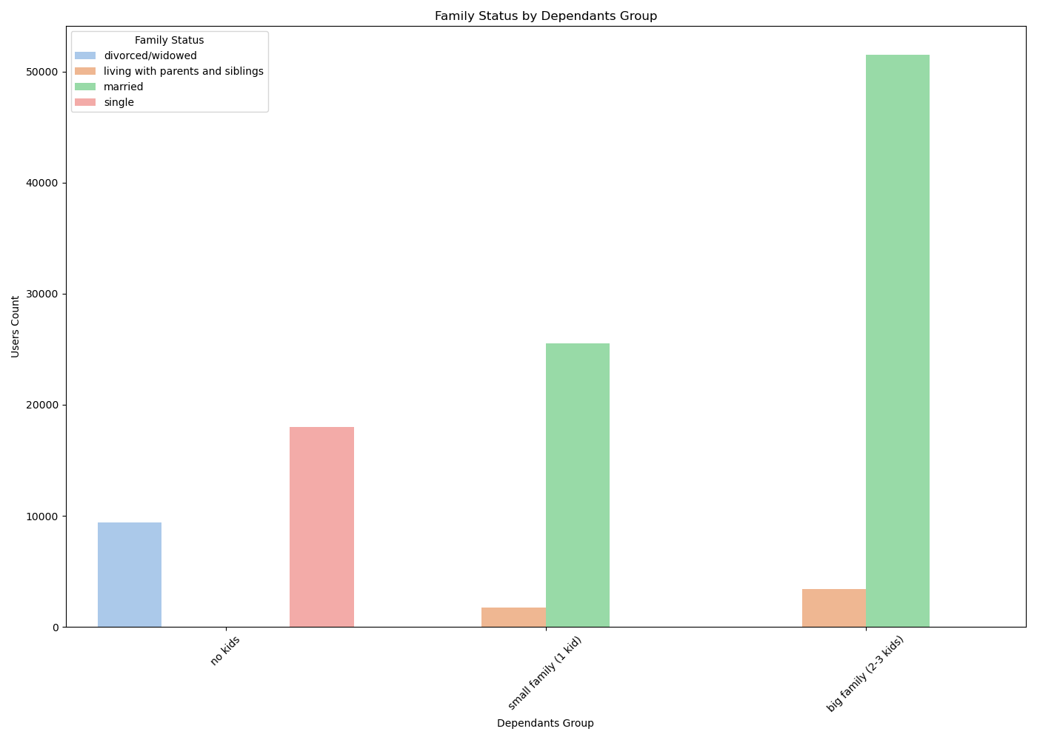

Customer Group
The graph shows the cusromer groups Instacart has. The first graph shoews that most of the customers are married and in that particularly the adult married is the highest customer count we have. The second graph shows the dependent groups we have in which we have married with family of 4-5 is the highest customer count.

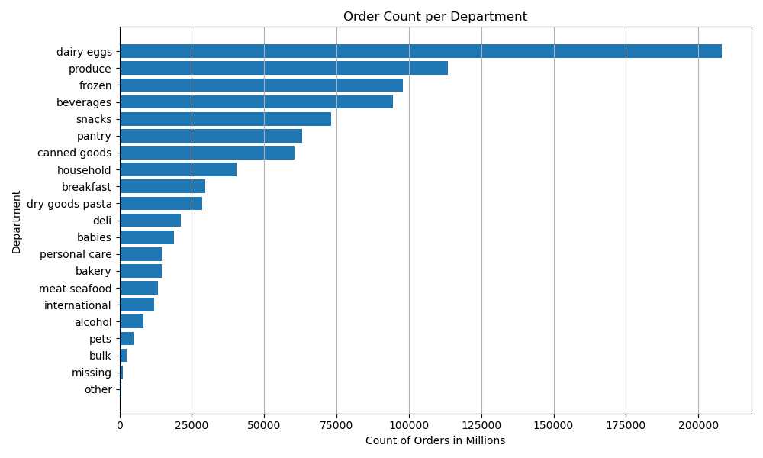

Popular Department
The graph shows the most popular department by number of orders received. We can see that the dairy eggs department is most popular department and is 2 times more than the second highest department.

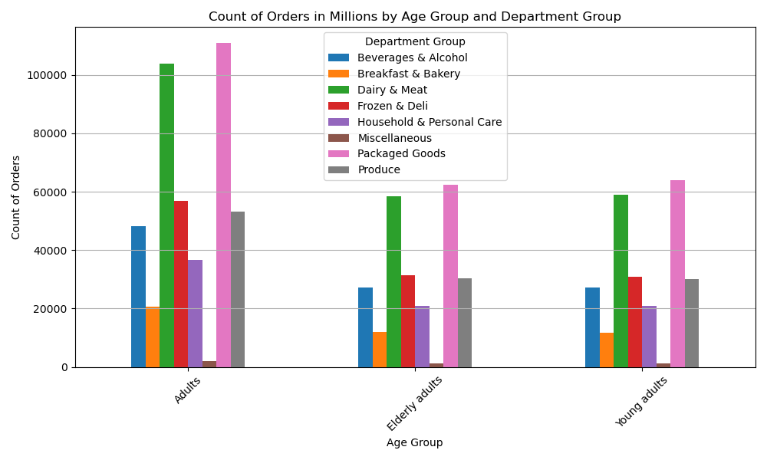
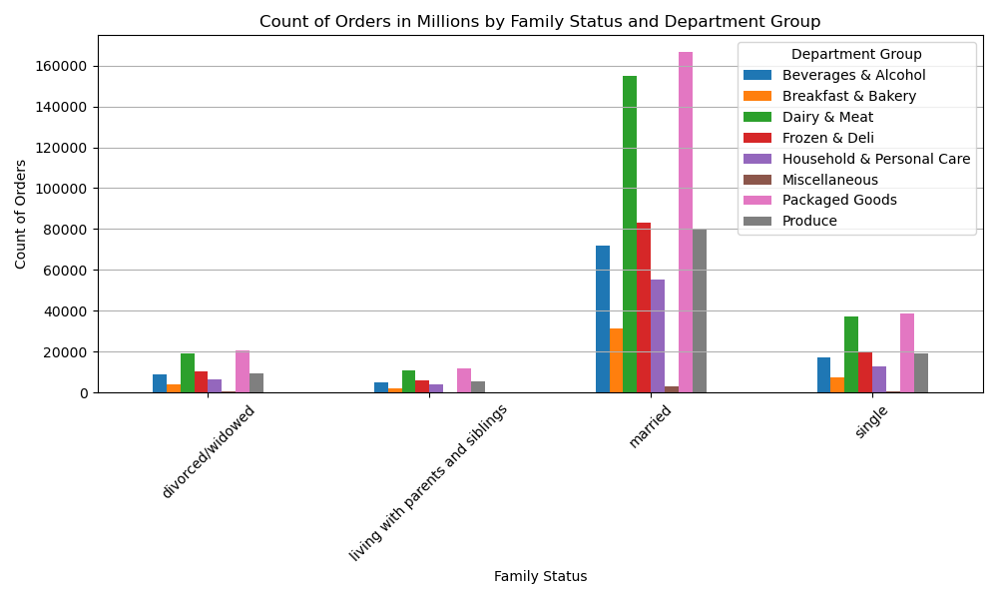

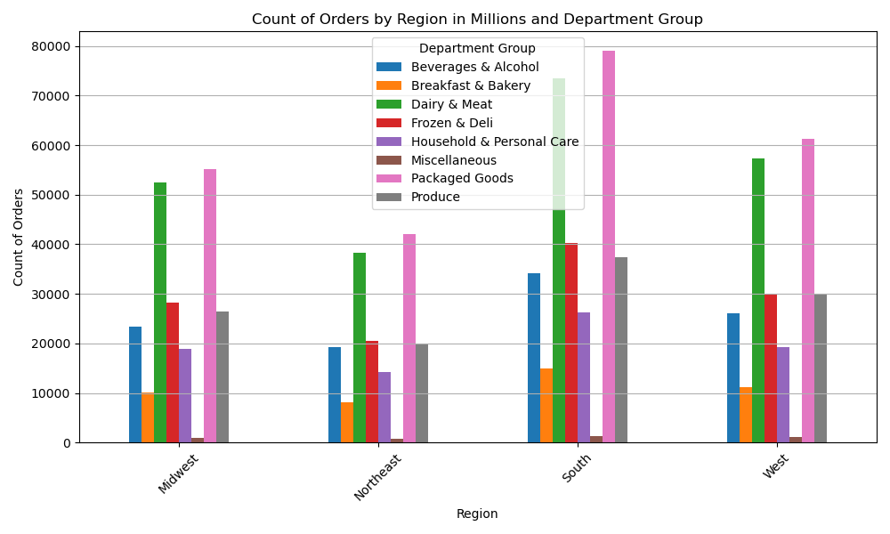
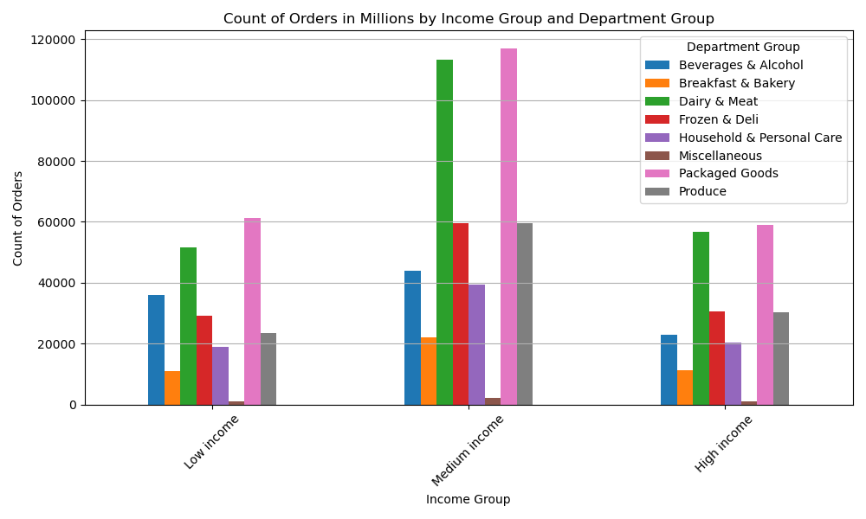

Popular departments by different categories
The above graph shows the popular departments by different factors. we can see that there are 4 different graphs which is orders by age group, by family status, by income group and by region. we can see that for all the factors the dairy and meat and packaged goods is the departments from which the most orders are placed.

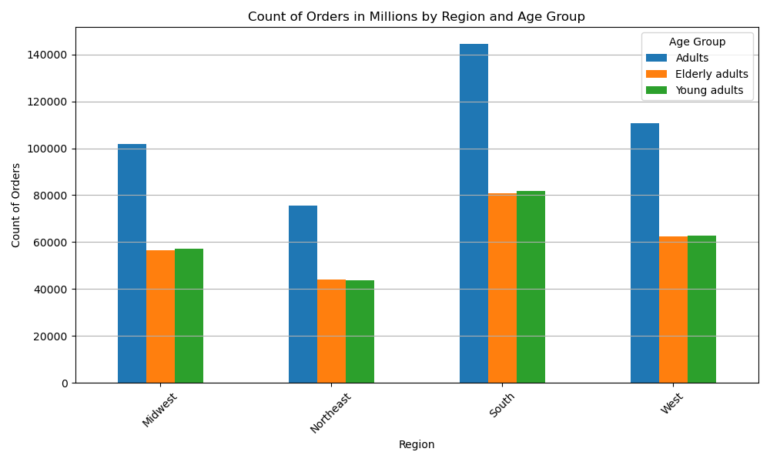
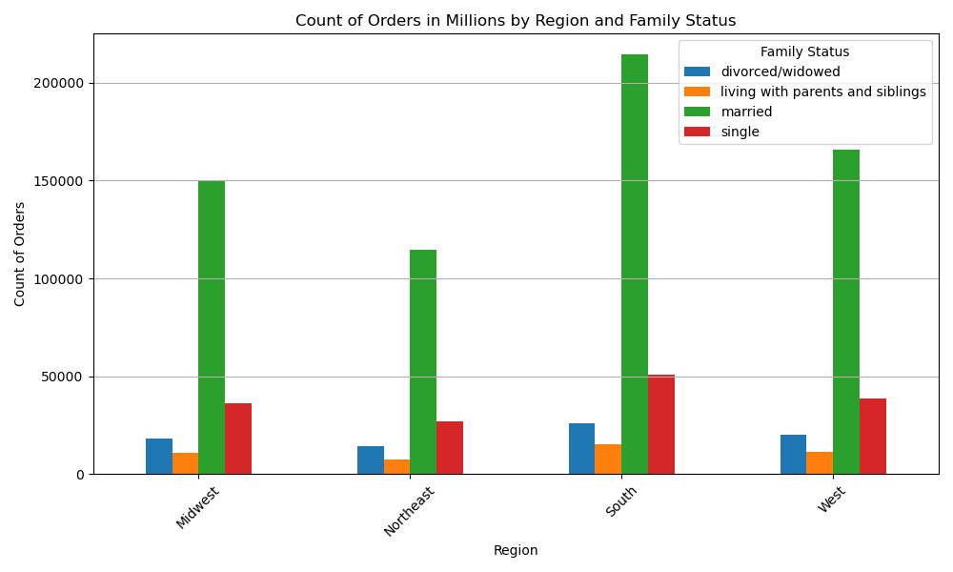
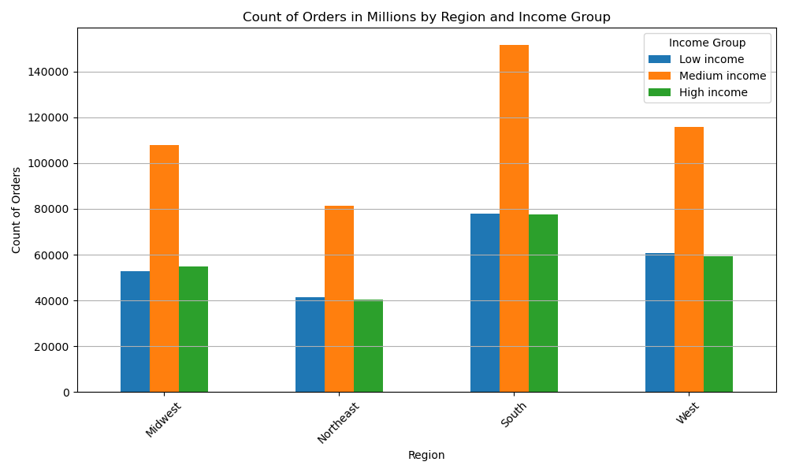

Orders by different Categories
The graphs shows the orders placed by the customers by their age group, income and family status. we can see that the customers in south region orders most compared to the other regions. in which the married adult with te medium income is the highest number of order placing group.

7. Recommendations
Title page

Recommendations

In this tab you should include any recommendations you would made to Instcart in terms of their marketing strategy based on the questions posed in the brief. Every key question has been covered in the Tasks of the Exercises - here you need to add an item - a visualisation or table/crosstable that is showing the answer in the data, acompanied by a comment from you. Please, list the questions below and add the answer underneath.

What is the busiest time of the day?
Busiest time for orders is morning and afternoon part of the day. more specifically, busiest hours are 10AM to 4.30PM in the day.

What is the most popular price range?
As the analysis says, the price range from $7-$10 is the most popular price range and spent most in the range of that price amount.

What is the busiest days of the week?
It shows that the busiest days of the week is saturday and sunday. It looks like the spending is most on the weekends.

What does the single customers group spend on most?
It looks like the single customers group spend most on packaged good and dairy products. although the packaged goods and dairy products are the most popular amoung all the customer group.

What is the least popular department?
Looks like the miscellaneous products are the least ordered food. Other than the miscellanerous products, Breakfast & Bakery is the least ordered items.

Does high income customer spends more than the low income customers?
It looks like the customers with high income and low income spends almost same amoubnt of money. The medium income customers on the other hand, spends the most comparetively.

