After_Translation
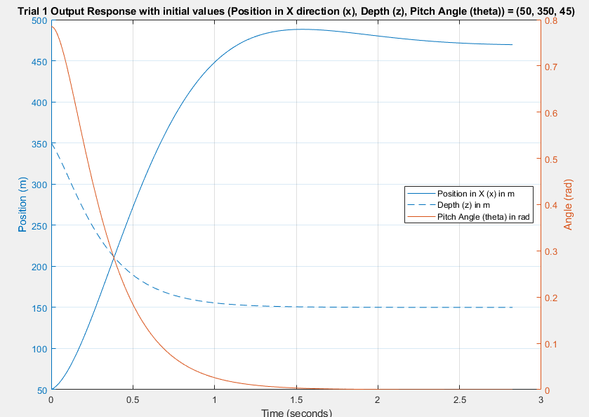
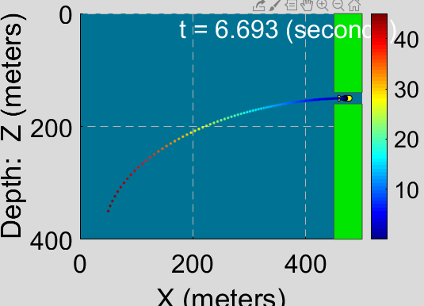
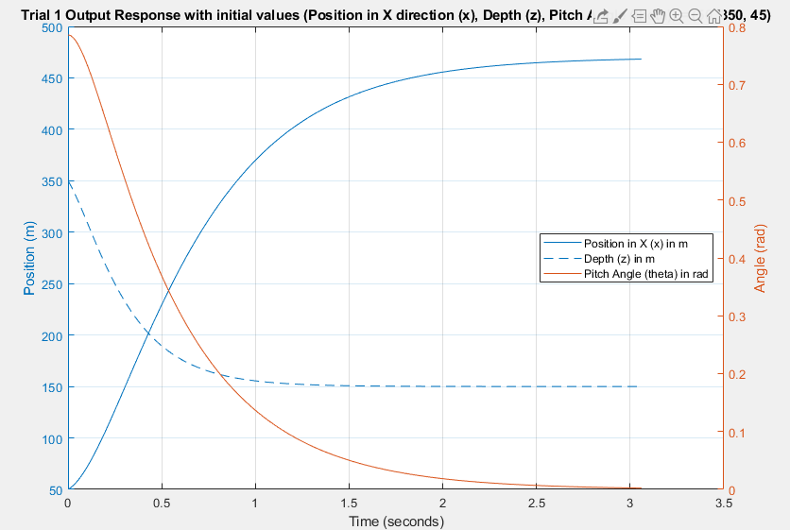
Settling Time |  |  | Animation Timer | Worst Thrust | Hitting the block | Orientation | Poles
x | z | theta |  |  |  |  | x_dot | z_dot | theta_dot | x | z | theta
3.1 | 1.67 | 2.92 | 6.693 | 3.60E+05 | No | Flat | -1.2 | -3 | -2 | -1.2 | -3 | -2
3.05 | 1.52 | 2.55 | 5.296 | 3.60E+05 | No | Flat | -1.2 | -9 | -2 | -1.2 | -9 | -2 | No Change, by further reducing z, zdot
1.99 | 1.52 | 1.22 | 3.43 | 9.60E+05 | No | Flat | -2.75 | -9 | -2 | -2.75 | -9 | -2 | Further reduction in x, xdot value leads to auv crashing
1.33 | 0.71 | 1.15 | 2.27 | 2.50E+06 | No | Flat | -2.8 | -9 | -4.7 | -2.8 | -9 | -4.7 | Further reduction in theta, theta_dot, leads to increase in animation timer !! Eventhough it reduces the settling time further and increase the Thrust
1.2 | 0.71 | 1 | 2.08 | 2.96E+06 | No | Flat | -3.3 | -12 | -4.7 | -3.3 | -12 | -4.7
1.2 | 0.68 | 0.96 | 2.08 | 2.96E+06 | No | Flat | -3.3 | -18 | -4.7 | -3.3 | -18 | -4.7

