color
Distance Matrix | Scope | Clustering | Exemplar | Color | Color Weighted | Exemplar Cnt | Precision | Recall | F1 | Exemplars | Grayscale | Jue’s Data | ACAC | ACAL_1 | ACAL_2 | ACAL_4 | ACAL_Weighted
Covariance | Intraclass | K-means | Cluster Center | Grayscale | FALSE | 1 | 0.9073 | 0.8969 | 0.8956 | 1 | 0.9073 | - | 0.94022 | 0.94202 | 0.95292 | 0.95481 | 0.92791457
Covariance | Intraclass | K-means | Cluster Center | Grayscale | FALSE | 2 | 0.9277 | 0.9216 | 0.9259 | 2 | 0.9277 | - | 0.95404 | 0.96859 | 0.97024 | 0.97067748 | 0.92319189
Covariance | Intraclass | K-means | Cluster Center | Grayscale | FALSE | 3 | 0.9519 | 0.9496 | 0.9488 | 3 | 0.9519 | - | 0.96824 | 0.97032 | 0.97392 | 0.97237558 | 0.93331762
Covariance | Intraclass | K-means | Cluster Center | Grayscale | FALSE | 4 | 0.943 | 0.9398 | 0.9505 | 4 | 0.943 | - | 0.96888 | 0.973164 | 0.97705 | 0.97551816 | 0.94537263
Covariance | Intraclass | K-means | Cluster Center | Grayscale | FALSE | 5 | 0.9624 | 0.9579 | 0.9576 | 5 | 0.9624 | 0.921 | 0.970926 | 0.97493 | 0.9757 | 0.97945282 | 0.94803038
Covariance | Intraclass | K-means | Cluster Center | Grayscale | FALSE | 6 | 0.9503 | 0.9488 | 0.9482 | 10 | 0.9602 | - | 0.9799998 | 0.97721 | 0.98838 | 0.98408698 | 0.95994498
Covariance | Intraclass | K-means | Cluster Center | Grayscale | FALSE | 7 | 0.9572 | 0.955 | 0.9604 | 20 | 0.9642 | 0.976 | 0.97878 | 0.98203 | 0.9834 | 0.98595737 | 0.96251871
Covariance | Intraclass | K-means | Cluster Center | Grayscale | FALSE | 8 | 0.9611 | 0.9588 | 0.9586 |  | * Jues 20 uses 29 exemplars, placed at 20 for easier read graph
Covariance | Intraclass | K-means | Cluster Center | Grayscale | FALSE | 9 | 0.9538 | 0.9514 | 0.9509
Covariance | Intraclass | K-means | Cluster Center | Grayscale | FALSE | 10 | 0.9602 | 0.9581 | 0.9579
Covariance | Intraclass | K-means | Cluster Center | Grayscale | FALSE | 20 | 0.9642 | 0.9623 | 0.9567

Covariance | Intraclass | K-means | Cluster Center | Composition-1 | FALSE | 1 | 0.94022 | 0.93382 | 0.933165
Covariance | Intraclass | K-means | Cluster Center | Composition-1 | FALSE | 2 | 0.95404 | 0.94937 | 0.94936
Covariance | Intraclass | K-means | Cluster Center | Composition-1 | FALSE | 3 | 0.96824 | 0.96744 | 0.961497
Covariance | Intraclass | K-means | Cluster Center | Composition-1 | FALSE | 4 | 0.96888 | 0.96765 | 0.967
Covariance | Intraclass | K-means | Cluster Center | Composition-1 | FALSE | 5 | 0.970926 | 0.97 | 0.9693
Covariance | Intraclass | K-means | Cluster Center | Composition-1 | FALSE | 10 | 0.9799998 | 0.97896 | 0.97868
Covariance | Intraclass | K-means | Cluster Center | Composition-1 | FALSE | 20 | 0.97878 | 0.97798 | 0.97753

Covariance | Intraclass | K-means | Cluster Center | Luminance-1 | FALSE | 1 | 0.94202 | 0.933996 | 0.93396
Covariance | Intraclass | K-means | Cluster Center | Luminance-1 | FALSE | 2 | 0.96859 | 0.965962 | 0.965676
Covariance | Intraclass | K-means | Cluster Center | Luminance-1 | FALSE | 3 | 0.97032 | 0.968687 | 0.967912
Covariance | Intraclass | K-means | Cluster Center | Luminance-1 | FALSE | 4 | 0.973164 | 0.971923 | 0.97137
Covariance | Intraclass | K-means | Cluster Center | Luminance-1 | FALSE | 5 | 0.97493 | 0.97414 | 0.973398
Covariance | Intraclass | K-means | Cluster Center | Luminance-1 | FALSE | 10 | 0.97721 | 0.97634 | 0.97591
Covariance | Intraclass | K-means | Cluster Center | Luminance-1 | FALSE | 20 | 0.98203 | 0.98147 | 0.981198

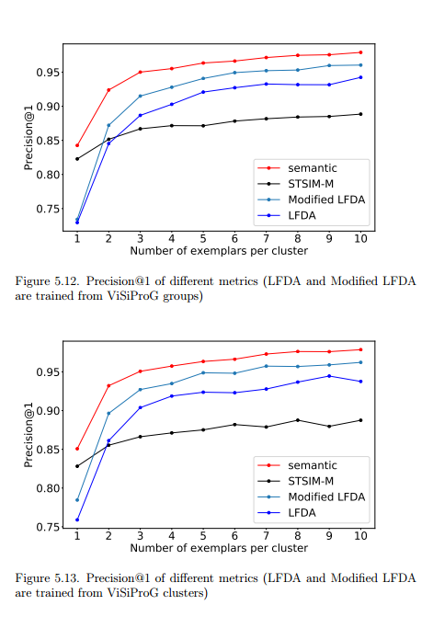
Covariance | Intraclass | K-means | Cluster Center | Luminance-2 | FALSE | 1 | 0.95292 | 0.94624 | 0.97595
Covariance | Intraclass | K-means | Cluster Center | Luminance-2 | FALSE | 2 | 0.97024 | 0.96888 | 0.96849
Covariance | Intraclass | K-means | Cluster Center | Luminance-2 | FALSE | 3 | 0.97392 | 0.97292 | 0.97248
Covariance | Intraclass | K-means | Cluster Center | Luminance-2 | FALSE | 4 | 0.97705 | 0.97581 | 0.97533
Covariance | Intraclass | K-means | Cluster Center | Luminance-2 | FALSE | 5 | 0.9757 | 0.97436 | 0.97399
Covariance | Intraclass | K-means | Cluster Center | Luminance-2 | FALSE | 10 | 0.98838 | 0.9882 | 0.98793
Covariance | Intraclass | K-means | Cluster Center | Luminance-2 | FALSE | 20 | 0.9834 | 0.9826 | 0.9824

Covariance | Intraclass | K-means | Cluster Center | Luminance-4 | FALSE | 1 | 0.95481 | 0.94837 | 0.94834
Covariance | Intraclass | K-means | Cluster Center | Luminance-4 | FALSE | 2 | 0.97067748 | 0.968677 | 0.96824338
Covariance | Intraclass | K-means | Cluster Center | Luminance-4 | FALSE | 3 | 0.97237558 | 0.97040114 | 0.97014165
Covariance | Intraclass | K-means | Cluster Center | Luminance-4 | FALSE | 4 | 0.97551816 | 0.97429061 | 0.97388148
Covariance | Intraclass | K-means | Cluster Center | Luminance-4 | FALSE | 5 | 0.97945282 | 0.97876732 | 0.97825447
Covariance | Intraclass | K-means | Cluster Center | Luminance-4 | FALSE | 10 | 0.98408698 | 0.98361133 | 0.98319887
Covariance | Intraclass | K-means | Cluster Center | Luminance-4 | FALSE | 20 | 0.98595737 | 0.98544759 | 0.98521941

Covariance | Intraclass | K-means | Cluster Center | Luminance-4 | TRUE | 1 | 0.92791457 | 0.92202231 | 0.9203674
Covariance | Intraclass | K-means | Cluster Center | Luminance-4 | TRUE | 2 | 0.92319189 | 0.91572683 | 0.91411787
Covariance | Intraclass | K-means | Cluster Center | Luminance-4 | TRUE | 3 | 0.93331762 | 0.92867167 | 0.9268677
Covariance | Intraclass | K-means | Cluster Center | Luminance-4 | TRUE | 4 | 0.94537263 | 0.94191422 | 0.94046118
Covariance | Intraclass | K-means | Cluster Center | Luminance-4 | TRUE | 5 | 0.94803038 | 0.94615618 | 0.94532879
Covariance | Intraclass | K-means | Cluster Center | Luminance-4 | TRUE | 10 | 0.95994498 | 0.95677269 | 0.95638281
Covariance | Intraclass | K-means | Cluster Center | Luminance-4 | TRUE | 20 | 0.96251871 | 0.9611215 | 0.96074481

