Current BMW AI tools
BMW contributions
component | What percentage savings can be expected when using the listed solutions? Please specify the percentage here:
GAIA including GAIA browser plugin | 3.0%
AI4DevOps / JoyCode | 6.5% | <-that's how much we declared in Round 1
GitHub CoPilot for Business with an account provided by BMW | 15.0%
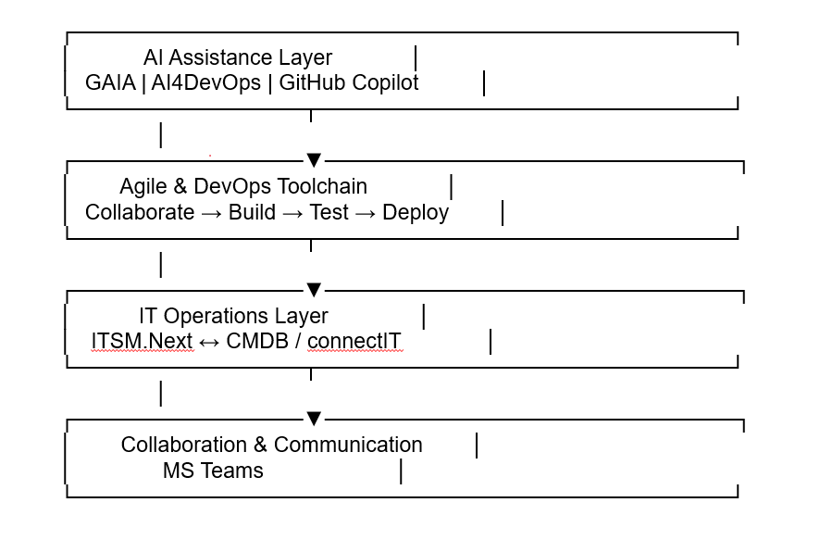
ITSM.Next | 5.5%
Configuration Management Tool (currently including CMDB, connectIT) | ON
Communication tool (currently: MS Teams) | ON
Agile toolchain components (Collaborate, Build, Test, Deploy) (current tools listed at atc.bmwgroup.net) | ON

Connection concept
Project role designation
VDI Access Europe
DevOps project role

Further required and agreed BMW contributions
component
If further product-specific connections are required, these will be defined and assigned upon order placement.

