Calculator
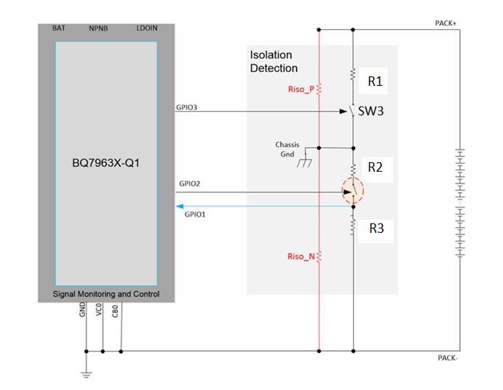
 | Input values |  |  | Output values
 | User enters this |  |  | Calculator output (V_GPIO)

 |  |  |  | Estimate for modelling
VHV V | R_1 (Ω) | R_2 (Ω) | R_3 (Ω) | Sysetm isolation res (Ω)
 |  |  |  | RISO_P | RISO_N
400 | 1320000 | 1320000 | 12450 | 220000 | 100000

 | V_GPIO (nom) V
 | SW3 Closed | SW3 Open
 | 1.2346164348 | 1.1106551527

