NCSR Description
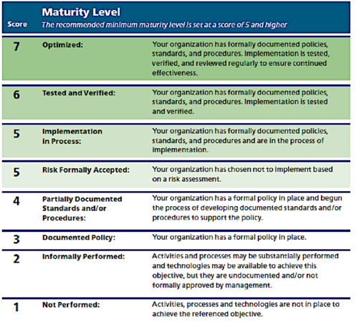
 | NIST CSF functions

 | Identify (ID) – Understand the organization’s assets, risks, and environment to manage cybersecurity effectively.
 | Protect (PR) – Implement safeguards to prevent or limit the impact of cybersecurity events.
 | Detect (DE) – Monitor systems and activities to identify cybersecurity incidents promptly.
 | Respond (RS) – Take action to contain, mitigate, and manage cybersecurity incidents.
 | Recover (RC) – Restore normal operations and services after a cybersecurity event and improve resilience.

The diagram shows the NCSR framework with an extended 7-level maturity scale. It illustrates two paths: accepting a risk or managing it to reach a higher maturity. Unlike the standard 5-level version, this approach emphasizes the role of formal risk assessment, maturity cannot reach level 5 (formally accepted) without one, because without a risk assessment, the organization cannot determine whether a risk can be accepted. In that case, the maximum level is 4

