ICCTA

 | Bundle1 | Bundle2 | Bundle3 | Bundle4 | Bundle5
AppNo1
AppNo2 | 95 | 19 | 45 | 45 | 41
AppNo3 | 103 | 51 | 62 | 52 | 47
AppNo4 | 152 | 58 | 66 | 57 | 57
AppNo5 | 164 | 66 | 74 | 64 | 64

Covert
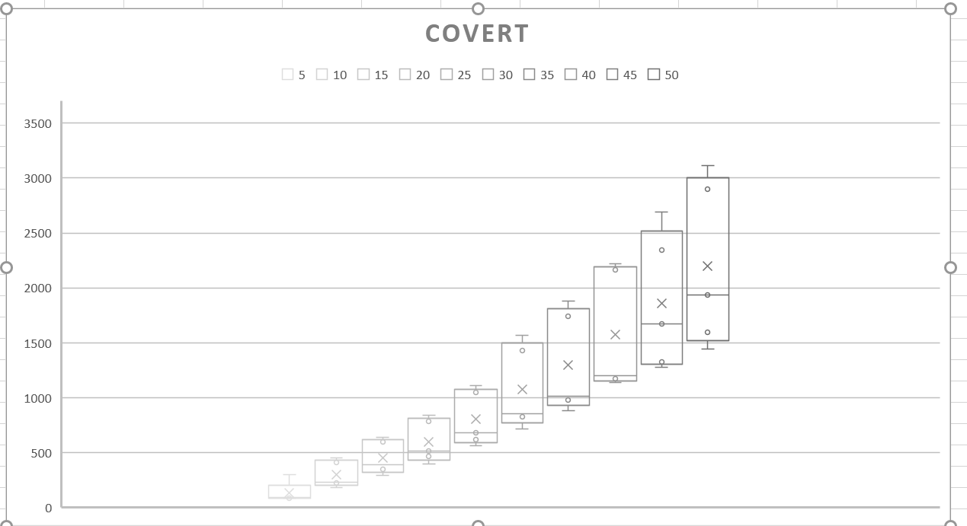
 | Bundle1 | Bundle2 | Bundle3 | Bundle4 | Bundle5
AppNo5 | 300 | 86 | 107 | 82 | 90
AppNo10 | 452 | 230 | 412 | 184 | 221
AppNo15 | 639 | 389 | 594 | 289 | 349 | Min | 82 | 184 | 289 | 396 | 565 | 712 | 882 | 1139 | 1276 | 1446
AppNo20 | 781 | 512 | 840 | 396 | 464 | Q1 | 86 | 221 | 349 | 464 | 616 | 824 | 975 | 1169 | 1327 | 1598
AppNo25 | 1046 | 681 | 1110 | 565 | 616 | Median | 90 | 230 | 389 | 512 | 681 | 855 | 1012 | 1198 | 1672 | 1933
AppNo30 | 1428 | 855 | 1566 | 824 | 712 | Q3 | 107 | 412 | 594 | 781 | 1046 | 1428 | 1739 | 2165 | 2344 | 2899
AppNo35 | 1739 | 975 | 1879 | 1012 | 882 | Max | 300 | 452 | 639 | 840 | 1110 | 1566 | 1879 | 2217 | 2691 | 3112
AppNo40 | 2165 | 1169 | 2217 | 1198 | 1139
AppNo45 | 2344 | 1276 | 2691 | 1672 | 1327
AppNo50 | 3112 | 1598 | 2899 | 1933 | 1446

Didfail
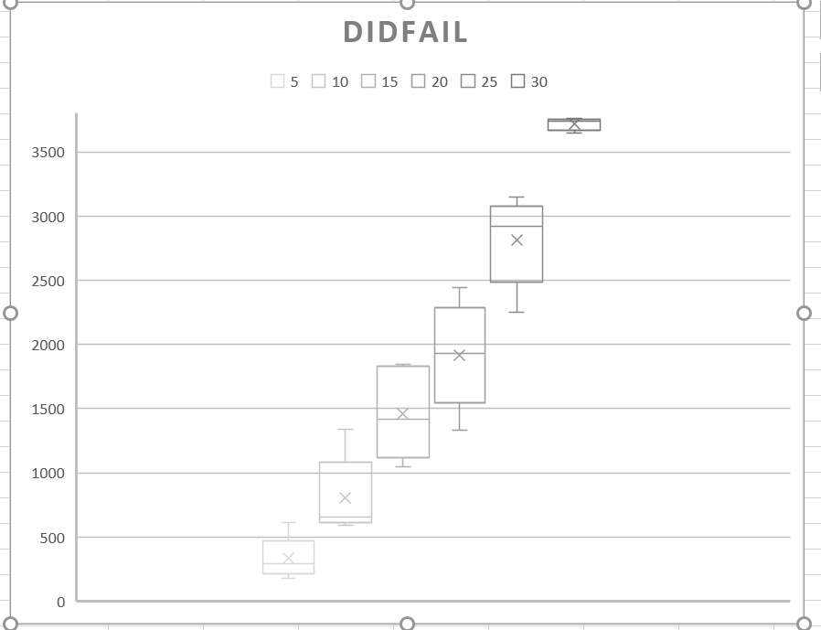
 | Bundle1 | Bundle2 | Bundle3 | Bundle4 | Bundle5
AppNo5 | 616 | 178 | 254 | 320 | 292
AppNo10 | 1336 | 653 | 589 | 823 | 636
AppNo15 | 1846 | 1818 | 1046 | 1418 | 1186
AppNo20 | 2445 | 2129 | 1330 | 1933 | 1760
AppNo25 | 3150 | 2877 | 2253 | 2963
AppNo30 | 3761 | 3647 | 3738 |  |  | Min | 178 | 589 | 1046 | 1330 | 2253 | 3647
AppNo35 |  |  |  |  |  | Q1 | 254 | 636 | 1186 | 1760 | 2721 | 3692.5
AppNo40 |  |  |  |  |  | Median | 292 | 653 | 1418 | 1933 | 2920 | 3738
AppNo45 |  |  |  |  |  | Q3 | 320 | 823 | 1818 | 2129 | 3009.75 | 3749.5
AppNo50 |  |  |  |  |  | Max | 616 | 1336 | 1846 | 2445 | 3150 | 3761

