Risk analysis
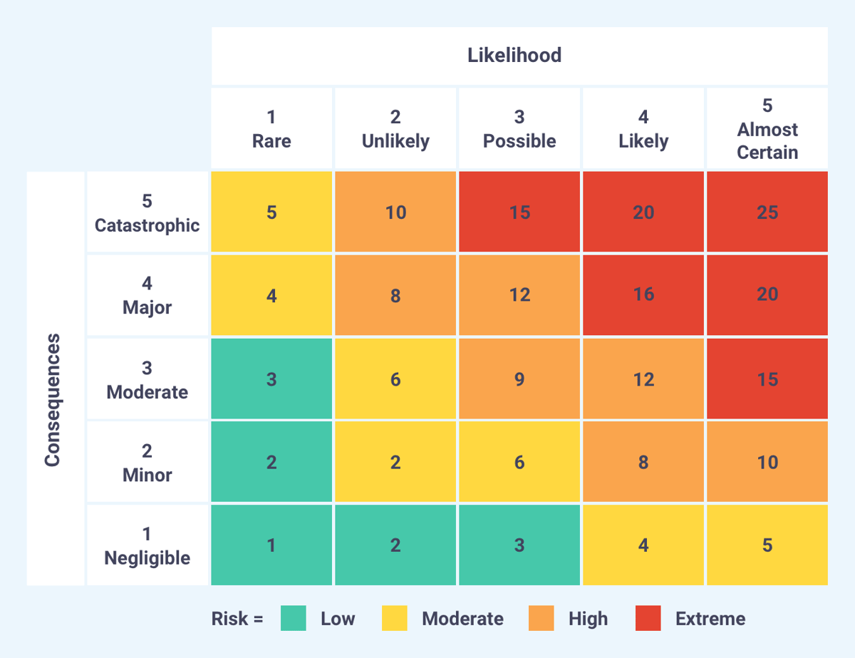
Identify risks |  | Risk Assessment |  |  |  | Risk Managing
Title | Description | Probability | Severity | Risk | Priority | Action | Comment
API downtime/faliure | APIs may become unavailable, return incomplete data or | 2 | 4 | 8 | 5 | Retry function; minutes and hourly. Alert when failed to fetch API
Databricks Notebook faliure | Notebook may need to wind up after inactivity | 4 | 5 | 20 | 1 | Have databricks running 24/7 if budget allows. Connect to nodes before executing pipeline. Retry function | Due to budget restrictions, databricks should only be running when needed, otherwise idle
Storage Limit | Exceeding size of files, duplicates of files, memory leak etc | 2 | 5 | 10 | 3 | Monitor read/write and size increases to understand data, create alerts and auto terminate when exceeding threshold
Model Accuracy | Predictive model underperform due to insufficient data or poor parameters | 4 | 3 | 12 | 2 | Evaluate model and retrain model, tune parameters
Threshold Misconfiguration | Incorrect threshold alerts thet can lead to a halt of data, poor accuracy of model | 3 | 2 | 6 | 6 | Regularly review and test alerts with fake data
Alert not Alerting | Not recieving notifications that can lead to delayed response | 3 | 3 | 9 | 4 | Review workflow | Notebook can mark as successful even if failed to fetch data if (empty) file is creating in it's name
Date error for file | Leap year, timezone, summer/winter time | 2 | 2 | 4 | 7 | Review how dates are handled and how API fetches have historicaly handled these issues | Weather and electricity prices have 24 rows and are sorted based on timestamps which shouldnt be an issue. However daylight saving time is unclear how it's handeld.
Exceed budget | Uncertanty of run and calculation costs of databricks and it's tools | 3 | 1 | 3 | 8 | Create account, claim free credits and use databricks premium free trial

