Matches
This page:
https://www.whoscored.com/Regions/252/Tournaments/2/Seasons/5826/Stages/12496/Fixtures/England-Premier-League-2015-2016
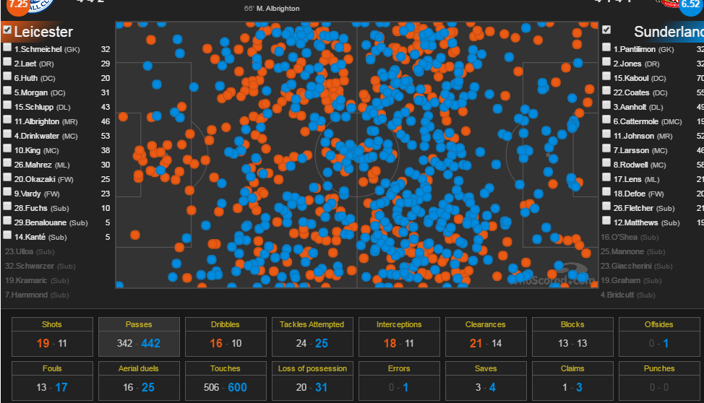
Then click on a fixture
Then click on 'Match Centre'
Then scroll down and click on chalkboard and you'll see this:

Will need this for every fixture:

Home Team | Away Team | Shots |  |  |  |  |  |  |  |  |  |  |  |  |  |  |  | Passes |  |  |  |  |  |  |  |  |  |  |  |  |  |  |  |  |  |  | Dribbles |  | Tackles Attempted |  | Interceptions | Clearances |  |  |  | Blocks |  | Offsides | Fouls | Aerial Duels Won | Touches | Loss of Possession |  | Errors |  | Saves | Claims | Punches
 |  | Results |  |  |  |  |  | Zones |  |  | Situation |  |  |  | Body Parts |  |  | Pass Type |  |  |  |  |  | Length |  | Height |  | Body Parts |  | Direction |  |  |  | Target Zone |  |  | Outcome |  | Outcome |  |  | Outcome |  | Body Parts |  | Type |  |  |  |  |  | Type |  | Type
 |  | Goals | Shots on Target | Shots off Target | Woodwork | Blocked | Own Goal | 6 Yard Box | Penalty Area | Outside of Box | Open Play | Fastbreak | Set Pieces | Penalty | Right Foot | Left Foot | Head | Cross | Freekick | Corner | Through Ball | Throw In | Key Passes | Long | Short | Chipped | Ground | Head | Feet | Forward | Backward | Left | Right | Defensive Third | Mid Third | Final Third | Successful | Unsuccessful | Successful | Was Dribbled |  | Total | Off The Line | Head | Feet | Blocked Shots | Crosses |  |  |  |  | Dispossessed | Turnover | Lead to Shot | Lead to Goal

