Hoja1
Hex | Bit 0 | Bit 1 | Bit 2 | Bit 3 | LCD
0x00 | F 6 | G 6 | E 6 | D 6 | Rightmost
0x01 | A 5 | B 5 | C 5 | DP 2 | Rightmost
0x02 | F 5 | G 5 | E 5 | D 5 | Rightmost
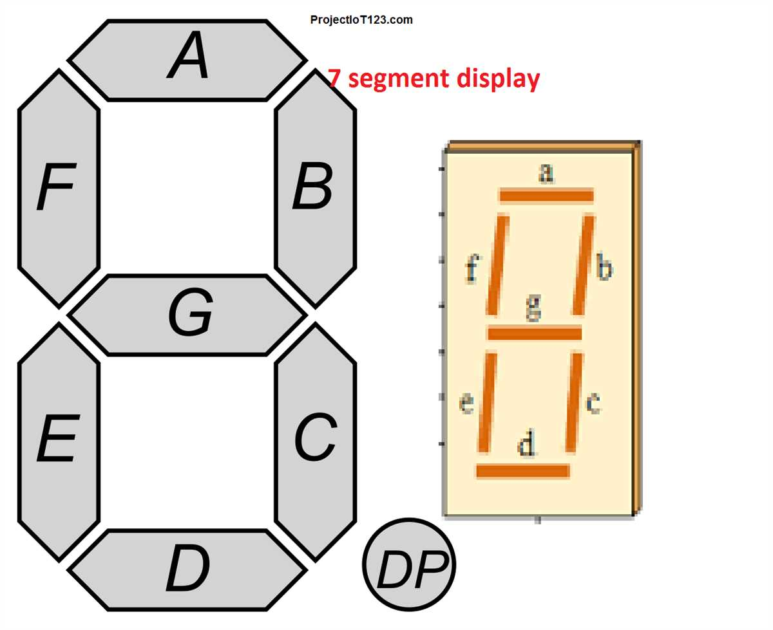
0x03 | A 4 | B 4 | C 4 | DP 1 | Rightmost
0x04 | F 4 | G 4 | E 4 | D 4 | Rightmost
0x05 | A 3 | B 3 | C 3 | Battery 1 | Rightmost
0x06 | F 3 | G 3 | E 3 | D 3 | Rightmost
0x07 | A 2 | B 2 | C 2 | Battery 2 | Rightmost
0x08 | F 2 | G 2 | E 2 | D 2 | Rightmost
0x09 | A 1 | B 1 | C 1 | Battery 3 | Rightmost
0x0A | F 1 | G 1 | E 1 | D 1 | Rightmost
0x0B | A 5 | B 5 | C 5 | DP 3 | Middle
0x0C | F 5 | G 5 | E 5 | D 5 | Middle
0x0D | A 4 | B 4 | C 4 | DP 2 | Middle
0x0E | F 4 | G 4 | E 4 | D 4 | Middle
0x0F | A 3 | B 3 | C 3 | DP 1 | Middle
0x10 | F 3 | G 3 | E 3 | D 3 | Middle
0x11 | A 2 | B 2 | C 2 | Triangle UP | Middle
0x12 | F 2 | G 2 | E 2 | D 2 | Middle
0x13 | A 1 | B 1 | C 1 | Triangle Down | Middle
0x14 | F 1 | G 1 | E 1 | D 1 | Middle
0x15 | A 5 | B 5 | C 5 | DP 3 | Leftmost
0x16 | F 5 | G 5 | E 5 | D 5 | Leftmost
0x17 | A 4 | B 4 | C 4 | DP 2 | Leftmost
0x18 | F 4 | G 4 | E 4 | D 4 | Leftmost
0x19 | A 3 | B 3 | C 3 | DP 1 | Leftmost
0x1A | F 3 | G 3 | E 3 | D 3 | Leftmost
0x1B | A 2 | B 2 | C 2 | Triangle UP | Leftmost
0x1C | D 2 | G 2 | E 2 | D 2 | Leftmost
0x1D | A 1 | B 1 | C 1 | Triangle Down | Leftmost
0x1E | F 1 | G 1 | E 1 | D 1 | Leftmost
0x1F | A 6 | B 6 | C 6 | DP 3 | Rightmost

Address: 0x00 (Dec: 0) | Bit (COM): 0 | Value Sent: 0b00000001
Address: 0x00 (Dec: 0) | Bit (COM): 1 | Value Sent: 0b00000010
Address: 0x00 (Dec: 0) | Bit (COM): 2 | Value Sent: 0b00000100
Address: 0x00 (Dec: 0) | Bit (COM): 3 | Value Sent: 0b00001000
Address: 0x01 (Dec: 1) | Bit (COM): 0 | Value Sent: 0b00000001
Address: 0x01 (Dec: 1) | Bit (COM): 1 | Value Sent: 0b00000010
Address: 0x01 (Dec: 1) | Bit (COM): 2 | Value Sent: 0b00000100
Address: 0x01 (Dec: 1) | Bit (COM): 3 | Value Sent: 0b00001000
Address: 0x02 (Dec: 2) | Bit (COM): 0 | Value Sent: 0b00000001
Address: 0x02 (Dec: 2) | Bit (COM): 1 | Value Sent: 0b00000010
Address: 0x02 (Dec: 2) | Bit (COM): 2 | Value Sent: 0b00000100
Address: 0x02 (Dec: 2) | Bit (COM): 3 | Value Sent: 0b00001000
Address: 0x03 (Dec: 3) | Bit (COM): 0 | Value Sent: 0b00000001
Address: 0x03 (Dec: 3) | Bit (COM): 1 | Value Sent: 0b00000010
Address: 0x03 (Dec: 3) | Bit (COM): 2 | Value Sent: 0b00000100
Address: 0x03 (Dec: 3) | Bit (COM): 3 | Value Sent: 0b00001000
Address: 0x04 (Dec: 4) | Bit (COM): 0 | Value Sent: 0b00000001
Address: 0x04 (Dec: 4) | Bit (COM): 1 | Value Sent: 0b00000010
Address: 0x04 (Dec: 4) | Bit (COM): 2 | Value Sent: 0b00000100
Address: 0x04 (Dec: 4) | Bit (COM): 3 | Value Sent: 0b00001000
Address: 0x05 (Dec: 5) | Bit (COM): 0 | Value Sent: 0b00000001
Address: 0x05 (Dec: 5) | Bit (COM): 1 | Value Sent: 0b00000010
Address: 0x05 (Dec: 5) | Bit (COM): 2 | Value Sent: 0b00000100
Address: 0x05 (Dec: 5) | Bit (COM): 3 | Value Sent: 0b00001000
Address: 0x06 (Dec: 6) | Bit (COM): 0 | Value Sent: 0b00000001
Address: 0x06 (Dec: 6) | Bit (COM): 1 | Value Sent: 0b00000010
Address: 0x06 (Dec: 6) | Bit (COM): 2 | Value Sent: 0b00000100
Address: 0x06 (Dec: 6) | Bit (COM): 3 | Value Sent: 0b00001000
Address: 0x07 (Dec: 7) | Bit (COM): 0 | Value Sent: 0b00000001
Address: 0x07 (Dec: 7) | Bit (COM): 1 | Value Sent: 0b00000010
Address: 0x07 (Dec: 7) | Bit (COM): 2 | Value Sent: 0b00000100
Address: 0x07 (Dec: 7) | Bit (COM): 3 | Value Sent: 0b00001000
Address: 0x08 (Dec: 8) | Bit (COM): 0 | Value Sent: 0b00000001
Address: 0x08 (Dec: 8) | Bit (COM): 1 | Value Sent: 0b00000010
Address: 0x08 (Dec: 8) | Bit (COM): 2 | Value Sent: 0b00000100
Address: 0x08 (Dec: 8) | Bit (COM): 3 | Value Sent: 0b00001000
Address: 0x09 (Dec: 9) | Bit (COM): 0 | Value Sent: 0b00000001
Address: 0x09 (Dec: 9) | Bit (COM): 1 | Value Sent: 0b00000010
Address: 0x09 (Dec: 9) | Bit (COM): 2 | Value Sent: 0b00000100
Address: 0x09 (Dec: 9) | Bit (COM): 3 | Value Sent: 0b00001000
Address: 0x0A (Dec: 10) | Bit (COM): 0 | Value Sent: 0b00000001
Address: 0x0A (Dec: 10) | Bit (COM): 1 | Value Sent: 0b00000010
Address: 0x0A (Dec: 10) | Bit (COM): 2 | Value Sent: 0b00000100
Address: 0x0A (Dec: 10) | Bit (COM): 3 | Value Sent: 0b00001000
Address: 0x0B (Dec: 11) | Bit (COM): 0 | Value Sent: 0b00000001
Address: 0x0B (Dec: 11) | Bit (COM): 1 | Value Sent: 0b00000010
Address: 0x0B (Dec: 11) | Bit (COM): 2 | Value Sent: 0b00000100
Address: 0x0B (Dec: 11) | Bit (COM): 3 | Value Sent: 0b00001000
Address: 0x0C (Dec: 12) | Bit (COM): 0 | Value Sent: 0b00000001
Address: 0x0C (Dec: 12) | Bit (COM): 1 | Value Sent: 0b00000010
Address: 0x0C (Dec: 12) | Bit (COM): 2 | Value Sent: 0b00000100
Address: 0x0C (Dec: 12) | Bit (COM): 3 | Value Sent: 0b00001000
Address: 0x0D (Dec: 13) | Bit (COM): 0 | Value Sent: 0b00000001
Address: 0x0D (Dec: 13) | Bit (COM): 1 | Value Sent: 0b00000010
Address: 0x0D (Dec: 13) | Bit (COM): 2 | Value Sent: 0b00000100
Address: 0x0D (Dec: 13) | Bit (COM): 3 | Value Sent: 0b00001000
Address: 0x0E (Dec: 14) | Bit (COM): 0 | Value Sent: 0b00000001
Address: 0x0E (Dec: 14) | Bit (COM): 1 | Value Sent: 0b00000010
Address: 0x0E (Dec: 14) | Bit (COM): 2 | Value Sent: 0b00000100
Address: 0x0E (Dec: 14) | Bit (COM): 3 | Value Sent: 0b00001000
Address: 0x0F (Dec: 15) | Bit (COM): 0 | Value Sent: 0b00000001
Address: 0x0F (Dec: 15) | Bit (COM): 1 | Value Sent: 0b00000010
Address: 0x0F (Dec: 15) | Bit (COM): 2 | Value Sent: 0b00000100
Address: 0x0F (Dec: 15) | Bit (COM): 3 | Value Sent: 0b00001000
Address: 0x10 (Dec: 16) | Bit (COM): 0 | Value Sent: 0b00000001
Address: 0x10 (Dec: 16) | Bit (COM): 1 | Value Sent: 0b00000010
Address: 0x10 (Dec: 16) | Bit (COM): 2 | Value Sent: 0b00000100
Address: 0x10 (Dec: 16) | Bit (COM): 3 | Value Sent: 0b00001000
Address: 0x11 (Dec: 17) | Bit (COM): 0 | Value Sent: 0b00000001
Address: 0x11 (Dec: 17) | Bit (COM): 1 | Value Sent: 0b00000010
Address: 0x11 (Dec: 17) | Bit (COM): 2 | Value Sent: 0b00000100
Address: 0x11 (Dec: 17) | Bit (COM): 3 | Value Sent: 0b00001000
Address: 0x12 (Dec: 18) | Bit (COM): 0 | Value Sent: 0b00000001
Address: 0x12 (Dec: 18) | Bit (COM): 1 | Value Sent: 0b00000010
Address: 0x12 (Dec: 18) | Bit (COM): 2 | Value Sent: 0b00000100
Address: 0x12 (Dec: 18) | Bit (COM): 3 | Value Sent: 0b00001000
Address: 0x13 (Dec: 19) | Bit (COM): 0 | Value Sent: 0b00000001
Address: 0x13 (Dec: 19) | Bit (COM): 1 | Value Sent: 0b00000010
Address: 0x13 (Dec: 19) | Bit (COM): 2 | Value Sent: 0b00000100
Address: 0x13 (Dec: 19) | Bit (COM): 3 | Value Sent: 0b00001000
Address: 0x14 (Dec: 20) | Bit (COM): 0 | Value Sent: 0b00000001
Address: 0x14 (Dec: 20) | Bit (COM): 1 | Value Sent: 0b00000010
Address: 0x14 (Dec: 20) | Bit (COM): 2 | Value Sent: 0b00000100
Address: 0x14 (Dec: 20) | Bit (COM): 3 | Value Sent: 0b00001000
Address: 0x15 (Dec: 21) | Bit (COM): 0 | Value Sent: 0b00000001
Address: 0x15 (Dec: 21) | Bit (COM): 1 | Value Sent: 0b00000010
Address: 0x15 (Dec: 21) | Bit (COM): 2 | Value Sent: 0b00000100
Address: 0x15 (Dec: 21) | Bit (COM): 3 | Value Sent: 0b00001000
Address: 0x16 (Dec: 22) | Bit (COM): 0 | Value Sent: 0b00000001
Address: 0x16 (Dec: 22) | Bit (COM): 1 | Value Sent: 0b00000010
Address: 0x16 (Dec: 22) | Bit (COM): 2 | Value Sent: 0b00000100
Address: 0x16 (Dec: 22) | Bit (COM): 3 | Value Sent: 0b00001000
Address: 0x17 (Dec: 23) | Bit (COM): 0 | Value Sent: 0b00000001
Address: 0x17 (Dec: 23) | Bit (COM): 1 | Value Sent: 0b00000010
Address: 0x17 (Dec: 23) | Bit (COM): 2 | Value Sent: 0b00000100
Address: 0x17 (Dec: 23) | Bit (COM): 3 | Value Sent: 0b00001000
Address: 0x18 (Dec: 24) | Bit (COM): 0 | Value Sent: 0b00000001
Address: 0x18 (Dec: 24) | Bit (COM): 1 | Value Sent: 0b00000010
Address: 0x18 (Dec: 24) | Bit (COM): 2 | Value Sent: 0b00000100
Address: 0x18 (Dec: 24) | Bit (COM): 3 | Value Sent: 0b00001000
Address: 0x19 (Dec: 25) | Bit (COM): 0 | Value Sent: 0b00000001
Address: 0x19 (Dec: 25) | Bit (COM): 1 | Value Sent: 0b00000010
Address: 0x19 (Dec: 25) | Bit (COM): 2 | Value Sent: 0b00000100
Address: 0x19 (Dec: 25) | Bit (COM): 3 | Value Sent: 0b00001000
Address: 0x1A (Dec: 26) | Bit (COM): 0 | Value Sent: 0b00000001
Address: 0x1A (Dec: 26) | Bit (COM): 1 | Value Sent: 0b00000010
Address: 0x1A (Dec: 26) | Bit (COM): 2 | Value Sent: 0b00000100
Address: 0x1A (Dec: 26) | Bit (COM): 3 | Value Sent: 0b00001000
Address: 0x1B (Dec: 27) | Bit (COM): 0 | Value Sent: 0b00000001
Address: 0x1B (Dec: 27) | Bit (COM): 1 | Value Sent: 0b00000010
Address: 0x1B (Dec: 27) | Bit (COM): 2 | Value Sent: 0b00000100
Address: 0x1B (Dec: 27) | Bit (COM): 3 | Value Sent: 0b00001000
Address: 0x1C (Dec: 28) | Bit (COM): 0 | Value Sent: 0b00000001
Address: 0x1C (Dec: 28) | Bit (COM): 1 | Value Sent: 0b00000010
Address: 0x1C (Dec: 28) | Bit (COM): 2 | Value Sent: 0b00000100
Address: 0x1C (Dec: 28) | Bit (COM): 3 | Value Sent: 0b00001000
Address: 0x1D (Dec: 29) | Bit (COM): 0 | Value Sent: 0b00000001
Address: 0x1D (Dec: 29) | Bit (COM): 1 | Value Sent: 0b00000010
Address: 0x1D (Dec: 29) | Bit (COM): 2 | Value Sent: 0b00000100
Address: 0x1D (Dec: 29) | Bit (COM): 3 | Value Sent: 0b00001000
Address: 0x1E (Dec: 30) | Bit (COM): 0 | Value Sent: 0b00000001
Address: 0x1E (Dec: 30) | Bit (COM): 1 | Value Sent: 0b00000010
Address: 0x1E (Dec: 30) | Bit (COM): 2 | Value Sent: 0b00000100
Address: 0x1E (Dec: 30) | Bit (COM): 3 | Value Sent: 0b00001000
Address: 0x1F (Dec: 31) | Bit (COM): 0 | Value Sent: 0b00000001
Address: 0x1F (Dec: 31) | Bit (COM): 1 | Value Sent: 0b00000010
Address: 0x1F (Dec: 31) | Bit (COM): 2 | Value Sent: 0b00000100
Address: 0x1F (Dec: 31) | Bit (COM): 3 | Value Sent: 0b00001000

