Sheet1
EmailEase Test Plan
STEP ID | TEST NAME | TEST DESCRIPTION & PURPOSE | TEST TYPE | SAMPLE DATA (if applicable) | Test Steps | TEST DATE | EXPECTED RESULTS | ACTUAL RESULTS | PASS / FAIL | SCREENSHOT
1 | test import button | Test the responsviness and functiaonlity of the import button | unit/manual | N/a | 1. Open project 2. press on the "import emails" button 3. wait to see if local directory is opened. | 05/12/2023 | opens the file explorer based on your operating system | opens file explorer | Pass | 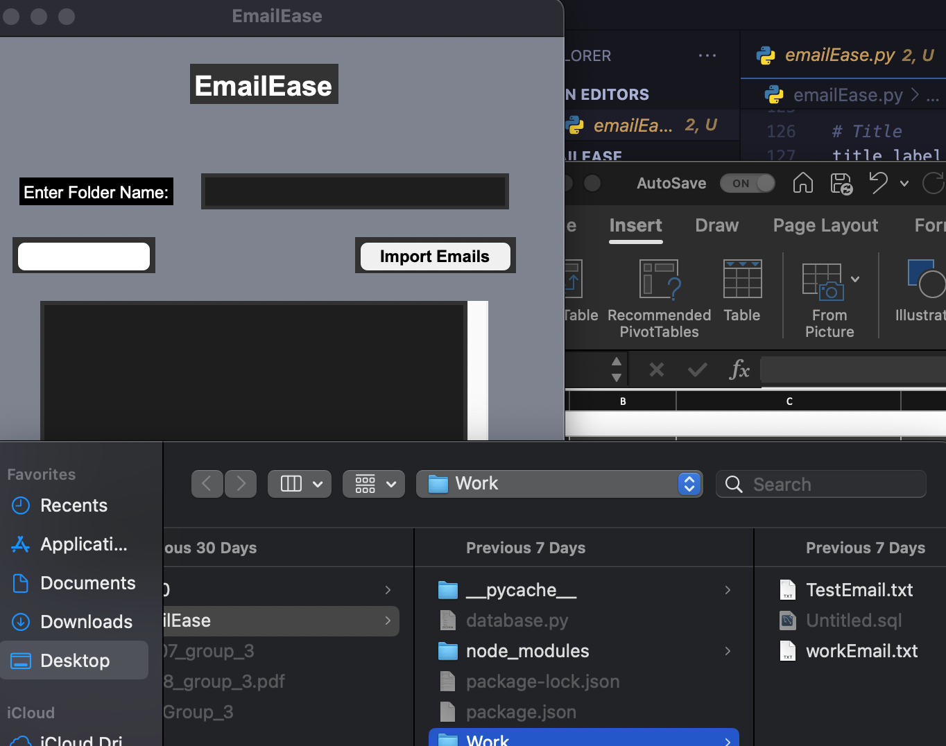
1 | Test functionality of importing files | test the functionality of the import button further, ensuring it is able to open files correctly in order to parse laster on in the work flow | unit/manual | N/A | 1. Open project 2. press on the "import emails" button 3. wait to see if local directory is opened. 4. If the directory opens the test passes, if it does not, it failed | 05/12/2023 | open text files correctly | files are opened and can be displayed in the text box | Pass
 | Test textbox functionality | Test the functionality of text boxes, make sure you can write in the folder textbox as well as the email/sorting boxes | functional/manual | n/a | 1. open project 2. try typing text into the text areas | 05/12/2023 | you can write in files as expected | user is able to write in the text boxes | Pass | 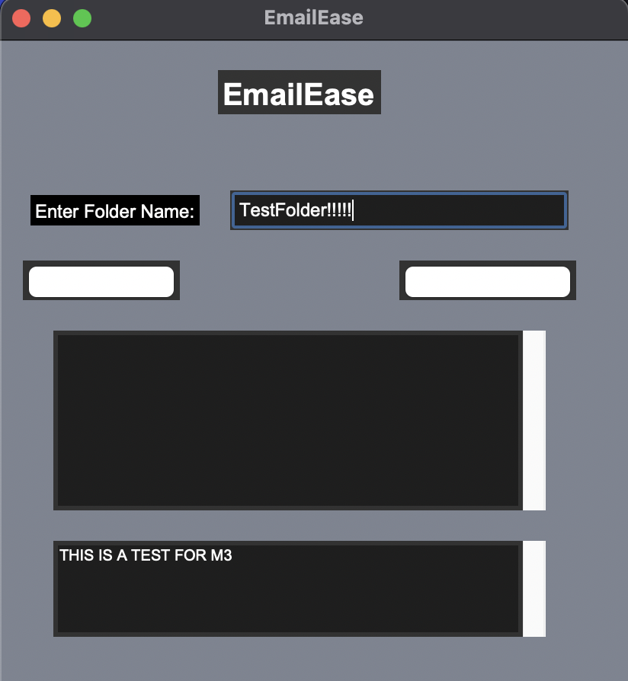
 | Sort emails with valid inputs | test functinoality of the program through ensuring it can successfully import emails from a text file and sort them based on the provided input | Normal/Functional | We created a folder named "Work" and created an email within the folder named "workEmail.txt". The contents of the email are "Meeting with client" | 1. open project 2. import email 3. click sort email button | 05/12/2023 | Import file and display contents in the application text box, the program should create a folder named work (if it doesn’t already exists) and move the email to that folder | Sort email button is not responsiv e | Fail | n/a as sort functionality is not working currently
 | Move to folder | To test the applications ability to move the imported files to existing or new folders | manual/unit | This is a test email that will be used for sorting From: Jaskaran Kainth Subject: SCHOOL Contents: THIS IS A TEST | 1. open project 2. import email file through imported file 3. sort email 4. enter folder name to send the email to a certain directory | 05/12/2023 | Move the email file into the indicated folder | Did not move the file | Fail | N/a as files are not being moved to folders
 | folder creation | To test the applications ability to create new directories to store files | manual/unit | N/a | 1. open project 2. import email file through imported file 3. sort email 4. enter folder name to send the email to a certain directory 5. if folder does not exist prompt user that a new folder has been created | 05/12/2023 | Creates a folder if a indicated folder does not exist | folder creation is not prompted to the user, thus it is not working currently | Fail | N/a as folder prompt is not working
 | Test table creation for database | Test creation of intended data tables through the application instead of manually opening in mySQL | Normal/Functional | n/a |  | 05/12/2023 | creates table in database | created tables | 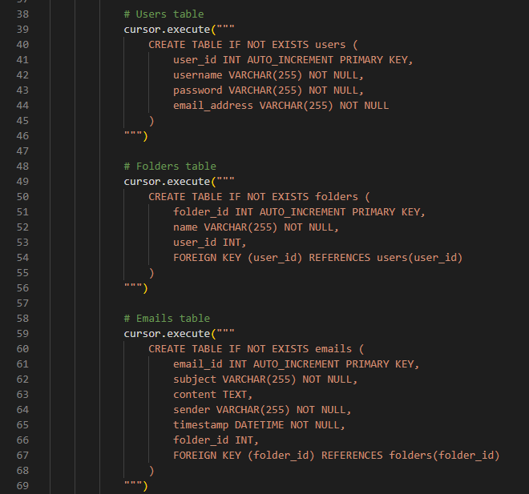 pass
 | Test data insertion | Test data insertion from app into database | Normal/Functional | # Test data insertion user_data = {"username": "test_user", "password": "test_password", "email_address": "test@example.com"} insert_data(connection, "users", user_data) folder_data = {"name": "Test Folder", "user_id": 1} insert_data(connection, "folders", folder_data) email_data = {"subject": "Test Email", "content": "This is a test email.", "sender": "sender@example.com", "timestamp": "2023-01-01 12:00:00", "folder_id": 1} insert_data(connection, "emails", email_data) |  | 05/12/2023 | the data shows up in the tables | data inserted into tables | pass
 | Automated database conection test case | Ensure creation of database connection successful. Automated through use of test.py. Setup called for necessary configurations, create_connection method called to test, Teardown cleans up. | Automated | n/a | 1. set up database connection using create_connection. 2. check if connection object is not None | 05/12/2023 | connection object should not be None. connection should establish without errors. | Object not None, no errors | PASS | 