Instructions
Instructions
This template is used to record experimental details as part of a sequencing run.
To prevent inadvertent loss of data, cells are protected from editing, you can only select unlocked cells (use tab to navigate)

1. Enter all details into the 'Library' tab, ensuring all yellow highlighted cells are complete
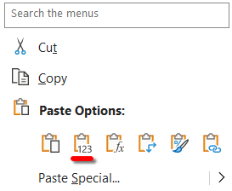 - when copying from another worksheet, always right-click and paste VALUES:
2. Paste gel picture into the 'Gel' tab and label lanes
- Crop the image to just the relevent areas (Select image > Picture format (ribbon) > Crop):
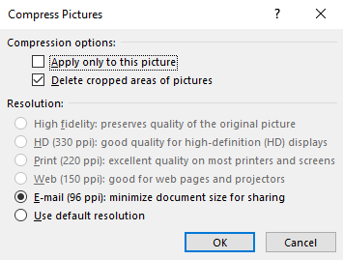 - Compress the gel picture (Select image > Picture format (ribbon) > Compress Pictures):
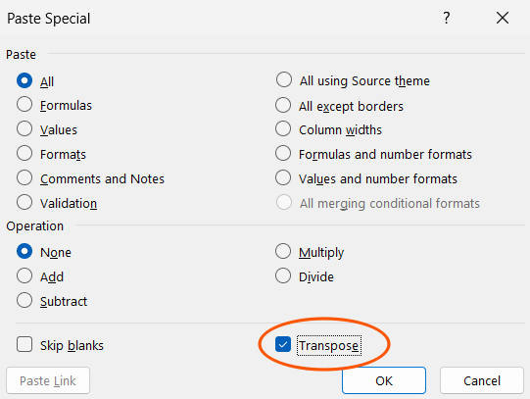 - Copy sample list from 'Library' tab (Paste Special with Transpose to converting from list to row format):
- Resize column width to the same as the gel image lane width
3. Save workbook with the generated filename

