glassbong
图片 | 详情 | 链接
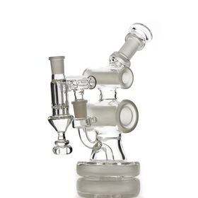 | Bong Smaller Size Dab Rig Glass Water Pipe 10 inch Bong With All designs | https://www.globalsources.com/Bong/bong-1196879452p.htm?etk=SHP-PL-SHP_CAT_PL
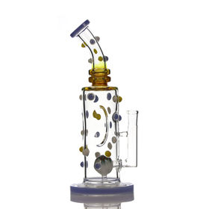 | Hot Sale Dab Rig Glass Water Pipe 10.5inch Bong With Decorations | https://www.globalsources.com/Bong/bong-1196866910p.htm?etk=SHP-PL-SHP_CAT_PL
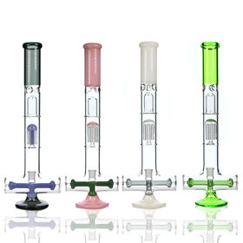 | Manufacturer Glass Water Pipe Arms Tree & Inline Perc Glass Bong Quality Borosilicate Glass Bong With Ice Catcher | https://www.globalsources.com/Bong/glass-water-pipe-1196864691p.htm?etk=SHP-PL-SHP_CAT_PL
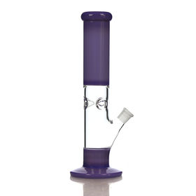 | Glass Bong 12.5 inches straight bong milky color glass water pipe with custom logo | https://www.globalsources.com/Bong/bong-1196864427p.htm?etk=SHP-PL-SHP_CAT_PL
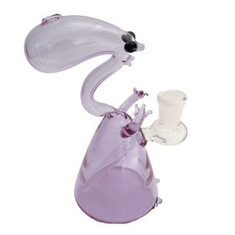 | Snake Design Glass Water Pipe Mini Glass Bong Quality Borosilicate Glass Pipe Unique Perc Beaker With 14mm Joint | https://www.globalsources.com/Bong/glass-water-pipe-1196864441p.htm?etk=SHP-PL-SHP_CAT_PL
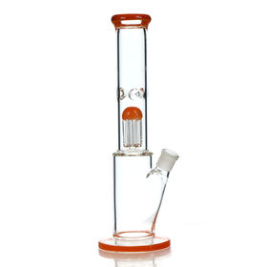 | Arms Tree Perc Glass Water Pipe Straight Base Glass Bongs With Bowls and Ice Catchers | https://www.globalsources.com/Bong/glass-water-pipe-1196864421p.htm?etk=SHP-PL-SHP_CAT_PL
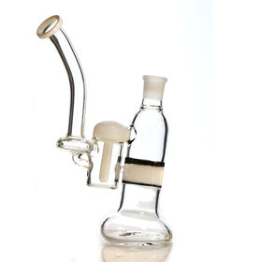 | Manufacturer Unique Mini Glass Water Pipe Newest Design Water Pipe For Smoking | https://www.globalsources.com/Bong/glass-water-pipe-1182233527p.htm?etk=SHP-PL-SHP_CAT_PL
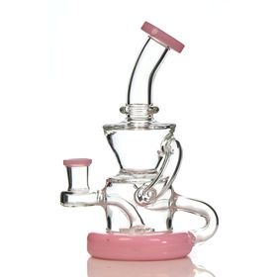 | Recycler Designs Glass Water Pipes Dad Rigs Glass Bong Pink Color Glass Bongs With Bowl | https://www.globalsources.com/Bong/glass-bong-1196862850p.htm?etk=SHP-PL-SHP_CAT_PL
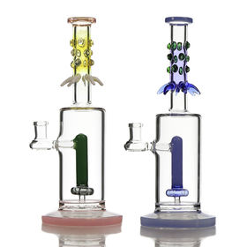 | Factory Price Unique Design Glass Water Pipe High Quality Glass Pipes Tyre Perc Straight Bongs | https://www.globalsources.com/Bong/glass-bong-1196862902p.htm?etk=SHP-PL-SHP_CAT_PL
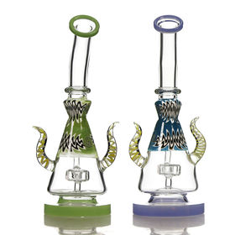 | Factory Price Unique Perc Glass Water Pipe Glass Bongs Horn Shape Glass Bongs Tyre Perc Bongs | https://www.globalsources.com/Bong/glass-bong-1196862464p.htm?etk=SHP-PL-SHP_CAT_PL
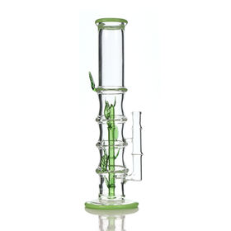 | Manufacturer Glass Water Pipes Bamboo Perc Glass Bongs Thickness Base Glass Bongs With Bowl | https://www.globalsources.com/Bong/glass-bong-1196862666p.htm?etk=SHP-PL-SHP_CAT_PL
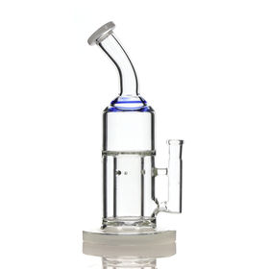 | Factory Price Unique Perc Glass Water Pipe Thickness Base Glass Bongs Bent Neck Bongs With Bowl | https://www.globalsources.com/Bong/glass-bong-1196862212p.htm?etk=SHP-PL-SHP_CAT_PL
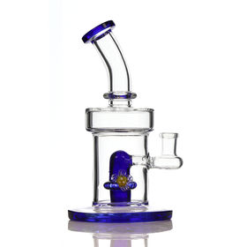 | OEM/ODM Straight Glass Water Pipe Thickness Base Glass Bongs Blue Glass Bongs With Bowl | https://www.globalsources.com/Bong/glass-bong-1196862088p.htm?etk=SHP-PL-SHP_CAT_PL
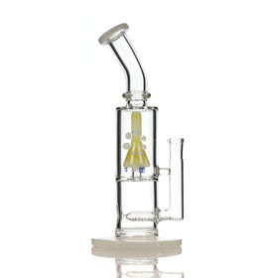 | Wholesale Factory Price Bongs Inline Perc Glass Water Pipe Thickness Base Glass Bongs With Bowl | https://www.globalsources.com/Bong/glass-bong-1196862101p.htm?etk=SHP-PL-SHP_CAT_PL
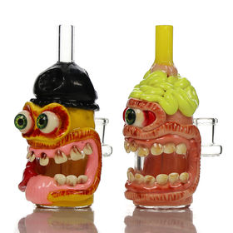 | Wholesale New Design Big Eye Bongs Mini Dab Rigs Monster Glass Water Pipe Handpainted Glass Bongs With Bowl | https://www.globalsources.com/Bong/glass-bong-1196861485p.htm?etk=SHP-PL-SHP_CAT_PL
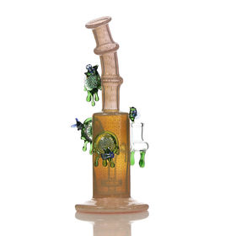 | Factory Price Mini Dab Rigs Glass Bongs Bent Tube Coloful Glass Water Pipe with Bee Marble | https://www.globalsources.com/Bong/glass-bong-1180834529p.htm?etk=SHP-PL-SHP_CAT_PL
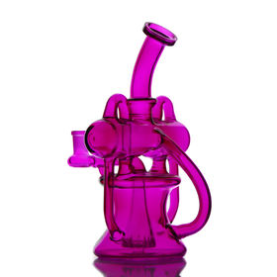 | Supplier Recycler Glass Water Pipe Mini Dab Rigs Glass Bong 3 Colors Glass Pipe For Smoking | https://www.globalsources.com/Bong/glass-bong-1196708437p.htm?etk=SHP-PL-SHP_CAT_PL
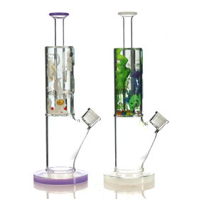 | Wholesale High Quality Glass Water Pipe Thickness Base Glycerin Glass Bongs With Bowl | https://www.globalsources.com/Bong/glass-bong-1180834528p.htm?etk=SHP-PL-SHP_CAT_PL
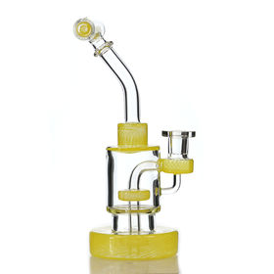 | Supplier Mini Glass Water Pipe 9.inch bong Trye Perc Glass Water | https://www.globalsources.com/Bong/glass-bong-1181007666p.htm?etk=SHP-PL-SHP_CAT_PL
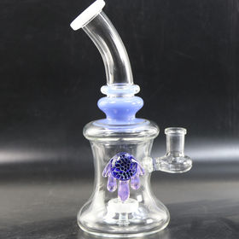 | Glass bongs blue alien eye bong glass water pipe 8.5inch mini dab rigs 14mm joint | https://www.globalsources.com/Bong/glass-bong-1180983027p.htm?etk=SHP-PL-SHP_CAT_PL
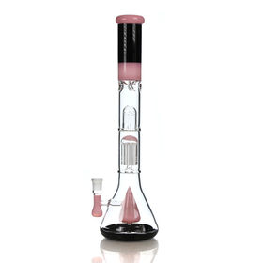 | Glass Bong 7 inches trible perc. unique design glass water pipe with mixed colors | https://www.globalsources.com/Bong/bong-1196701391p.htm?etk=SHP-PL-SHP_CAT_PL
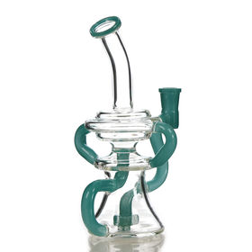 | OEM 8.5inch dab rigs recycler glass water pipe tyre perc glass bong for smoking | https://www.globalsources.com/Bong/glass-bong-1180983054p.htm?etk=SHP-PL-SHP_CAT_PL
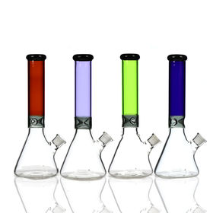 | Factory Price 5 Colors Glass Water Pipe 14inch Mini Beaker Glass Water Pipe With Ice Catcher | https://www.globalsources.com/Bong/bongs-1180834526p.htm?etk=SHP-PL-SHP_CAT_PL
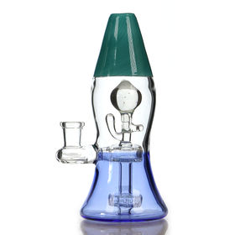 | Dab rigs 7 inches unique design glass water pipe with mixed colors | https://www.globalsources.com/Bong/bong-1196684538p.htm?etk=SHP-PL-SHP_CAT_PL

