Results
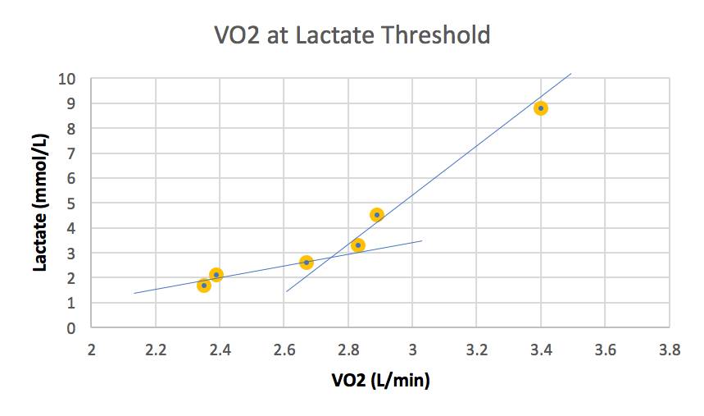
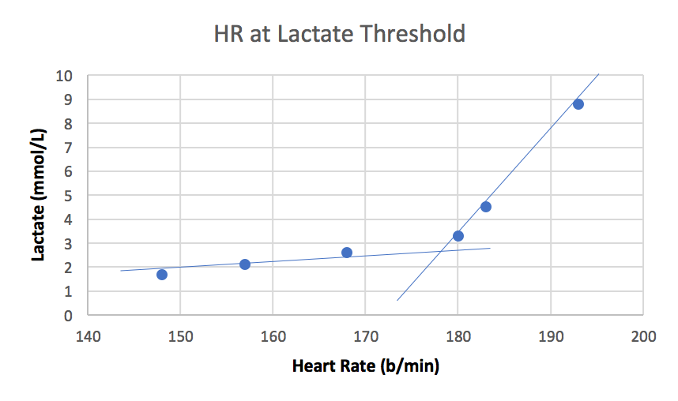
 | Ventilatory Threshold |  | Lactate Threshold
SubID | VO2 | HR | VO2 | HR
1 | 3.3 | 179 | 3.3 | 188
2 | 2.7 | 185 | 2.6 | 177
3 | 4.3 | 182 | 4.4 | 175
4 | 3.3 | 188 | 3.5 | 186
5 | 2.5 | 191 | 2.4 | 183
6 | 2.6 | 193 | 2.5 | 193
7 | 3.8 | 183 | 3.7 | 179
8 | 1.6 | 187 | 1.5 | 186
9 | 4.2 | 197 | 3.8 | 193
10 | 2.5 | 188 | 2.3 | 188
11 | 3.7 | 177 | 3.5 | 180
12 | 3.0 | 184 | 2.6 | 182
13 | 3.4 | 186 | 3.4 | 185
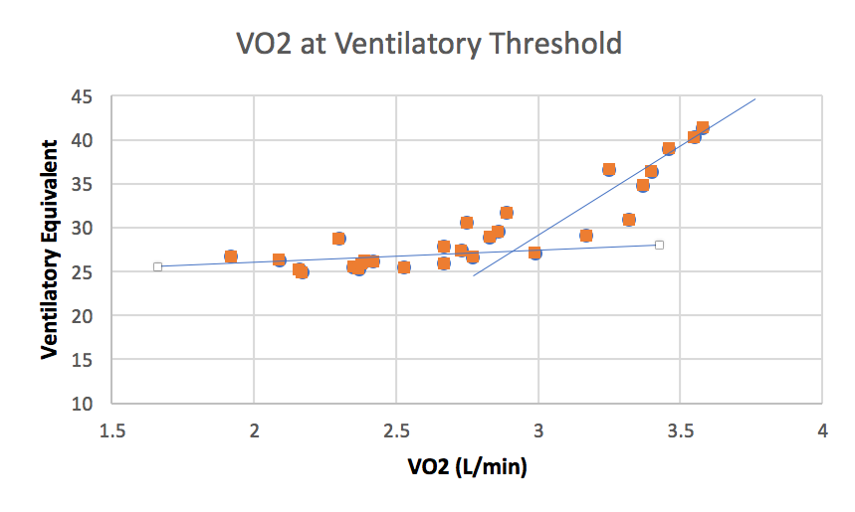
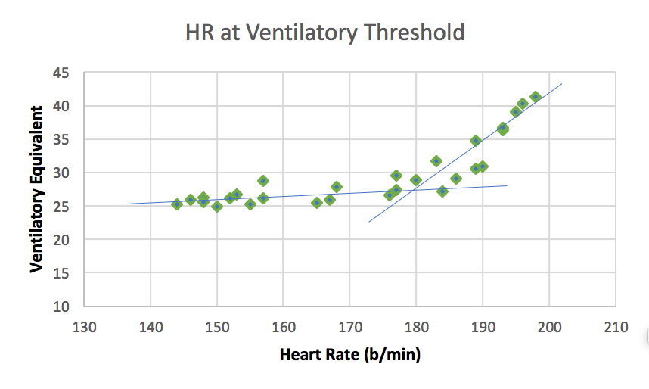
14 | 3.3 | 195 | 3.0 | 197
15 | 4.4 | 189 | 4.7 | 191
16 | 2.9 | 185 | 3.6 | 183
17 | 3.5 | 187 | 3.8 | 188
18 | 2.7 | 191 | 2.7 | 189
19 | 3.5 | 189 | 3.5 | 191
20 | 4.5 | 188 | 4.0 | 187
21 | 4.0 | 189 | 3.9 | 183
22 | 2.9 | 182 | 2.8 | 178
23 | 2.8 | 191 | 2.7 | 192
24 | 2.8 | 187 | 2.6 | 186

