MVP Schema 1-1
SQL Tables
Optional as of right now
Project Table |  |  |  | Crew Table |  |  | Daily Plan Table
Project ID | Project Number | Project Name | Project Location | Crew Name ID | Crew Names | Project ID | Crew Name ID | Turbine Location ID | Date | Plan Start Time | Plan End Time
1 | 10000001 | Project01 | Minneapolis, MN | 1 | Crew01 | 1 | 1 | 1 | 2018-01-02 | 12:00:00 | 13:00:00
2 | 10000002 | Project02 | Des Moines, IA | 2 | Crew02 | 1 | 2 | 2 | 2018-01-02 | 13:00:00 | 14:00:00
 |  |  |  | 3 | Crew03 | 1 | 1 | 2 | 2018-01-02 | 14:00:00 | 15:00:00
 |  |  |  | 4 | Crew04 | 1
Turbine Table
Turbine Location ID | Turbine Location Name | Project ID
1 | T1 | 1
2 | T2 | 1

Table Relationships Diagram
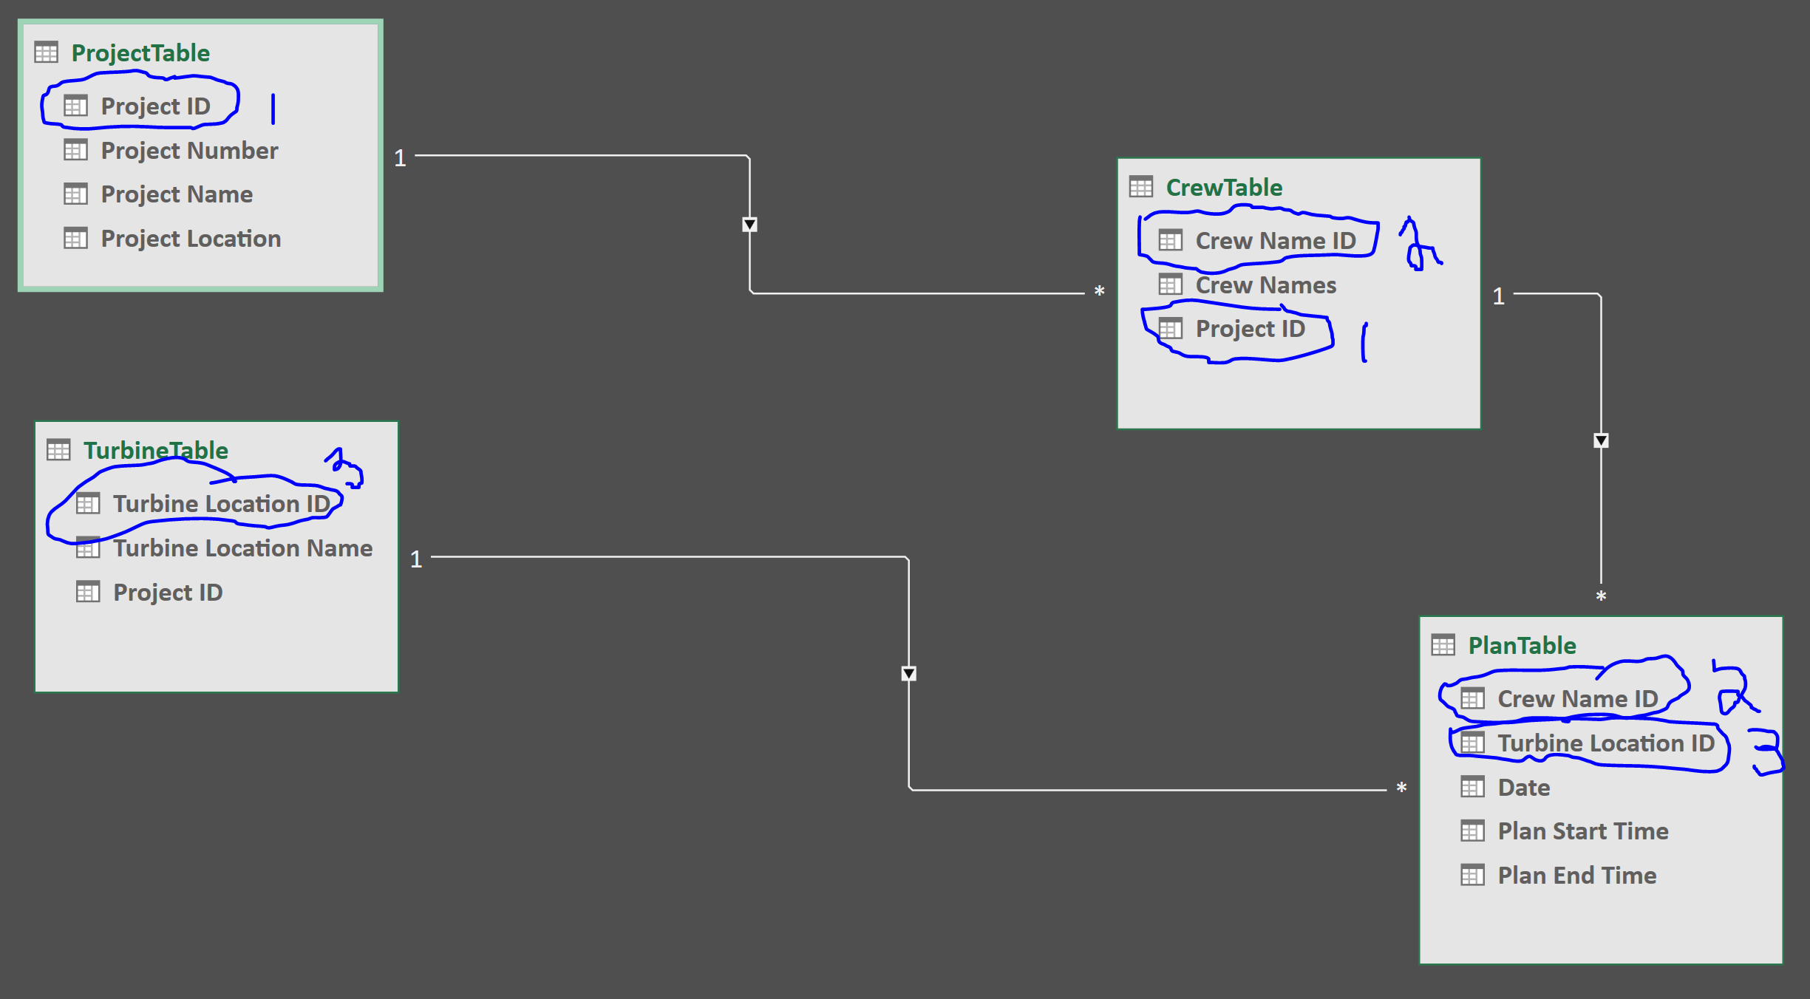
Optional as of right now
 |  |  |  |  |  |  |  | Setup:
 |  |  |  |  |  |  |  | 1. Once User Selects Project (which at this point we will only have one project set up in DB or may bypass entirely at this point)
 |  |  |  |  |  |  |  | a. Argument (Project ID) would pass through and be stored for this "project session"

 |  |  |  |  |  |  |  | 2. User would be at "Project Home Page" in which user can
 |  |  |  |  |  |  |  | I. Enter turbine locations for that project
 |  |  |  |  |  |  |  | - Project ID automatically populated into Table
 |  |  |  |  |  |  |  | - Turbine Location ID automatically populated into Table
 |  |  |  |  |  |  |  | - User enters in Turbine Location Name
 |  |  |  |  |  |  |  | II. Select Individual Crew
 |  |  |  |  |  |  |  | - Input Page w/ Crew Name as Header of Page (Remove Crew Name on visual layout)
 |  |  |  |  |  |  |  | III. Select All Crews
 |  |  |  |  |  |  |  | - Input Page (see notes on layout)
 |  |  |  |  |  |  |  | IV. Add a Crew
 |  |  |  |  |  |  |  | - Input Page to add another crew as an option for that particular project

