MEXReport
Primary Standards Dosimetry Laboratory, Medical Radiation Services
619 Lower Plenty Road, Yallambie, Victoria 3085, Australia
Tel: +613 9433 2211 Fax: +613 9432 1835
E-mail: psdl@arpansa.gov.au Web: www.arpansa.gov.au
 |  |  |  |  |  |  |  |  |  |  |  |  |  |  |  | In reply please quote:
 |  |  |  |  |  |  |  |  |  |  |  |  |  |  |  | CAL00003

CALIBRATION REPORT
on a therapy ionisation chamber for
MEDIUM-ENERGY KILOVOLTAGE X-RAYS

Client |  |  |  | ClientC_Name
 |  |  |  | 555 Street Name
 |  |  |  | Suburb ACT 1020

Ionisation chamber |  |  |  | NE 2571 3661

Period of tests |  |  |  | 16 Feb 2021 to 16 Feb 2021

Previous calibration |  |  |  | Not previously calibrated at ARPANSA |  |  |  |  |  |  |  |  |  |  |  | IRC-FORM-2100J (ARPANSA-FORM-1856)

Test By |  |  |  | Chris Oliver
Report By |  |  |  | Chris Oliver
Report date |  |  |  | 07 Oct 2021

Direct inquiries to |  |  |  | Chris Oliver
Tel: (03) 9433 2333 |  |  |  | Email: psdl@arpansa.gov.au

Signed: |  |  |  |  | (Authorised Signatory) |  |  |  |  |  | Date:

Chris Oliver, Senior Radiation Scientist, Primary Standards Dosimetry Laboratory
per C-M Larsson, CEO of ARPANSA

 |  |  |  |  |  |  |  |  |  |  | This certificate is consistent with the capabilities that are
 |  |  |  |  |  |  |  |  |  |  | included in Appendix C of the MRA drawn up by the
 |  |  | Accredited for compliance with ISO/IEC 17025 - Calibration. |  |  |  |  |  |  |  | CIPM. Under the MRA, all participating institutes
 |  |  | The results of the tests, calibrations and/or |  |  |  |  |  |  |  | recognize the validity of each other’s calibration and
 |  |  | measurements included in this document are |  |  |  |  |  |  |  | measurement certificates for the quantities, ranges and
 |  |  | traceable to Australian/national standards |  |  |  |  |  |  |  | measurement uncertainties specified in Appendix C (for
 |  |  | NATA Accredited Laboratory Number: 14433 |  |  |  |  |  |  |  | details see www.bipm.org).

Calibration No: CAL00003 |  |  |  |  |  | Report Date: 7 July 2021 |  |  |  |  | Checked: |  |  |  |  | Page 1 of 6
GENERAL COMMENTS

Preliminary Inspection
– | The ionisation chamber had no obvious damage or faults on receipt.

Calibration Coefficient
– | The calibration coefficient is the number by which the charge from the chamber, in nC, must be multiplied to obtain the air kerma [1]. The calibration factor for the electrometer must also be taken into account when measuring the charge from the chamber.

Calibration Coefficients for Medium-Energy X-ray (MEX) Qualities in Air
– | The calibration coefficients for the chamber for each X-ray beam quality from the Gulmay Comet X-ray generator were determined by comparison with the ARPANSA Medium Energy Free-Air Chamber, which is the Australian primary standard of air kerma for medium energy X-rays.
– | The Gulmay Comet X-ray generator is constant potential and the X-ray tube has a tungsten target.

Recombination Correction Measurement
– | Not measured.

Polarity Correction Measurement
– | Not measured.

Notes
– | The ionisation chamber was tested in accordance with ARPANSA Standard Operational Procedure ARPANSA-SOP-0816 Version 7.

References
[1] | AAPM protocol for 40–300 kV x-ray beam dosimetry in radiotherapy and radiobiology, C.-M. Ma, Chair, C. W. Coffey, L. A. DeWerd, C. Liu, R. Nath, S. M. Seltzer, J. P. Seuntjens, Med. Phys. 28 (6) 868-893, 2001

Calibration No: CAL00003 |  |  |  |  |  | Report Date: 7 July 2021 |  |  |  |  | Checked: |  |  |  |  | Page 2 of 6

Air Kerma Calibration Certificate - Medium-Energy X-rays

Client |  |  |  | ClientC_Name
Ionisation chamber |  |  |  | NE 2571 3661
Polarising voltage |  |  |  | -300v
Collected charge polarity |  |  |  | (-300) on the guard electrode Positive (Central Electrode Negative)
Reference point |  |  |  | The geometrical centre of the cavity
Geometry |  |  |  | Mark on chamber stem facing the radiation source
 |  |  |  | Chamber stem vertically upwards, cable down
 |  |  |  | Horizontal radiation beam
 |  |  |  | Source-detector distance 100 cm
 |  |  |  | Circular beam of diameter 10 cm
Build-up |  |  |  | Build-up cap removed except where stated. Calibrated free in air.
Polarity and recombination |  |  |  | Corrections not applied
Reference conditions |  |  |  | 20oC, 101.325 kPa and 50% humidity
Measurement date(s) |  |  |  | 16 Feb 2021 to 16 Feb 2021
Uncertainties (U) are given at a confidence level of approximately 95% (k=2)

 |  |  |  |  |  |  | Table 1: Subset of air kerma calibration coefficients
Beam code |  | Tube voltage | Added filter | Added filter |  | HVL |  | HVL |  | Nominal effective energy [1] |  | Nominal air kerma rate |  | NK [2] | U
 |  | kV | mm Al | mm Cu |  | mm Al |  | mm Cu |  | keV |  | mGy/s |  | mGy/nC | %
NXA50 |  | 50 | 4.0 |  |  | 2.39 |  | 0.08 |  | 29.9 |  | 0.4 |  | 43.09 | 1.4
NXA70 |  | 70 | 4.0 |  |  | 3.19 |  | 0.11 |  | 34.3 |  | 0.8 |  | 42.83 | 1.4
NXB100 |  | 100 | 4.5 |  |  | 4.74 |  | 0.18 |  | 41.6 |  | 1.6 |  | 42.51 | 1.4
NXC120 |  | 120 | 6.0 |  |  | 6.38 |  | 0.28 |  | 49.0 |  | 1.8 |  | 42.17 | 1.4
NXD140 |  | 140 | 9.0 |  |  | 8.44 |  | 0.45 |  | 58.1 |  | 1.8 |  | 41.94 | 1.4
NXE150 |  | 150 | 4.0 | 0.5 |  |  |  | 0.84 |  | 72.2 |  | 1.4 |  | 41.58 | 1.4
NXF200 |  | 200 | 4.0 | 1.0 |  |  |  | 1.63 |  | 94.7 |  | 1.6 |  | 41.29 | 1.4
NXG250 |  | 250 | 4.0 | 1.6 |  |  |  | 2.57 |  | 120.1 |  | 1.8 |  | 41.18 | 1.4
NXH280 |  | 280 | 4.0 | 3.0 |  |  |  | 3.50 |  | 147.1 |  | 1.4 |  | 41.02 | 1.4
NXH300 |  | 300 | 4.0 | 3.0 |  |  |  | 3.70 |  | 153.2 |  | 1.7 |  | 40.95 | 1.4
NXH300* |  | 300 | 4.0 | 3.0 |  |  |  | 3.70 |  | 153.2 |  | 1.7 |  | 41.06 | 1.4
[1] The energy of a monoenergetic beam with the same HVL in mm of Cu
[2] The air kerma calibration coefficient
* With buildup cap on

 |  |  |  |  |  |  |  |  | Calibrated by: ClientC_Name

Calibration No: CAL00003 |  |  |  |  |  | Report Date: 7 July 2021 |  |  |  |  | Checked: |  |  |  |  | Page 3 of 6
 |  |  |  |  |  |  | Table 2: Complete set of air kerma calibration coefficients for all MEX beams
Beam code |  | Tube voltage | Added filter | Added filter |  | HVL |  | HVL |  | Nominal effective energy [1] |  | Nominal air kerma rate |  | NK [2] | U
 |  | kV | mm Al | mm Cu |  | mm Al |  | mm Cu |  | keV |  | mGy/s |  | mGy/nC | %
NXJ40 |  | 40 | 0.5 |  |  | 0.57 |  |  |  | 18 |  | 1.8 |  | 45.80 | 1.4
NXK40 |  | 40 | 1.0 |  |  | 0.93 |  |  |  | 21 |  | 1.1 |  | 44.50 | 1.4
NXA40 |  | 40 | 4.0 |  |  | 1.90 |  | 0.06 |  | 27 |  | 0.2 |  | 43.25 | 1.4
NXJ50 |  | 50 | 0.5 |  |  | 0.68 |  |  |  | 20 |  | 2.7 |  | 45.31 | 1.4
NXK50 |  | 50 | 1.0 |  |  | 1.12 |  |  |  | 23 |  | 1.6 |  | 44.20 | 1.4
NXA50 |  | 50 | 4.0 |  |  | 2.39 |  | 0.08 |  | 30 |  | 0.4 |  | 43.09 | 1.4
NXB50 |  | 50 | 4.5 |  |  | 2.53 |  | 0.08 |  | 31 |  | 0.3 |  | 43.12 | 1.4
NXJ60 |  | 60 | 0.5 |  |  | 0.79 |  |  |  | 21 |  | 3.5 |  | 44.97 | 1.4
NXK60 |  | 60 | 1.0 |  |  | 1.29 |  |  |  | 24 |  | 2.1 |  | 43.94 | 1.4
NXA60 |  | 60 | 4.0 |  |  | 2.81 |  | 0.10 |  | 32 |  | 0.6 |  | 42.92 | 1.4
NXJ70 |  | 70 | 0.5 |  |  | 0.90 |  |  |  | 22 |  | 4.1 |  | 44.68 | 1.4
NXK70 |  | 70 | 1.0 |  |  | 1.46 |  |  |  | 25 |  | 2.6 |  | 43.72 | 1.4
NXA70 |  | 70 | 4.0 |  |  | 3.19 |  | 0.11 |  | 34 |  | 0.8 |  | 42.83 | 1.4
NXB70 |  | 70 | 4.5 |  |  | 3.39 |  | 0.12 |  | 35 |  | 0.7 |  | 42.81 | 1.4
NXC70 |  | 70 | 6.0 |  |  | 3.95 |  | 0.14 |  | 38 |  | 0.5 |  | 42.68 | 1.4
NXJ80 |  | 80 | 0.5 |  |  | 1.02 |  |  |  | 23 |  | 4.8 |  | 44.42 | 1.4
NXK80 |  | 80 | 1.0 |  |  | 1.64 |  |  |  | 27 |  | 3.2 |  | 43.52 | 1.4
NXA80 |  | 80 | 4.0 |  |  | 3.62 |  | 0.13 |  | 36 |  | 1.1 |  | 42.75 | 1.4
NXJ90 |  | 90 | 0.5 |  |  | 1.15 |  |  |  | 25 |  | 5.5 |  | 44.12 | 1.4
NXK90 |  | 90 | 1.0 |  |  | 1.84 |  |  |  | 28 |  | 3.7 |  | 43.44 | 1.4
NXA90 |  | 90 | 4.0 |  |  | 4.04 |  | 0.15 |  | 38 |  | 1.4 |  | 42.62 | 1.4
NXJ100 |  | 100 | 0.5 |  |  | 1.30 |  |  |  | 26 |  | 6.1 |  | 43.90 | 1.4
NXK100 |  | 100 | 1.0 |  |  | 2.05 |  |  |  | 30 |  | 4.3 |  | 43.23 | 1.4
NXB100 |  | 100 | 4.5 |  |  | 4.74 |  | 0.18 |  | 42 |  | 1.6 |  | 42.51 | 1.4
NXC100 |  | 100 | 6.0 |  |  | 5.49 |  | 0.22 |  | 45 |  | 1.2 |  | 42.44 | 1.4
NXD100 |  | 100 | 9.0 |  |  | 6.61 |  | 0.29 |  | 49 |  | 0.8 |  | 42.23 | 1.4
NXB120 |  | 120 | 4.5 |  |  | 5.56 |  | 0.23 |  | 46 |  | 2.2 |  | 42.30 | 1.4
NXC120 |  | 120 | 6.0 |  |  | 6.38 |  | 0.28 |  | 49 |  | 1.8 |  | 42.17 | 1.4
NXD120 |  | 120 | 9.0 |  |  | 7.59 |  | 0.37 |  | 54 |  | 1.2 |  | 42.06 | 1.4
NXE120 |  | 120 | 4.0 | 0.5 |  | 10.31 |  | 0.63 |  | 65 |  | 0.7 |  | 41.79 | 1.4
NXB140 |  | 140 | 4.5 |  |  | 6.33 |  | 0.28 |  | 50 |  | 3.0 |  | 42.16 | 1.4
NXC140 |  | 140 | 6.0 |  |  | 7.20 |  | 0.34 |  | 53 |  | 2.5 |  | 42.03 | 1.4
NXD140 |  | 140 | 9.0 |  |  | 8.44 |  | 0.45 |  | 58 |  | 1.8 |  | 41.94 | 1.4
NXE140 |  | 140 | 4.0 | 0.5 |  |  |  | 0.77 |  | 70 |  | 1.2 |  | 41.63 | 1.4
NXF140 |  | 140 | 4.0 | 1.0 |  |  |  | 1.03 |  | 79 |  | 0.6 |  | 41.50 | 1.4
NXC150 |  | 150 | 6.0 |  |  | 7.58 |  | 0.38 |  | 55 |  | 2.8 |  | 42.01 | 1.4
NXD150 |  | 150 | 9.0 |  |  | 8.83 |  | 0.49 |  | 60 |  | 2.1 |  | 41.87 | 1.4
NXE150 |  | 150 | 4.0 | 0.5 |  |  |  | 0.84 |  | 72 |  | 1.4 |  | 41.58 | 1.4
NXF150 |  | 150 | 4.0 | 1.0 |  |  |  | 1.13 |  | 81 |  | 0.9 |  | 41.45 | 1.4
NXG150 |  | 150 | 4.0 | 1.6 |  |  |  | 1.38 |  | 89 |  | 0.4 |  | 41.28 | 1.4

 |  |  |  |  |  |  |  |  |  |  |  |  | …continued p5

Calibration No: CAL00003 |  |  |  |  |  | Report Date: 7 July 2021 |  |  |  |  | Checked: |  |  |  |  | Page 4 of 6
Beam code |  | Tube voltage | Added filter | Added filter |  | HVL |  | HVL |  | Nominal effective energy [1] |  | Nominal air kerma rate |  | NK [2] | U
 |  | kV | mm Al | mm Cu |  | mm Al |  | mm Cu |  | keV |  | mGy/s |  | mGy/nC | %
NXD200 |  | 200 | 9.0 |  |  | 10.53 |  | 0.73 |  | 70 |  | 2.9 |  | 41.63 | 1.4
NXE200 |  | 200 | 4.0 | 0.5 |  |  |  | 1.21 |  | 83 |  | 2.2 |  | 41.43 | 1.4
NXF200 |  | 200 | 4.0 | 1.0 |  |  |  | 1.63 |  | 95 |  | 1.6 |  | 41.29 | 1.4
NXG200 |  | 200 | 4.0 | 1.6 |  |  |  | 2.00 |  | 105 |  | 1.2 |  | 41.20 | 1.4
NXH200 |  | 200 | 4.0 | 3.0 |  |  |  | 2.54 |  | 120 |  | 0.6 |  | 41.06 | 1.4
NXE250 |  | 250 | 4.0 | 0.5 |  |  |  | 1.61 |  | 93 |  | 3.0 |  | 41.34 | 1.4
NXF250 |  | 250 | 4.0 | 1.0 |  |  |  | 2.14 |  | 107 |  | 2.3 |  | 41.25 | 1.4
NXG250 |  | 250 | 4.0 | 1.6 |  |  |  | 2.57 |  | 120 |  | 1.8 |  | 41.18 | 1.4
NXH250 |  | 250 | 4.0 | 3.0 |  |  |  | 3.16 |  | 137 |  | 1.2 |  | 41.09 | 1.4
NXI250 |  | 250 | 4.0 | 5.0 |  |  |  | 3.60 |  | 150 |  | 0.7 |  | 41.09 | 1.4
NXF280 |  | 280 | 4.0 | 1.0 |  |  |  | 2.43 |  | 115 |  | 2.5 |  | 41.15 | 1.4
NXG280 |  | 280 | 4.0 | 1.6 |  |  |  | 2.88 |  | 129 |  | 2.0 |  | 41.05 | 1.4
NXH280 |  | 280 | 4.0 | 3.0 |  |  |  | 3.50 |  | 147 |  | 1.4 |  | 41.02 | 1.4
NXI280 |  | 280 | 4.0 | 5.0 |  |  |  | 3.93 |  | 160 |  | 0.9 |  | 40.96 | 1.4
NXG300 |  | 300 | 4.0 | 1.6 |  |  |  | 3.10 |  | 134 |  | 2.4 |  | 41.05 | 1.4
NXH300 |  | 300 | 4.0 | 3.0 |  |  |  | 3.70 |  | 153 |  | 1.7 |  | 40.95 | 1.4
NXI300 |  | 300 | 4.0 | 5.0 |  |  |  | 4.15 |  | 167 |  | 1.1 |  | 40.95 | 1.4
NXH320 |  | 320 | 4.0 | 3.0 |  |  |  | 3.90 |  | 159 |  | 1.6 |  | 40.90 | 1.4
NXI320 |  | 320 | 4.0 | 5.0 |  |  |  | 4.34 |  | 173 |  | 1.1 |  | 40.83 | 1.4
NXG250* |  | 250 | 4.0 | 1.6 |  |  |  | 2.57 |  | 120 |  | 1.8 |  | 41.04 | 1.4
NXH280* |  | 280 | 4.0 | 3.0 |  |  |  | 3.50 |  | 147 |  | 1.4 |  | 41.11 | 1.4
NXH300* |  | 300 | 4.0 | 3.0 |  |  |  | 3.70 |  | 153 |  | 1.7 |  | 41.06 | 1.4
[1] The energy of a monoenergetic beam with the same HVL in mm of Cu
[2] The air kerma calibration coefficient
* With buildup cap on

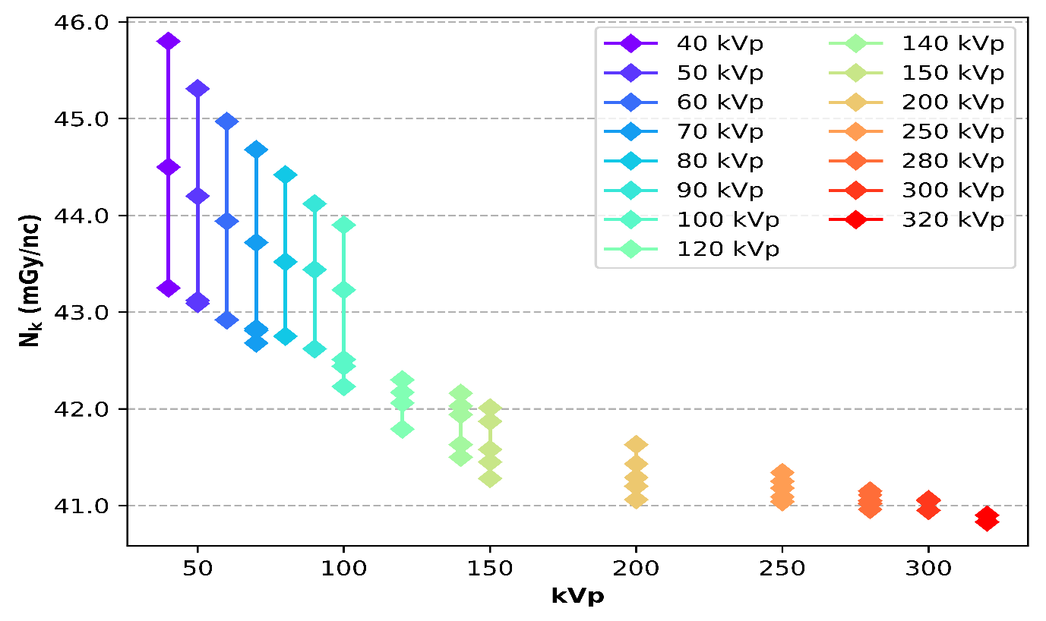

 |  | Figure 1: Calibration coefficients for IBA FC65-G serial number 457 grouped by kVp

Calibration No: CAL00003 |  |  |  |  |  | Report Date: 7 July 2021 |  |  |  |  | Checked: |  |  |  |  | Page 5 of 6

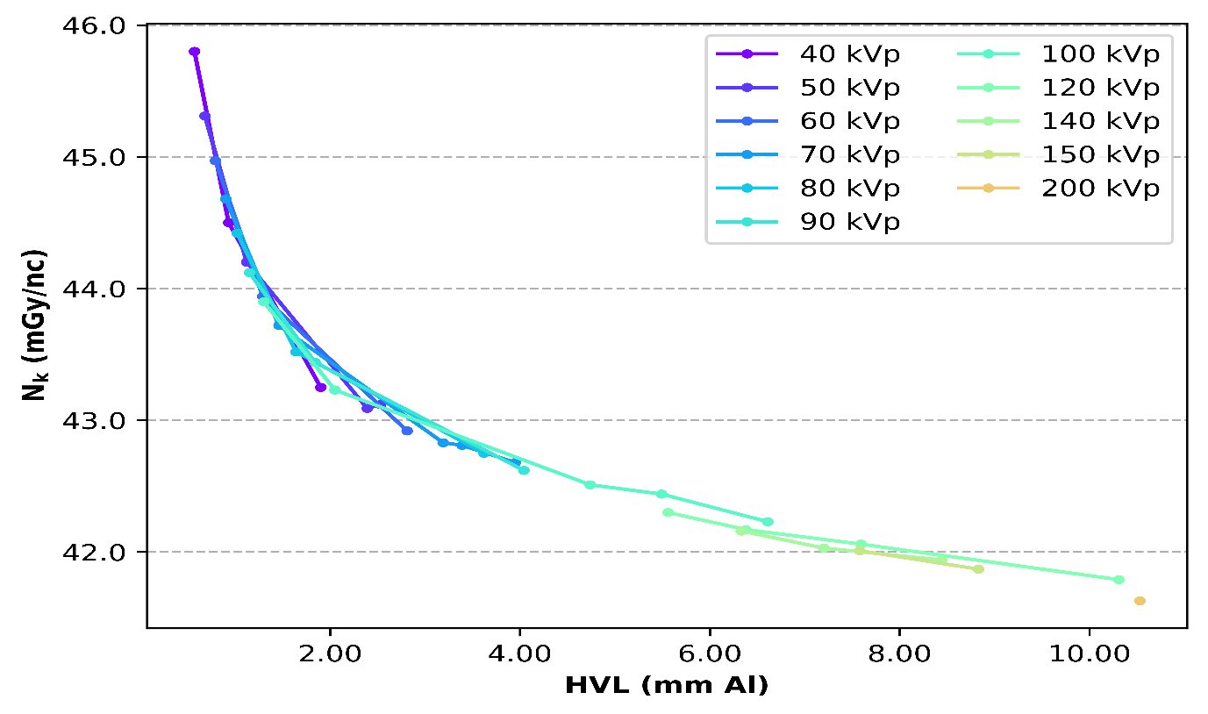

 |  | Figure 2: Calibration coefficients for IBA FC65-G serial number 457 versus HVL (mm A1)

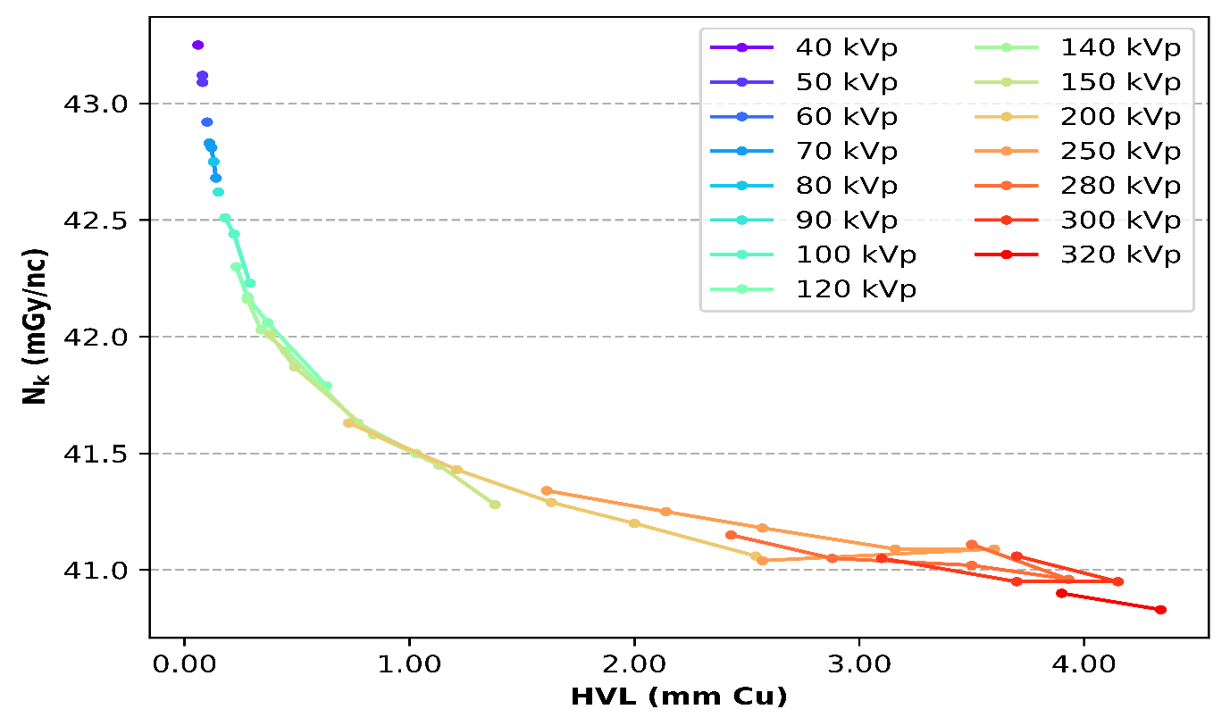

 |  | Figure 3: Calibration coefficients for IBA FC65-G serial number 457 versus HVL (mm Cu)

Calibration No: CAL00003 |  |  |  |  |  | Report Date: 7 July 2021 |  |  |  |  | Checked: |  |  |  |  | Page 6 of 6

