VWM_All_Subjects
 |  | precision |  |  |  | pTarget |  |  | pNonTarget |  |  | guessing
Subj_ID | Subj_Group | one item | two items | three items |  | one item | two items | three items | one item | two items | three items | one item | two items | three items
35 | Patient | 20.641198449 | 4.6332350332 | 9.7354521589 |  | 0.84668398114 | 0.90979042333 | 0.57324811617 | 0.00E+00 | 0.089806860016 | 3.95E-05 | 0.15331601886 | 0.00040271665044 | 0.42671241639 |  | 32 trials/condition for patients/older, 64 trials for younger adults
171 | Patient | 8.7819390551 | 3.1374873095 | 5.0050195405 |  | 0.87025688784 | 0.99986412368 | 0.77537299622 | 0 | 0.00013587606602 | 2.48E-07 | 0.12974311216 | 2.53E-10 | 0.22462675592
213 | Patient | 12.533348354 | 16.49713046 | 4.971567874 |  | 7.98E-01 | 0.32565594128 | 4.76E-01 | 0 | 0.21893387438 | 0.37981510302 | 0.20192008402 | 0.45541018433 | 0.14458881054
396 | Patient | 5.9490768198 | 8.69E+00 | 4.1010646883 |  | 7.19E-01 | 0.4776575886 | 0.34680694853 | 0 | 0.44344666089 | 0.64991485078 | 0.28054396332 | 0.078895750504 | 0.0032782006903
454 | Patient | 5.2393954881 | 4.4475134433 | 1.4272906239 |  | 0.77415836839 | 0.52271024142 | 0.72435730819 | 0 | 0.18885064392 | 0.16064041218 | 0.22584163161 | 0.28843911466 | 0.11500227963
465 | Patient | 35.372465831 | 6.5753262354 | 4.5582502745 |  | 0.7247377538 | 0.34045568091 | 0.45219096917 | 0 | 0.34875379828 | 0.54774404282 | 0.2752622462 | 0.31079052081 | 6.50E-05
487 | Patient | 16.578226701 | 4.3675182512 | 12.253269383 |  | 0.85080172809 | 0.85474616882 | 0.51463426197 | 0 | 6.29E-05 | 0.081138867748 | 0.14919827191 | 0.14519092338 | 0.40422687029
489 | Patient | 14.017747265 | 4.3991331965 | 5.8916826492 |  | 0.75306921298 | 0.80899064028 | 0.73347876289 | 0 | 1.14E-12 | 0.16402458861 | 0.24693078702 | 0.19100935972 | 0.1024966485
8 | Older Control | 21.199101337 | 6.0560958648 | 4.2619827181 |  | 0.91551297493 | 0.90976334389 | 0.71663127947 | 0 | 0.090177341376 | 0.28064800987 | 0.084487025067 | 5.93E-05 | 0.0027207106638
11 | Older Control | 7.0125425929 | 4.3239310803 | 2.2788075577 |  | 0.99999077917 | 0.99093527616 | 0.99343393221 | 0 | 0.0090647187218 | 0.0061970764664 | 9.22E-06 | 5.12E-09 | 0.00036899132229
17 | Older Control | 12.914856711 | 16.444251272 | 8.9360387686 |  | 0.99999927921 | 0.65857412869 | 0.5429887051 | 0 | 0.065567518398 | 0.000180246269 | 7.21E-07 | 0.27585835291 | 0.45683104863
28 | Older Control | 10.53399355 | 7.8312547003 | 9.936960396 |  | 0.95227563913 | 0.92174031006 | 0.51275259218 | 0 | 0.078254479519 | 0.0016512038469 | 0.047724360868 | 5.21E-06 | 0.48559620397
194 | Older Control | 4.2447130285 | 2.250399809 | 11.584842801 |  | 0.99999647512 | 0.9936044606 | 0.52911162885 | 0 | 2.89E-07 | 0.019376511081 | 3.52E-06 | 0.0063952504811 | 0.45151186007
234 | Older Control | 58.414735881 | 13.474717124 | 11.680949025 |  | 0.99999990965 | 0.92120043087 | 0.91024461689 | 0 | 2.43E-09 | 1.15E-09 | 9.04E-08 | 0.078799566703 | 0.089755381963
466 | Older Control | 8.6349328769 | 5.5726914925 | 7.2400305239 |  | 0.99999917114 | 0.99999762413 | 0.78301591289 | 0 | 5.11E-13 | 7.33E-10 | 8.29E-07 | 2.38E-06 | 0.21698408638 | ***Strange Pattern
999 | Older Control | 6.2450765661 | 31.218396933 | 20.235892337 |  | 0.99990476269 | 0.73400098726 | 0.46169742183 | 0 | 0.013121678728 | 0.16849641567 | 9.52E-05 | 0.25287733401 | 0.36980616249
501 | Young Adult | 26.392493053 | 8.3654720239 | 12.2497688 |  | 0.97937370352 | 0.99999892333 | 0.95700823933 | 0 | 3.90E-25 | 1.94E-05 | 0.020626296484 | 1.08E-06 | 0.042972336946
502 | Young Adult | 16.311816553 | 6.8530249324 | 7.9791595241 |  | 0.90403421967 | 0.85324668675 | 0.74403923012 | 0 | 0.034043858877 | 0.040294894066 | 0.09596578033 | 0.11270945438 | 0.21566587581 | ***Only 285 trials
503 | Young Adult | 21.926277255 | 10.384047479 | 13.887408437 |  | 0.97707206713 | 0.98052086728 | 0.96853408282 | 0 | 1.84E-06 | 0.031462947365 | 0.022927932869 | 0.019477293131 | 2.97E-06 | *** only 300 trials
504 | Young Adult | 25.898808016 | 17.739530864 | 13.789510115 |  | 0.92484776372 | 0.90120122867 | 0.96615072785 | 0 | 1.86E-33 | 1.02E-09 | 0.075152236279 | 0.09879877133 | 0.033849271136
505 | Young Adult | 15.581076503 | 7.5666110623 | 2.9896148068 |  | 0.86485160058 | 0.79967654574 | 0.72651127236 | 0 | 0.051797225536 | 0.016049305188 | 0.13514839942 | 0.14852622873 | 0.25743942245
506 | Young Adult | 23.016402799 | 6.2495493647 | 6.5647662505 |  | 0.99999932215 | 0.9241186954 | 0.7414652564 | 0 | 3.51E-11 | 0.00013436531662 | 6.78E-07 | 0.07588130457 | 0.25840037828
507 | Young Adult | 37.47664828 | 17.501731419 | 12.829862828 |  | 0.99999971565 | 0.9608793795 | 0.97691372596 | 0 | 0.012618819521 | 1.60E-07 | 2.84E-07 | 0.026501800977 | 0.023086114125
508 | Young Adult | 40.990490265 | 24.580856849 | 39.704409091 |  | 0.9837245232 | 0.92860183719 | 0.75785648069 | 0 | 1.18E-05 | 0.010953510313 | 0.016275476805 | 0.071386372883 | 0.23119000899
509 | Young Adult | 14.544877105 | 5.9484445542 | 3.837177451 |  | 0.99999116934 | 0.92242042352 | 0.79089617384 | 0 | 0.035952449946 | 0.20504486059 | 8.83E-06 | 0.041627126538 | 0.0040589655689
 |  | 14.889174745 | 6.593874936 | 5.9929496491 |  | 0.79215548561 | 0.65498385104 | 0.5744606812 |  | 0.16124882767 |  | 0.20784451439 | 0.18376732129 | 0.17762462125
 |  | 16.149994068 | 10.896467285 | 9.5194380158 |  | 0.98345987388 | 0.89122707021 | 0.68123451118 | 0 | 0.032023253511 | 0.059568683136 | 0.016540126119 |  | 0.25919680569
 |  | 17.863049379
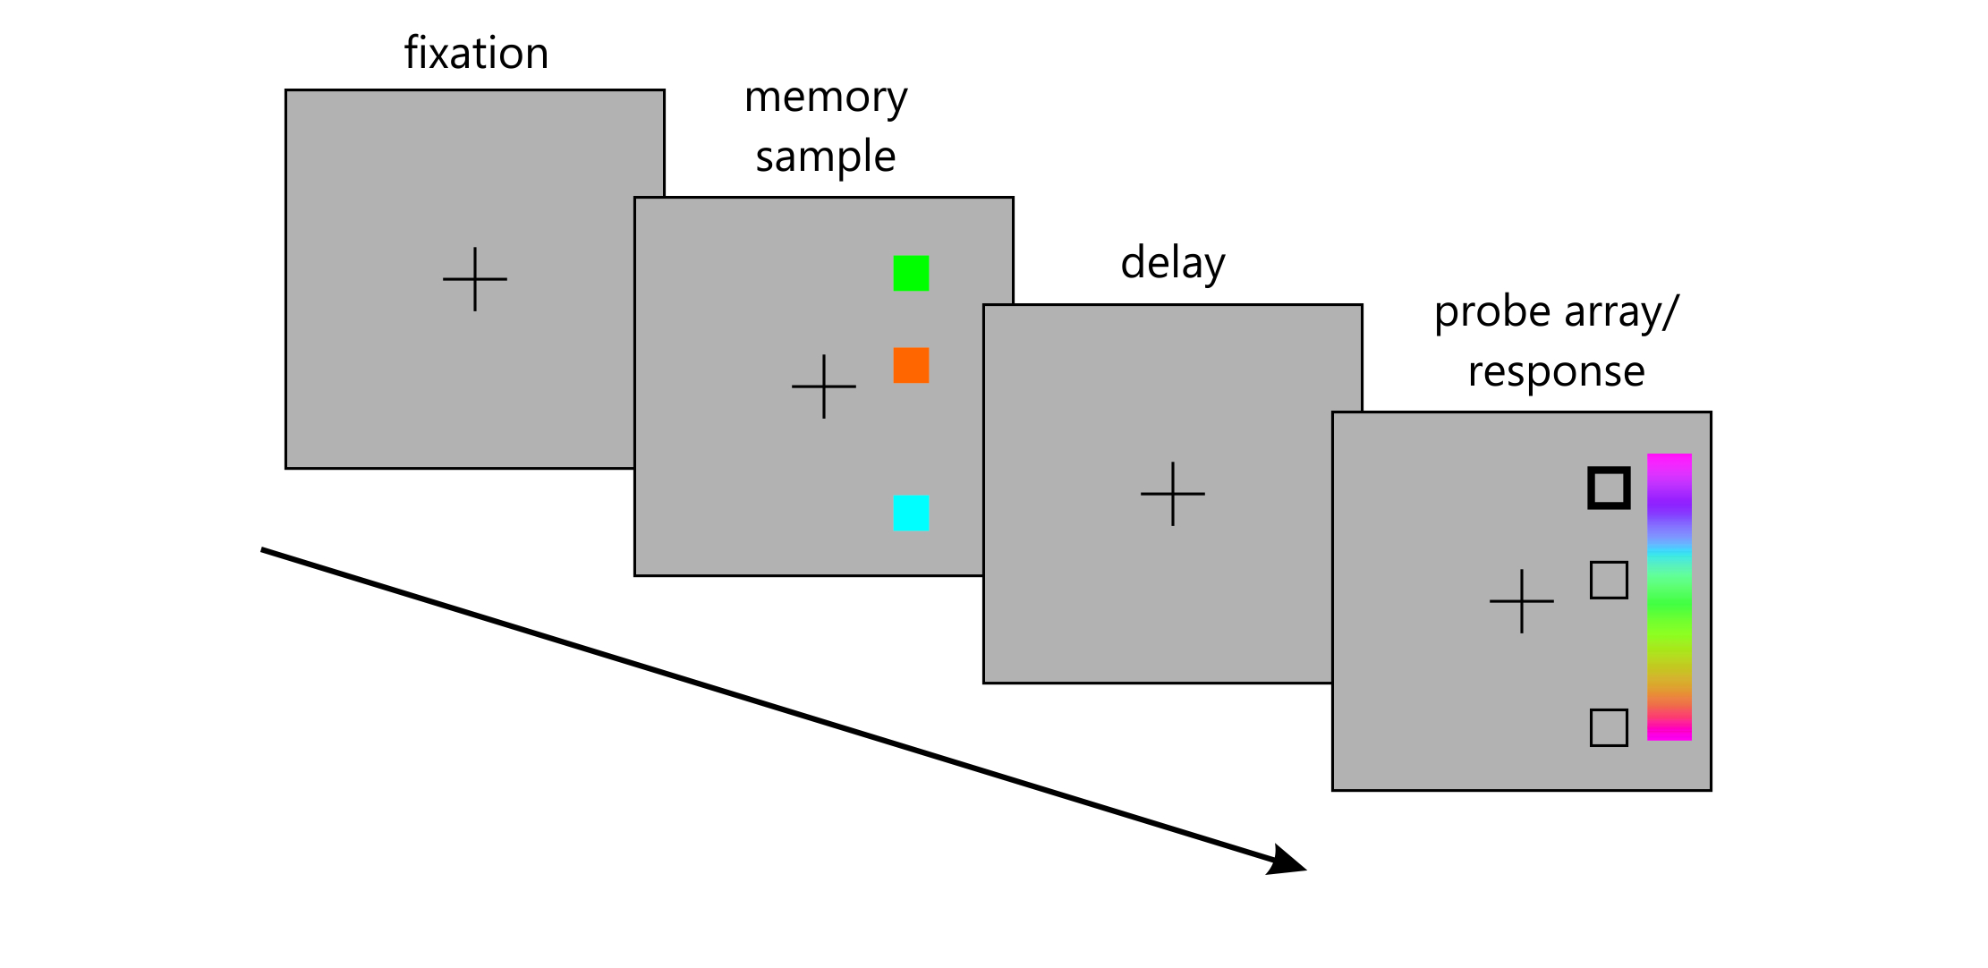
 |  |  |  |  | PRECISION = how close to the target colour the response was

 |  |  |  |  | pTARGET = probability of selecting a target (within a certain window)

 |  |  |  |  | pNON TARGET = probability of selecting a colour originally in the memory sample but not the target

 |  |  |  |  | GUESSING = probability of selecting a colour not in the original memory sample

 |  |  |  |  | See Emrich & Ferber, 2012, Journal of Vision for a description of these definitions and how they are calculated.

Visual Working Memory
 |  |  |  |  | No of trials = 54
 |  |  |  |  | Per condition = 18

 |  |  |  |  | Trial timing
 |  |  |  |  | Fixation = 500 ms
 |  |  |  |  | Memory sample = 500ms
 |  |  |  |  | Delay = 1000 ms
 |  |  |  |  | Probe array = until response
Visual Working Memory

COVAT_All_Subjects
Subject | Group | L_V_50 | L_IV_50 | L_V_150 | L_IV_150 | R_V_50 | R_IV_50 | R_V_150 | R_IV_150 | L_NC | R_NC | R_50_CE | R_150_CE | R_50_CO | R_150_CO | R_50_IC | R_150_IC
8 | Older Control | 371 | 420 | 335 | 433 | 397 | 404 | 365 | 392 | 459 | 432 | -8% | -16% | 2% | 7% | -6% | -9%
11 | Older Control | 380 | 396 | 396 | 406 | 390 | 409 | 389 | 404 | 413 | 402 | -3% | -3% | 5% | 4% | 2% | 0%
17 | Older Control | 541 | 473 | 535 | 545 | 507 | 516 | 496 | 514 | 507 | 468 | 8% | 6% | 2% | 4% | 10% | 10%
28 | Older Control | 462 | 482 | 475 | 492 | 468 | 478 | 531 | 568 | 506 | 474 | -1% | 12% | 2% | 7% | 1% | 20%
194 | Older Control | 529 | 561 | 524 | 539 | 465 | 566 | 496 | 508 | 539 | 516 | -10% | -4% | 22% | 2% | 10% | -2%
234 | Older Control | 463 | 441 | 462 | 444 | 438 | 466 | 407 | 446 | 423 | 478 | -8% | -15% | 6% | 10% | -3% | -7%
466 | Older Control | 380 | 406 | 385 | 389 | 388 | 422 | 369 | 379 | 384 | 383 | 1% | -4% | 9% | 3% | 10% | -1%
999 | Older Control | 414 | 384 | 390 | 418 | 377 | 404 | 395 | 499 | 431 | 411 | -8% | -4% | 7% | 26% | -2% | 21%
 | Group Average | 443 | 445 | 438 | 458 | 429 | 458 | 431 | 464 | 458 | 446
35 | Patient | 534 | 541 | 499 | 533 | 512 | 588 | 508 | 529 | 632 | 530 | -3% | -4% | 15% | 4% | 11% | 0%
171 | Patient | 526 | 595 | 447 | 586 | 473 | 504 | 484 | 458 | 549 | 535 | -12% | -10% | 7% | -5% | -6% | -14%
213 | Patient | NA | NA | NA | NA | 931 | 1027 | 986 | 1032 | 1505 | 928 | 0% | 6% | 10% | 5% | 11% | 11%
396 | Patient | NA | NA | NA | NA | 501 | 442 | 495 | 471 | NA | 538 | -7% | -8% | -12% | -5% | -18% | -12%
454 | Patient | 677 | 718 | 507 | 648 | 475 | 414 | 448 | 486 | 652 | 589 | -19% | -24% | -13% | 8% | -30% | -17%
465 | Patient | NA | NA | NA | NA | 593 | 494 | 499 | 542 | NA | 697 | -15% | -28% | -17% | 9% | -29% | -22%
487 | Patient | 698 | 662 | 710 | 598 | 725 | 623 | 489 | 699 | 747 | 701 | 3% | -30% | -14% | 43% | -11% | 0%
489 | Patient | 347 | 314 | 305 | 284 | 271 | 306 | 265 | 332 | 328 | 351 | -23% | -25% | 13% | 25% | -13% | -5%
 | Group Average | 556 | 566 | 494 | 530 | 560 | 550 | 522 | 569 | 736 | 609

 |  | * 0 indicates no left sided targets were responded to - I think this qualifies the patient as neglecting even if not evident on the pencil-and-paper tests

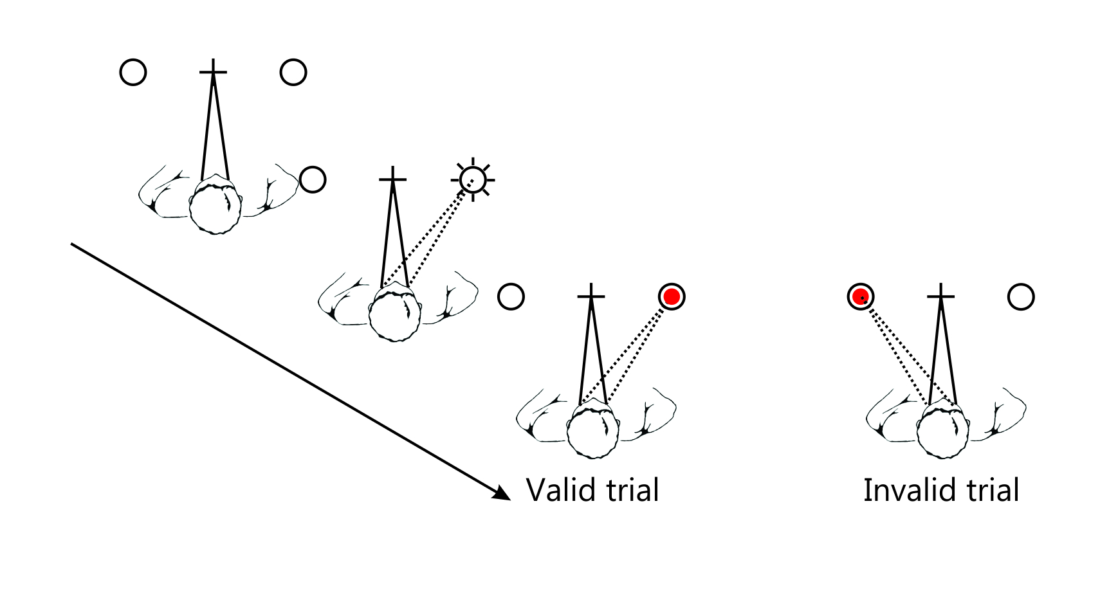
 |  |  |  |  |  |  |  |  |  |  |  | _CE | Effect of valid cue over no cue (valid – no cue)/no cue
 |  |  |  |  |  |  |  |  |  |  |  | _CO | Reorienting effect (Cost of re-orienting) (invalid – valid)/valid
 |  |  |  |  |  |  |  |  | No of trials = 100 |  |  | _IC | Invalid cue effect (invalid – no cue)/no cue
 |  |  |  |  |  |  |  |  | Per condition = 10 |  |  | Valid Cue | Reorienting | Invalid Cue

 |  |  |  |  |  |  |  |  | Trial timing
 |  |  |  |  |  |  |  |  | Fixation = 800 ms
 |  |  |  |  |  |  |  |  | Cue + SOA = 50 or 150 ms
 |  |  |  |  |  |  |  |  | Target +Response = 2000 ms
 |  |  |  |  |  |  |  |  | ITI = randomly either 250, 500 or 750 ms
 |  |  |  |  |  |  |  |  | (so ITI is the above timing plus RT plus Fixation)
 |  |  |  |  |  |  |  |  | Note that cue and target overlap - i.e., cue remains present during the target display.
 |  |  |  |  |  |  |  |  | Also, cues are non-predictive (50% valid cues)

 | 35 | 171 | 213 | 396 | 454 | 465 | 487 | 489
Valid Cue | -0.033962264151 | -0.11588785047 | 0.0032327586207 | -0.068773234201 | -0.1935483871 | -0.14921090387 | 0.034236804565 | -0.22792022792
Reorienting | 0.1484375 | 0.065539112051 | 0.10311493018 | -0.11776447106 | -0.12842105263 | -0.16694772344 | -0.14068965517 | 0.12915129151
Invalid Cue | 0.10943396226 | -0.057943925234 | 0.10668103448 | -0.17843866171 | -0.29711375212 | -0.2912482066 | -0.11126961484 | -0.12820512821

 |  |  |  |  |  |  |  |  |  |  |  |  |  | 30 | -30

 | 35 | 171 | 213 | 396 | 454 | 465 | 487 | 489
Valid Cue | -0.041509433962 | -0.095327102804 | 0.0625 | -0.079925650558 | -0.23938879457 | -0.28407460545 | -0.30242510699 | -0.24501424501
Reorienting | 0.041338582677 | -0.053719008264 | 0.046653144016 | -0.048484848485 | 0.084821428571 | 0.086172344689 | 0.42944785276 | 0.25283018868
Invalid Cue | -0.0018867924528 | -0.14392523364 | 0.11206896552 | -0.12453531599 | -0.17487266553 | -0.22238163558 | -0.0028530670471 | -0.054131054131

