Flow
Prepared by: |  | MCE Engineering |  |  |  |  |  | LETEK DCG - Bachoco layer farms |  |  |  |  |  |  |  |  |  |  |  | 09/09/2026
 |  |  |  |  |  |  |  | Merida, Yucatan, Mexico
LETEK DCG / Bachoco - chicken manure digestate, 140 MT/day (case A: 70% MC press cake) |  |  |  |  |  | DEHYDRATION SYSTEM MASS-ENERGY BALANCE
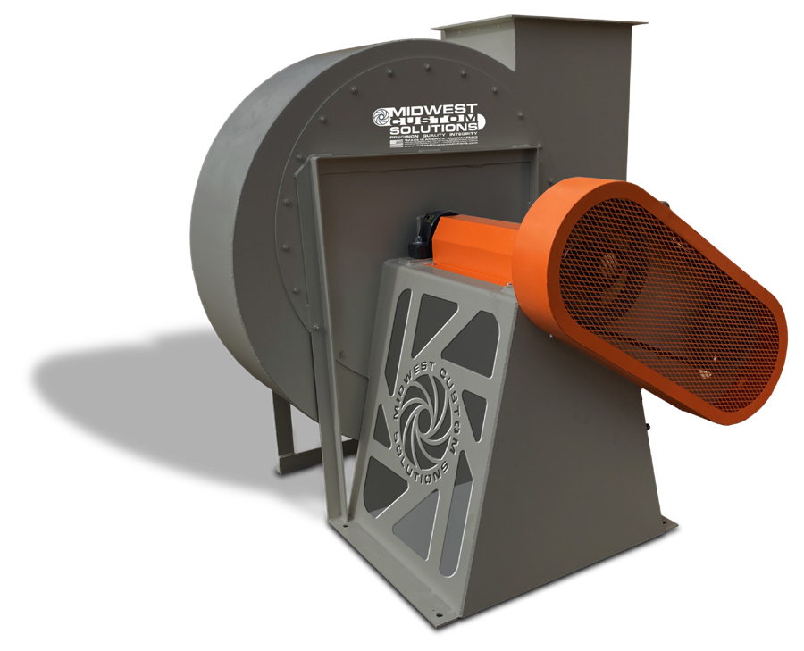
 |  |  |  |  |  |  |  |  |  |  |  |  |  |  |  |  |  |  | Exhaust Gases
 | 3.22 |  | TPH wet chicken manure digestate cake (screw-pressed) |  |  |  |  |  |  |  |  |  |  |  |  |  |  |  | 12,934 |  | ACFM
 | 4.33 |  | C.Y./hr @ 1485 lb/C.Y. and 70% moisture |  |  |  |  |  |  |  |  |  |  |  |  |  |  |  | 50 |  | hp fan
 | 8x40 |  | Single-pass rotary drum · XD-96 (8'×40')
Elevation | 30 |  | feet (above sea level) |  |  |  |  |  |  |  |  |  |  |  |  |  |  |  | Dryer Outlet Gases
 |  |  |  |  |  |  |  |  |  |  |  |  |  |  |  |  |  |  | 12,934 |  | ACFM
Fuel to Burner |  |  |  |  |  |  |  | 1,589 |  |  |  | Btu's/lb evaporation (rigorous) |  |  |  |  |  |  | 230 |  | deg F
Propane
19,900 |  |  | Btu/lb
366 |  |  | lb/hr | Make-Up Air |  |  |  |  | Mixed Inlet Gases
7.28 |  |  | MMBtu/hr | 5,704 | SCFM |  |  |  | 7,445 |  |  |  | SCFM
 |  |  |  | 85 | deg F |  |  |  | 900 |  |  |  | deg F

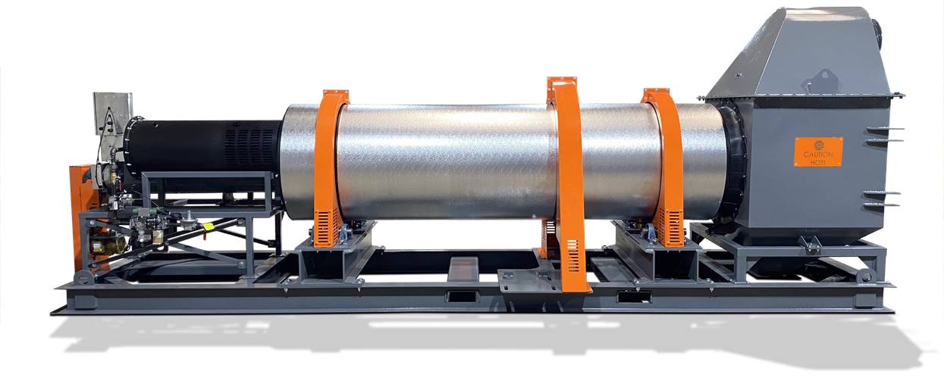

 |  |  |  |  |  |  | Wet Feed
 |  |  |  |  |  |  | 70.0% |  |  | moisture
Combustion Air |  |  |  |  |  |  | 1,929 |  |  | lb/hr solids |  |  |  |  | EVAPORATION RATE
1,675 |  |  | ACFM |  |  |  | 4,501 |  |  | lb/hr water |  |  |  |  | 4,161 |  | LB/HR H2O
85 |  |  | deg F |  |  |  | 6,430 |  |  | lb/hr total
30% |  |  | X-S air |  |  |  |  |  |  |  |  |  |  | XD-96 (8'×40') · 40 ft long · 8.7 MMBtu/hr burner
 |  |  |  |  |  |  |  |  |  |  |  |  |  |  |  | Dry Fuel (product burned)
 |  |  |  |  |  |  |  |  |  |  |  |  |  |  |  | 0 |  | lb/hr total
 |  |  |  |  |  |  |  |  |  |  |  |  |  |  |  |  |  |  | Dry Material
 |  |  |  |  |  |  |  |  |  |  |  |  |  |  |  |  |  |  | 15.0% |  | moisture
 |  |  |  |  |  |  |  |  |  |  |  |  |  |  |  | Net Dry Product |  |  | 1,929 |  | lb/hr solids
 |  |  |  |  |  |  |  |  |  |  |  |  |  |  |  | 2,269 |  | lb/hr total | 340 |  | lb/hr water
 |  |  |  |  |  |  |  |  |  |  |  |  |  |  |  |  |  |  | 2,269 |  | lb/hr total
 |  |  |  |  |  |  |  |  |  |  |  |  |  |  |  |  |  |  | 180 |  | deg F

MCE-HMB-2026-002 Rev A · FLOW |  |  |  |  |  |  |  |  |  |  | MIDWEST CUSTOM ENGINEERING, INC. · Stuart, FL · usemce.com |  |  |  |  |  |  |  |  | Page 1/1

