Tong_quan
Phân tích dữ liệu Tuần 2

Sinh viên | Toàn bộ raw | Bản ghi Tuần 2 | Mẫu mỗi đô thị | Giờ có dữ liệu
Sinh viên Tiến Sơn | 204 | 27 | 9 | 9
Sinh viên Ngọc Quyên | 231 | 57 | 19 | 9

Hai báo cáo dữ liệu được trình bày riêng theo từng sinh viên.
Mẫu Tuần 2 hiện bao phủ hai ngày, chưa đủ toàn bộ tuần.

AQI trung bình Tuần 2
AQI trung bình trong mẫu Tuần 2
Đô thị | Sinh viên Tiến Sơn | Sinh viên Ngọc Quyên
TP. Hồ Chí Minh | 78.00 | 79.05
Hà Nội | 163.56 | 163.05
Đà Nẵng | 35.44 | 35.37

Do_thi
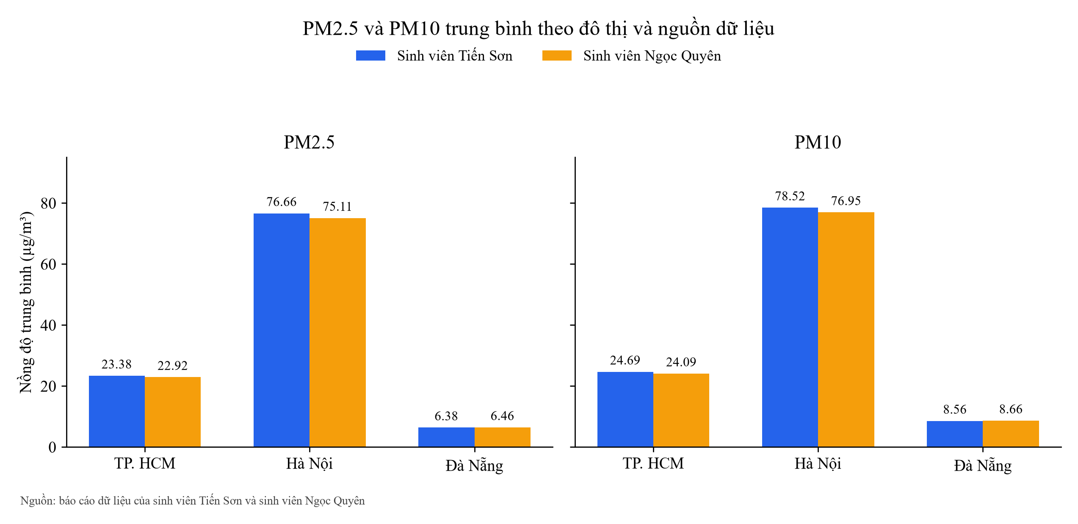
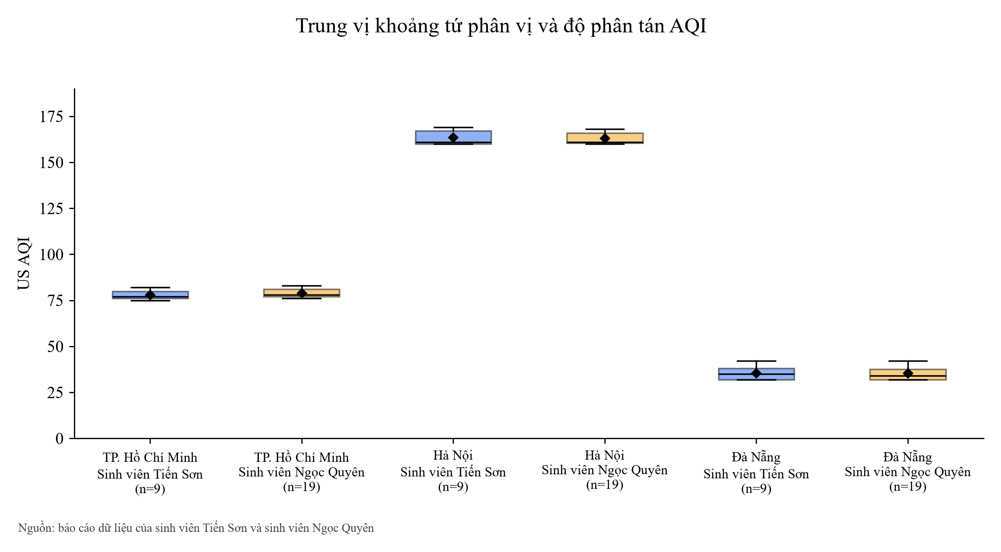
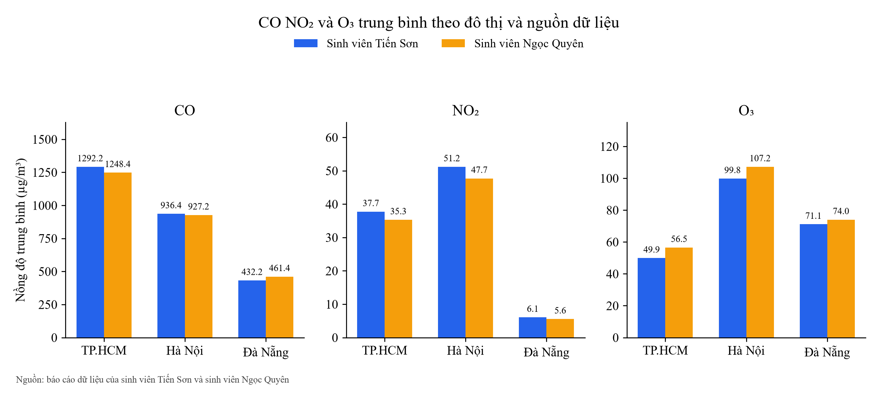
Thống kê môi trường theo đô thị

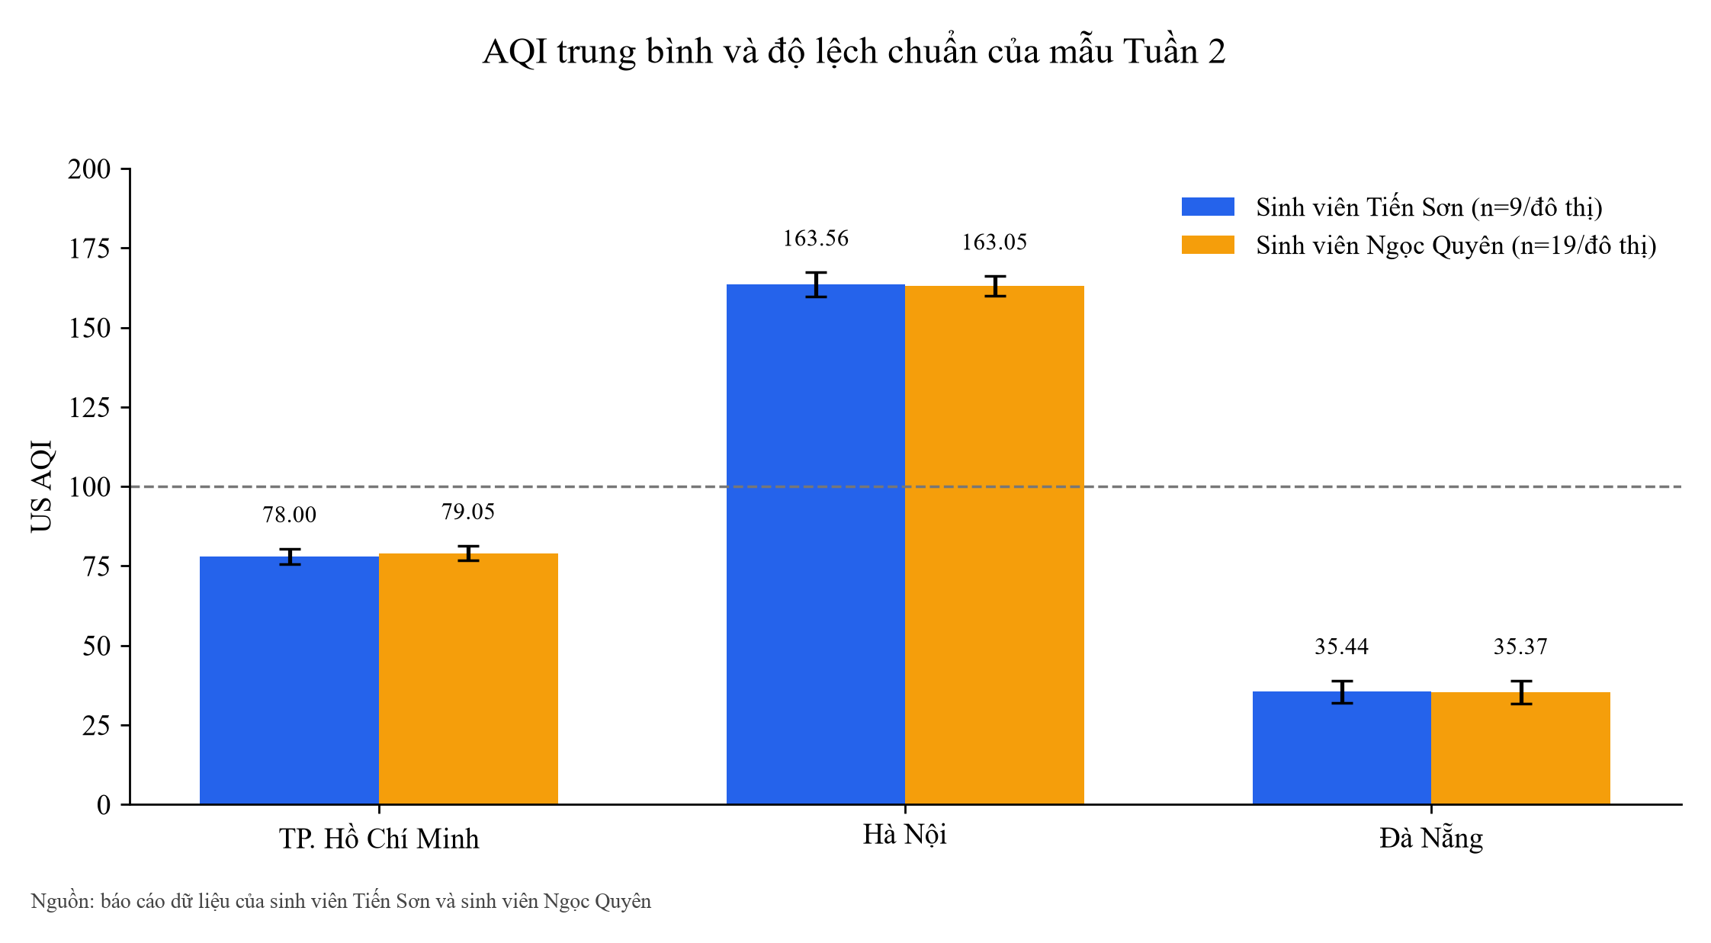
profile | city | sample_count | avg_aqi | sd_aqi | min_aqi | median_aqi | max_aqi | avg_pm2_5 | avg_pm10 | avg_temp | avg_humidity | aqi_alert_count | pm25_alert_count | combined_alert_count
default | DaNang | 9 | 35.44 | 3.54 | 32.00 | 35.00 | 42.00 | 6.38 | 8.56 | 25.50 | 90.56 | 0 | 0 | 0
default | HaNoi | 9 | 163.56 | 3.84 | 160.00 | 161.00 | 169.00 | 76.66 | 78.52 | 28.06 | 74.22 | 9 | 9 | 9
default | HoChiMinh | 9 | 78.00 | 2.45 | 75.00 | 77.00 | 82.00 | 23.38 | 24.69 | 26.71 | 87.89 | 0 | 0 | 0
quyen | DaNang | 19 | 35.37 | 3.61 | 32.00 | 34.00 | 42.00 | 6.46 | 8.66 | 25.86 | 88.53 | 0 | 0 | 0
quyen | HaNoi | 19 | 163.05 | 3.14 | 160.00 | 161.00 | 168.00 | 75.11 | 76.95 | 28.35 | 72.89 | 19 | 19 | 19
quyen | HoChiMinh | 19 | 79.05 | 2.34 | 76.00 | 78.00 | 83.00 | 22.92 | 24.09 | 26.92 | 86.68 | 0 | 0 | 0

So_sanh_tuan
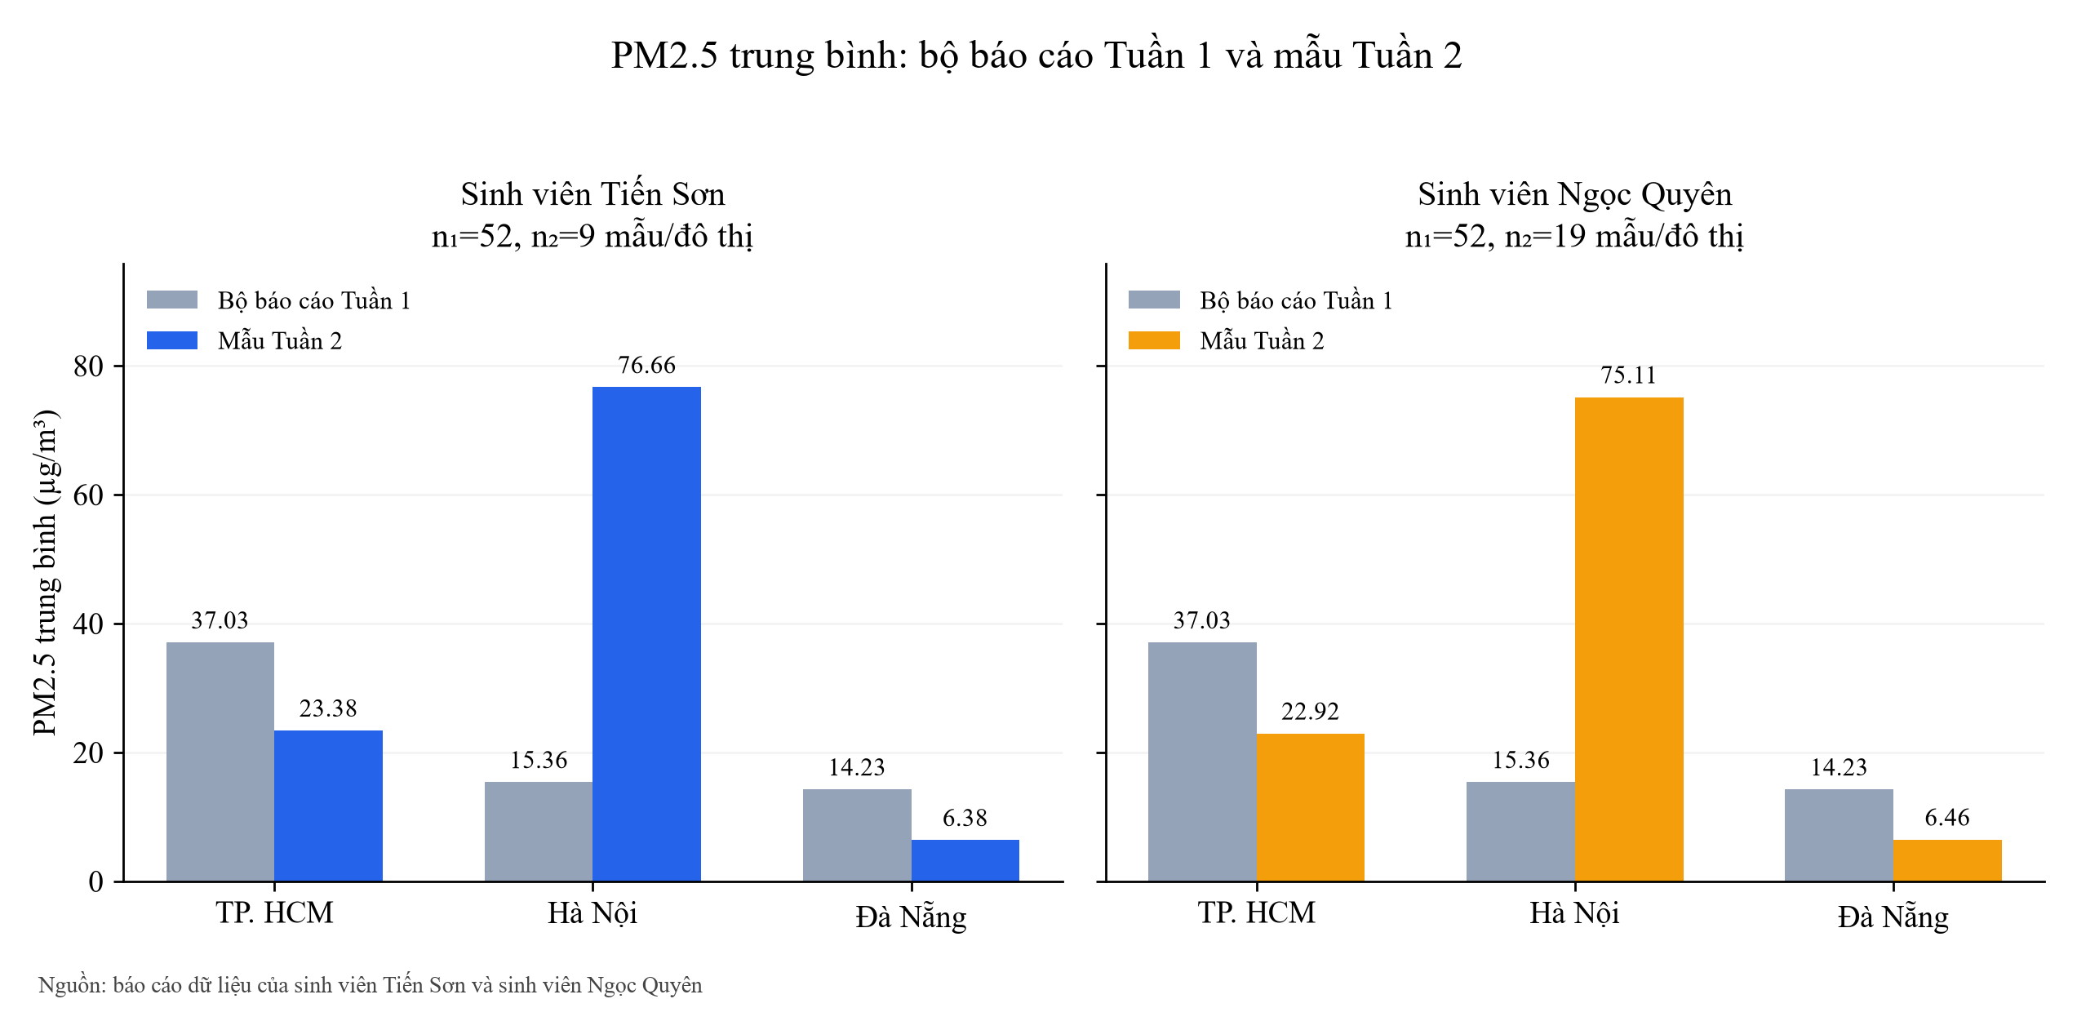
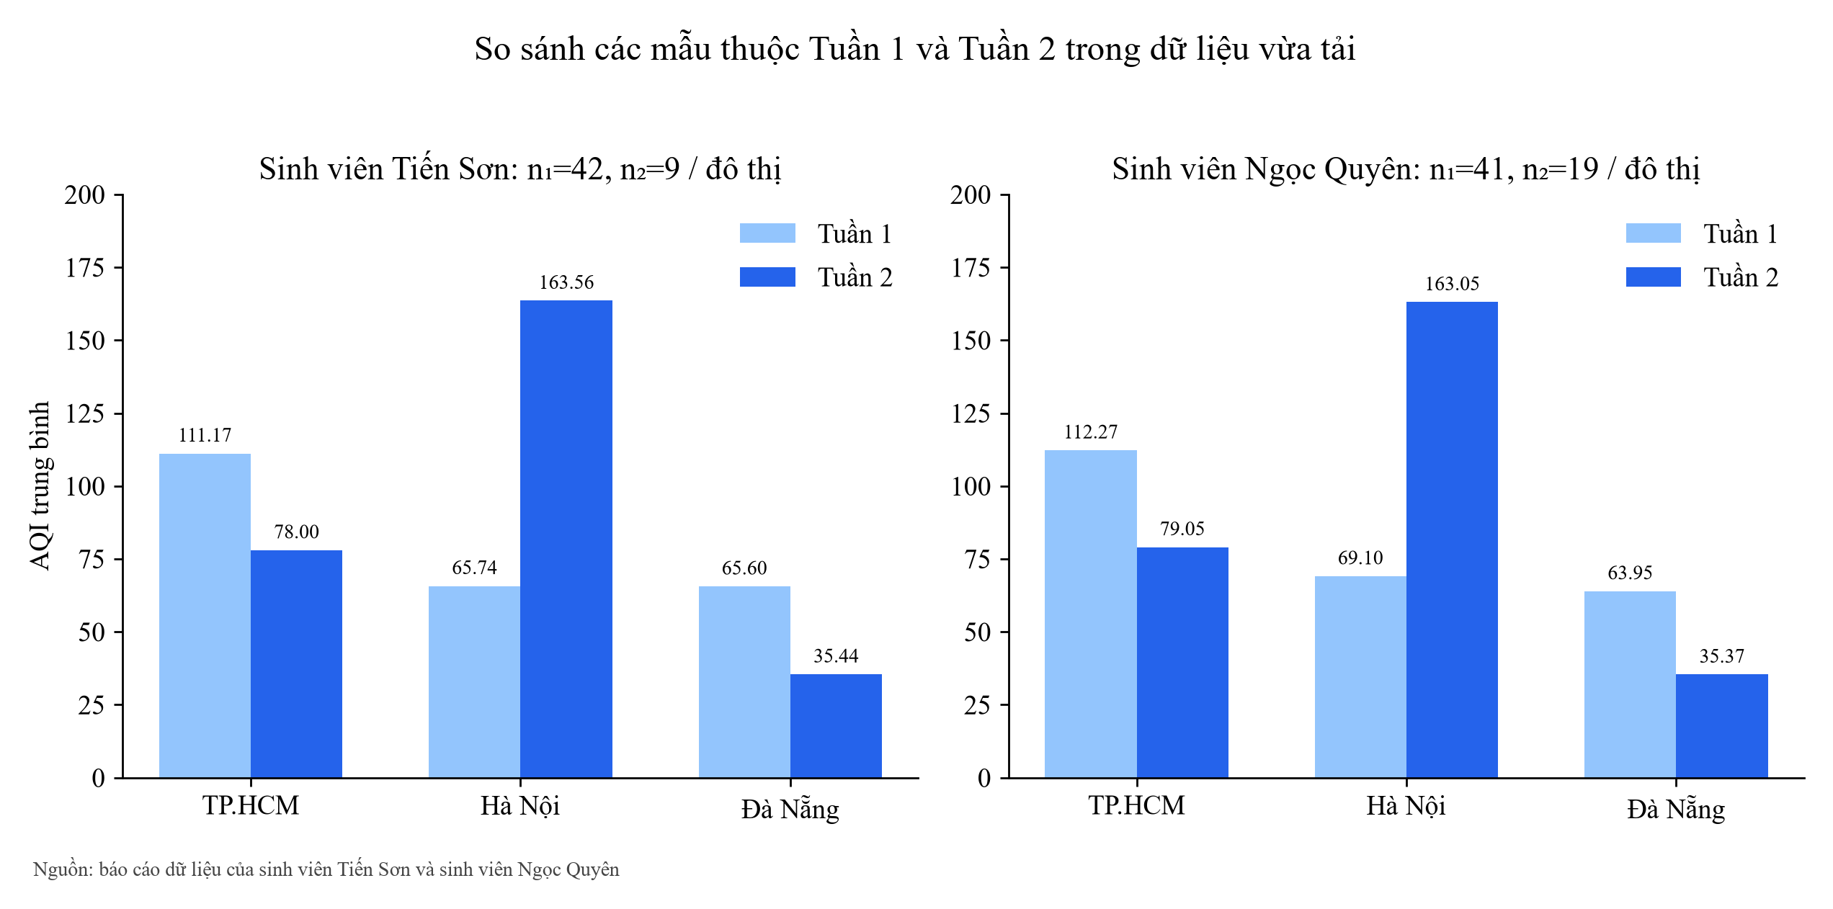
Đối chiếu bộ báo cáo Tuần 1 và mẫu Tuần 2

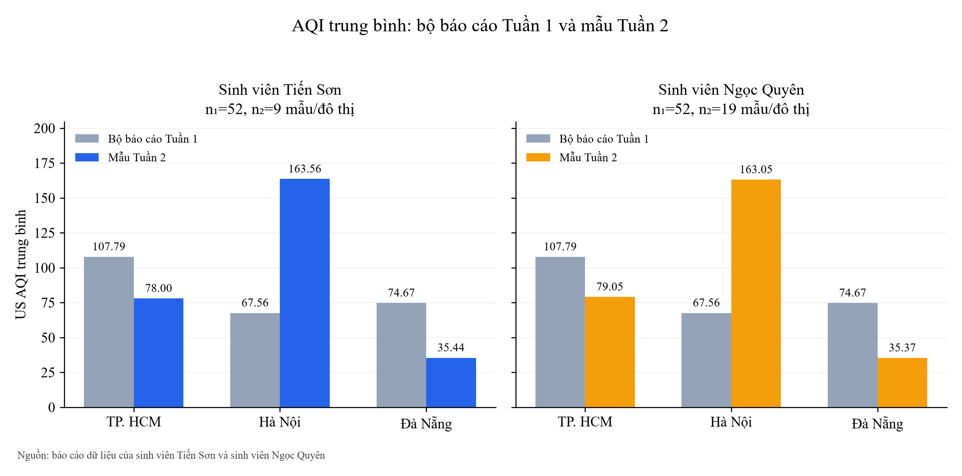
profile | city | baseline_scope | week2_scope | week1_samples | week2_samples | week1_avg_aqi | week2_avg_aqi | delta_aqi | week1_avg_pm25 | week2_avg_pm25 | delta_pm25
default | DaNang | submitted_week1_snapshot_including_backfill | observed_week2_samples | 52 | 9 | 74.67 | 35.44 | -39.23 | 14.23 | 6.38 | -7.85
default | HaNoi | submitted_week1_snapshot_including_backfill | observed_week2_samples | 52 | 9 | 67.56 | 163.56 | 96.00 | 15.36 | 76.66 | 61.29
default | HoChiMinh | submitted_week1_snapshot_including_backfill | observed_week2_samples | 52 | 9 | 107.79 | 78.00 | -29.79 | 37.03 | 23.38 | -13.65
quyen | DaNang | submitted_week1_snapshot_including_backfill | observed_week2_samples | 52 | 19 | 74.67 | 35.37 | -39.30 | 14.23 | 6.46 | -7.77
quyen | HaNoi | submitted_week1_snapshot_including_backfill | observed_week2_samples | 52 | 19 | 67.56 | 163.05 | 95.49 | 15.36 | 75.11 | 59.74
quyen | HoChiMinh | submitted_week1_snapshot_including_backfill | observed_week2_samples | 52 | 19 | 107.79 | 79.05 | -28.74 | 37.03 | 22.92 | -14.11

weekly comparison
profile | city | week1_samples | week2_samples | week1_avg_aqi | week2_avg_aqi | week1_avg_pm25 | week2_avg_pm25
default | DaNang | 42 | 9 | 65.60 | 35.44 | 10.65 | 6.38
default | HaNoi | 42 | 9 | 65.74 | 163.56 | 19.31 | 76.66
default | HoChiMinh | 42 | 9 | 111.17 | 78.00 | 39.22 | 23.38
quyen | DaNang | 41 | 19 | 63.95 | 35.37 | 9.39 | 6.46
quyen | HaNoi | 41 | 19 | 69.10 | 163.05 | 29.03 | 75.11
quyen | HoChiMinh | 41 | 19 | 112.27 | 79.05 | 38.77 | 22.92

Theo_gio
Các giờ có mẫu trong Tuần 2

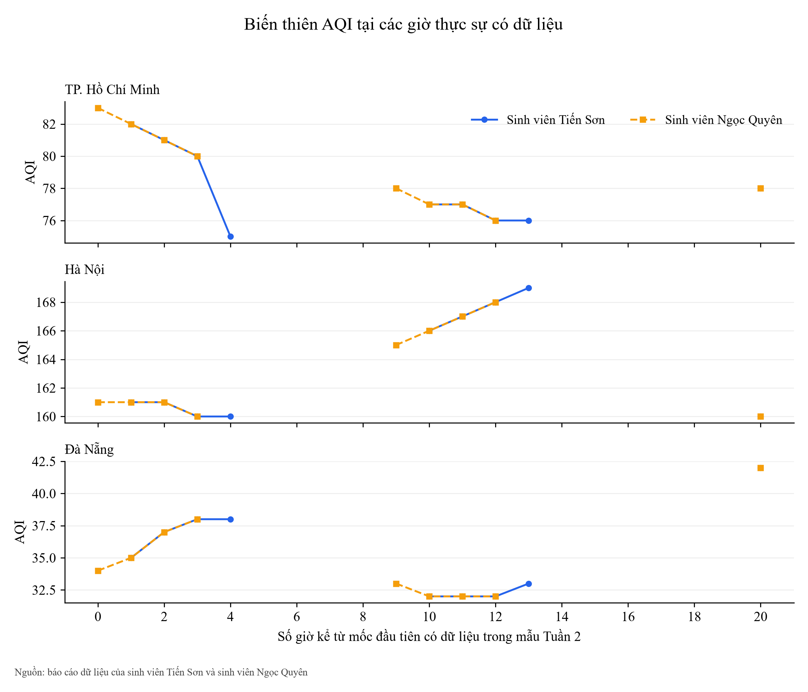
profile | city | timestamp_utc | day_of_week2 | hour_utc | sample_count | avg_aqi | avg_pm2_5 | avg_pm10
default | DaNang | 2026-10-13 | 2 | 7 | 1 | 35.00 | 6.30 | 8.60
default | DaNang | 2026-10-13 | 2 | 8 | 1 | 37.00 | 6.10 | 8.40
default | DaNang | 2026-10-13 | 2 | 9 | 1 | 38.00 | 5.60 | 7.70
default | DaNang | 2026-10-13 | 2 | 10 | 1 | 38.00 | 6.70 | 9.20
default | DaNang | 2026-10-13 | 2 | 16 | 1 | 32.00 | 5.30 | 7.20
default | DaNang | 2026-10-13 | 3 | 17 | 1 | 32.00 | 5.40 | 7.30
default | DaNang | 2026-10-13 | 3 | 18 | 1 | 32.00 | 6.00 | 7.80
default | DaNang | 2026-10-13 | 3 | 19 | 1 | 33.00 | 6.30 | 8.30
default | DaNang | 2026-10-14 | 3 | 2 | 1 | 42.00 | 9.70 | 12.50
default | HaNoi | 2026-10-13 | 2 | 7 | 1 | 161.00 | 37.30 | 38.30
default | HaNoi | 2026-10-13 | 2 | 8 | 1 | 161.00 | 38.90 | 39.90
default | HaNoi | 2026-10-13 | 2 | 9 | 1 | 160.00 | 41.00 | 42.10
default | HaNoi | 2026-10-13 | 2 | 10 | 1 | 160.00 | 58.60 | 59.80
default | HaNoi | 2026-10-13 | 2 | 16 | 1 | 166.00 | 114.30 | 115.50
default | HaNoi | 2026-10-13 | 3 | 17 | 1 | 167.00 | 109.20 | 110.80
default | HaNoi | 2026-10-13 | 3 | 18 | 1 | 168.00 | 109.90 | 112.20
default | HaNoi | 2026-10-13 | 3 | 19 | 1 | 169.00 | 115.70 | 118.50
default | HaNoi | 2026-10-14 | 3 | 2 | 1 | 160.00 | 65.00 | 69.60
default | HoChiMinh | 2026-10-13 | 2 | 7 | 1 | 82.00 | 13.00 | 13.30
default | HoChiMinh | 2026-10-13 | 2 | 8 | 1 | 81.00 | 13.20 | 13.40
default | HoChiMinh | 2026-10-13 | 2 | 9 | 1 | 80.00 | 14.80 | 15.80
default | HoChiMinh | 2026-10-13 | 2 | 10 | 1 | 75.00 | 16.50 | 18.20
default | HoChiMinh | 2026-10-13 | 2 | 16 | 1 | 77.00 | 33.60 | 35.30
default | HoChiMinh | 2026-10-13 | 3 | 17 | 1 | 77.00 | 33.20 | 34.80
default | HoChiMinh | 2026-10-13 | 3 | 18 | 1 | 76.00 | 32.60 | 34.20
default | HoChiMinh | 2026-10-13 | 3 | 19 | 1 | 76.00 | 31.70 | 33.30
default | HoChiMinh | 2026-10-14 | 3 | 2 | 1 | 78.00 | 21.80 | 23.90
quyen | DaNang | 2026-10-13 | 2 | 6 | 2 | 34.00 | 6.60 | 9.00
quyen | DaNang | 2026-10-13 | 2 | 7 | 2 | 35.00 | 6.30 | 8.60
quyen | DaNang | 2026-10-13 | 2 | 8 | 2 | 37.00 | 6.10 | 8.40
quyen | DaNang | 2026-10-13 | 2 | 9 | 2 | 38.00 | 5.60 | 7.70
quyen | DaNang | 2026-10-13 | 2 | 15 | 2 | 33.00 | 5.50 | 7.50
quyen | DaNang | 2026-10-13 | 2 | 16 | 2 | 32.00 | 5.30 | 7.20
quyen | DaNang | 2026-10-13 | 3 | 17 | 2 | 32.00 | 5.40 | 7.30
quyen | DaNang | 2026-10-13 | 3 | 18 | 2 | 32.00 | 6.00 | 7.80
quyen | DaNang | 2026-10-14 | 3 | 2 | 3 | 42.00 | 9.70 | 12.50
quyen | HaNoi | 2026-10-13 | 2 | 6 | 2 | 161.00 | 38.30 | 39.30
quyen | HaNoi | 2026-10-13 | 2 | 7 | 2 | 161.00 | 37.30 | 38.30
quyen | HaNoi | 2026-10-13 | 2 | 8 | 2 | 161.00 | 38.90 | 39.90
quyen | HaNoi | 2026-10-13 | 2 | 9 | 2 | 160.00 | 41.00 | 42.10
quyen | HaNoi | 2026-10-13 | 2 | 15 | 2 | 165.00 | 127.10 | 128.50
quyen | HaNoi | 2026-10-13 | 2 | 16 | 2 | 166.00 | 114.30 | 115.50
quyen | HaNoi | 2026-10-13 | 3 | 17 | 2 | 167.00 | 109.20 | 110.80
quyen | HaNoi | 2026-10-13 | 3 | 18 | 2 | 168.00 | 109.90 | 112.20
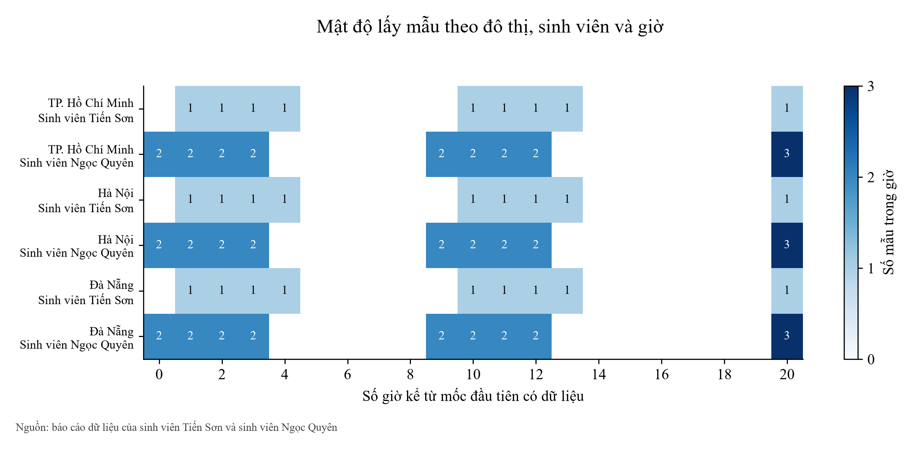
quyen | HaNoi | 2026-10-14 | 3 | 2 | 3 | 160.00 | 65.00 | 69.60
quyen | HoChiMinh | 2026-10-13 | 2 | 6 | 2 | 83.00 | 12.70 | 13.00
quyen | HoChiMinh | 2026-10-13 | 2 | 7 | 2 | 82.00 | 13.00 | 13.30
quyen | HoChiMinh | 2026-10-13 | 2 | 8 | 2 | 81.00 | 13.20 | 13.40
quyen | HoChiMinh | 2026-10-13 | 2 | 9 | 2 | 80.00 | 14.80 | 15.80
quyen | HoChiMinh | 2026-10-13 | 2 | 15 | 2 | 78.00 | 31.90 | 33.20
quyen | HoChiMinh | 2026-10-13 | 2 | 16 | 2 | 77.00 | 33.60 | 35.30
quyen | HoChiMinh | 2026-10-13 | 3 | 17 | 2 | 77.00 | 33.20 | 34.80
quyen | HoChiMinh | 2026-10-13 | 3 | 18 | 2 | 76.00 | 32.60 | 34.20
quyen | HoChiMinh | 2026-10-14 | 3 | 2 | 3 | 78.00 | 21.80 | 23.90

daily city
profile | city | day_of_week2 | sample_count | avg_aqi | avg_pm2_5
default | DaNang | 2 | 5 | 36.00 | 6.00
default | DaNang | 3 | 4 | 34.75 | 6.85
default | HaNoi | 2 | 5 | 161.60 | 58.02
default | HaNoi | 3 | 4 | 166.00 | 99.95
default | HoChiMinh | 2 | 5 | 79.00 | 18.22
default | HoChiMinh | 3 | 4 | 76.75 | 29.83
quyen | DaNang | 2 | 12 | 34.83 | 5.90
quyen | DaNang | 3 | 7 | 36.29 | 7.41
quyen | HaNoi | 2 | 12 | 162.33 | 66.15
quyen | HaNoi | 3 | 7 | 164.29 | 90.46
quyen | HoChiMinh | 2 | 12 | 80.17 | 19.87
quyen | HoChiMinh | 3 | 7 | 77.14 | 28.14

Canh_bao
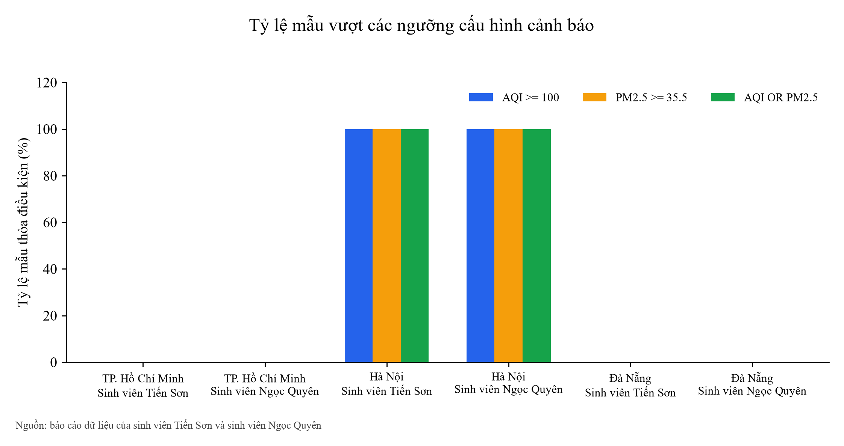
Phân loại AQI và ngưỡng cảnh báo

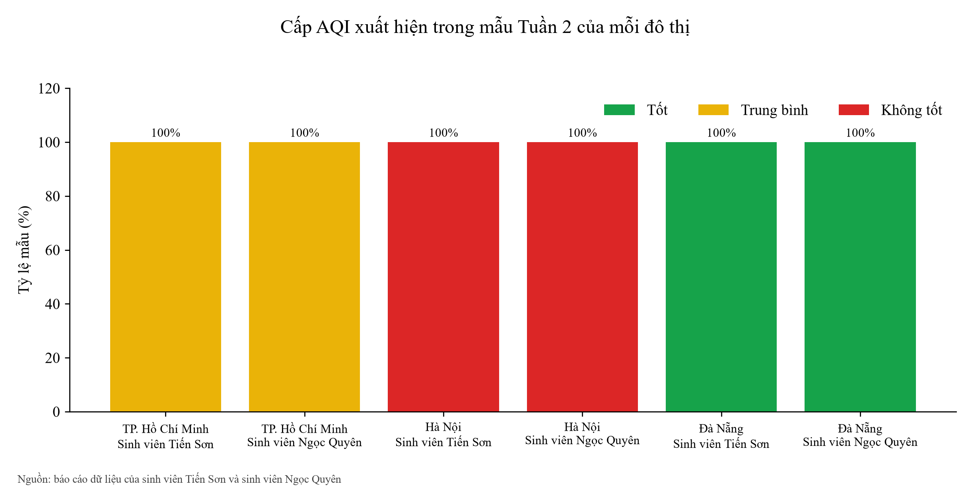
profile | city | aqi_category | sample_count | fraction
default | DaNang | Good | 9 | 100.0%
default | HaNoi | Unhealthy | 9 | 100.0%
default | HoChiMinh | Moderate | 9 | 100.0%
quyen | DaNang | Good | 19 | 100.0%
quyen | HaNoi | Unhealthy | 19 | 100.0%
quyen | HoChiMinh | Moderate | 19 | 100.0%

threshold exceedance
profile | city | condition | sample_count | exceedance_count | fraction
default | DaNang | AQI >= 100 | 9 | 0 | 0.0%
default | DaNang | PM2.5 >= 35.5 | 9 | 0 | 0.0%
default | DaNang | AQI OR PM2.5 | 9 | 0 | 0.0%
default | HaNoi | AQI >= 100 | 9 | 9 | 100.0%
default | HaNoi | PM2.5 >= 35.5 | 9 | 9 | 100.0%
default | HaNoi | AQI OR PM2.5 | 9 | 9 | 100.0%
default | HoChiMinh | AQI >= 100 | 9 | 0 | 0.0%
default | HoChiMinh | PM2.5 >= 35.5 | 9 | 0 | 0.0%
default | HoChiMinh | AQI OR PM2.5 | 9 | 0 | 0.0%
quyen | DaNang | AQI >= 100 | 19 | 0 | 0.0%
quyen | DaNang | PM2.5 >= 35.5 | 19 | 0 | 0.0%
quyen | DaNang | AQI OR PM2.5 | 19 | 0 | 0.0%
quyen | HaNoi | AQI >= 100 | 19 | 19 | 100.0%
quyen | HaNoi | PM2.5 >= 35.5 | 19 | 19 | 100.0%
quyen | HaNoi | AQI OR PM2.5 | 19 | 19 | 100.0%
quyen | HoChiMinh | AQI >= 100 | 19 | 0 | 0.0%
quyen | HoChiMinh | PM2.5 >= 35.5 | 19 | 0 | 0.0%
quyen | HoChiMinh | AQI OR PM2.5 | 19 | 0 | 0.0%

Tuong_quan
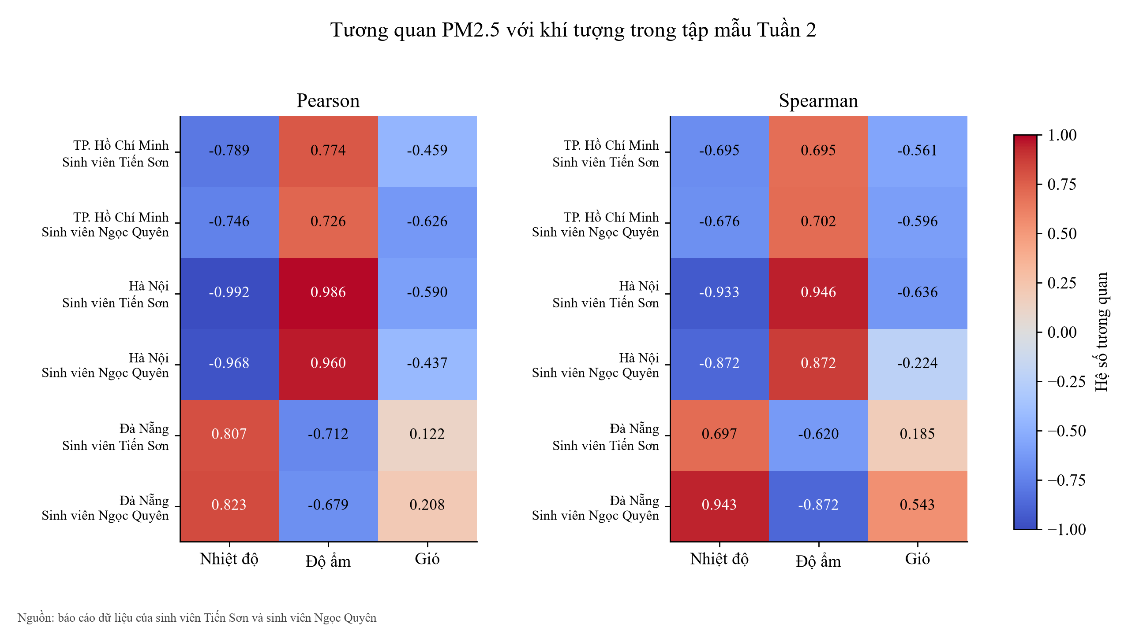
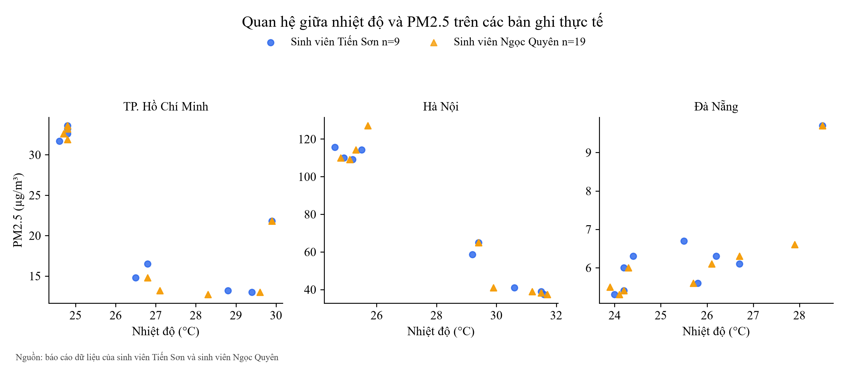
Tương quan và đối chiếu hai báo cáo dữ liệu

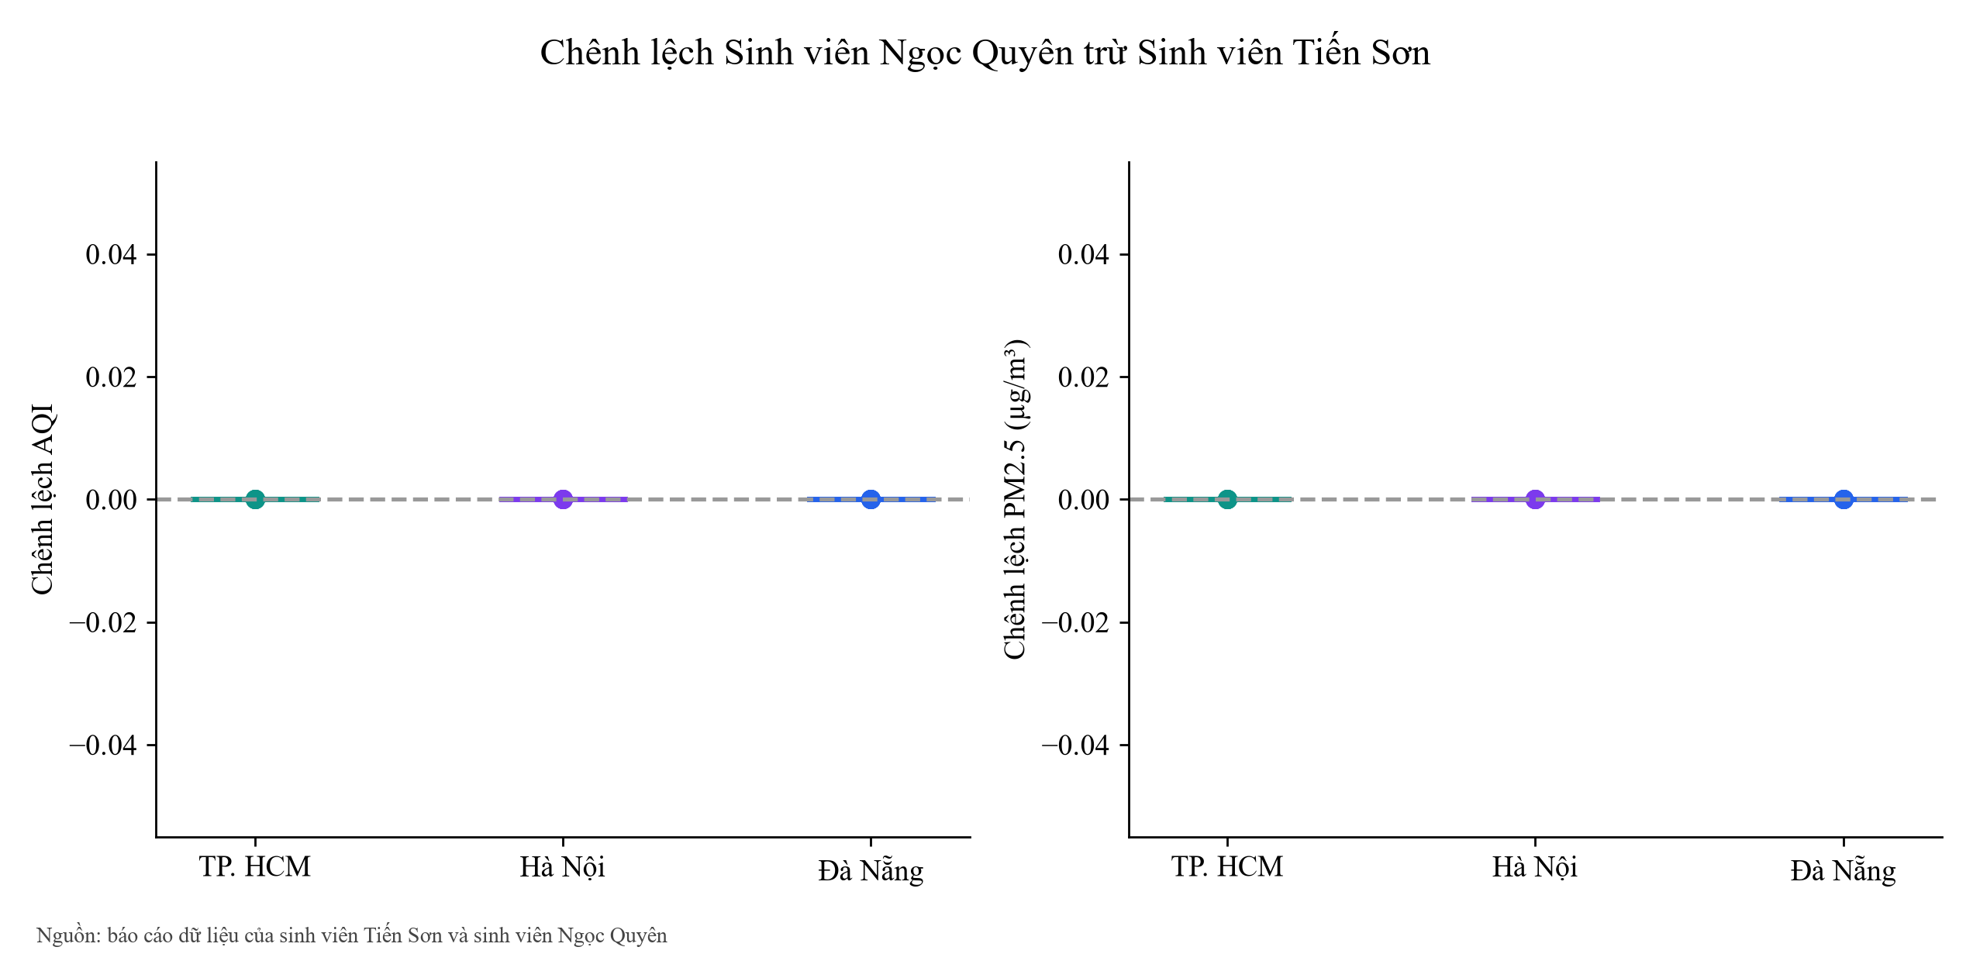
profile | city | variable | sample_count | pearson_r | spearman_r
default | DaNang | temperature_2m | 9 | 0.8074 | 0.6975
default | DaNang | relative_humidity_2m | 9 | -0.7121 | -0.6197
default | DaNang | wind_speed_10m | 9 | 0.1220 | 0.1849
default | HaNoi | temperature_2m | 9 | -0.9918 | -0.9333
default | HaNoi | relative_humidity_2m | 9 | 0.9857 | 0.9456
default | HaNoi | wind_speed_10m | 9 | -0.5904 | -0.6360
default | HoChiMinh | temperature_2m | 9 | -0.7893 | -0.6950
default | HoChiMinh | relative_humidity_2m | 9 | 0.7744 | 0.6950
default | HoChiMinh | wind_speed_10m | 9 | -0.4588 | -0.5607
quyen | DaNang | temperature_2m | 19 | 0.8227 | 0.9433
quyen | DaNang | relative_humidity_2m | 19 | -0.6787 | -0.8724
quyen | DaNang | wind_speed_10m | 19 | 0.2080 | 0.5426
quyen | HaNoi | temperature_2m | 19 | -0.9685 | -0.8723
quyen | HaNoi | relative_humidity_2m | 19 | 0.9601 | 0.8723
quyen | HaNoi | wind_speed_10m | 19 | -0.4373 | -0.2242
quyen | HoChiMinh | temperature_2m | 19 | -0.7462 | -0.6763
quyen | HoChiMinh | relative_humidity_2m | 19 | 0.7263 | 0.7017
quyen | HoChiMinh | wind_speed_10m | 19 | -0.6262 | -0.5957

matched account hours
city | timestamp_utc | son_samples | quyen_samples | son_us_aqi | quyen_us_aqi | delta_us_aqi | son_pm2_5 | quyen_pm2_5 | delta_pm2_5 | son_pm10 | quyen_pm10 | delta_pm10 | son_temperature_2m | quyen_temperature_2m | delta_temperature_2m | son_relative_humidity_2m | quyen_relative_humidity_2m | delta_relative_humidity_2m
DaNang | 2026-10-13 | 1 | 2 | 35.00 | 35.00 | 0.00 | 6.30 | 6.30 | 0.00 | 8.60 | 8.60 | 0.00 | 26.20 | 26.70 | 0.50 | 88.00 | 84.00 | -4.00
DaNang | 2026-10-13 | 1 | 2 | 37.00 | 37.00 | 0.00 | 6.10 | 6.10 | 0.00 | 8.40 | 8.40 | 0.00 | 26.70 | 26.10 | -0.60 | 84.00 | 86.00 | 2.00
DaNang | 2026-10-13 | 1 | 2 | 38.00 | 38.00 | 0.00 | 5.60 | 5.60 | 0.00 | 7.70 | 7.70 | 0.00 | 25.80 | 25.70 | -0.10 | 88.00 | 88.00 | 0.00
DaNang | 2026-10-13 | 1 | 2 | 32.00 | 32.00 | 0.00 | 5.30 | 5.30 | 0.00 | 7.20 | 7.20 | 0.00 | 24.00 | 24.10 | 0.10 | 98.00 | 96.00 | -2.00
DaNang | 2026-10-13 | 1 | 2 | 32.00 | 32.00 | 0.00 | 5.40 | 5.40 | 0.00 | 7.30 | 7.30 | 0.00 | 24.20 | 24.20 | 0.00 | 96.00 | 96.00 | 0.00
DaNang | 2026-10-13 | 1 | 2 | 32.00 | 32.00 | 0.00 | 6.00 | 6.00 | 0.00 | 7.80 | 7.80 | 0.00 | 24.20 | 24.30 | 0.10 | 96.00 | 96.00 | 0.00
DaNang | 2026-10-14 | 1 | 3 | 42.00 | 42.00 | 0.00 | 9.70 | 9.70 | 0.00 | 12.50 | 12.50 | 0.00 | 28.50 | 28.50 | 0.00 | 80.00 | 80.00 | 0.00
HaNoi | 2026-10-13 | 1 | 2 | 161.00 | 161.00 | 0.00 | 37.30 | 37.30 | 0.00 | 38.30 | 38.30 | 0.00 | 31.60 | 31.70 | 0.10 | 55.00 | 54.00 | -1.00
HaNoi | 2026-10-13 | 1 | 2 | 161.00 | 161.00 | 0.00 | 38.90 | 38.90 | 0.00 | 39.90 | 39.90 | 0.00 | 31.50 | 31.20 | -0.30 | 55.00 | 58.00 | 3.00
HaNoi | 2026-10-13 | 1 | 2 | 160.00 | 160.00 | 0.00 | 41.00 | 41.00 | 0.00 | 42.10 | 42.10 | 0.00 | 30.60 | 29.90 | -0.70 | 62.00 | 66.00 | 4.00
HaNoi | 2026-10-13 | 1 | 2 | 166.00 | 166.00 | 0.00 | 114.30 | 114.30 | 0.00 | 115.50 | 115.50 | 0.00 | 25.50 | 25.30 | -0.20 | 87.00 | 88.00 | 1.00
HaNoi | 2026-10-13 | 1 | 2 | 167.00 | 167.00 | 0.00 | 109.20 | 109.20 | 0.00 | 110.80 | 110.80 | 0.00 | 25.20 | 25.10 | -0.10 | 88.00 | 89.00 | 1.00
HaNoi | 2026-10-13 | 1 | 2 | 168.00 | 168.00 | 0.00 | 109.90 | 109.90 | 0.00 | 112.20 | 112.20 | 0.00 | 24.90 | 24.80 | -0.10 | 89.00 | 90.00 | 1.00
HaNoi | 2026-10-14 | 1 | 3 | 160.00 | 160.00 | 0.00 | 65.00 | 65.00 | 0.00 | 69.60 | 69.60 | 0.00 | 29.40 | 29.40 | 0.00 | 71.00 | 71.00 | 0.00
HoChiMinh | 2026-10-13 | 1 | 2 | 82.00 | 82.00 | 0.00 | 13.00 | 13.00 | 0.00 | 13.30 | 13.30 | 0.00 | 29.40 | 29.60 | 0.20 | 77.00 | 77.00 | 0.00
HoChiMinh | 2026-10-13 | 1 | 2 | 81.00 | 81.00 | 0.00 | 13.20 | 13.20 | 0.00 | 13.40 | 13.40 | 0.00 | 28.80 | 27.10 | -1.70 | 80.00 | 86.00 | 6.00
HoChiMinh | 2026-10-13 | 1 | 2 | 80.00 | 80.00 | 0.00 | 14.80 | 14.80 | 0.00 | 15.80 | 15.80 | 0.00 | 26.50 | 26.80 | 0.30 | 88.00 | 86.00 | -2.00
HoChiMinh | 2026-10-13 | 1 | 2 | 77.00 | 77.00 | 0.00 | 33.60 | 33.60 | 0.00 | 35.30 | 35.30 | 0.00 | 24.80 | 24.80 | 0.00 | 97.00 | 97.00 | 0.00
HoChiMinh | 2026-10-13 | 1 | 2 | 77.00 | 77.00 | 0.00 | 33.20 | 33.20 | 0.00 | 34.80 | 34.80 | 0.00 | 24.80 | 24.80 | 0.00 | 97.00 | 97.00 | 0.00
HoChiMinh | 2026-10-13 | 1 | 2 | 76.00 | 76.00 | 0.00 | 32.60 | 32.60 | 0.00 | 34.20 | 34.20 | 0.00 | 24.80 | 24.70 | -0.10 | 97.00 | 97.00 | 0.00
HoChiMinh | 2026-10-14 | 1 | 3 | 78.00 | 78.00 | 0.00 | 21.80 | 21.80 | 0.00 | 23.90 | 23.90 | 0.00 | 29.90 | 29.90 | 0.00 | 71.00 | 71.00 | 0.00

Van_hanh
Kết quả vận hành từ AWS và log REPORT

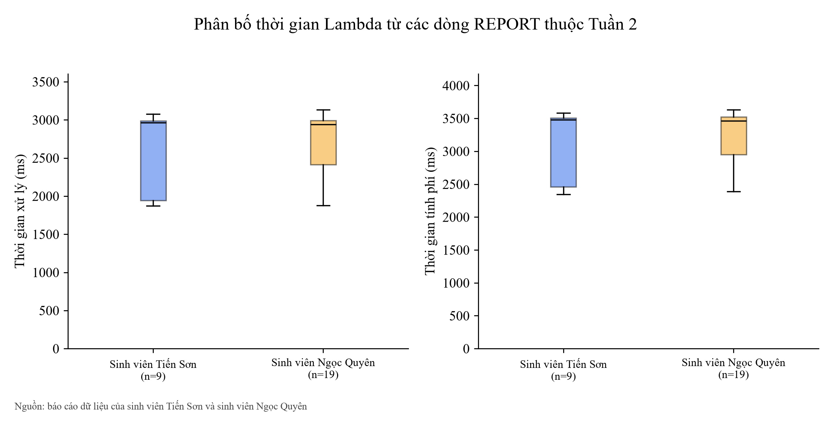
profile | Invocations | Errors | Throttles | runtime_log_count | duration_ms_mean | duration_ms_p95 | max_memory_used_mb_max | error_rate_valid
default | 9 | 150 | 0 | 9 | 2638.08 | 3073.78 | 101 | False
quyen | 19 | 294 | 0 | 19 | 2703.82 | 3111.73 | 101 | False

lambda runtime
profile | timestamp_utc | scope | duration_ms | billed_duration_ms | configured_memory_mb | max_memory_used_mb | init_duration_ms
default | 2026-10-06 | earlier | 1905.87 | 2428.00 | 256 | 101 | 522.00
default | 2026-10-06 | earlier | 1653.36 | 1654.00 | 256 | 102
default | 2026-10-06 | earlier | 1661.29 | 1662.00 | 256 | 102
default | 2026-10-06 | earlier | 2942.80 | 3480.00 | 256 | 101 | 536.93
default | 2026-10-06 | earlier | 3273.45 | 3274.00 | 256 | 102
default | 2026-10-06 | earlier | 2103.32 | 2640.00 | 256 | 101 | 536.11
default | 2026-10-06 | earlier | 3052.22 | 3637.00 | 256 | 101 | 584.39
default | 2026-10-06 | earlier | 3090.71 | 3639.00 | 256 | 101 | 547.69
default | 2026-10-07 | earlier | 2184.29 | 2702.00 | 256 | 101 | 516.72
default | 2026-10-07 | earlier | 2971.23 | 3393.00 | 256 | 101 | 420.79
default | 2026-10-07 | earlier | 1974.74 | 2511.00 | 256 | 101 | 536.13
default | 2026-10-07 | earlier | 2940.16 | 3501.00 | 256 | 101 | 560.20
default | 2026-10-13 | week2 | 3077.11 | 3585.00 | 256 | 101 | 507.12
default | 2026-10-13 | week2 | 1942.61 | 2458.00 | 256 | 101 | 514.71
default | 2026-10-13 | week2 | 1873.36 | 2370.00 | 256 | 101 | 495.66
default | 2026-10-13 | week2 | 1930.70 | 2345.00 | 256 | 101 | 413.99
default | 2026-10-13 | week2 | 2962.05 | 3495.00 | 256 | 101 | 532.32
default | 2026-10-13 | week2 | 2930.22 | 3411.00 | 256 | 101 | 480.68
default | 2026-10-13 | week2 | 3068.78 | 3559.00 | 256 | 101 | 489.83
default | 2026-10-13 | week2 | 2971.49 | 3479.00 | 256 | 101 | 507.08
default | 2026-10-14 | week2 | 2986.42 | 3508.00 | 256 | 101 | 520.86
quyen | 2026-10-07 | earlier | 3041.93 | 3607.00 | 256 | 101 | 564.62
quyen | 2026-10-07 | earlier | 2941.01 | 3451.00 | 256 | 101 | 509.13
quyen | 2026-10-07 | earlier | 2825.36 | 2826.00 | 256 | 102
quyen | 2026-10-07 | earlier | 2634.14 | 2635.00 | 256 | 102
quyen | 2026-10-07 | earlier | 3048.92 | 3568.00 | 256 | 101 | 518.36
quyen | 2026-10-07 | earlier | 2815.99 | 3312.00 | 256 | 100 | 495.65
quyen | 2026-10-07 | earlier | 2728.90 | 2729.00 | 256 | 102
quyen | 2026-10-07 | earlier | 2962.86 | 3468.00 | 256 | 101 | 504.39
quyen | 2026-10-07 | earlier | 2983.16 | 3508.00 | 256 | 101 | 524.57
quyen | 2026-10-07 | earlier | 3025.97 | 3596.00 | 256 | 101 | 569.95
quyen | 2026-10-07 | earlier | 2982.44 | 3600.00 | 256 | 101 | 617.18
quyen | 2026-10-07 | earlier | 2967.37 | 3392.00 | 256 | 101 | 424.27
quyen | 2026-10-07 | earlier | 2896.17 | 3498.00 | 256 | 101 | 600.89
quyen | 2026-10-13 | week2 | 2958.57 | 3488.00 | 256 | 101 | 529.16
quyen | 2026-10-13 | week2 | 2883.13 | 3372.00 | 256 | 101 | 488.38
quyen | 2026-10-13 | week2 | 3132.36 | 3631.00 | 256 | 101 | 497.87
quyen | 2026-10-13 | week2 | 1877.31 | 2391.00 | 256 | 101 | 513.08
quyen | 2026-10-13 | week2 | 3060.27 | 3556.00 | 256 | 101 | 495.59
quyen | 2026-10-13 | week2 | 2868.13 | 3402.00 | 256 | 101 | 533.44
quyen | 2026-10-13 | week2 | 2920.35 | 3439.00 | 256 | 101 | 518.34
quyen | 2026-10-13 | week2 | 2953.07 | 3372.00 | 256 | 101 | 418.58
quyen | 2026-10-13 | week2 | 3083.33 | 3607.00 | 256 | 101 | 523.07
quyen | 2026-10-13 | week2 | 1935.01 | 2526.00 | 256 | 101 | 590.90
quyen | 2026-10-13 | week2 | 1959.36 | 2474.00 | 256 | 101 | 513.92
quyen | 2026-10-13 | week2 | 2968.66 | 3525.00 | 256 | 101 | 556.20
quyen | 2026-10-13 | week2 | 2939.45 | 3462.00 | 256 | 101 | 521.73
quyen | 2026-10-13 | week2 | 2932.87 | 3466.00 | 256 | 101 | 532.39
quyen | 2026-10-13 | week2 | 3109.44 | 3623.00 | 256 | 101 | 512.77
quyen | 2026-10-13 | week2 | 2986.93 | 3499.00 | 256 | 101 | 511.51
quyen | 2026-10-14 | week2 | 1904.02 | 2428.00 | 256 | 101 | 523.98
quyen | 2026-10-14 | week2 | 2997.36 | 3525.00 | 256 | 101 | 527.62
quyen | 2026-10-14 | week2 | 1903.05 | 2411.00 | 256 | 101 | 507.73

Truy_van
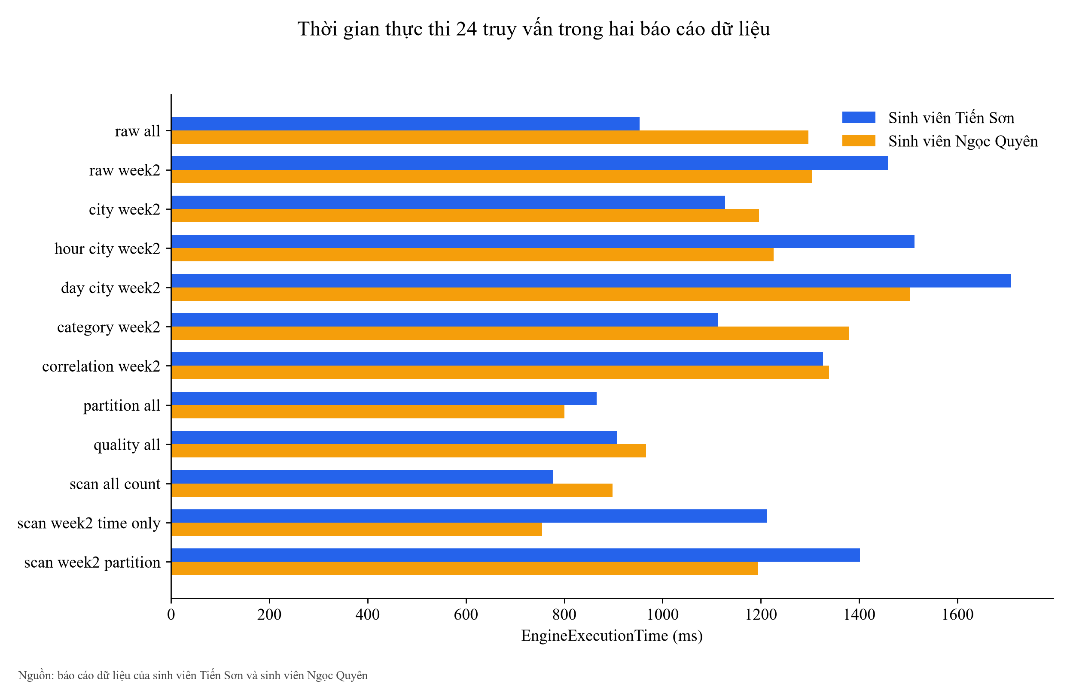
Truy vấn mới và đối chứng phân vùng

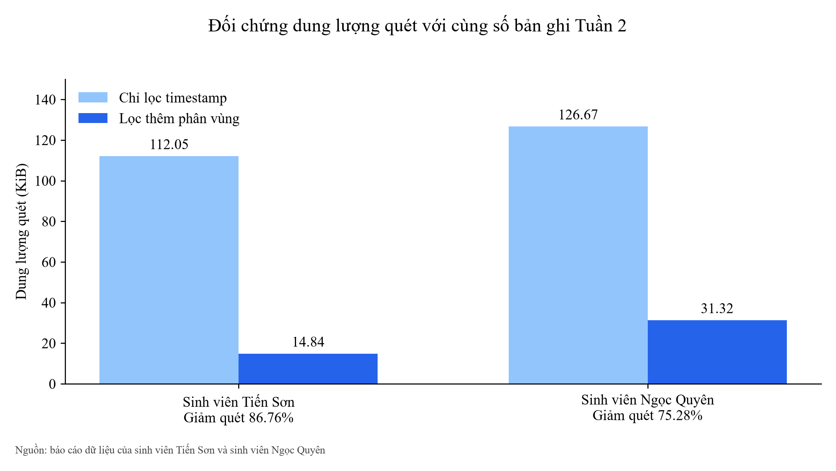
name | profile | account_id | query_id | status | row_count | execution_time_ms | bytes_scanned | retrieved_at_utc | csv_sha256
raw_all | default | 873674852386 | 9b63cf94-1521-4fd6-8d02-1ebc062a792b | SUCCEEDED | 204 | 953.00 | 114,736 | 2026-10-14 | 894283f835f5d0d7af4569dd43000506171d91ecf66237a26370d8bf280bacdb
raw_week2 | default | 873674852386 | 63dd5b0f-7442-45f8-be9b-304bd9cf114e | SUCCEEDED | 27 | 1458.00 | 15,193 | 2026-10-14 | 3da8d2fafa6ffafa20803114f6acfab8b6d997482fb88c8ec13fd5df5b14ea49
city_week2 | default | 873674852386 | 78d7edf5-abbc-4111-b1bf-3cc026a74687 | SUCCEEDED | 3 | 1127.00 | 15,193 | 2026-10-14 | 4f0d736be7051bce88d6806dc479635687c828d413dea448cab42ee9dc6a3b0e
hour_city_week2 | default | 873674852386 | dea89158-0054-4c67-8b4b-c7037192160a | SUCCEEDED | 27 | 1513.00 | 15,193 | 2026-10-14 | 7f4fd6e30e650bc0f4b5762e40fd6ec6a39c7b9afd8c451b9e4b5381714af172
day_city_week2 | default | 873674852386 | 0b9256fe-bca4-45e9-8012-b6e87fe6827a | SUCCEEDED | 6 | 1709.00 | 15,193 | 2026-10-14 | 87b8b8558f282bb5d59875a6df5528f4b5e8f5edea1e059d35406f7758fcf29e
category_week2 | default | 873674852386 | 70d6fca6-4e32-4fcc-8e32-b7662b596ec5 | SUCCEEDED | 3 | 1113.00 | 15,193 | 2026-10-14 | 4d34c647dd99cd0f87a28bd4ba7d9ade9c00bae0a575651bc83c4899c419b208
correlation_week2 | default | 873674852386 | 8a5f9676-3c96-4026-a084-0e90c9034f3d | SUCCEEDED | 3 | 1326.00 | 15,193 | 2026-10-14 | 4d502149556505d266f27eced25cf705c05fdb63c8da8632659f34f881b5c087
partition_all | default | 873674852386 | cf23b7c1-c4ef-4872-9c6e-feaf4f99bcb3 | SUCCEEDED | 6 | 866.00 | 114,736 | 2026-10-14 | 57397b10d3e4db291baf1d38fb381db77cdf00cc3455fb24eab333cce0e7649a
quality_all | default | 873674852386 | da209141-8dca-4b10-a221-5a384716a4b2 | SUCCEEDED | 1 | 908.00 | 114,736 | 2026-10-14 | 368df7615af28917eaa93d36320db97cb6889952c9c4145cb4fa475bf31b2fa9
scan_all_count | default | 873674852386 | 22d58a6e-2394-4030-98c7-53c0bcde7fe4 | SUCCEEDED | 1 | 777.00 | 114,736 | 2026-10-14 | 798dfe60844657bfd22bb5654e2da4db897170eb0d87abd25e0548218e5b902c
scan_week2_time_only | default | 873674852386 | 855c2a09-7617-47e7-a311-f2342fd7ec98 | SUCCEEDED | 1 | 1213.00 | 114,736 | 2026-10-14 | 4dd96616b7e197f9b2129e62ca780cb667a66102875cc30fb99215f275ab384b
scan_week2_partition | default | 873674852386 | 4997f1f8-0bfb-4243-b260-9f42dfd2fbcb | SUCCEEDED | 1 | 1402.00 | 15,193 | 2026-10-14 | 4dd96616b7e197f9b2129e62ca780cb667a66102875cc30fb99215f275ab384b
raw_all | quyen | 134987931868 | 3f98b486-96ca-4e9c-be0b-cc4d30b89ba9 | SUCCEEDED | 231 | 1297.00 | 129,715 | 2026-10-14 | c29f678b8e59c842e91509a782fb61e3e716c4a035358fbb323f1ff88f85e9da
raw_week2 | quyen | 134987931868 | 18466285-bd76-47db-814f-75fbe290d324 | SUCCEEDED | 57 | 1304.00 | 32,067 | 2026-10-14 | 868df7e004b1f12e72fea3b2a3fa779fae812a312cd289238125c57f5b1fac2e
city_week2 | quyen | 134987931868 | baa87500-dc2c-4e69-821f-5c54a73da902 | SUCCEEDED | 3 | 1196.00 | 32,067 | 2026-10-14 | f3c01ddf234ad25f581552a02fa7e47201ae1a9735537089d4856a02840225f3
hour_city_week2 | quyen | 134987931868 | 4f74f918-ac26-44ed-b84a-3271147d1466 | SUCCEEDED | 27 | 1226.00 | 32,067 | 2026-10-14 | b2ebf0761503382c3c2b052fbaee786438373c7fae23732c0a002c823e447843
day_city_week2 | quyen | 134987931868 | f82895d8-aa08-4a3f-9731-2a737c62965c | SUCCEEDED | 6 | 1504.00 | 32,067 | 2026-10-14 | f3b46165c36f546359339407bd67a828555b0f5d597a5678f1b4bd5b4c2e2471
category_week2 | quyen | 134987931868 | 1b405ec8-bad2-4518-b7f6-8f8671cc42b7 | SUCCEEDED | 3 | 1380.00 | 32,067 | 2026-10-14 | 8df1990be9b7ecd85b6f227678aa4990978ef0d16dd362bd8a60870441309beb
correlation_week2 | quyen | 134987931868 | 8ef04820-5bef-45b7-b4bc-9bab9bb785c9 | SUCCEEDED | 3 | 1339.00 | 32,067 | 2026-10-14 | 60d5d37ddc3b3a74bf2583814a176245d9373518967d3d20648925c2581ba540
partition_all | quyen | 134987931868 | 4651ebcf-b1fc-465f-99d4-cbcfda2ecc93 | SUCCEEDED | 6 | 800.00 | 129,715 | 2026-10-14 | d7ce3891591151a6e30efbf9ba43b4c26c241eb1c45029980f910491c2e22838
quality_all | quyen | 134987931868 | 382a0d19-ba31-4f50-afcb-49f1bf535579 | SUCCEEDED | 1 | 966.00 | 129,715 | 2026-10-14 | d789f5a29bac0b37ddd7469757ee620c27e86ec240f3003d637b4d9e8c7c3a73
scan_all_count | quyen | 134987931868 | 50330910-f4b7-4b69-833e-0010748beb64 | SUCCEEDED | 1 | 898.00 | 129,715 | 2026-10-14 | 642744499975010ee6c601d3120caf02c5548d28aee0045295e91bcb4270bc5a
scan_week2_time_only | quyen | 134987931868 | 969b9350-3018-4d27-8282-f92244abd882 | SUCCEEDED | 1 | 755.00 | 129,715 | 2026-10-14 | bf72c56b71ab80920d3ea822f068eb51577919a05722c50a636963871e1b536b
scan_week2_partition | quyen | 134987931868 | 7dce8128-bfd2-4c2f-8cab-1751df9b5f24 | SUCCEEDED | 1 | 1194.00 | 32,067 | 2026-10-14 | bf72c56b71ab80920d3ea822f068eb51577919a05722c50a636963871e1b536b

partition scan comparison
profile | matched_records | time_only_bytes | partition_filtered_bytes | scan_reduction_fraction | time_only_ms | partition_filtered_ms
default | 27 | 114,736 | 15,193 | 86.8% | 1213.00 | 1402.00
quyen | 57 | 129,715 | 32,067 | 75.3% | 755.00 | 1194.00

Dich_vu
Trạng thái dịch vụ và hồ sơ nguồn

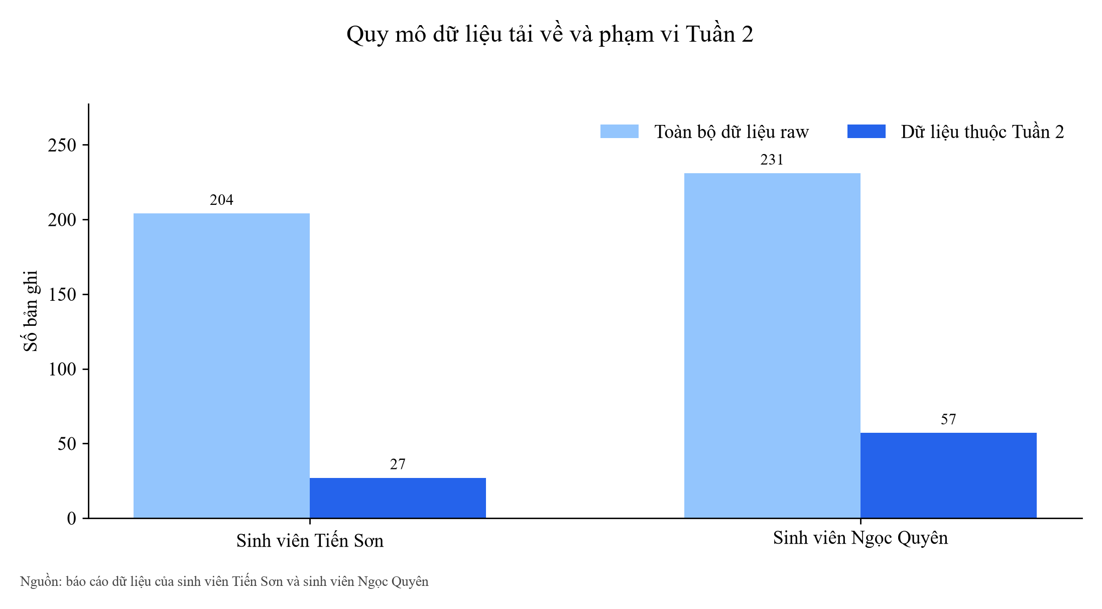
profile | lambda_state | runtime | memory_mb | timeout_s | enabled_schedules | schedule_names | confirmed_email_subscriptions | alarm_state | deployed_source_sha256 | local_source_matches_deployed
default | Active | python3.12 | 256 | 60 | 1 | WeatherCollectionSchedule | 1 | OK | da371a3aa71f7d8e3f4b7e4de8debd4919132d9c69232620e5a48777da5594f9 | False
quyen | Active | python3.12 | 256 | 60 | 2 | WeatherCollectionHourlyRule; WeatherCollectionSchedule | 2 | OK | ca4550dbd1a906ed4c3117835863d25e9e76826e6be46631a800f3e504515ed9 | False

account inventory
profile | account_label | raw_objects | raw_bytes | all_records | unique_record_ids | week2_records | week2_observed_hours | week2_days_observed | week2_first_utc | week2_last_utc | duplicate_city_timestamp_rows
default | Sơn | 22 | 114,736 | 204 | 204 | 27 | 9 | 2 | 2026-10-13 | 2026-10-14 | 0
quyen | Quyên | 28 | 129,715 | 231 | 231 | 57 | 9 | 2 | 2026-10-13 | 2026-10-14 | 0

