AQI theo thành phố
AQI và khí tượng theo thành phố

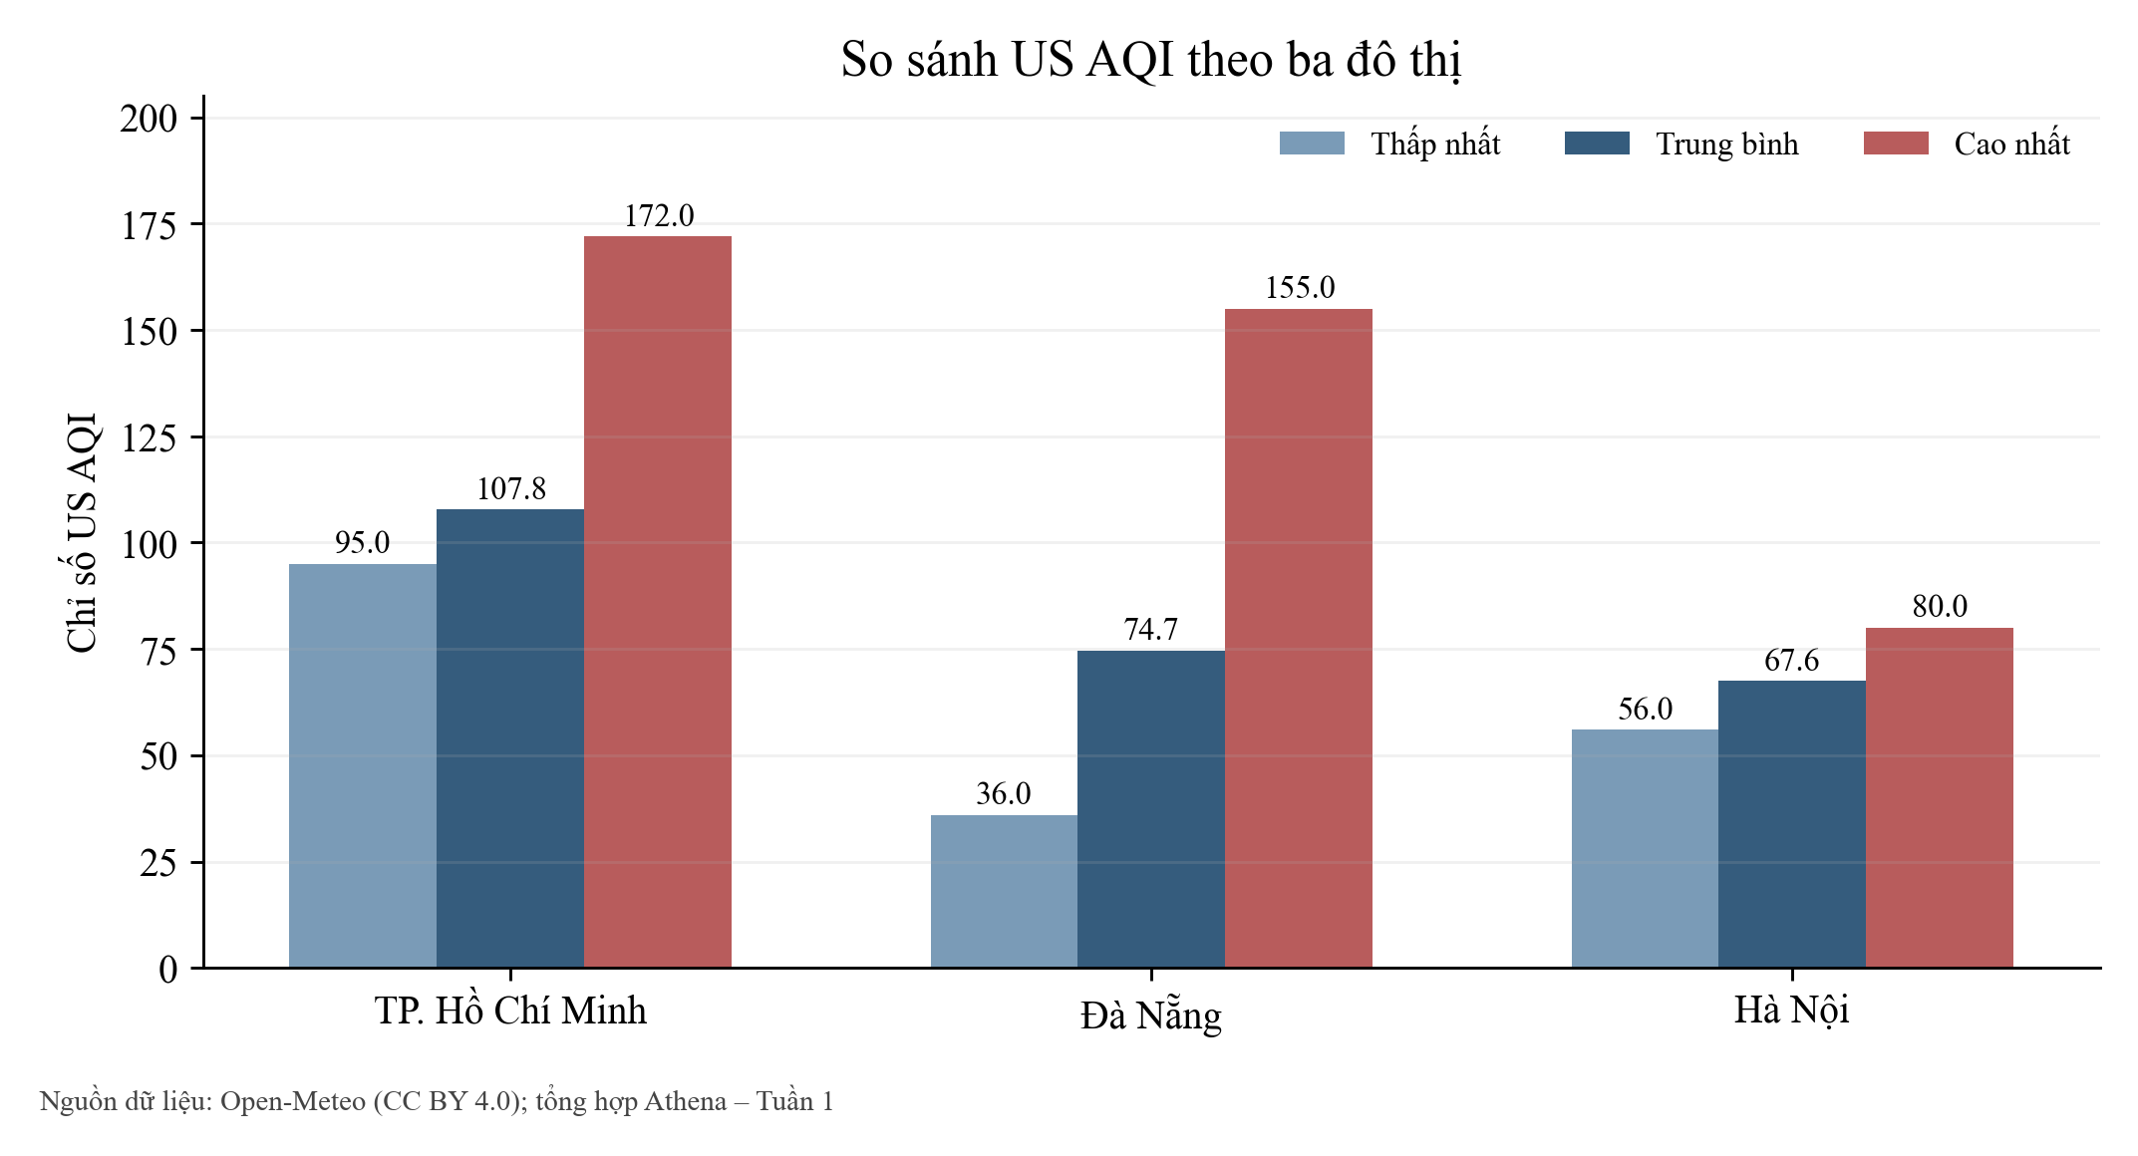
city | total_records | avg_aqi | min_aqi | max_aqi | avg_pm2_5 | avg_pm10 | avg_temp | avg_humidity
HoChiMinh | 52 | 107.79 | 95 | 172 | 37.03 | 37.35 | 27.79 | 84.71
DaNang | 52 | 74.67 | 36 | 155 | 14.23 | 17.28 | 28.85 | 74.87
HaNoi | 52 | 67.56 | 56 | 80 | 15.36 | 16.11 | 24.54 | 76.65

Theo giờ UTC
Chỉ số ô nhiễm theo giờ UTC

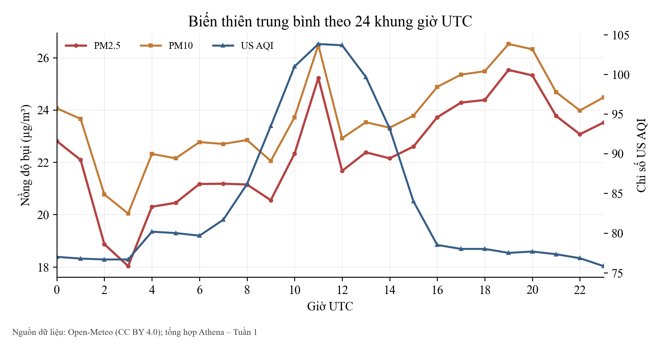
hour | avg_pm2_5 | avg_pm10 | avg_aqi | sample_count
00 | 22.81 | 24.06 | 77.00 | 9
01 | 22.09 | 23.66 | 76.78 | 9
02 | 18.87 | 20.77 | 76.67 | 9
03 | 18.03 | 20.04 | 76.67 | 9
04 | 20.30 | 22.32 | 80.17 | 6
05 | 20.45 | 22.15 | 80.00 | 6
06 | 21.17 | 22.77 | 79.67 | 6
07 | 21.18 | 22.70 | 81.67 | 6
08 | 21.15 | 22.85 | 86.17 | 6
09 | 20.55 | 22.05 | 93.50 | 6
10 | 22.33 | 23.72 | 101.00 | 6
11 | 25.22 | 26.48 | 103.83 | 6
12 | 21.67 | 22.92 | 103.67 | 6
13 | 22.38 | 23.53 | 99.67 | 6
14 | 22.15 | 23.32 | 93.17 | 6
15 | 22.60 | 23.78 | 84.00 | 6
16 | 23.72 | 24.88 | 78.50 | 6
17 | 24.28 | 25.35 | 78.00 | 6
18 | 24.38 | 25.48 | 78.00 | 6
19 | 25.53 | 26.52 | 77.50 | 6
20 | 25.32 | 26.32 | 77.67 | 6
21 | 23.77 | 24.68 | 77.33 | 6
22 | 23.07 | 23.98 | 76.83 | 6
23 | 23.52 | 24.48 | 75.83 | 6

Phân bố AQI
Phân bố cấp chất lượng không khí

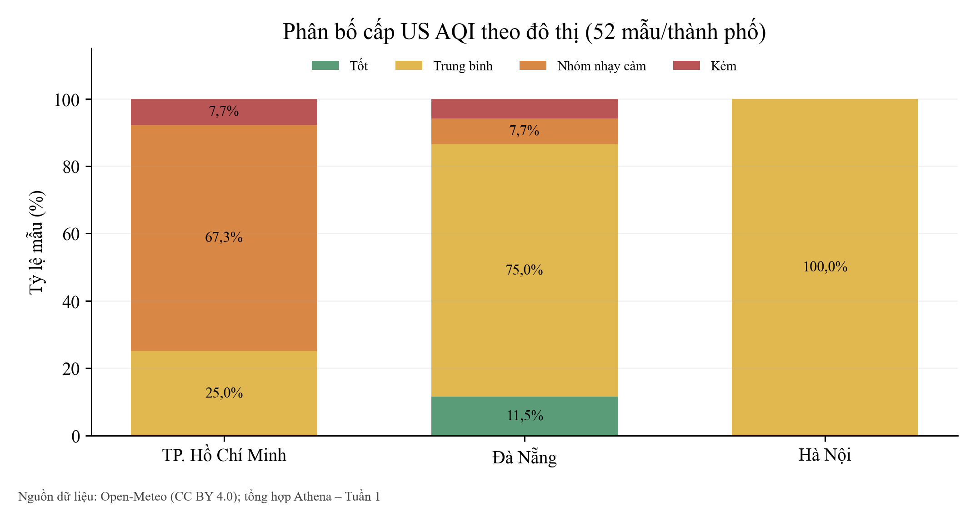
city | aqi_category | occurrence_count | percentage
DaNang | Moderate | 39 | 75.0%
DaNang | Good | 6 | 11.5%
DaNang | Unhealthy for Sensitive Groups | 4 | 7.7%
DaNang | Unhealthy | 3 | 5.8%
HaNoi | Moderate | 52 | 100.0%
HoChiMinh | Unhealthy for Sensitive Groups | 35 | 67.3%
HoChiMinh | Moderate | 13 | 25.0%
HoChiMinh | Unhealthy | 4 | 7.7%

Tương quan
Tương quan PM2.5 với khí tượng

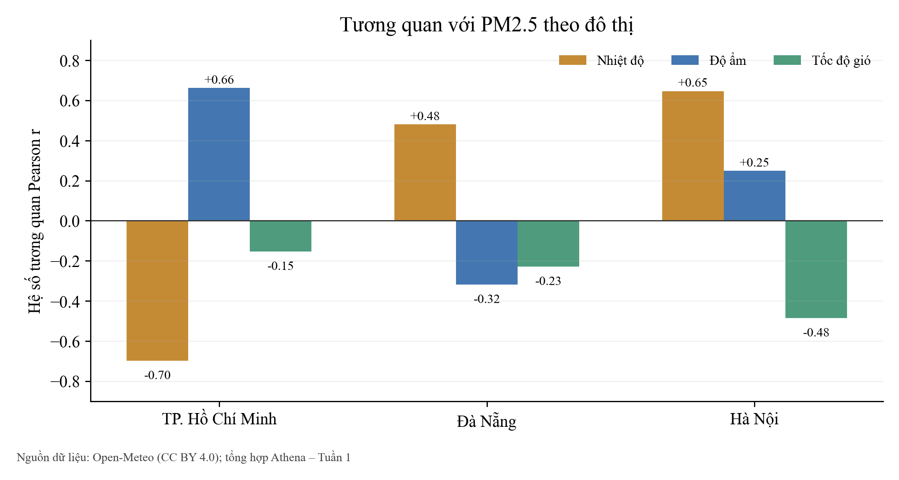
city | corr_temp_pm25 | corr_humidity_pm25 | corr_wind_pm25
HaNoi | 0.6462 | 0.2486 | -0.4846
DaNang | 0.4798 | -0.3183 | -0.2291
HoChiMinh | -0.6977 | 0.6627 | -0.1536

Phan_tich_bo_sung
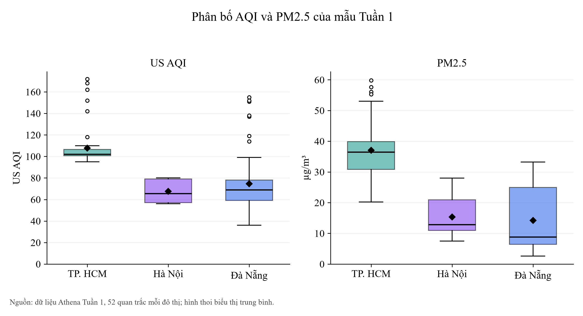
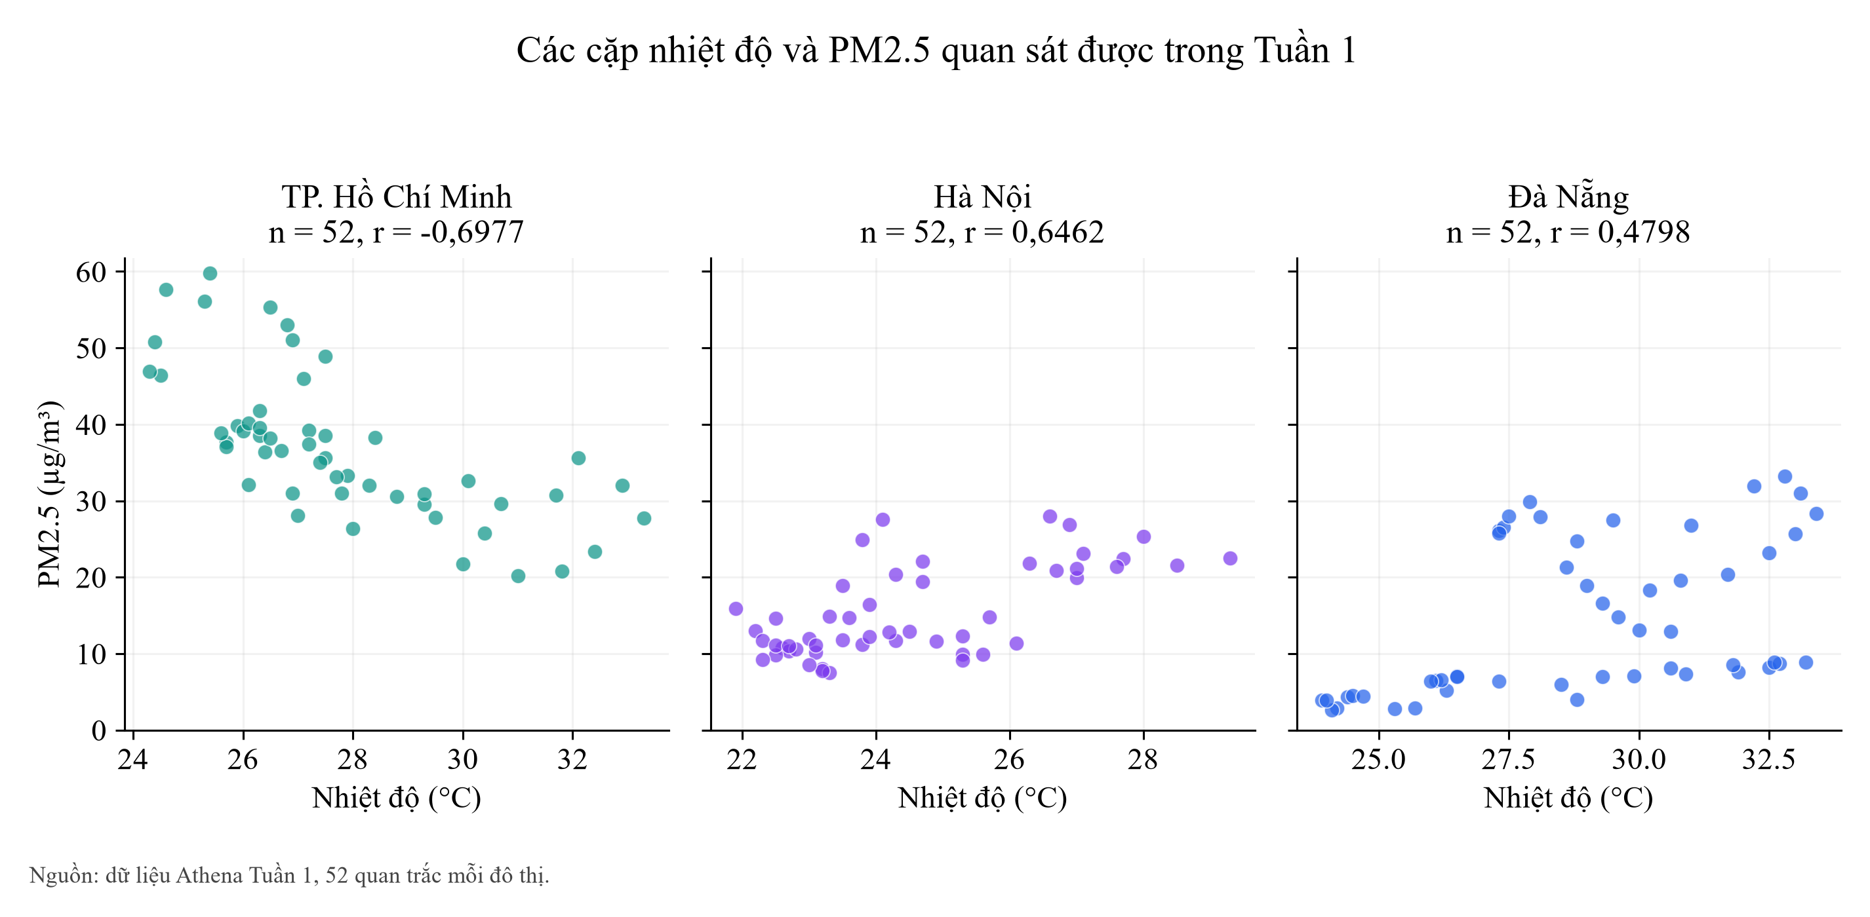
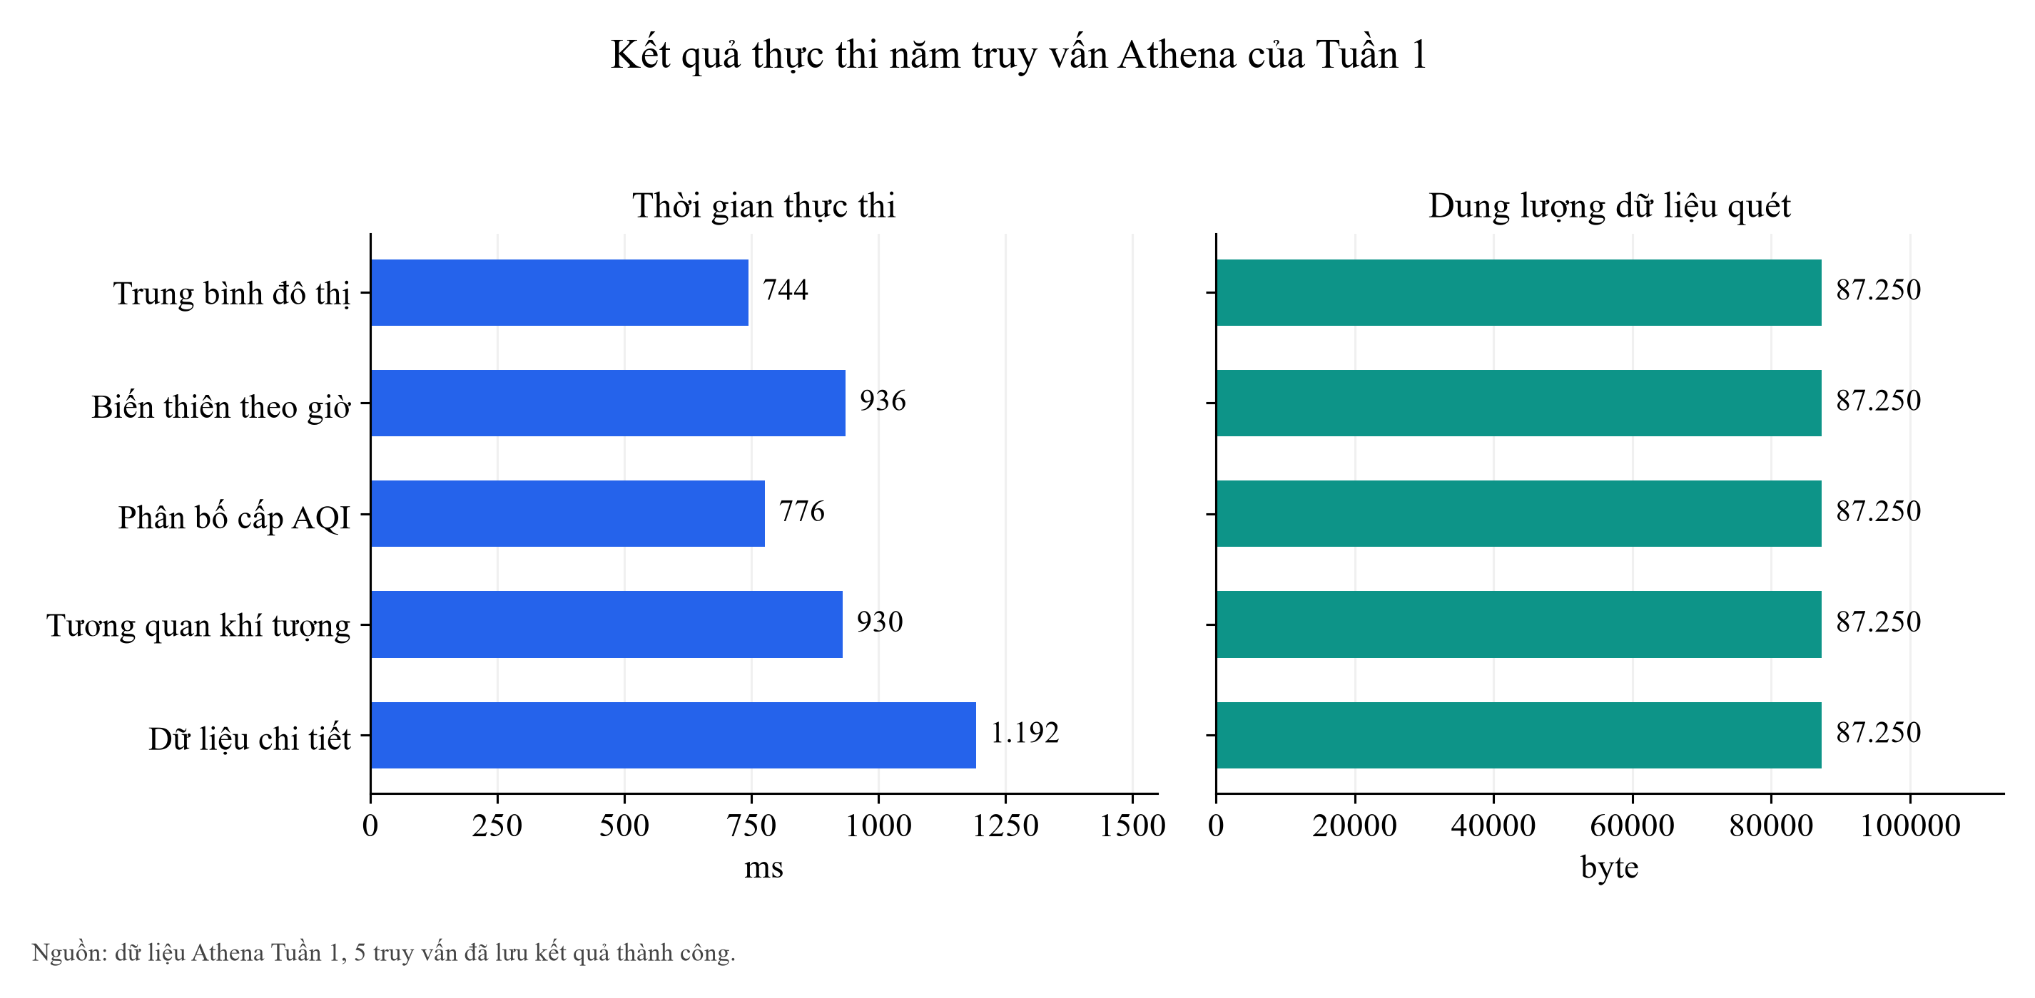
Phân tích bổ sung dữ liệu Tuần 1

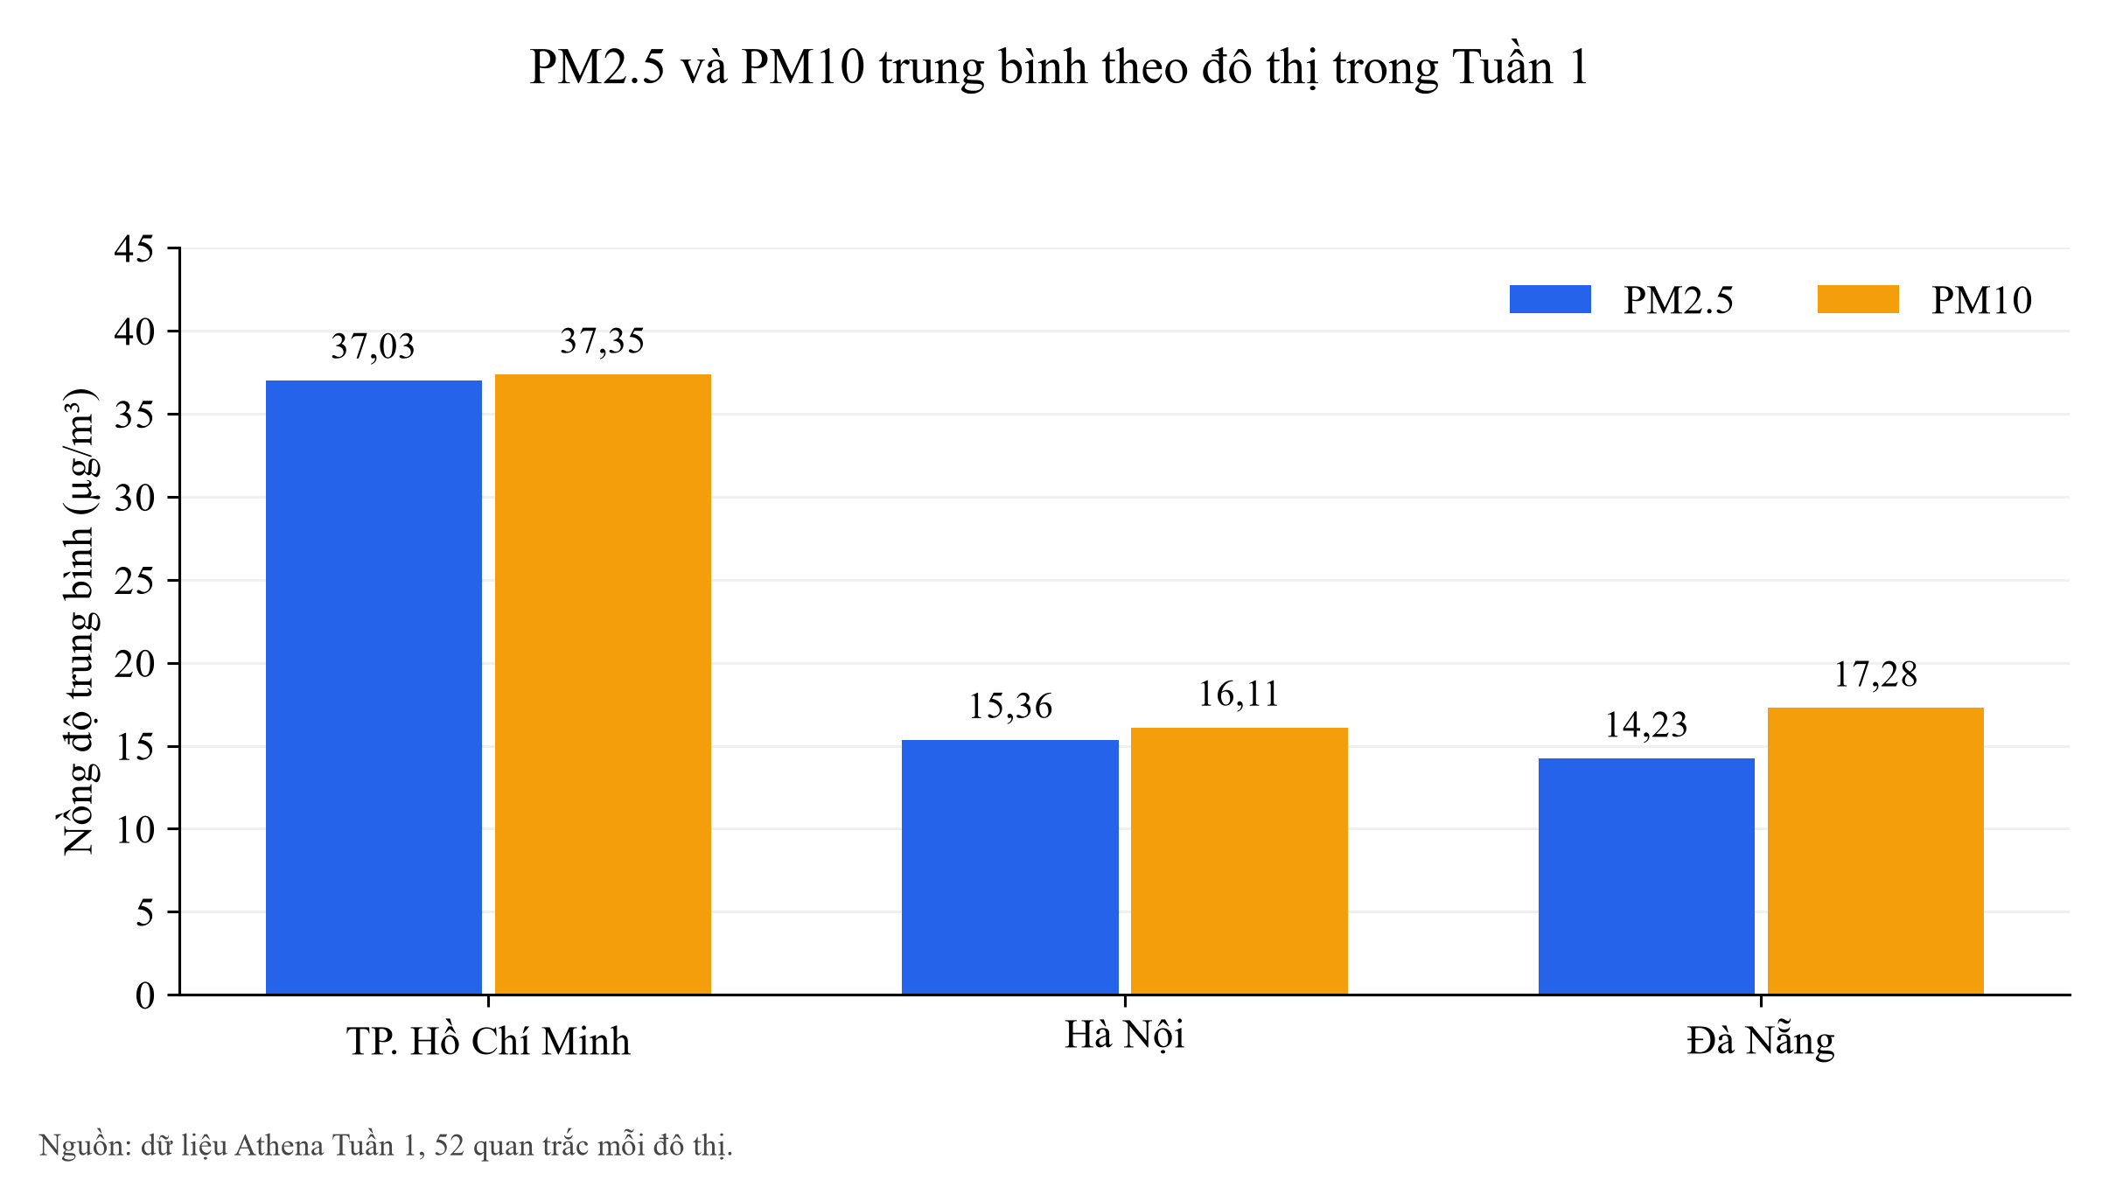
city | city_label | variable | unit | n | mean | sd | min | q1 | median | q3 | p95 | max | pearson_pm25
HoChiMinh | TP. Hồ Chí Minh | us_aqi | US AQI | 52 | 107.79 | 17.85 | 95.00 | 100.75 | 102.00 | 106.50 | 156.50 | 172.00 | 0.04
HoChiMinh | TP. Hồ Chí Minh | pm2_5 | µg/m³ | 52 | 37.03 | 9.55 | 20.20 | 30.85 | 36.50 | 39.90 | 55.66 | 59.80 | 1.00
HoChiMinh | TP. Hồ Chí Minh | pm10 | µg/m³ | 52 | 37.35 | 9.42 | 20.40 | 31.28 | 36.70 | 40.10 | 55.76 | 59.80 | 1.00
HoChiMinh | TP. Hồ Chí Minh | temperature_2m | °C | 52 | 27.79 | 2.31 | 24.30 | 26.25 | 27.20 | 29.30 | 32.24 | 33.30 | -0.70
HoChiMinh | TP. Hồ Chí Minh | relative_humidity_2m | % | 52 | 84.71 | 12.45 | 57.00 | 75.00 | 88.50 | 95.25 | 98.00 | 99.00 | 0.66
HoChiMinh | TP. Hồ Chí Minh | wind_speed_10m | km/h | 52 | 4.12 | 2.44 | 0.20 | 2.38 | 3.80 | 5.50 | 7.77 | 13.20 | -0.15
HaNoi | Hà Nội | us_aqi | US AQI | 52 | 67.56 | 9.95 | 56.00 | 57.00 | 65.50 | 79.00 | 80.00 | 80.00 | 0.46
HaNoi | Hà Nội | pm2_5 | µg/m³ | 52 | 15.36 | 5.89 | 7.50 | 10.95 | 12.85 | 20.95 | 26.02 | 28.00 | 1.00
HaNoi | Hà Nội | pm10 | µg/m³ | 52 | 16.11 | 6.44 | 7.50 | 11.08 | 14.30 | 22.33 | 27.98 | 29.60 | 0.99
HaNoi | Hà Nội | temperature_2m | °C | 52 | 24.54 | 1.89 | 21.90 | 23.08 | 24.00 | 25.80 | 27.83 | 29.30 | 0.65
HaNoi | Hà Nội | relative_humidity_2m | % | 52 | 76.65 | 13.21 | 47.00 | 64.75 | 79.00 | 88.00 | 96.00 | 97.00 | 0.25
HaNoi | Hà Nội | wind_speed_10m | km/h | 52 | 12.08 | 3.34 | 5.20 | 9.95 | 12.45 | 14.55 | 16.83 | 17.90 | -0.48
DaNang | Đà Nẵng | us_aqi | US AQI | 52 | 74.67 | 28.85 | 36.00 | 59.00 | 69.00 | 78.00 | 143.85 | 155.00 | 0.38
DaNang | Đà Nẵng | pm2_5 | µg/m³ | 52 | 14.23 | 9.93 | 2.60 | 6.40 | 8.80 | 24.95 | 30.39 | 33.20 | 1.00
DaNang | Đà Nẵng | pm10 | µg/m³ | 52 | 17.28 | 10.92 | 3.10 | 8.73 | 12.30 | 28.93 | 33.48 | 37.80 | 1.00
DaNang | Đà Nẵng | temperature_2m | °C | 52 | 28.85 | 2.91 | 23.90 | 26.45 | 28.90 | 31.18 | 33.05 | 33.40 | 0.48
DaNang | Đà Nẵng | relative_humidity_2m | % | 52 | 74.87 | 14.44 | 51.00 | 60.75 | 76.50 | 88.00 | 94.45 | 97.00 | -0.32
DaNang | Đà Nẵng | wind_speed_10m | km/h | 52 | 8.41 | 4.71 | 0.20 | 5.35 | 7.70 | 11.33 | 17.89 | 20.10 | -0.23

Truy vấn | Trạng thái | Dòng kết quả | Thời gian ms | Byte quét
avg_aqi_by_city | SUCCEEDED | 3 | 744 | 87250
peak_pollution_hours | SUCCEEDED | 24 | 936 | 87250
aqi_category_distribution | SUCCEEDED | 8 | 776 | 87250
weather_correlation | SUCCEEDED | 3 | 930 | 87250
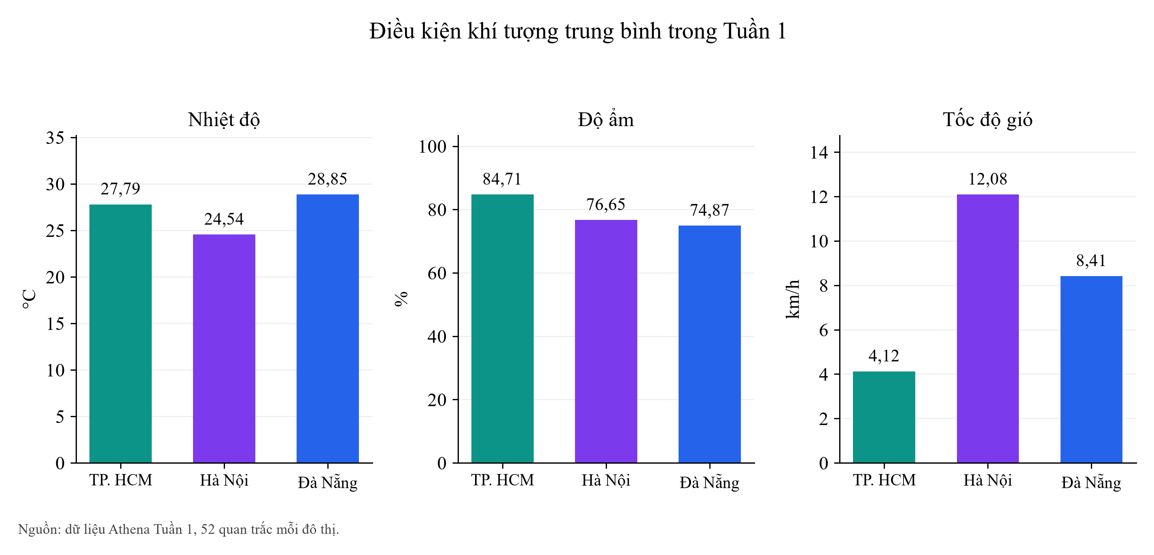
raw_weather_aqi_records | SUCCEEDED | 156 | 1192 | 87250

